2022
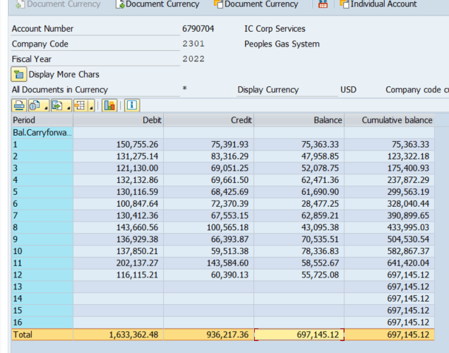
Emera Allocations | 2022

Audit Services | 69,813
Board | 38,414
Corp Secretary | 1,952
Environmental | 48,755
Human Resources | 40,734
Investor Relations | 46,539
Office of CDO | 97,359
Office of COO | 17,924
Safety | 119,829
Talent Management | 57,235
Total Rew - Health | 24,078
Total Rewards | 40,932
VP Compliance | 78,403
Other Charges | 15,178
Total Acct 6790704 | 697,145

