Sheet2
F390170 Legal Department - FERC break out
2022

 |  | D0086949 | 772,433.74 | 923 | OPS-08482.O.9230
 |  | D0086868 | 166,835.83 | 925 | OPS-08560.O.9250
 |  | D0086875 | 901,043.87 | 925 | OPS-08980.O.9302
 |  | D0086876 | 2,283,385.68 | 925
 |  | D0086882 | (603,298.60) | 925
 |  | D0097824 | 302,935.19 | 925
 | claims assessment | D0087926 | 514,258.25 | 930.2
 | assessment not in order |  | 604.62 | 930.2
 |  |  | 4,338,198.58

 |  | 923 | 772,433.74
 |  | 925 | 3,050,901.97
 |  | 930.2 | 514,862.87
 |  |  | 4,338,198.58
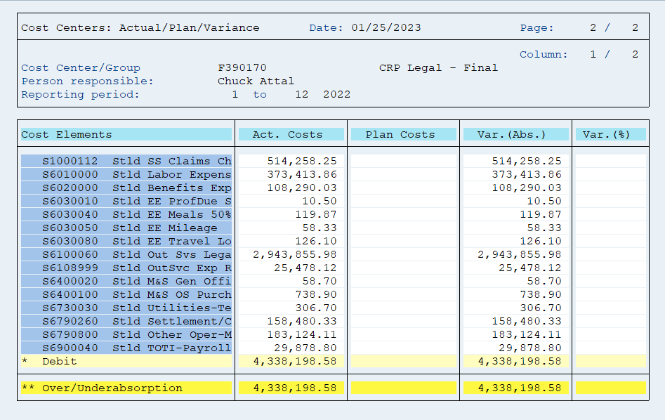

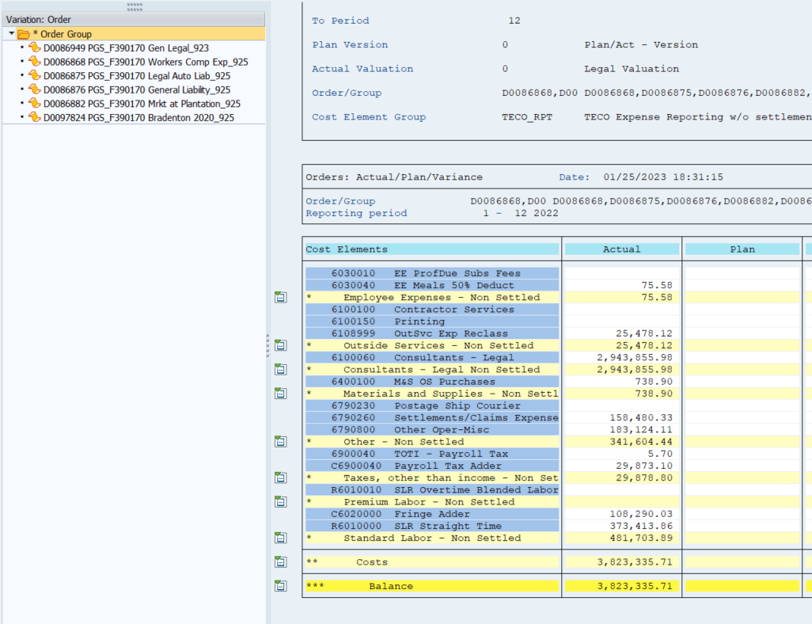

 |  |  |  |  |  | excludes assessment

