Rev Req Calc Data
Rev Req Calculation
Data Summary

Rate Base
 |  | (1) | (2) | (3) | (4) | (5) | (7) | (8) | (9) | (10) | (11)
 |  |  | Plant | Accumulated | Customer | Net |  | Construction
 |  | Plant in | Acquisition | Depreciation & | Advances for | Plant in | Property Held | Work in | Net | Working | Total
 |  | Service | Adjustment | Amortization | Construction | Service | for Future Use | Progress | Utility Plant | Capital | Rate Base

2024 | PER BOOKS | 3,319,122 | 5,032 | 923,335 | 20,000 | 2,380,818 | 1,940 | 135,611 | 2,518,369 | (9,101) | 2,509,268
 | TOTAL FPSC ADJUSTMENTS | (10,801) | - | (509) | - | (10,292) | (1,940) | (111,302) | (123,534) | (18,946) | (142,480)
 | FPSC ADJUSTED | 3,308,320 | 5,032 | 922,826 | 20,000 | 2,370,526 | - | 24,309 | 2,394,835 | (28,047) | 2,366,788

Cost of Capital

 |  |  |  |  |  |  | LOW POINT |  | MIDPOINT |  | HIGH POINT
 |  |  |  |  |  |  | COST | WEIGHTED | COST | WEIGHTED | COST | WEIGHTED
 |  |  | ADJUSTMENTS |  |  | RATIO | RATE | COST | RATE | COST | RATE | COST
2024 | AVERAGE | PER BOOKS | SPECIFIC | PRO RATA | ADJUSTED | (%) | (%) | (%) | (%) | (%) | (%) | (%)
 | LONG TERM DEBT | 878,846 | - | (46,661) | 832,185 | 35.16% | 5.54 | 1.95 | 5.54 | 1.95 | 5.54 | 1.95

 | SHORT TERM DEBT | 106,020 | (760) | (5,589) | 99,671 | 4.22% | 4.85 | 0.20 | 4.85 | 0.20 | 4.85 | 0.20

 | CUSTOMER DEPOSITS | 28,892 | - | (1,364) | 27,528 | 1.16% | 2.53 | 0.03 | 2.53 | 0.03 | 2.53 | 0.03

 | COMMON EQUITY | 1,191,009 | (3,980) | (63,023) | 1,124,006 | 47.49% | 9.90 | 4.70 | 11.00 | 5.22 | 12.00 | 5.70

 | DEFERRED INCOME TAX | 301,187 | (7,063) | (13,884) | 280,240 | 11.84% | 0.00 | 0.00 | 0.00 | 0.00 | 0.00 | 0.00

 | TAX CREDITS - ZERO COST | 3,313 | - | (156) | 3,157 | 0.13% | 7.89 | 0.01 | 8.49 | 0.01 | 9.04 | 0.01
 | TOTAL | 2,509,268 | (11,803) | (130,677) | 2,366,788 | 100.00% | 0.00 | 6.89 | 0.00 | 7.41 | 0.00 | 7.89

NOI
 |  | (1) | (2) | (3) | (4) | (5) | (6) | (7) | (8) | (9) | (10) | (11)
 |  |  |  |  |  |  |  | Deferred | Investment |  | Total | Net
 |  | Operating | O & M | O & M | Depreciation & | Taxes Other | Income Taxes | Income Taxes | Tax Credit | Gain/Loss | Operating | Operating
 |  | Revenues | Gas Expense | Other | Amortization | Than Income | Current | (Net) | (Net) | on Disposition | Expenses | Income
2021 | PER BOOKS | 517,146 | 161,279 | 140,031 | 55,697 | 47,719 | 8,239 | 13,292 | - | 62 | 426,318 | 90,827
 | TOTAL FPSC ADJUSTMENTS | (216,790) | (161,279) | (24,557) | (157) | (29,485) | (2,319) | - | - | - | (217,796) | 1,006
 | FPSC ADJUSTED | 300,356 | - | 115,475 | 55,540 | 18,234 | 5,920 | 13,292 | - | 62 | 208,522 | 91,834 | 91,181 | 653

2024 | PER BOOKS | 635,197 | 228,429 | 176,208 | 88,776 | 66,039 | (16,433) | 22,490 | - | (496) | 565,013 | 70,184
 | TOTAL FPSC ADJUSTMENTS | (289,128) | (228,429) | (25,391) | (163) | (34,337) | (2,964) | - | - | - | (291,283) | 2,155
 | FPSC ADJUSTED | 346,068 | - | 150,817 | 88,613 | 31,702 | (19,397) | 22,490 | - | (496) | 273,730 | 72,339

 | Difference | 45,713 | - | 35,342 | 33,073 | 13,468 | (25,316) | 9,198 | - | (558) | 65,208 | (19,495)

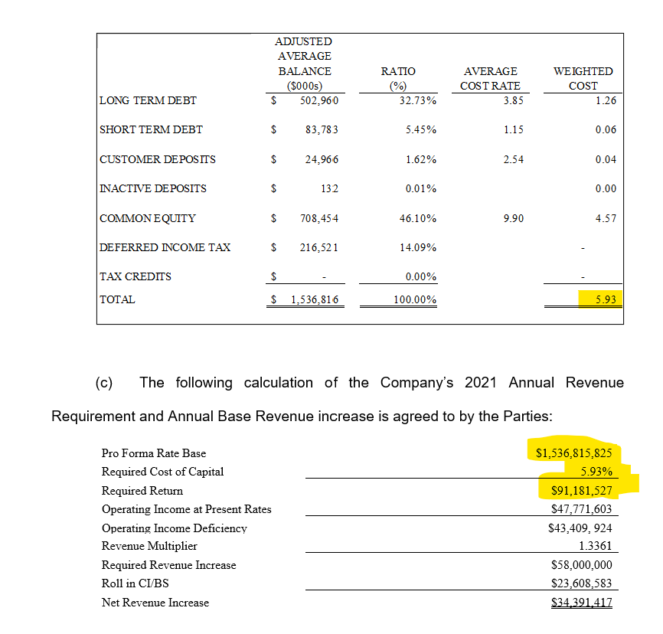
2020 Settlement Rate Base and Cost of Capital |  |  |  |  |  | 18.2
 |  |  |  |  |  | 31.7
 |  |  |  |  |  | 13.5
 |  |  |  |  |  | -10.6
 |  |  |  |  |  | 2.9

