Debt & Cust Dep
PEOPLES GAS SYSTEM
AVERAGE DEBT INTEREST RATES
 |  |  |  | SOURCE: | W:\Actuals\2022\12 Dec\Surveillance Report\SR_Forecast_Dec 2022 Actual_LTF_2022 (use going fwd_interface inclued).xlsm
 | Pulling from BS
 | Pulling from IS
 | Pulling from Financials
 | 13 month average (BS)/12 month total (IS)
 | Calculation
 | Input
LONG TERM DEBT COST RATE CALCULATION

 | LTD Balance | Jan-20 | Feb-20 | Mar-20 | Apr-20 | May-20 | Jun-20 | Jul-20 | Aug-20 | Sep-20 | Oct-20 | Nov-20 | Dec-20 | Jan-21 | Feb-21 | Mar-21 | Apr-21 | May-21 | Jun-21 | Jul-21 | Aug-21 | Sep-21 | Oct-21 | Nov-21 | Dec-21 | Jan-22 | Feb-22 | Mar-22 | Apr-22 | May-22 | Jun-22 | Jul-22 | Aug-22 | Sep-22 | Oct-22 | Nov-22 | Dec-22

224 | Long Term Notes | 336,765 | 336,765 | 336,765 | 336,765 | 336,765 | 336,765 | 336,765 | 336,765 | 336,765 | 336,765 | 336,765 | 336,765 | 336,765 | 336,765 | 566,765 | 566,765 | 520,000 | 520,000 | 520,000 | 520,000 | 520,000 | 520,000 | 520,000 | 520,000 | 520,000 | 520,000 | 520,000 | 520,000 | 520,000 | 520,000 | 595,000 | 595,000 | 570,000 | 570,000 | 570,000 | 570,000
226 | Other Long Term Debt | (1,147) | (1,143) | (1,139) | (1,136) | (1,132) | (1,128) | (1,124) | (1,120) | (1,116) | (1,112) | (1,108) | (1,104) | (1,100) | (1,096) | (1,719) | (1,711) | (1,704) | (1,696) | (1,688) | (1,680) | (1,672) | (1,664) | (1,657) | (1,649) | (1,641) | (1,633) | (1,625) | (1,617) | (1,610) | (1,602) | (1,654) | (1,645) | (1,637) | (1,629) | (1,620) | (1,612)
181 & 189 | Unamortized DD&E | (2,224) | (2,227) | (2,222) | (2,212) | (2,202) | (2,191) | (2,181) | (2,171) | (2,161) | (2,151) | (2,140) | (2,130) | (2,127) | (2,116) | (3,963) | (4,083) | (4,215) | (4,360) | (4,339) | (4,318) | (4,297) | (4,276) | (4,255) | (4,249) | (4,227) | (4,204) | (4,182) | (4,161) | (4,139) | (4,116) | (4,568) | (4,607) | (4,578) | (4,562) | (4,534) | (4,543)
A_2190040 | OCI - Cash Flow Hedges Pretax | (703) | (700) | (697) | (694) | (692) | (689) | (686) | (683) | (681) | (678) | (675) | (672) | (670) | (667) | (664) | (661) | (659) | (656) | (653) | (650) | (648) | (645) | (642) | (639) | (637) | (634) | (631) | (628) | (626) | (623) | (620) | (617) | (615) | (612) | (609) | (606)
 | LTD Balance | 332,690 | 332,694 | 332,706 | 332,723 | 332,740 | 332,757 | 332,774 | 332,791 | 332,808 | 332,825 | 332,841 | 332,858 | 332,869 | 332,886 | 560,418 | 560,308 | 513,423 | 513,288 | 513,320 | 513,351 | 513,383 | 513,414 | 513,446 | 513,463 | 513,496 | 513,529 | 513,561 | 513,593 | 513,626 | 513,659 | 588,158 | 588,130 | 563,171 | 563,197 | 563,237 | 563,238

 | LTD Balance - 13-month Average | 321,350 | 323,240 | 325,130 | 327,021 | 328,912 | 330,804 | 332,695 | 332,705 | 332,718 | 332,732 | 332,746 | 332,760 | 332,775 | 332,790 | 350,307 | 367,815 | 381,715 | 395,604 | 409,493 | 423,384 | 437,275 | 451,168 | 465,062 | 478,956 | 492,851 | 506,748 | 520,646 | 517,044 | 513,453 | 513,471 | 519,231 | 524,985 | 528,817 | 532,649 | 536,482 | 540,312
 |  |  |  |  |  |  |  |  |  |  |  |  |  |  |  |  |  |  |  |  |  |  |  |  |  |  |  |  |  |  |  |  |  |  |  |  |  | Regular int exp hitting (7500020/7500080) was journaled to the incorrect order, which derived it to FERC 930.2. It should be hitting FERC 431. Manual reclass to the IS in May and will be fixed in the system in June

 | LTD Interest | Jan-20 | Feb-20 | Mar-20 | Apr-20 | May-20 | Jun-20 | Jul-20 | Aug-20 | Sep-20 | Oct-20 | Nov-20 | Dec-20 | Jan-21 | Feb-21 | Mar-21 | Apr-21 | May-21 | Jun-21 | Jul-21 | Aug-21 | Sep-21 | Oct-21 | Nov-21 | Dec-21 | Jan-22 | Feb-22 | Mar-22 | Apr-22 | May-22 | Jun-22 | Jul-22 | Aug-22 | Sep-22 | Oct-22 | Nov-22 | Dec-22 | 7500020 | 7500080
 |  |  |  |  |  |  |  |  |  |  |  |  |  |  |  |  |  |  |  |  |  |  |  |  |  |  |  |  |  |  |  |  |  |  |  |  |  | 147,148.94 | 574,154.80 | 721,303.74 | Total Int Exp
A_7500110 | Interest Expense- L/T Debt | 1,286 | 1,286 | 1,281 | 1,286 | 1,286 | 1,286 | 1,286 | 1,286 | 1,286 | 1,286 | 1,286 | 1,286 | 1,286 | 1,286 | 1,604 | 1,847 | 1,636 | 1,742 | 1,636 | 1,636 | 1,543 | 1,636 | 1,636 | 1,636 | 1,636 | 1,636 | 1,636 | 1,636 | 1,636 | 1,636 | 1,803 | 1,914 | 1,887 | 1,860 | 1,860 | 1,860 | (6,767.65) | (37,816.02) | (44,583.67) | Amort of Fees
A_7500120 | Amortization of discount L/T Debt | 4 | 4 | 4 | 4 | 4 | 4 | 4 | 4 | 4 | 4 | 4 | 4 | 4 | 4 | 8 | 8 | 8 | 8 | 8 | 8 | 8 | 8 | 8 | 8 | 8 | 8 | 8 | 8 | 8 | 8 | 9 | 9 | 9 | 8 | 8 | 8 | 140,381.29 | 536,338.78 | 676,720.07 | Regular Int Exp
A_7500130 | Interest Exp - Amortiz of Fees on L/T Debt | 11 | 11 | 11 | 11 | 11 | 11 | 11 | 11 | 11 | 11 | 11 | 11 | 11 | 11 | 21 | 23 | 24 | 27 | 24 | 24 | 24 | 24 | 25 | 24 | 24 | 24 | 24 | 24 | 24 | 24 | 30 | 33 | 31 | 31 | 30 | 30
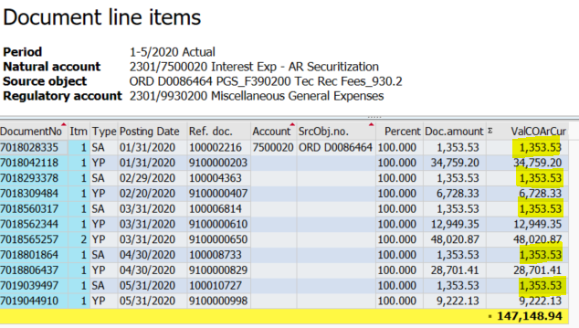
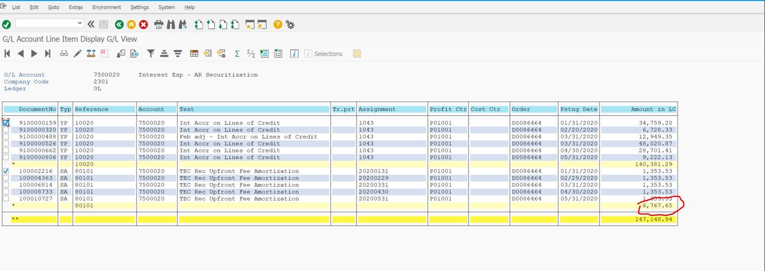
 | LTD Interest Balance | 1,302 | 1,302 | 1,297 | 1,302 | 1,302 | 1,302 | 1,302 | 1,302 | 1,302 | 1,302 | 1,302 | 1,302 | 1,302 | 1,302 | 1,633 | 1,877 | 1,669 | 1,776 | 1,668 | 1,668 | 1,574 | 1,668 | 1,669 | 1,668 | 1,668 | 1,668 | 1,668 | 1,668 | 1,668 | 1,668 | 1,841 | 1,955 | 1,927 | 1,899 | 1,898 | 1,898

 | LTD Interest - 12-month ended | 15,177 | 15,254 | 15,326 | 15,403 | 15,481 | 15,558 | 15,615 | 15,615 | 15,615 | 15,615 | 15,615 | 15,615 | 15,615 | 15,615 | 15,951 | 16,526 | 16,893 | 17,368 | 17,734 | 18,100 | 18,373 | 18,739 | 19,107 | 19,473 | 19,840 | 20,206 | 20,241 | 20,032 | 20,031 | 19,923 | 20,096 | 20,383 | 20,736 | 20,967 | 21,195 | 21,425

 | LTD COST RATE Average | 4.72% | 4.72% | 4.71% | 4.71% | 4.71% | 4.70% | 4.69% | 4.69% | 4.69% | 4.69% | 4.69% | 4.69% | 4.69% | 4.69% | 4.55% | 4.49% | 4.43% | 4.39% | 4.33% | 4.28% | 4.20% | 4.15% | 4.11% | 4.07% | 4.03% | 3.99% | 3.89% | 3.87% | 3.90% | 3.88% | 3.87% | 3.88% | 3.92% | 3.94% | 3.95% | 3.97%

 | LTD COST RATE Year End | 4.56% | 4.59% | 4.61% | 4.63% | 4.65% | 4.68% | 4.69% | 4.69% | 4.69% | 4.69% | 4.69% | 4.69% | 4.69% | 4.69% | 2.85% | 2.95% | 3.29% | 3.38% | 3.45% | 3.53% | 3.58% | 3.65% | 3.72% | 3.79% | 3.86% | 3.93% | 3.94% | 3.90% | 3.90% | 3.88% | 3.42% | 3.47% | 3.68% | 3.72% | 3.76% | 3.80%

SHORT TERM DEBT COST RATE CALCULATION

 | Short-Term Debt Interest Rate | Jan-20 | Feb-20 | Mar-20 | Apr-20 | May-20 | Jun-20 | Jul-20 | Aug-20 | Sep-20 | Oct-20 | Nov-20 | Dec-20 | Jan-21 | Feb-21 | Mar-21 | Apr-21 | May-21 | Jun-21 | Jul-21 | Aug-21 | Sep-21 | Oct-21 | Nov-21 | Dec-21 | Jan-22 | Feb-22 | Mar-22 | Apr-22 | May-22 | Jun-22 | Jul-22 | Aug-22 | Sep-22 | Oct-22 | Nov-22 | Dec-22

From Vickie M. (NON TEC FILE) | 12-month average interest rate (Daily) | 2.94% | 2.83% | 2.65% | 2.43% | 2.18% | 1.98% | 1.78% | 1.63% | 1.50% | 1.37% | 1.27% | 1.16% | 1.06% | 0.99% | 0.98% | 0.97% | 0.98% | 0.96% | 0.92% | 0.88% | 0.83% | 0.78% | 0.71% | 0.62% | 0.55% | 0.48% | 0.44% | 0.51% | 0.56% | 0.67% | 0.82% | 0.99% | 1.19% | 1.45% | 1.75% | 2.20%

From Vickie M. (TEC FILE) | Month end interest rate (Daily) | 2.56% | 2.31% | 1.72% | 1.04% | 0.85% | 0.83% | 0.86% | 0.85% | 0.82% | 0.83% | 0.86% | 0.89% | 0.94% | 0.98% | 0.99% | 1.25% | 1.22% | 0.52% | 0.25% | 0.25% | 0.24% | 0.23% | 0.25% | 0.42% | 0.56% | 0.59% | 0.86% | 1.09% | 1.24% | 1.67% | 2.28% | 2.80% | 3.22% | 3.77% | 4.34% | 4.83%

HIDE 46-68
 | STD Balance | Jan-20 | Feb-20 | Mar-20 | Apr-20 | May-20 | Jun-20 | Jul-20 | Aug-20 | Sep-20 | Oct-20 | Nov-20 | Dec-20 | Jan-21 | Feb-21 | Mar-21 | Apr-21 | May-21 | Jun-21 | Jul-21 | Aug-21 | Sep-21 | Oct-21 | Nov-21 | Dec-21 | Jan-22 | Feb-22 | Mar-22 | Apr-22 | May-22 | Jun-22 | Jul-22 | Aug-22 | Sep-22 | Oct-22 | Nov-22 | Dec-22

A_2310000 | Notes Pay <1yr Dur | 104,160 | 90,191 | 91,779 | 99,145 | 104,894 | 104,894 | 127,591 | 145,194 | 133,998 | 144,416 | 162,258 | 179,528 | 214,352 | 236,511 | 221,148 | 10,000 | 17,122 | 87,742 | 87,742 | 87,742 | 87,742 | 87,742 | 87,742 | 87,742 | 210,399 | 158,200 | 166,329 | 174,484 | 177,718 | 198,345 | 100,000 | 100,000 | 156,384 | 159,113 | 161,937 | 166,097
A_2330711 | NP IC Current Postng | - | - | - | - | - | - | - | - | - | - | - | - | - | - | - | 4,181 | - | - | - | - | - | - | - | - | - | - | - | - | - | - | 36,571 | 24,776 | - | - | - | -
 | STD Balance | 104,160 | 90,191 | 91,779 | 99,145 | 104,894 | 104,894 | 127,591 | 145,194 | 133,998 | 144,416 | 162,258 | 179,528 | 214,352 | 236,511 | 221,148 | 14,181 | 17,122 | 87,742 | 87,742 | 87,742 | 87,742 | 87,742 | 87,742 | 87,742 | 210,399 | 158,200 | 166,329 | 174,484 | 177,718 | 198,345 | 136,571 | 124,776 | 156,384 | 159,113 | 161,937 | 166,097

 | STD Balance - 13-month Average | 56,314 | 57,846 | 60,982 | 65,260 | 69,648 | 75,232 | 81,666 | 90,514 | 97,074 | 104,765 | 113,629 | 121,476 | 130,954 | 141,135 | 151,208 | 145,239 | 138,930 | 137,610 | 136,291 | 133,226 | 128,806 | 125,248 | 120,888 | 115,156 | 117,531 | 113,212 | 107,813 | 104,224 | 116,803 | 130,744 | 134,500 | 137,348 | 142,629 | 148,119 | 153,826 | 159,853

 | STD Interest | Jan-20 | Feb-20 | Mar-20 | Apr-20 | May-20 | Jun-20 | Jul-20 | Aug-20 | Sep-20 | Oct-20 | Nov-20 | Dec-20 | Jan-21 | Feb-21 | Mar-21 | Apr-21 | May-21 | Jun-21 | Jul-21 | Aug-21 | Sep-21 | Oct-21 | Nov-21 | Dec-21 | Jan-22 | Feb-22 | Mar-22 | Apr-22 | May-22 | Jun-22 | Jul-22 | Aug-22 | Sep-22 | Oct-22 | Nov-22 | Dec-22

A_7500020 | AR Securitization | 36 | 8 | 62 | 30 | 11 | 11 | 11 | 11 | 11 | 11 | 11 | 11 | 11 | 11 | 11 | 11 | 11 | 11 | 11 | 11 | 11 | 11 | 11 | 11 | 0 | 0 | 0 | 0 | 0 | 0 | 0 | 0 | 0 | 0 | 0 | 0
A_7500080 | Int Exp Cr Facility | 174 | 81 | 173 | 64 | 82 | 82 | 82 | 82 | 82 | 82 | 82 | 82 | 82 | 82 | 82 | 82 | 82 | 82 | 82 | 82 | 82 | 82 | 82 | 82 | 15 | 15 | 15 | 15 | 15 | 15 | 15 | 15 | 15 | 15 | 15 | 15
A_7500090 | Int Exp Oth ST Borrw | 0 | 1 | 2 | 1 | 1 | 1 | 1 | 1 | 1 | 1 | 1 | 1 | 1 | 1 | 1 | 1 | 1 | 1 | 1 | 1 | 1 | 1 | 1 | 1 | 101 | 79 | 124 | 165 | 234 | 260 | 317 | 247 | 358 | 504 | 597 | 747
A_7500700 | Int Exp Intercompany | 0 | 0 | 0 | 0 | 0 | 0 | 0 | 0 | 0 | 0 | 0 | 0 | 0 | 0 | 0 | 0 | 0 | 0 | 0 | 0 | 0 | 0 | 0 | 0 | 0 | 0 | 0 | 0 | 0 | 0 | 18 | 65 | 31 | 0 | 0 | 0
 | Amortizatoin of Fees in 930.2 | (7) | (7) | (7) | (7) | (7) | (7) | (7) | (7) | (7) | (7) | (7) | (7) | (7) | (7) | (7) | (7) | (7) | (7) | (7) | (7) | (7) | (7) | (7) | (7) | (7) | (7) | (7) | (7) | (7) | (7) | (7) | (7) | (7) | (7) | (7) | (7)
 | STD Interest Balance | 203 | 83 | 231 | 88 | 87 | 87 | 87 | 87 | 87 | 87 | 87 | 87 | 87 | 87 | 87 | 87 | 87 | 87 | 87 | 87 | 87 | 87 | 87 | 87 | 108 | 86 | 131 | 173 | 241 | 267 | 342 | 320 | 396 | 511 | 604 | 755

 | STD Interest - 12-month ended | 1,446 | 1,331 | 1,386 | 1,312 | 1,297 | 1,505 | 1,484 | 1,475 | 1,457 | 1,428 | 1,392 | 1,299 | 1,183 | 1,187 | 1,043 | 1,042 | 1,042 | 1,042 | 1,042 | 1,042 | 1,042 | 1,042 | 1,042 | 1,042 | 1,063 | 1,062 | 1,107 | 1,193 | 1,347 | 1,527 | 1,783 | 2,016 | 2,325 | 2,749 | 3,267 | 3,935

 | STD COST RATE Average (Use Daily Rate Instead) | 2.57% | 2.30% | 2.27% | 2.01% | 1.86% | 2.00% | 1.82% | 1.63% | 1.50% | 1.36% | 1.23% | 1.07% | 0.90% | 0.84% | 0.69% | 0.72% | 0.75% | 0.76% | 0.76% | 0.78% | 0.81% | 0.83% | 0.86% | 0.91% | 0.90% | 0.94% | 1.03% | 1.14% | 1.15% | 1.17% | 1.33% | 1.47% | 1.63% | 1.86% | 2.12% | 2.46%

 | STD COST RATE Year End (Use Daily Rate Instead) | 1.39% | 1.48% | 1.51% | 1.32% | 1.24% | 1.43% | 1.16% | 1.02% | 1.09% | 0.99% | 0.86% | 0.72% | 0.55% | 0.50% | 0.47% | 7.35% | 6.09% | 1.19% | 1.19% | 1.19% | 1.19% | 1.19% | 1.19% | 1.19% | 0.51% | 0.67% | 0.67% | 0.68% | 0.76% | 0.77% | 1.31% | 1.62% | 1.49% | 1.73% | 2.02% | 2.37%

CUSTOMER DEPOSITS COST RATE CALCULATION
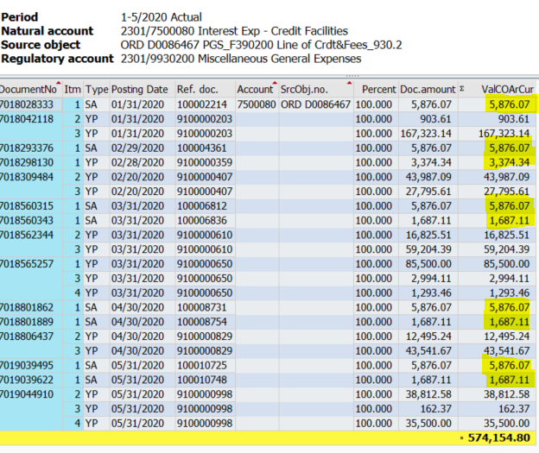
 | Deposits Balance | Jan-20 | Feb-20 | Mar-20 | Apr-20 | May-20 | Jun-20 | Jul-20 | Aug-20 | Sep-20 | Oct-20 | Nov-20 | Dec-20 | Jan-21 | Feb-21 | Mar-21 | Apr-21 | May-21 | Jun-21 | Jul-21 | Aug-21 | Sep-21 | Oct-21 | Nov-21 | Dec-21 | Jan-22 | Feb-22 | Mar-22 | Apr-22 | May-22 | Jun-22 | Jul-22 | Aug-22 | Sep-22 | Oct-22 | Nov-22 | Dec-22

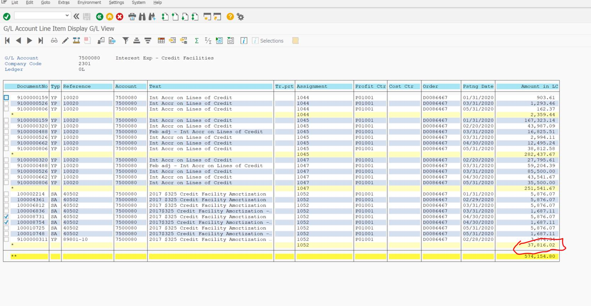
A_2350100 | CIS Customer Deposits Short-term | 25,666 | 25,728 | 25,721 | 25,669 | 25,569 | 25,464 | 25,457 | 25,417 | 25,433 | 25,394 | 25,333 | 25,075 | 25,242 | 25,274 | 25,387 | 25,318 | 25,407 | 25,529 | 25,706 | 25,783 | 25,963 | 26,074 | 26,300 | 26,450 | 26,725 | 26,838 | 27,026 | 27,143 | 27,369 | 27,734 | 27,953 | 28,171 | 28,457 | 28,628 | 28,840 | 29,144
A_2350110 | Non-CIS Customer Deposits Short-term | 569 | 594 | 594 | 594 | 594 | 594 | 594 | 594 | 594 | 594 | 594 | 594 | 594 | 589 | 589 | 589 | 589 | 589 | 579 | 579 | 579 | 604 | 604 | 604 | 604 | 604 | 604 | 604 | 614 | 614 | 614 | 614 | 614 | 614 | 614 | 715
A_2420320 | Misc Accru Liab-Unclaimed Funds | 6 | 8 | 37 | 37 | 32 | 31 | 31 | 35 | 29 | 27 | 27 | 26 | 36 | 49 | 49 | 49 | 47 | 48 | 48 | 48 | 48 | 51 | 51 | 51 | 51 | 52 | 87 | 87 | 87 | 91 | 91 | 91 | 94 | 94 | 93 | 93
 | Deposits Balance | 26,241 | 26,330 | 26,353 | 26,300 | 26,195 | 26,090 | 26,082 | 26,045 | 26,056 | 26,014 | 25,954 | 25,696 | 25,871 | 25,912 | 26,025 | 25,956 | 26,043 | 26,166 | 26,333 | 26,410 | 26,590 | 26,730 | 26,956 | 27,106 | 27,380 | 27,494 | 27,717 | 27,834 | 28,071 | 28,440 | 28,658 | 28,876 | 29,165 | 29,335 | 29,547 | 29,953

 | Deposits Balance - 13-month Average | 26,330 | 26,326 | 26,322 | 26,311 | 26,298 | 26,275 | 26,251 | 26,226 | 26,208 | 26,194 | 26,170 | 26,126 | 26,094 | 26,069 | 26,046 | 26,015 | 25,995 | 25,993 | 26,012 | 26,037 | 26,079 | 26,131 | 26,203 | 26,292 | 26,421 | 26,546 | 26,685 | 26,824 | 26,987 | 27,171 | 27,363 | 27,558 | 27,770 | 27,982 | 28,198 | 28,429

 | Deposits Interest | Jan-20 | Feb-20 | Mar-20 | Apr-20 | May-20 | Jun-20 | Jul-20 | Aug-20 | Sep-20 | Oct-20 | Nov-20 | Dec-20 | Jan-21 | Feb-21 | Mar-21 | Apr-21 | May-21 | Jun-21 | Jul-21 | Aug-21 | Sep-21 | Oct-21 | Nov-21 | Dec-21 | Jan-22 | Feb-22 | Mar-22 | Apr-22 | May-22 | Jun-22 | Jul-22 | Aug-22 | Sep-22 | Oct-22 | Nov-22 | Dec-22

A_7500030 | Interest Exp - Customer Deposits | 55 | 55 | 55 | 55 | 55 | 55 | 55 | 55 | 55 | 55 | 55 | 43 | 54 | 55 | 55 | 55 | 55 | 55 | 55 | 56 | 56 | 56 | 57 | 47 | 58 | 58 | 58 | 58 | 59 | 59 | 60 | 60 | 61 | 61 | 61 | 52
 | Deposits Interest Balance | 55 | 55 | 55 | 55 | 55 | 55 | 55 | 55 | 55 | 55 | 55 | 43 | 54 | 55 | 55 | 55 | 55 | 55 | 55 | 56 | 56 | 56 | 57 | 47 | 58 | 58 | 58 | 58 | 59 | 59 | 60 | 60 | 61 | 61 | 61 | 52

 | Deposits Interest - 12-month ended | 649 | 649 | 649 | 649 | 649 | 648 | 648 | 648 | 648 | 647 | 647 | 648 | 647 | 646 | 646 | 645 | 645 | 645 | 646 | 647 | 648 | 649 | 651 | 655 | 658 | 661 | 665 | 668 | 672 | 676 | 681 | 685 | 690 | 695 | 699 | 704

 | Deposits COST RATE Average | 2.46% | 2.46% | 2.46% | 2.47% | 2.47% | 2.47% | 2.47% | 2.47% | 2.47% | 2.47% | 2.47% | 2.48% | 2.48% | 2.48% | 2.48% | 2.48% | 2.48% | 2.48% | 2.48% | 2.48% | 2.48% | 2.48% | 2.49% | 2.49% | 2.49% | 2.49% | 2.49% | 2.49% | 2.49% | 2.49% | 2.49% | 2.49% | 2.48% | 2.48% | 2.48% | 2.48%

 | Deposits COST RATE Year End | 2.47% | 2.46% | 2.46% | 2.47% | 2.48% | 2.48% | 2.48% | 2.49% | 2.49% | 2.49% | 2.49% | 2.52% | 2.50% | 2.49% | 2.48% | 2.49% | 2.48% | 2.47% | 2.45% | 2.45% | 2.44% | 2.43% | 2.42% | 2.42% | 2.40% | 2.40% | 2.40% | 2.40% | 2.39% | 2.38% | 2.38% | 2.37% | 2.37% | 2.37% | 2.37% | 2.35%

