2018
PEOPLES GAS SYSTEM, INC.
IRR NO. 228
Actual monthly closures of CWIP to plant in-service
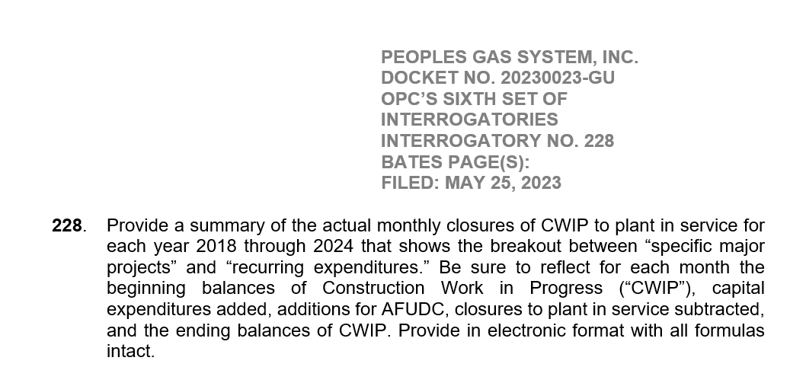
 | 2018 | 2018 | 2018 | 2018 | 2018 | 2018 | 2018 | 2018 | 2018 | 2018 | 2018 | 2018
ACCT 1070000 - CWIP | JAN | FEB | MAR | APR | MAY | JUN | JUL | AUG | SEP | OCT | NOV | DEC | Total

Beginning Balance | 22,182,235.11 | 18,556,747.96 | 20,715,951.40 | 22,686,371.66 | 24,764,408.57 | 22,852,997.65 | 25,749,403.04 | 27,787,371.55 | 32,937,378.98 | 42,024,779.40 | 49,273,450.01 | 40,575,117.02
CAPEX - Blankets | 7,921,127.57 | 8,788,663.20 | 10,762,649.51 | 8,322,559.36 | 12,195,726.38 | 9,928,722.73 | 8,676,553.21 | 13,084,590.51 | 12,347,452.09 | 14,931,795.51 | 12,494,085.44 | 11,268,788.38 | 130,722,713.89
CAPEX - Specific major | 1,469,557.03 | 735,896.89 | 3,530,980.67 | 1,084,654.84 | 2,424,177.12 | 1,008,861.28 | 1,950,584.55 | 2,103,651.41 | 4,170,810.11 | 4,175,657.54 | 5,240,057.36 | 4,990,128.47 | 32,885,017.27
AFUDC | - | - | - | - | - | - | - | - | - | - | - | - | -
Closure to Plant | (13,016,171.75) | (7,365,356.65) | (12,323,209.92) | (7,329,177.29) | (16,531,314.42) | (8,041,178.62) | (8,589,169.25) | (10,038,234.49) | (7,430,861.78) | (11,858,782.44) | (26,432,475.79) | (24,139,852.98) | (153,095,785.38)

Ending Balance | 18,556,747.96 | 20,715,951.40 | 22,686,371.66 | 24,764,408.57 | 22,852,997.65 | 25,749,403.04 | 27,787,371.55 | 32,937,378.98 | 42,024,779.40 | 49,273,450.01 | 40,575,117.02 | 32,694,180.89 | 10,511,945.78

