Equip Type Saturation
State Name | FL | FPL 000971
 |  | 20240012-EG

Equip Type Saturation Inputs used in the Analytica model

 |  | Residential Space Heating | Residential Space Heating | Residential Space Heating | Residential Space Heating | Residential Space Heating | Residential Space Cooling | Residential Space Cooling | Residential Space Cooling | Residential Space Cooling | Residential Domestic Hot Water | Residential Ventilation and Circulation | Lighting | Lighting | Lighting | Residential Cooking | Refrigerators | Freezers | Clothes Washers | Clothes Dryers | Dishwashers | Plug Load | Plug Load | Plug Load | Plug Load | Residential Miscellaneous | Residential Miscellaneous | Residential Miscellaneous | Residential Miscellaneous
 | MPS Segments | electric resistance heating | air-source heat pump heating | ground-source heat pump heating | heating other | baseboards | ac central | air-source heat pump cooling | ground-source heat pump cooling | room ac | electric water heater | residential ventilation and circulation | screw-in lamps | lighting exterior | lighting other | range with oven | refrigerators | freezers | clothes washer | clothes dryer | dishwasher | tv and related | pc and related | dehumidifier/humidifier | plug load other | ceiling fan | pool pump/heater | spa | miscellaneous other
 | Single Family | 42% | 49% | 2% | 6% | 3% | 46% | 49% | 2% | 2% | 100% | 100% | 64% | 11% | 25% | 100% | 100% | 100% | 100% | 100% | 100% | 100% | 94% | 7% | 100% | 11% | 8% | 7% | 100%
 | Multi-Family | 42% | 39% | 1% | 6% | 13% | 51% | 39% | 1% | 9% | 100% | 100% | 64% | 11% | 25% | 100% | 100% | 100% | 100% | 100% | 100% | 100% | 87% | 1% | 100% | 28% | 0% | 2% | 100%
 | Mobile Home | 29% | 49% | 3% | 14% | 4% | 24% | 49% | 3% | 23% | 100% | 100% | 64% | 11% | 25% | 100% | 100% | 100% | 100% | 100% | 100% | 100% | 85% | 5% | 100% | 23% | 0% | 3% | 100%

 |  |  |  |  |  |  |  |  |  |  |  |  | https://www.energy.gov/sites/prod/files/2017/12/f46/lmc2015_nov17.pdf
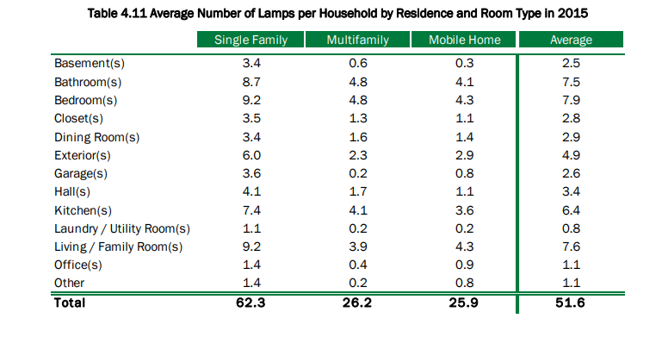

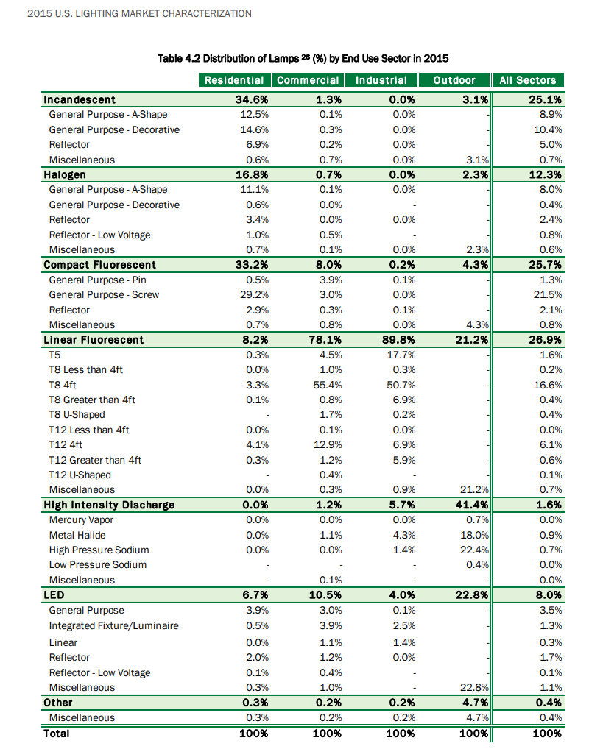

 |  |  |  |  |  |  |  |  |  |  |  |  |  |  |  |  |  |  |  | Residential
 |  |  |  |  |  |  |  |  |  |  |  |  |  |  |  |  |  |  | screw-in lamps | 72%
 |  |  |  |  |  |  |  |  |  |  |  |  |  |  |  |  |  |  | lighting other | 28%

End Use Distribution
State Name | FL | FPL 000972
 |  | 20240012-EG

End Use Distribution

 | Calculated EUIs:
 | MPS Segments | Residential Space Heating | Residential Space Cooling | Residential Domestic Hot Water | Residential Ventilation and Circulation | Lighting | Residential Cooking | Refrigerators | Freezers | Clothes Washers | Clothes Dryers | Dishwashers | Plug Load | Residential Miscellaneous | Total | Avg Annual Water Heating Consumption (for DR) | Avg Annual Pool Pump Consumption (for DR)
 | Single Family | 0.76 | 2.89 | 1.40 | 0.47 | 0.38 | 0.23 | 0.66 | 0.11 | 0.04 | 0.39 | 0.05 | 0.51 | 1.78 | 9.67 | 2,120.14 | 2,804.67
 | Multi-Family | 0.23 | 2.68 | 1.75 | 0.35 | 0.42 | 0.30 | 0.67 | 0.03 | 0.03 | 0.28 | 0.05 | 0.61 | 1.02 | 8.41 | 1,784.18 | NA
 | Mobile Home | 1.36 | 3.28 | 2.77 | 0.25 | 0.41 | 0.32 | 0.72 | 0.24 | 0.07 | 0.57 | 0.03 | 0.49 | 3.39 | 13.89 | 2,791.16 | 909.42
 | Average | 0.65 | 2.86 | 1.60 | 0.42 | 0.39 | 0.26 | 0.67 | 0.10 | 0.04 | 0.37 | 0.05 | 0.53 | 1.68 | 9.62 | 2,073.28 | 2,765.57

 | MPS Segments | Residential Space Heating | Residential Space Cooling | Residential Domestic Hot Water | Residential Ventilation and Circulation | Lighting | Residential Cooking | Refrigerators | Freezers | Clothes Washers | Clothes Dryers | Dishwashers | Plug Load | Residential Miscellaneous
 | Single Family | 7.87% | 29.91% | 14.51% | 4.84% | 3.88% | 2.41% | 6.85% | 1.16% | 0.44% | 4.00% | 0.51% | 5.25% | 18.36%
 | Multi-Family | 2.78% | 31.85% | 20.83% | 4.13% | 4.94% | 3.53% | 7.92% | 0.41% | 0.38% | 3.33% | 0.55% | 7.20% | 12.15%
 | Mobile Home | 9.78% | 23.59% | 19.91% | 1.84% | 2.95% | 2.28% | 5.18% | 1.71% | 0.47% | 4.12% | 0.24% | 3.51% | 24.41%
 | Average | 6.80% | 29.73% | 16.66% | 4.35% | 4.05% | 2.68% | 6.94% | 1.03% | 0.43% | 3.85% | 0.50% | 5.55% | 17.45%

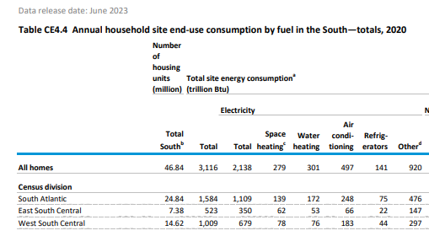
Sanity Check: | https://www.eia.gov/consumption/residential/data/2020/c&e/pdf/ce4.4.pdf
 |  |  |  |  |  | South Atlantic

 |  |  |  |  |  | Space heating | 13%
 |  |  |  |  |  | Water heating | 16%
 |  |  |  |  |  | Air conditioning | 22%
 |  |  |  |  |  | Refrigerators | 7%
 |  |  |  |  |  | Other | 43%

