BS Installs Discontinued
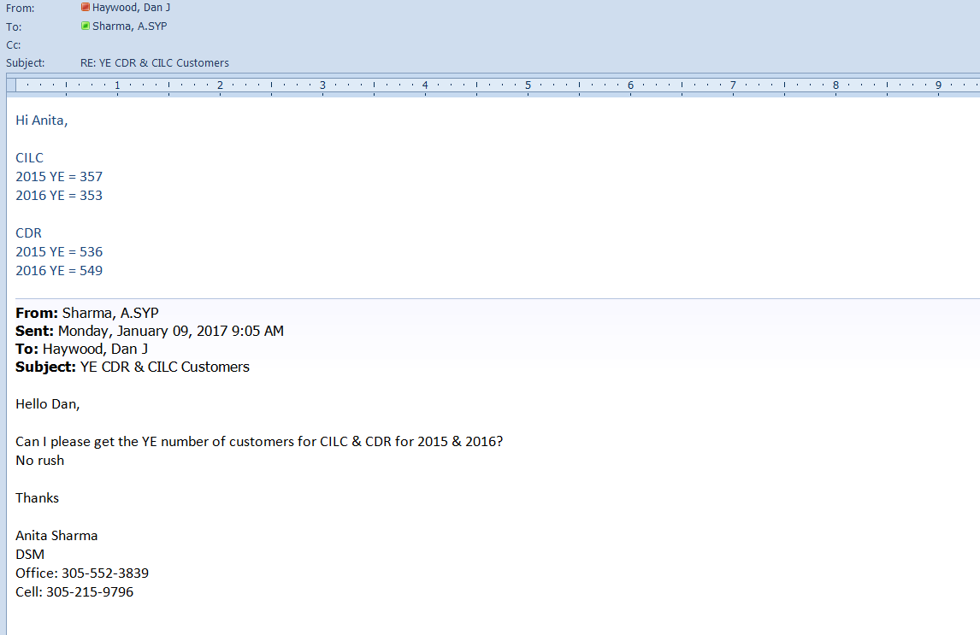
 | FPL 003271
 | Docket No. 20240012-EG
BUSINESS PROGRAM PARTICIPANTS |  |  |  |  |  |  |  |  |  |  |  |  |  |  |  |  |  |  |  |  |  |  |  |  |  |  | 12,854 | 14,042 | 15,411 | 14,843 | 16,711 | 16,488 | 15,104 | 15,413 | 12,817 | 12,824 | 12,195 |  | 158,702

PARTICIPANTS | 1981 | 1982 | 1983 | 1984 | 1985 | 1986 | 1987 | 1988 | 1989 | 1990 | 1991 | 1992 | 1993 | 1994 | 1995 | 1996 | 1997 | 1998 | 1999 | 2000 | 2001 | 2002 | 2003 | 2004 | 2005 | 2006 | 2007 | 2008 | 2009 | 2010 | 2011 | 2012 | 2013 | 2014 | 2015 | 2016 | 2017 | 2018 | TOTAL
Bs. Efficient Lighting |  |  |  | 212 | 907 | 391 | 317 | 431 | 321 | 572 | 380 | 728 | 1,236 | 2,064 | 3,591 | 3,586 | 845 | 812 | 404 | 226 | 197 | 246 | 156 | 527 | 171 | 220 | 192 | 302 | 230 | 344 | 354 | 277 | 187 | 121 | 115 | 96 | 168 | 139 | 20,926
Bs. Custom Incentive |  |  |  |  |  |  |  |  |  |  |  |  |  |  | 2 | 1 | 1 | - | - |  | 3 | 3 | 6 | 2 | 3 | 1 | 4 | 3 | 7 | 5 | 7 | 7 | 18 | 20 |  | 17 | 13 | 5 | 123
Bs. Building Envelope |  |  |  |  |  |  |  |  |  |  |  |  |  |  |  | 351 | 816 | 678 | 681 | 627 | 378 | 503 | 450 | 634 | 594 | 299 | 735 | 1,251 | 1,562 | 2,270 | 3,567 | 3,350 | 2,143 | 1,677 |  | 7 |  |  | 22,573
BS HVAC TOTAL |  |  |  |  |  |  |  |  |  |  | 40 | 56 | 893 | 1,392 | 2,937 | 2,530 | 790 | 659 | 661 | 648 | 734 | 815 | 724 | 541 | 454 | 304 | 303 | 426 | 367 | 463 | 582 | 636 | 538 | 571 | 449 | 596 | 500 | 643 | 19,609
TES |  |  |  |  |  |  |  |  |  |  | 9 | 11 | 18 | 12 | 15 | 16 | 20 | 17 | 22 | 16 | 17 | 14 | 22 | 11 | 12 | 7 | 27 | 12 | 10 | 15 | 11 | 17 | 29 | 14 |  |  |  |  | 374
ACC |  |  |  |  |  |  |  |  |  |  |  |  | 15 | 8 | 12 | 22 | 21 | 17 | 22 | 69 | 64 | 79 | 63 | 36 | 44 | 52 | 9 | 27 | 67 | 58 | 68 | 64 | 76 | 86 |  |  |  |  | 979
WCC |  |  |  |  |  |  |  |  |  |  | 31 | 45 | 52 | 61 | 59 | 58 | 49 | 52 | 56 |  | - | - | - | - | - | - |  |  |  |  |  |  |  |  |  |  |  |  | 463
DX |  |  |  |  |  |  |  |  |  |  |  |  | 808 | 1,311 | 2,851 | 2,426 | 692 | 545 | 561 | 563 | 653 | 722 | 639 | 494 | 360 | 212 | 214 | 267 | 225 | 274 | 361 | 418 | 320 | 330 |  |  |  |  | 15,246
Duct |  |  |  |  |  |  |  |  |  |  |  |  |  |  |  |  |  |  |  |  |  |  |  |  | 38 |  |  |  |  |  |  |  |  |  |  |  |  |  | 38
DCV |  |  |  |  |  |  |  |  |  |  |  |  |  |  |  |  |  |  |  |  |  |  |  |  |  | 1 | 9 | 74 | 45 | 92 | 114 | 90 | 64 | 87 |  |  |  |  | 576
ERV |  |  |  |  |  |  |  |  |  |  |  |  |  |  |  |  |  |  |  |  |  |  |  |  |  | 32 | 44 | 46 | 20 | 24 | 28 | 47 | 49 | 54 |  |  |  |  | 344
VENT |  |  |  |  |  |  |  |  |  |  |  |  |  |  |  | 8 | 8 | 28 |  |  |  |  |  |  |  |  |  |  |  |  |  |  |  |  |  |  |  |  | 44
Bs. Water Heating |  |  |  |  |  |  |  |  |  |  |  |  |  |  |  |  |  |  |  |  |  |  |  |  |  |  | 16 | 13 | 18 | 9 | 2 | 8 | 10 | 1 |  | - |  |  | 77
Bs. Refrigeration |  |  |  |  |  |  |  |  |  |  |  |  |  |  |  |  |  |  |  |  |  |  |  |  |  |  | 8 | 9 | 6 | 8 | 29 | 16 | 15 | 84 |  | - |  |  | 175
Bs. Solar Projects |  |  |  |  |  |  |  |  |  |  |  |  |  |  |  |  |  |  |  |  |  |  |  |  |  |  |  |  |  |  | 40 | 88 | 92 | 117 |  | - |  |  | 337
Eff. Motors |  |  |  |  |  |  |  |  |  |  |  |  | 88 | 425 | 443 | 13 | 1 |  |  |  | - | N/A | N/A |  |  |  |  |  |  |  |  |  |  |  |  |  |  |  | 970
Off Peak Battery Charging |  |  |  |  |  |  |  |  |  |  |  |  |  | 18 | 13 | 6 | 3 | 3 | 4 | 1 | N/A | N/A | N/A |  |  |  |  |  |  |  |  |  |  |  |  |  |  |  | 48
Street & OL | 4,776 | 61,943 | 64,408 | 57,295 | 45,195 | 22,222 | 14,069 | 11,835 | 5,642 |  |  |  |  |  |  |  |  |  |  |  |  |  |  |  |  |  |  |  |  |  |  |  |  |  |  |  |  |  | 287,385
C/I Energy Analysis | 679 | 1,467 | 1,289 | 972 | 785 | 912 | 890 | 522 | 401 | 474 |  |  |  |  |  |  |  |  |  |  |  |  |  |  |  |  |  |  |  |  |  |  |  |  |  |  |  |  | 8,391
 |  |  |  |  |  |  |  |  |  |  |  |  |  |  |  |  |  |  |  |  |  |  |  |  | 1,222 | 824 | 1,258 | 2,004 | 2,190 | 3,099 | 4,581 | 4,382 | 3,003 | 2,591 | 564 | 716 | 681 |  | 63,820

PARTICIPANTS | 1981 | 1982 | 1983 | 1984 | 1985 | 1986 | 1987 | 1988 | 1989 | 1990 | 1991 | 1992 | 1993 | 1994 | 1995 | 1996 | 1997 | 1998 | 1999 | 2000 | 2001 | 2002 | 2003 | 2004 | 2005 | 2006 | 2007 | 2008 | 2009 | 2010 | 2011 | 2012 | 2013 | 2014 | 2015 | 2016 | 2017 | 2018 | TOTAL
Bs Energy Evaluation |  |  |  |  |  |  |  |  |  |  | 5074 | 4,878 | 4,676 | 7,209 | 6,453 | 5,082 | 5,688 | 4,965 | 5,415 | 5,326 | 7,346 | 6,728 | 8,691 | 7,590 | 8,544 | 12,140 | 11,755 | 11,598 | 12,036 | 13,228 | 11,690 | 12,089 | 12,101 | 12,822 | 12,253 | 12,108 | 11,514 | 8,510 | 227,485
CDR (incremental) |  |  |  |  |  |  |  |  |  |  |  |  |  |  |  |  |  |  |  |  | 11 | 4 | 5 | 7 | 8 | 71 | 141 | 121 | 95 | 23 | 8 | 18 | 8 | 3 | 13 | 13 | 17 | 38 | 549
CILC (incremental) |  |  |  |  |  |  |  |  |  | 75 | 17 | 113 | 107 | 53 | 88 | 43 | 10 | 2 | 0 | 8 | -1 | -1 | -4 | -1 | 0 | -9 | 0 | -7 | (3) | (16) | (25) | (4) | (9) | (76) | (3) | (4) | (10) | (6) | 353
BOC (incremental) |  |  |  |  |  |  |  |  |  |  |  |  |  |  |  | 3,515 | 3535 | 2231 | 1951 | 3053 | 1379 | 120 | 1,179 | 767 | 585 | 891 | 705 | 246 | 259 | (71) | (112) | 675 | 715 | (461) | (63) | (175) | (262) | (265) | 20,924

PARTICIPANTS | 1981 | 1982 | 1983 | 1984 | 1985 | 1986 | 1987 | 1988 | 1989 | 1990 | 1991 | 1992 | 1993 | 1994 | 1995 | 1996 | 1997 | 1998 | 1999 | 2000 | 2001 | 2002 | 2003 | 2004 | 2005 | 2006 | 2007 | 2008 | 2009 | 2010 | 2011 | 2012 | 2013 | 2014 | 2015 | 2016 | 2017 | 2018
CDR |  |  |  |  |  |  |  |  |  |  |  |  |  |  |  |  |  |  |  |  |  |  | 20 | 27 | 35 | 106 | 247 | 368 | 463 | 486 | 494 | 512 | 520 | 523 | 536 | 549 | 566 | 604
CILC |  |  |  |  |  |  |  |  |  |  |  |  |  |  |  |  |  |  |  |  |  |  | 510 | 509 | 509 | 500 | 500 | 493 | 490 | 474 | 449 | 445 | 436 | 360 | 357 | 353 | 343 | 337
BOC |  |  |  |  |  |  |  |  |  |  |  |  |  |  |  | 3,515 | 7,050 | 9,281 | 11,232 | 14,285 | 15,664 | 15,784 | 16,963 | 17,730 | 18,315 | 19,206 | 19,911 | 20,157 | 20,416 | 20,345 | 20,233 | 20,908 | 21,623 | 21,162 | 21,099 | 20,924 | 20,662 | 20,397

