C-17 DEF from Towers Watson
SCHEDULE C-17 |  |  | PENSION COST |  |  |  | Page 1 of 3
 | Source of Forecast Years
 | https://dukeenergy.sharepoint.com/sites/DEFRC2024/Shared Documents/2. MFRs/2. 2023 Settlement Filing/MFR C Schedules/Supporting Documents/C-17 Pension/[MFR C-17 Prelim March 2023 - DEF - deliver_updated.xlsx]C-17 2027 - 2022
FLORIDA PUBLIC SERVICE COMMISSION |  | Explanation: | Provide the following information concerning pension cost for the test year, and the most recent historical year if the test year is projected. |  |  | Type of Data Shown:
 |  |  |  |  |  | Projected Test Year Ended |  | 2027-12-31
COMPANY: Duke Energy Florida, LLC |  |  |  |  |  | Projected Test Year Ended |  | 2026-12-31
 |  |  |  |  |  | Projected Test Year Ended |  | 2025-12-31
DOCKET NO.: |  |  |  |  |  | Prior Year Ended |  | 2024-12-31
 |  |  |  | ($000) |  | Historical Year Ended |  | 2023-12-31

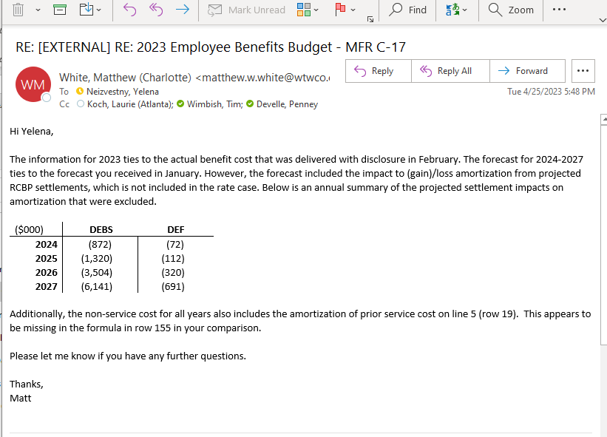
 |  |  |  |  |  | Witness:
 | (A) | (B) | (C) | (D) | (E) | (G)
 |  | Source From Towers Watson |  |  |  | Source J. Piasky
Line |  | Test Year | Test Year | Test Year | Test Year | Historical Year
No. | Description | 2027 | 2026 | 2025 | 2024 | 2023
16 | Service Cost Agrees with Pension by Svc Co MFR C-35 | 10,478 | 11,123 | 11,830 | 12,572 | 13,393
17 | Interest Cost | 52,938 | 55,294 | 56,570 | 57,667 | 57,489
18 | Actual Return on Assets -- (Gain) Loss | Note 4 | Note 4 | Note 4 | Note 4 | 120,690
19 | Net Amortization and Deferral | 18,147 | 13,599 | 7,744 | 3,863 | 2,021
20 | Amortization of Prior Service Cost | - | (18) | (46) | (47) | (48)
21 | Total Net Periodic Pension Cost | 81,563 | 79,998 | 76,098 | 74,055 | 193,545
22
23 | For the Year:
24 | Expected Return on Assets -- (Gain) | (91,791) | (96,443) | (101,331) | (104,272) | (104,219)
25 | Assumed Rate of Return on Plan Assets | 8.25% / 6.50% | 8.25% / 6.50% | 8.25% / 6.50% | 8.25% / 6.50% | 8.25% / 6.50%
26 | Amortization of Transition Asset or Obligation | 0 | 0 | 0 | 0 | 0
27 | Percent of Pension Cost Capitalized
28 | Pension Cost Recorded in Account 926 | (9,536) | (16,126) | (25,121) | (30,146) | (37,909)
29 | Minimum Required Contribution Per IRS | Note 3 | Note 3 | Note 3 | Note 3 | Note 3
30 | Maximum Allowable Contribution Per IRS | Note 3 | Note 3 | Note 3 | Note 3 | Note 3
31 | Actual Contribution Made to the Trust Fund | 7,835 | 1,474 | 2,519 | 15,131 | 8,771
32 | Actuarial Attribution Approach Used for Funding | Smoothed Rate Formula | Smoothed Rate Formula | Smoothed Rate Formula | Smoothed Rate Formula | Smoothed Rate Formula
33 | Assumed Discount Rate for Computing Funding | Note 4 | Note 4 | Note 4 | Note 4 | Note 4
34 | Allocation Method Used to Assign Costs if the Utility is not the | Note 1 | Note 1 | Note 1 | Note 1 | Note 1
35 | Sole Participant in the Plan. Attach the relevant procedures.
36
37 | At Year End:
38 | Accumulated Benefit Obligation | (941,048) | (976,690) | (1,017,620) | (1,039,089) | (1,053,075)
39 | Projected Benefit Obligation | (944,490) | (980,416) | (1,021,681) | (1,043,530) | (1,069,335)
40 | Vested Benefit Obligation | Note 2 | Note 2 | Note 2 | Note 2 | Note 2
41 | Assumed Discount Rate (Settlement Rate) | 5.60% | 5.60% | 5.60% | 5.60% | 5.40%
42 | Assumed Rate for Salary Increases | 11.50% to 3.50% | 11.50% to 3.50% | 11.50% to 3.50% | 11.50% to 3.50% | 11.50% to 3.50%
43 | Fair Value of Plan Assets | 1,330,423 | 1,321,271 | 1,319,166 | 1,315,934 | 1,316,209
44 | Market Related Value of Assets | 1,330,386 | 1,321,206 | 1,392,748 | 1,462,766 | 1,492,045
45 | Balance in Working Capital (Specify Account No.) | 0 | 0 | 0 | 0 | 0
46 | Settlment Charge | 3,259 | 2,716 | 2,137 | 1,889 | 1,293
47 | Pension Non-service Cost | (17,446) | (24,852) | (34,926) | (40,900) | (43,464)
48

SCHEDULE C-17 |  |  | PENSION COST |  |  |  | Page 2 of 3

FLORIDA PUBLIC SERVICE COMMISSION |  | Explanation: | Provide the following information concerning pension cost for the test year, and the most recent historical year if the test year is projected. |  |  | Type of Data Shown:
 |  |  |  |  |  | Projected Test Year Ended |  | 2027-12-31
COMPANY: Duke Energy Florida, LLC |  |  |  |  |  | Projected Test Year Ended |  | 2026-12-31
 |  |  |  |  |  | Projected Test Year Ended |  | 2025-12-31
DOCKET NO.: |  |  |  |  |  | Projected Test Year Ended |  | 2024-12-31
 |  |  |  | ($000) |  | Prior Year Ended |  | 2023-12-31
 |  |  |  |  |  | Historical Test Year Ended |  | 12/31/2022
 |  |  |  |  |  | Witness:
 | (A) | (B) | (C) | (D) | (E) | (G)
 |  | Amount
Line |  | Test Year | Test Year | Test Year | Prior Year | Historical Year
No. | Description | 2027 | 2026 | 2025 | 2024 | 2022
1 | Notes:
2 | 1 | Projected Benefit Obligation ‐ Calculated by summing the projected benefit obligation of each plan participant assigned to the payroll company.
3
4 |  | Plan Assets at Fair Value ‐ Cumulative amount of company contributions and investment return, net of retiree benefits and administrative expenses paid
5 |  | and attributed to each payroll company. Investment return is allocated so that each payroll company has the same annual return base on the beginning of
6 |  | year assets adjusted for cash flow.
7
8 |  | Market Related Value of Assets ‐ Allocated to each payroll company in proportion to the payroll company portion of the plan assets at fair value.
9
10 |  | Benefit Payments ‐ Benefit payments to participants are reported for each payroll company by Duke Energy.
11
12 |  | Employer Contributions ‐ Actual plan sponsor contributions are attributed to each payroll company and provided by Duke Energy. Future plan contributions
13 |  | are estimates which are allocated for each payroll company based on the sum of service cost, administrative expenses, and a 15‐year amortization of unfunded PBO.
14 |  | The most recently reported information is used for this purpose.
15
16 |  | Prior Service Cost ‐ Calculated for each payroll company when an amendment is passed that changes the projected benefit obligation. The amount shown
17 |  | for each payroll company is the remaining amount to be recognized in the future as a component annual benefit cost.
18
19 |  | Amount Recognized in Retained Earnings as a Prepaid Pension Asset or (Accrued Benefit Liability). This item tracks contributions made by the company and
20 |  | the annual benefit cost calculated for each payroll company. A prepaid pension asset exists when cumulative contributions exceed the cumulative benefit
21 |  | cost reported since the company began offering the benefit. An (accrued benefit liability) position exists when the accumulation of benefit costs exceeds the
22 |  | accumulation of contributions made by the company. Adjustments are made to account for the transfer of participants between payroll companies.
23
24 |  | Service Cost ‐ Calculated by summing the service cost of each plan participant assigned to the payroll company.
25
26 |  | Administrative Expense ‐ Allocated to each payroll company in proportion to the payroll company's portion of the plan assets at fair value.
27
28 |  | Interest Cost ‐ Based on the projected benefit obligation for the payroll company and the expected benefit payments of participants assigned to the payroll
29 |  | company.
30
31 |  | Expected Return on Assets ‐ Based on the market related value of assets, expected benefit payments, and expected contributions calculated for each payroll
32 |  | company.
33

SCHEDULE C-17 |  |  | PENSION COST |  |  |  | Page 3 of 3

FLORIDA PUBLIC SERVICE COMMISSION |  | Explanation: | Provide the following information concerning pension cost for the test year, and the most recent historical year if the test year is projected. |  |  | Type of Data Shown:
 |  |  |  |  |  | Projected Test Year Ended |  | 2027-12-31
COMPANY: Duke Energy Florida, LLC |  |  |  |  |  | Projected Test Year Ended |  | 2026-12-31
 |  |  |  |  |  | Projected Test Year Ended |  | 2025-12-31
DOCKET NO.: |  |  |  |  |  | Prior Year Ended |  | 2024-12-31
 |  |  |  | ($000) |  | Historical Test Year Ended |  | 2023-12-31
 |  |  |  |  |  | Historical Test Year Ended |  | 12/31/2022
 |  |  |  |  |  | Witness:
 | (A) | (B) | (C) | (D) | (E) | (G)
 |  | Amount
Line |  | Test Year | Test Year | Test Year | Prior Year | Historical Year
No. | Description | 2027 | 2026 | 2025 | 2024 | 2022
1 | Notes:
2 | 1 continued | Amortization of Gains and Losses ‐ The amortization of actuarial gains and losses is determined for the plan in aggregate. If an amount is being amortized, it
3 |  | is allocated to each payroll company on the basis of each payroll company's attributed portion of the unrecognized gain and loss for the plan.
4
5 |  | Transfers Between Payroll Companies ‐ If a participant transfers between payroll companies, the projected benefit obligation as of the beginning of the year
6 |  | is determined. Assets equal to the projected benefit obligation are then transferred from the prior payroll company*. The result of this method is that a
7 |  | payroll company does not incur an actuarial gain or loss due to transfers. Unrecognized items are transferred pro rata according to the portion of the prior
8 |  | payroll company's projected benefit obligation that is transferred with corresponding adjustments made to any prepaid pension asset or (accrued benefit
9 |  | liability).
10
11
12
13 | 2 | Vested benefit obligation is not required to be disclosed per GAAP and is not supplied with Duke Energy Florida actuarial information.
14
15 | 3 | Contribution amounts available only for Duke Energy. Actuarial funding valuations are prepared on a plan basis only.
16
17 | 4 | Information not available.
18
19
20
21
22
23
24
25
26
27
28
29
30
31
32
33

C-17 2023 Hist from Benefits
SCHEDULE C-17 |  | PENSION COST |  |  |  |  | Page 1 of 2

FLORIDA PUBLIC SERVICE COMMISSION |  | Provide the following information concerning pension cost for the test year, and the most recent historical year if the test year is projected. |  |  |  | Type of Data Shown:

Need to add DEBS Allocated Amounts to tie to FERC 926
COMPANY: Duke Energy Florida, LLC

DOCKET NO.: |  |  |  |  | XX | Historical Test Year Ended |  | 2023-12-31
 |  |  | ($000)

 |  |  |  |  |  | Witness:
 | (A)
 |  |  |  | DEF | DEBS
Line |  |  |  | Historical Year | Historical Year
No. | Description |  |  | 2023 | 2023
1 | Service Cost |  |  | 13,393 | 32,294
2 | Interest Cost |  |  | 57,489 | 85,668
3 | Actual Return on Assets -- (Gain) Loss |  |  | 120,690 | 136,976
4 | Net Amortization and Deferral |  |  | 2,021 | 2,422
5 | Amortization of Prior Service Cost |  |  | (48) | (3,265)
6 | Total Net Periodic Pension Cost |  |  | 193,545 | 254,094
7
8 | For the Year: |  | NSC |  |  | NSC
9 | Expected Return on Assets -- (Gain) |  | (44,757) | (104,219) | (120,495) | (35,671)
10 | Assumed Rate of Return on Plan Assets |  |  | 8.25% / 6.50% | 8.25% / 6.50%
11 | Amortization of Transition Asset or Obligation |  |  | 0 | 0
12 | Percent of Pension Cost Capitalized |  |  | 58.52% | 41.48%
13 | Pension Cost Recorded in Account 926 |  |  | (37,909) | (8,501)
14 | Minimum Required Contribution Per IRS |  |  | Note 3 | Note 3
15 | Maximum Allowable Contribution Per IRS |  |  | Note 3 | Note 3
16 | Actual Contribution Made to the Trust Fund |  |  | 8,771 | 35,519
17 | Actuarial Attribution Approach Used for Funding |  |  | Smoothed Rate Formula | Smoothed Rate Formula
...

Sec 1 2023
...
 |  | (104,421,558)
...
 |  | (104,421,558)
 |  | 0
 |  | 0
 |  | (104,421,558)
...
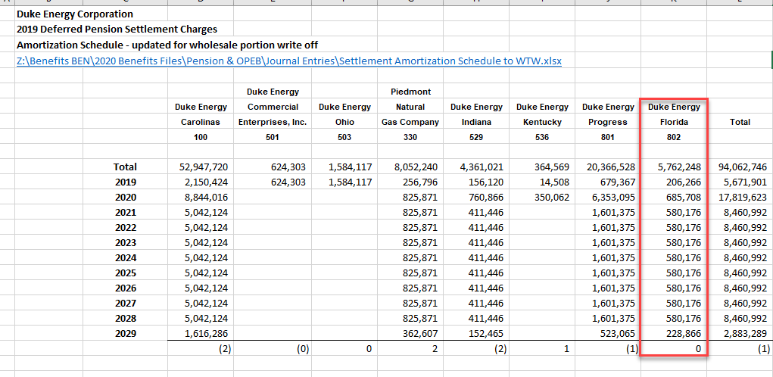
 |  | 0
 |  | (7,354,952)
 |  | 510,433,677
 |  | 503,078,725
...
 |  | 158,747,397
 |  | 155,347,442
 |  | 150,087,822
 |  | 145,944,700
 |  | 142,051,695
 |  | 622,062,941

 |  | 51,684,915
 |  |  |  | PLIB/DGFI
 |  |  |  | ALLOC
 |  | 30,842,846 |  | 12.43% | 3,832,224
 |  | 1,450,786 | 32,293,632 | 12.43% | 180,260 | 4,012,484
 |  | 85,667,687 |  | 17.54% | 15,026,112
 |  | (120,495,442) |  | 17.54% | (21,134,901)
 |  | 0 |  | 17.54% | -
 |  | (3,264,965) |  | 17.54% | (572,675)
 |  | 2,421,753 |  | 17.54% | 424,775
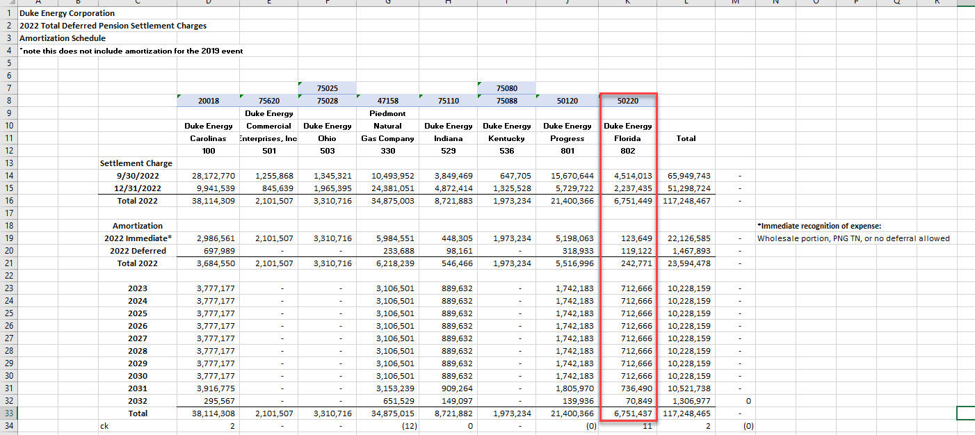
 |  | 0
 |  |  |  |  | (6,256,689) | NSC only
 |  | (3,377,335) |  |  | (8,500,894)
...
 |  | 32,293,632
 |  | (35,670,967)
 |  | 0
 |  | (3,377,335) |  | NSC | (35,670,967)
...
Weighted Average Assumptions
Used in Determining Cost |  | 5.60%
Discount Rate | 5.60% | 4.35%
Interest Crediting Rate | 4.35% | 8.25% / 6.50%
Expected Return on Plan Assets | 8.25% / 6.50% | 11.50% to 3.50%
Rate of Future Compensation Increases | 11.50% to 3.50% | 2022-12-31
Measurement Date(s) | 2022-12-31

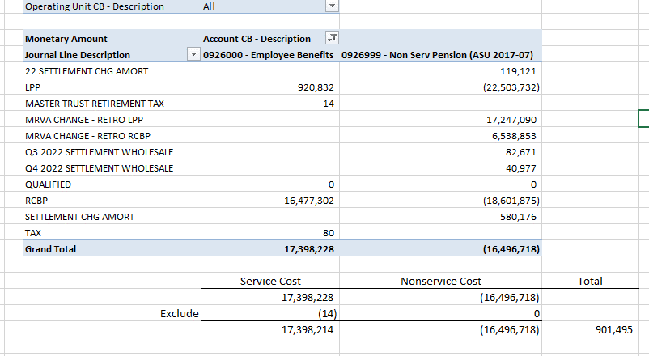

MRVA
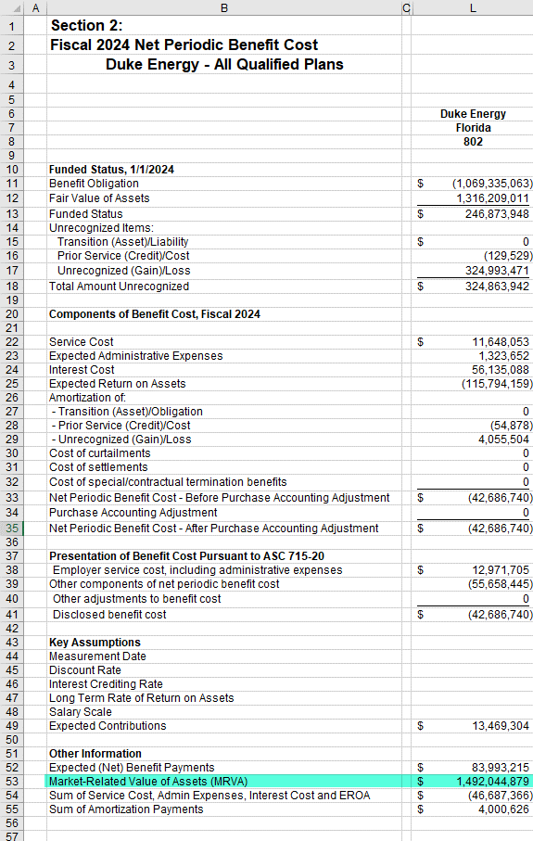

1,492,044,879

Capitalization
...
2018 Source: | ..\..\..\..\2019 Benefits Files\Regulatory Requests\OATT (DEF)\2018 PEF OATT request OPEB Expense.xlsx

