1. tax alloc support
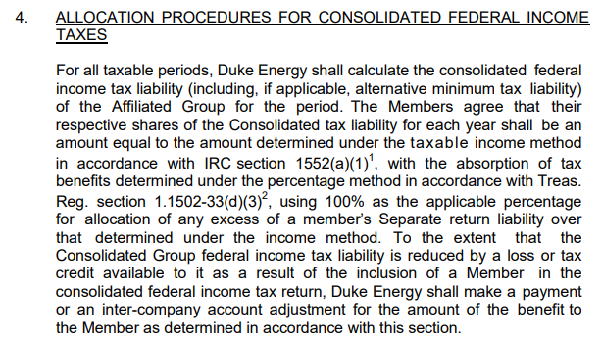

3. IC pmts to 10900
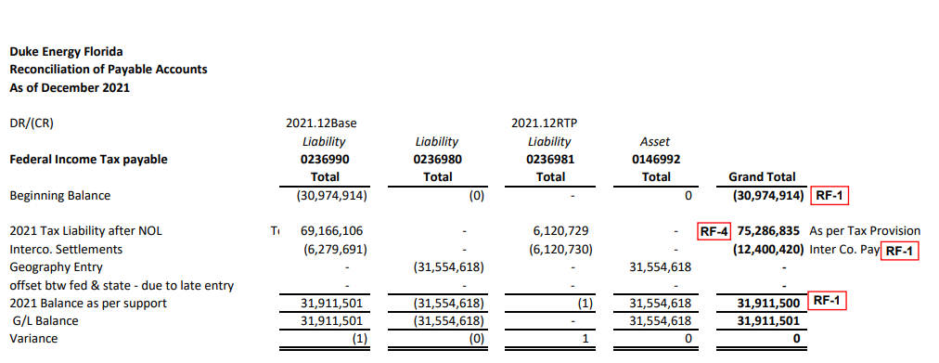
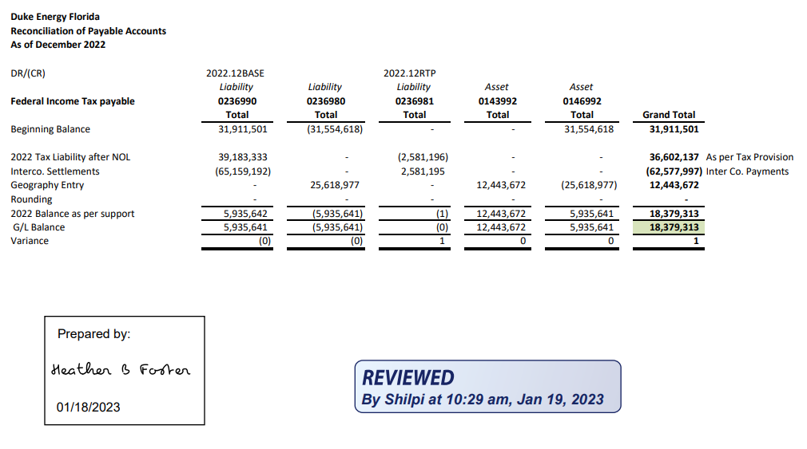
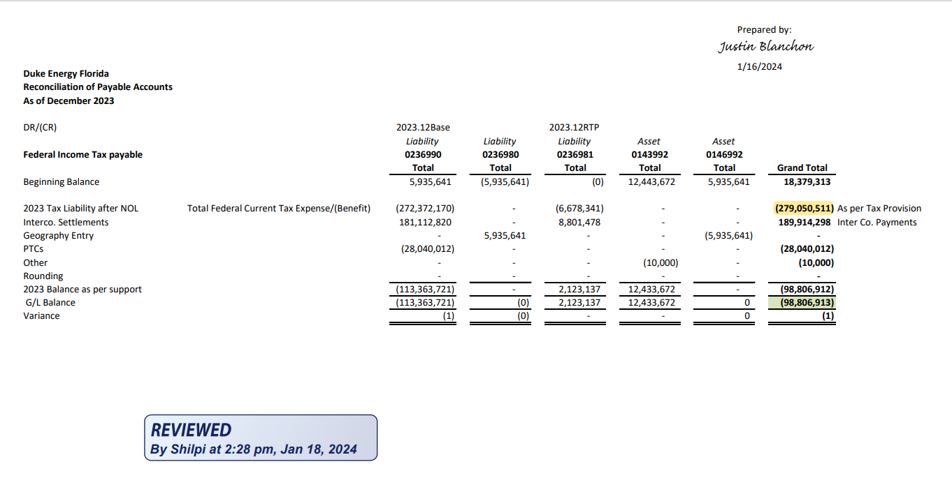
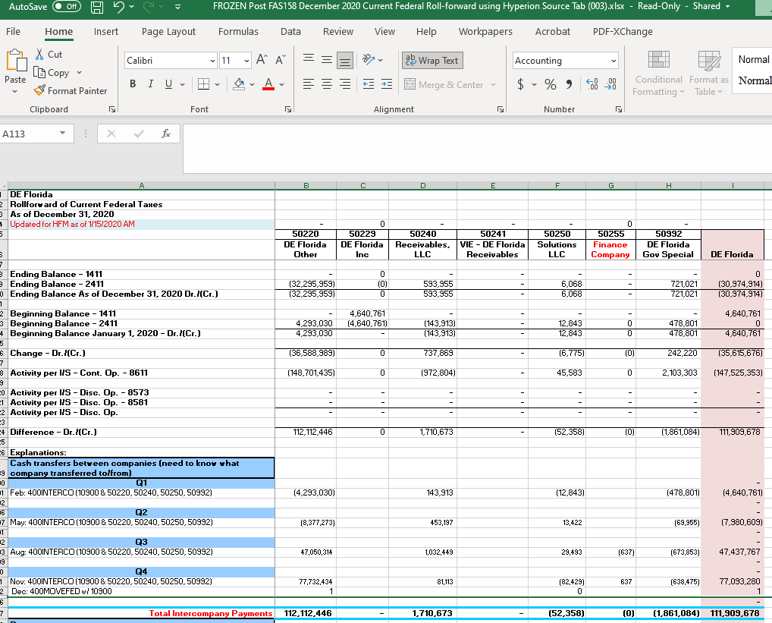

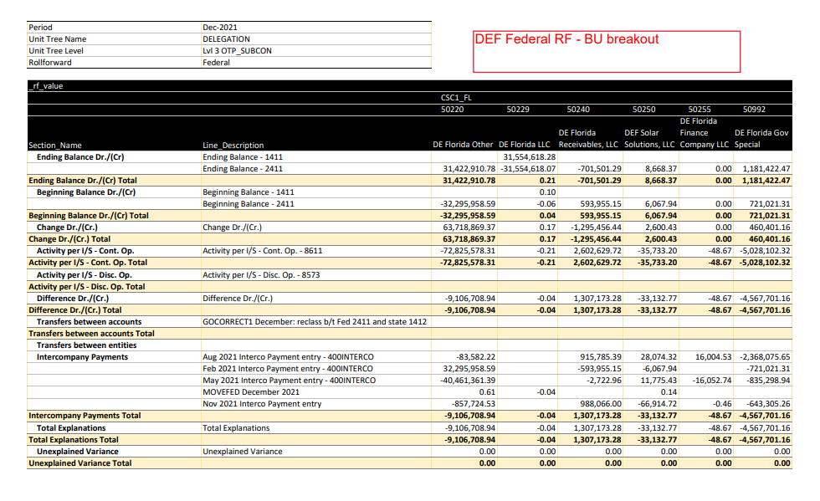

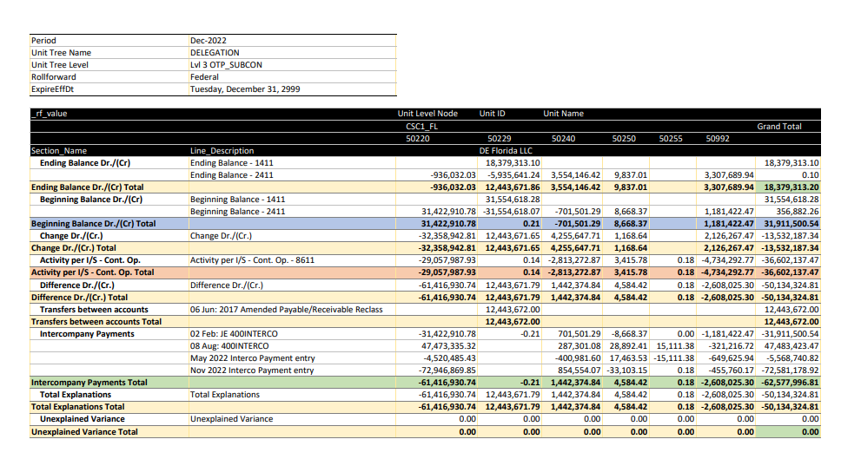
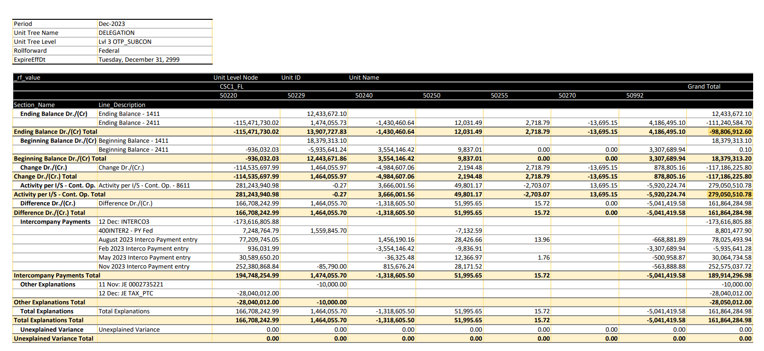

Total Payments: | (9,093,644) | Total Payments: | 111,909,678
Less BU 50250: | (151,086) | Less BU 50250: | (52,358) |  |  | (9,106,708.94) | 50220
Total Payments to MFR C-28 | (8,942,558) | Total Payments to MFR C-28 | 111,962,036 |  |  | (0.04) | 50229
 |  |  |  |  |  | 1,307,173.28 | 50240
 |  |  |  |  |  | (33,132.77) | 50250
 |  |  |  |  |  | (48.67) | 50255
 |  |  |  |  |  | (4,567,701.16) | 50992
 |  |  |  |  |  | (12,400,418.30)

 |  |  |  | Total Payments: | (12,400,420) |  |  | Total Payments: | (62,577,997) | Total Payments: | 189,914,297
 |  |  |  | Less BU 50250: | (33,133) |  |  | Less BU 50250: | 4,584 | Less BU 50229: | 1,474,056 | SEC Unit, not in FERC
 |  |  |  | Less BU 50255: | (49) |  |  | Total Payments to MFR C-28 | (62,582,581) | Less BU 50250: | 51,996 | DEF Solar Solutions, LLC, not in FERC
 |  |  |  | Total Payments to MFR C-28 | (12,367,239) |  |  |  |  | Less BU 50255: | 16 | DE Florida Finance Co,, not in FERC
 |  |  |  |  |  |  |  |  |  | Total Payments to MFR C-28 | 188,388,230

5&6. DE Corp Standalone
2019 DE Corp Standalone |  |  |  | 2020 DE Corp Standalone |  |  |  | 2021 DE Corp Standalone |  |  |  | 2022 DE Corp Standalone

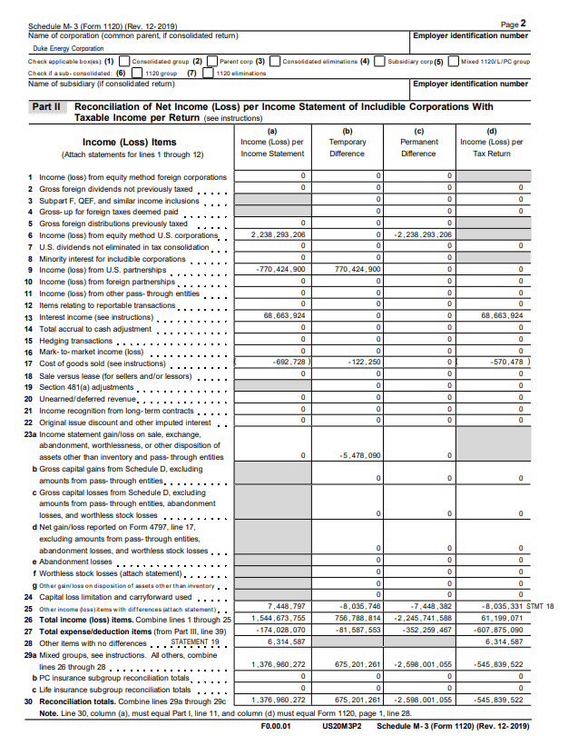
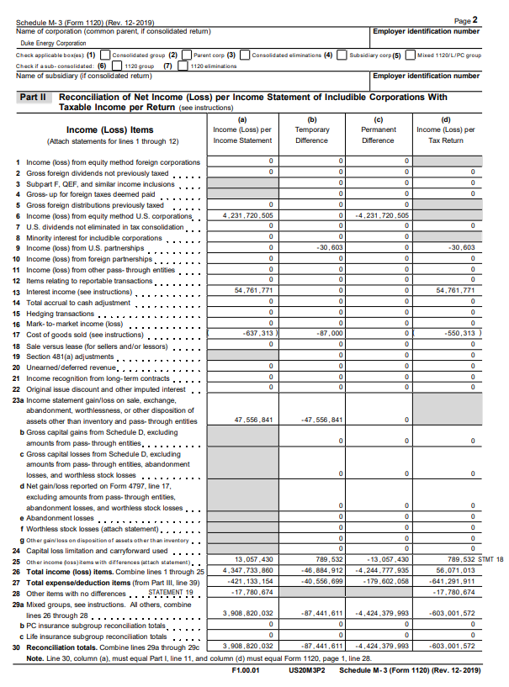
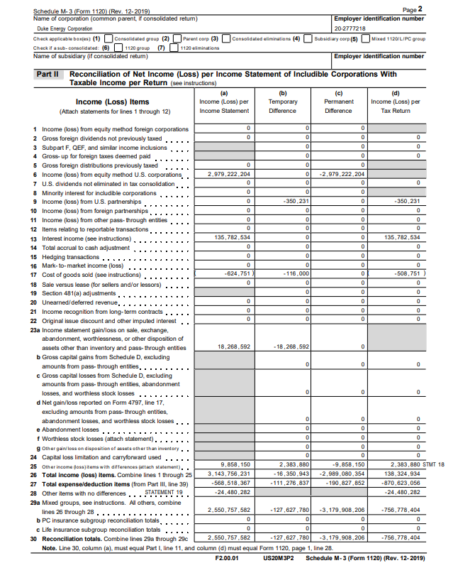

 | M-3, pg. 2, ln. 30 | 3,747,955,255 | (519,730,076) |  | M-3, pg. 2, ln. 30 | 1,376,960,272 | (545,839,522) |  | M-3, pg. 2, ln. 30 | 3,908,820,032 | (603,001,572) |  | M-3, pg. 2, ln. 30 | 2,550,757,582 | (756,778,404)

 | M-3, pg. 2, ln. 6 | 4,020,792,479 |  |  | M-3, pg. 2, ln. 6 | 2,238,293,206 |  |  | M-3, pg. 2, ln. 6 | 4,231,720,505 |  |  | M-3, pg. 2, ln. 6 | 2,979,222,204

 | M-3, pg. 3, ln. 8 | 609,908,539 | 555,051,752 |  | M-3, pg. 3, ln. 8 | 568,565,576 | 502,004,560 |  | M-3, pg. 3, ln. 8 | 575,908,698 | 539,548,892 |  | M-3, pg. 3, ln. 8 | 738,479,621 | 766,303,173

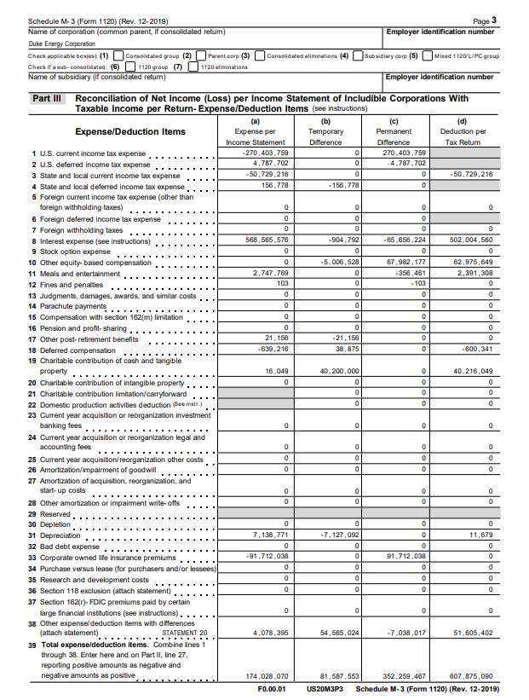
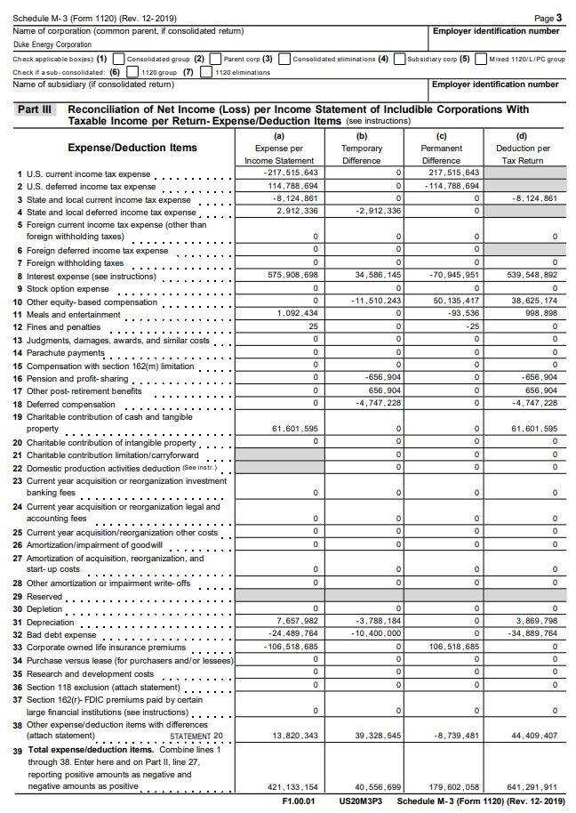
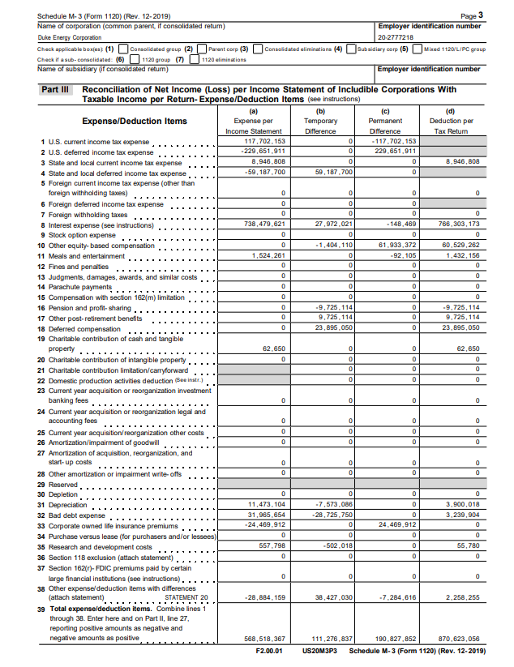

6. DEF LLC
2019 DEF Standalone |  |  | 2020 DEF Standalone |  |  | 2021 DEF Standalone |  |  | 2022 DEF Standalone
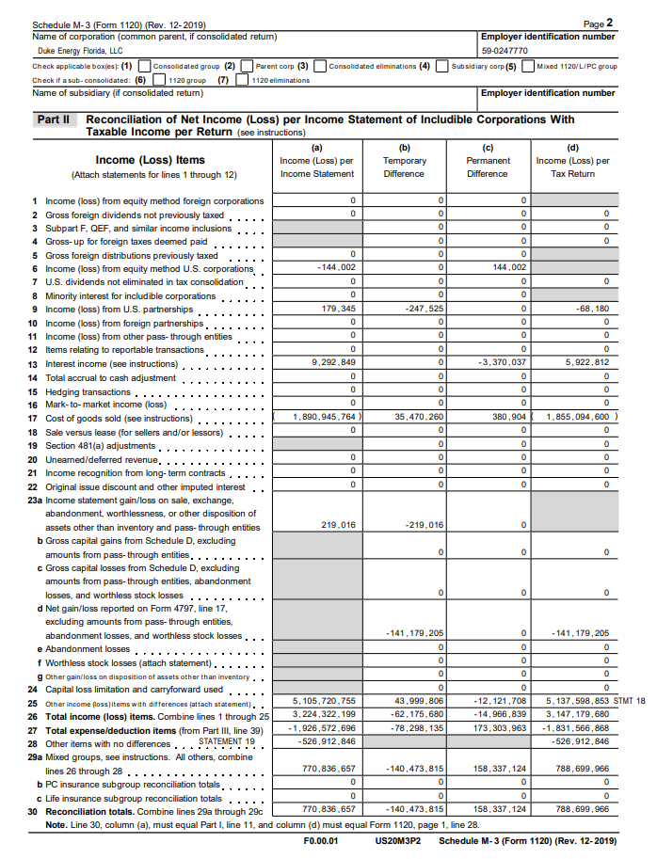
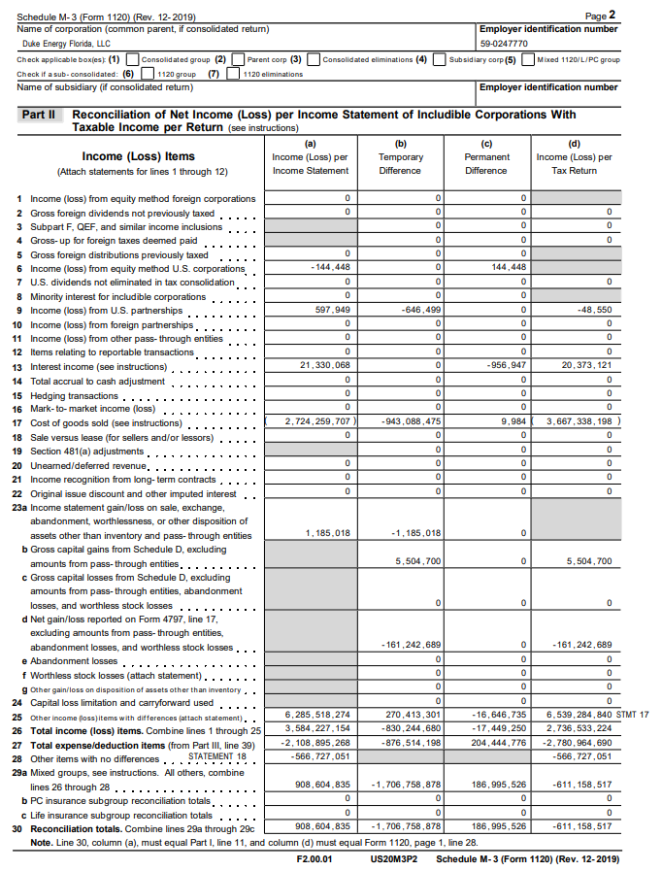
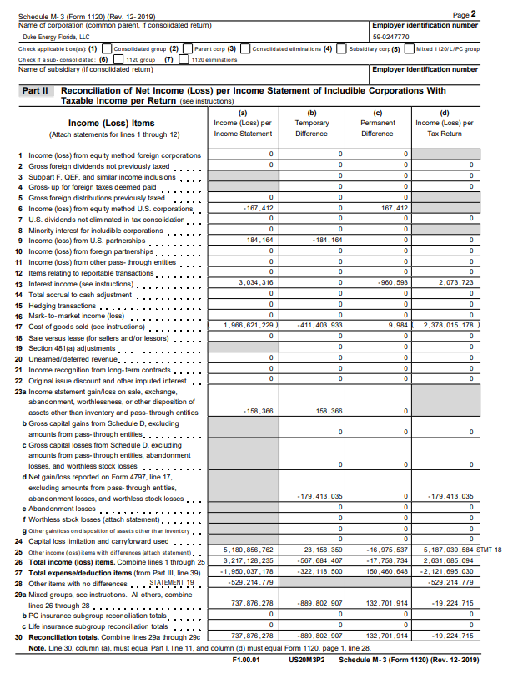

 | 691,973,269 | 547,881,792 |  | 770,836,657 | 788,699,966 |  | 737,876,278 | (19,224,715) |  | 908,604,835 | (611,158,517)

6. DE Corp Consol
2019 DE Corp Consolidated |  |  | 2020 DE Corp Consolidated |  |  | 2021 DE Corp Consolidated |  |  | 2022 DE Corp Consolidated

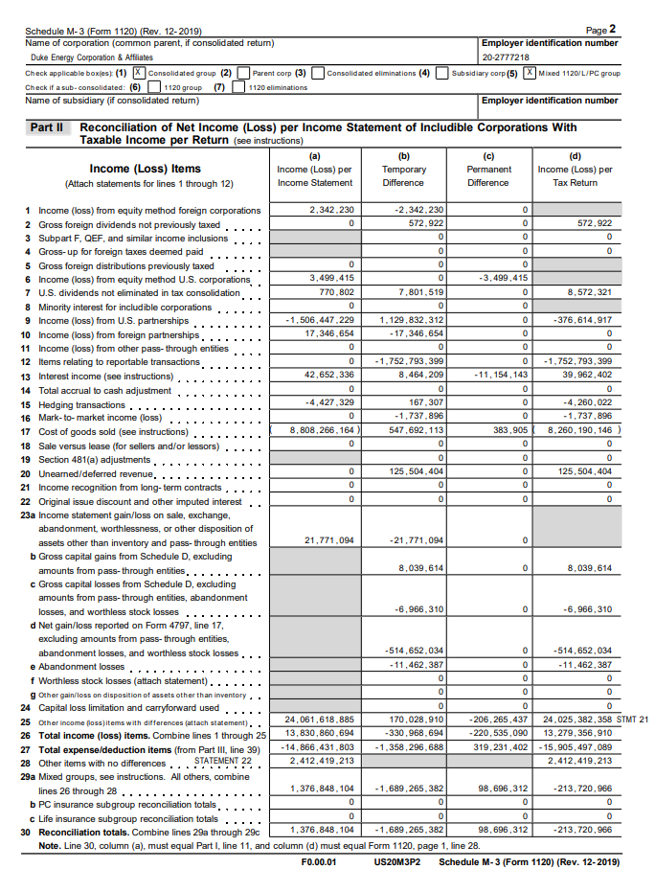
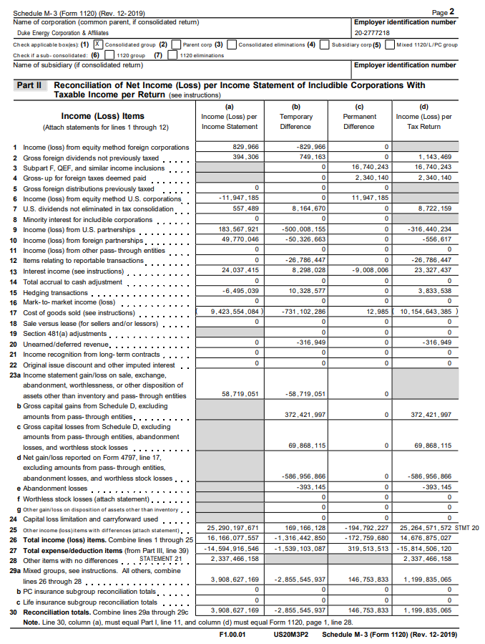
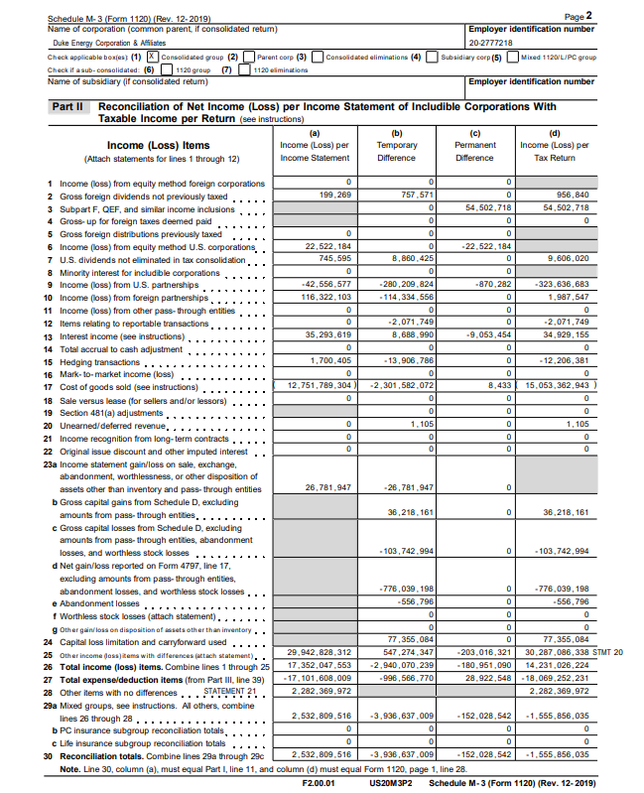

 | 3,747,958,532 | 3,329,770,889 |  | 1,376,848,104 | (213,720,966) |  | 3,908,627,169 | 1,199,835,065 |  | 2,532,809,516 | (1,555,856,035)

