A 2021 Indian Shores Land Sal
Duke Energy Florida, LLC | Original Cost of Land | $16,361.00
NCUC Pg. 305 - Gain or Loss on Dispostion of Property
2022-12-31 | (less) Amount Received: | $1,087,545.80
Project: FTN170016 | Salvage Cash | $1,125,808.90
 | Cost of Removal | (38,057.61)
 | Prior Gain Loss | (2,147,334.53)
 | Gain Loss Reversal | 2,147,334.53
 | Reserve Amount | (205.49)
 | Gain | (1,071,184.80) | ties to GL

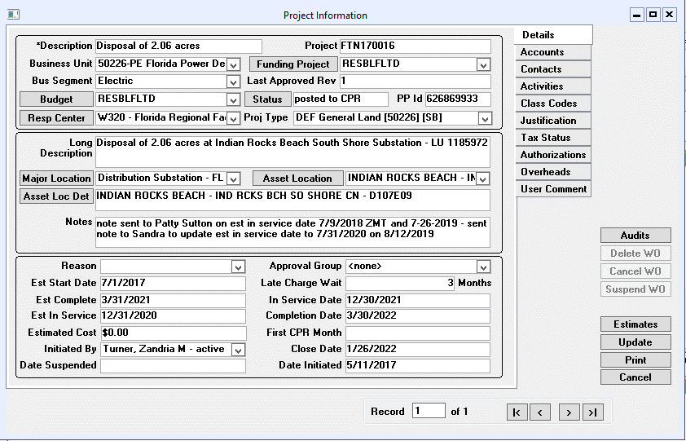
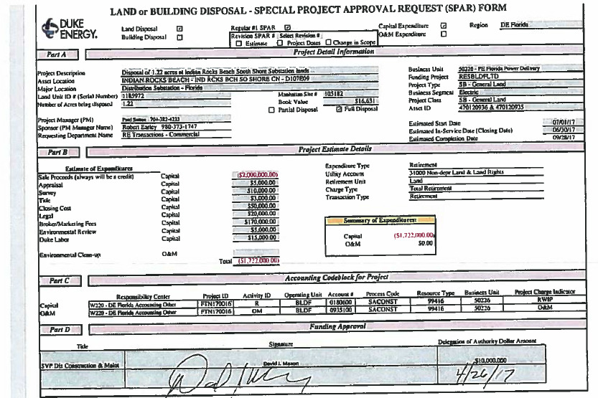

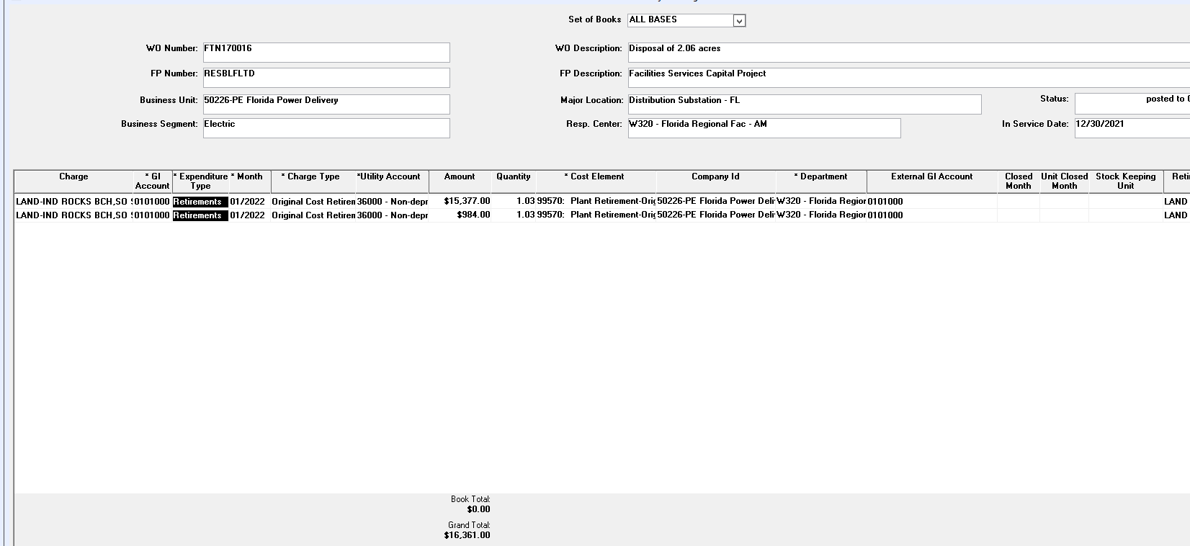

B 2022 Pass-A-Grill
Duke Energy Florida | Original Cost of Land | $78,520.00
NCUC Pg. 305 - Gain or Loss on Dispostion of Property
2022-12-31 | (less) Amount Received: | $2,720,043.33
Project: FTN170023 | Salvage Cash | $2,773,726.15
 | Cost of Removal | (52,399.22)
 | Gain Loss reversal | 0.00
 | Reserve Amount | (1,283.60)
 | Gain | (2,641,523.33) | ties to GL

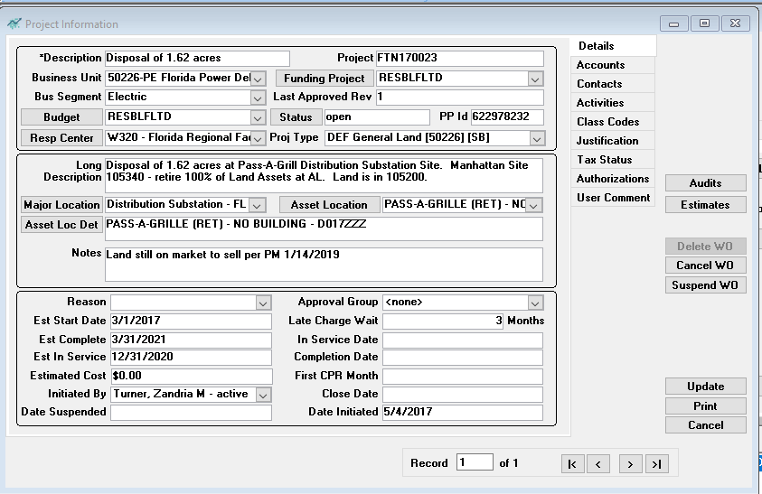
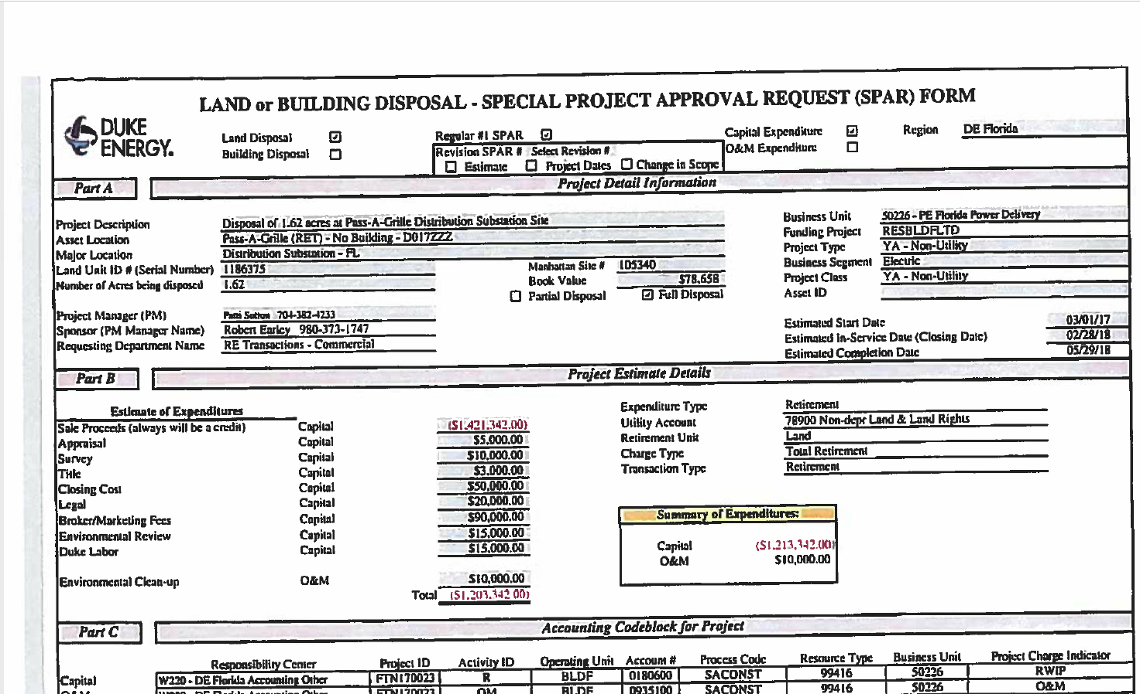

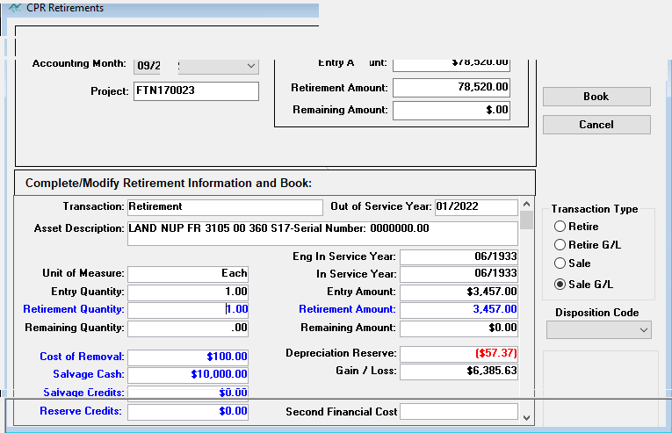

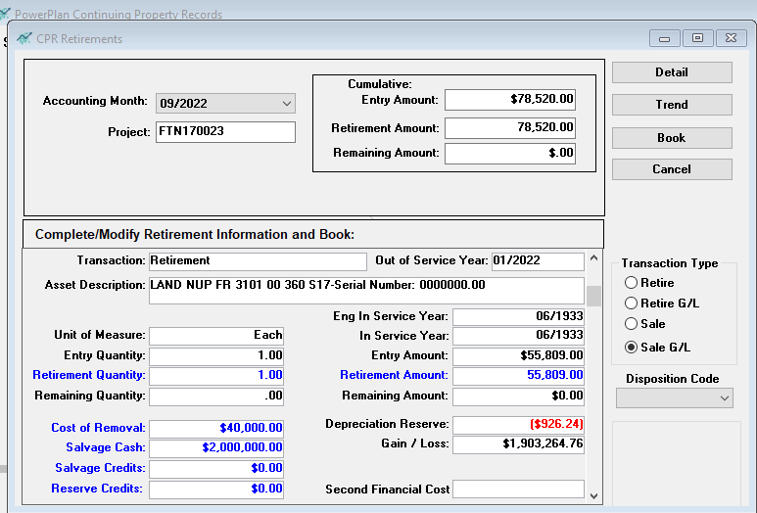

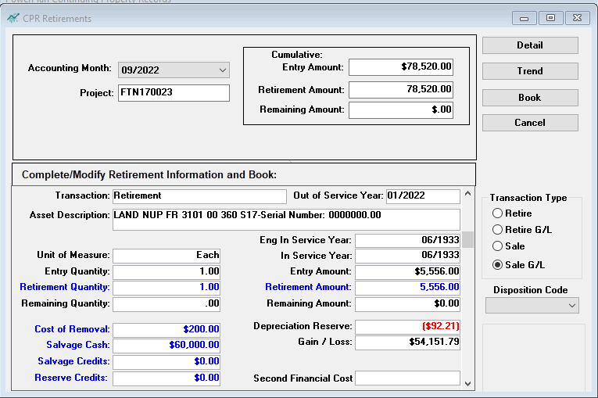

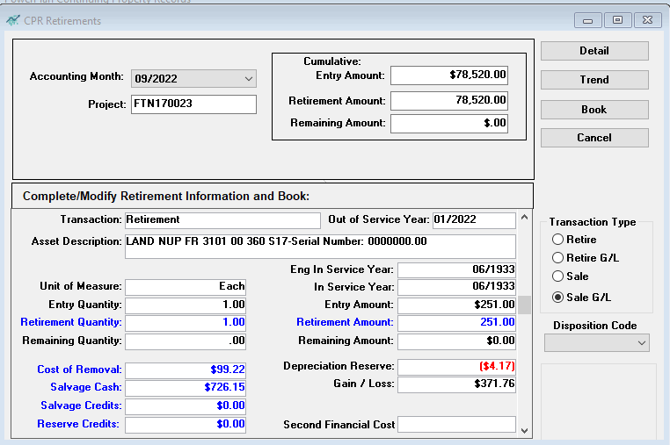

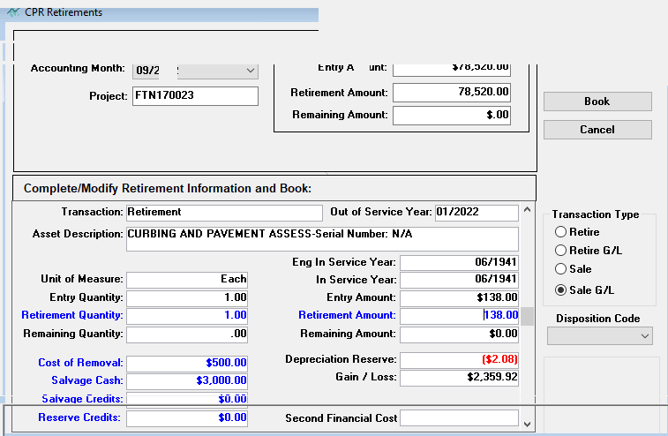

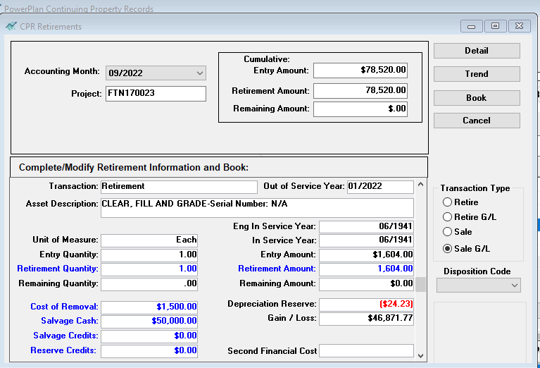

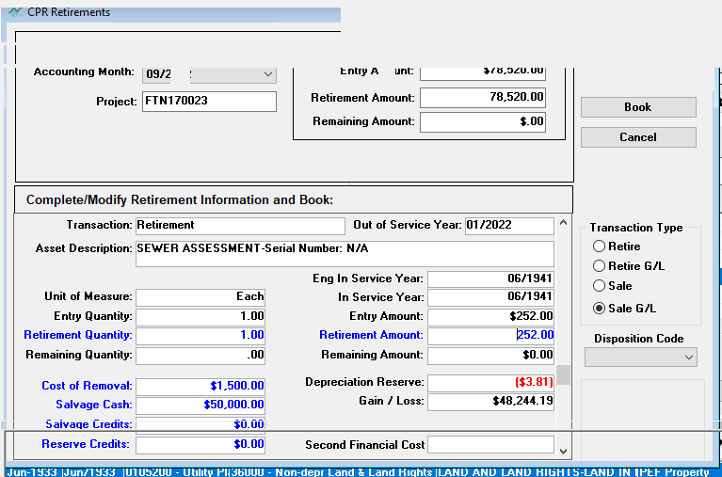

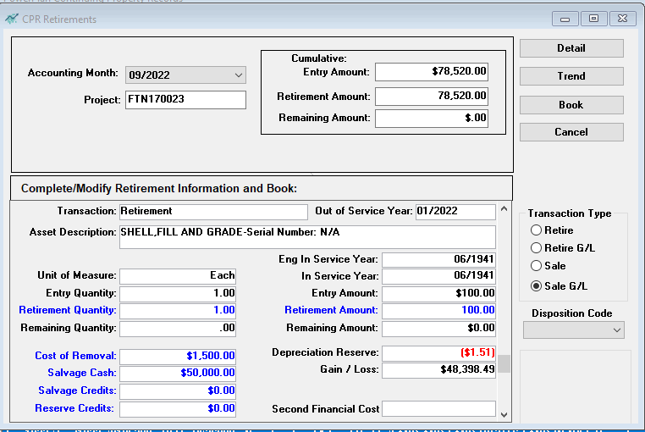

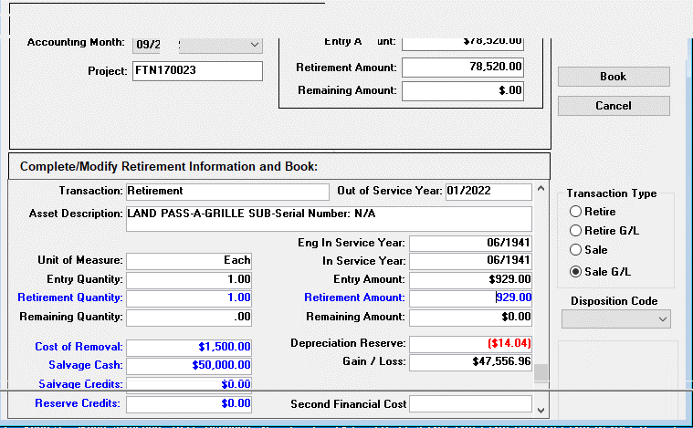

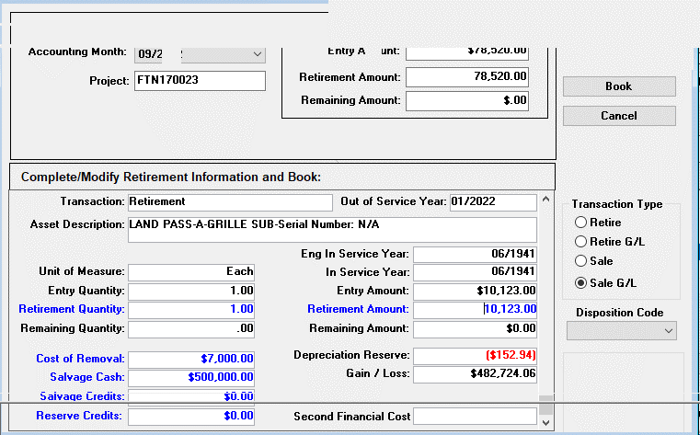

C 2022 Anclote Steam Common
Duke Energy Florida | Original Cost of Land | $65,250.00
NCUC Pg. 305 - Gain or Loss on Dispostion of Property
2022-12-31 | (less) Amount Received: | $1,765,056.62
Project: FTN170112 | Salvage Cash | $1,769,738.12
 | Cost of Removal | (4,681.50)
 | Reserve Amount | 0.00
 | Gain | (1,699,806.62) | ties to GL

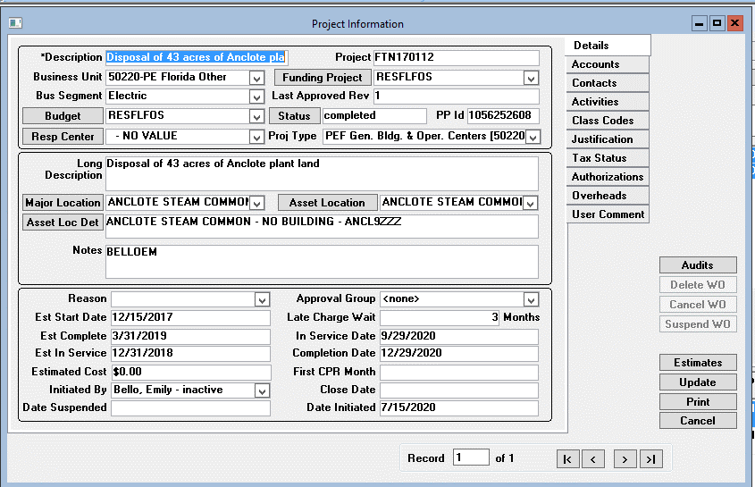
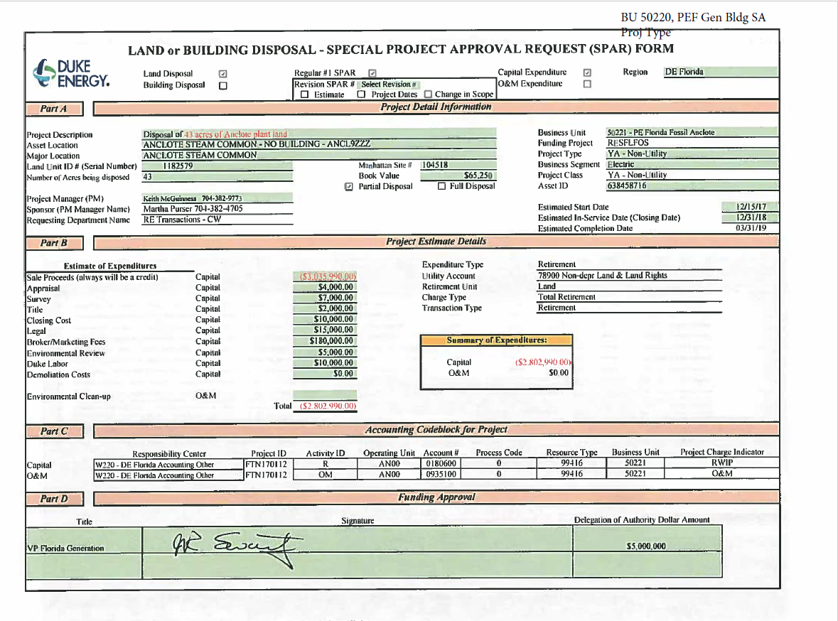

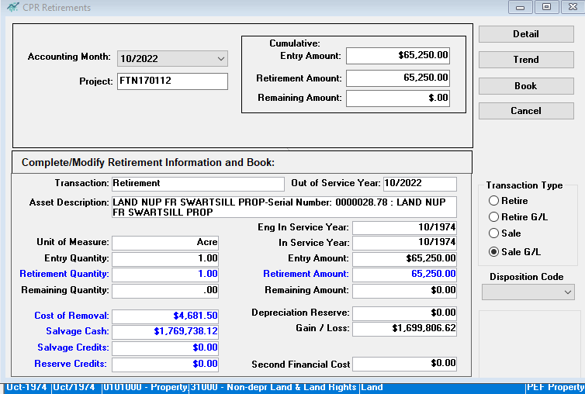

D 2023 Lake Mary Ops
Duke Energy Florida | Original Cost of Building | $6,009,990.62
NCUC Pg. 305 - Gain or Loss on Disposition of Property
2023-12-31 | (less) Amount Received: | $9,022,369.36
Project: FTN221594 | Salvage Cash | $5,177,954.65
 | Cost of Removal | (22,139.48)
 | Gain/Loss reversal | (49,455.35)
 | Reserve Amount | 3,916,009.54
 | Gain | (3,012,378.74) | ties to GL

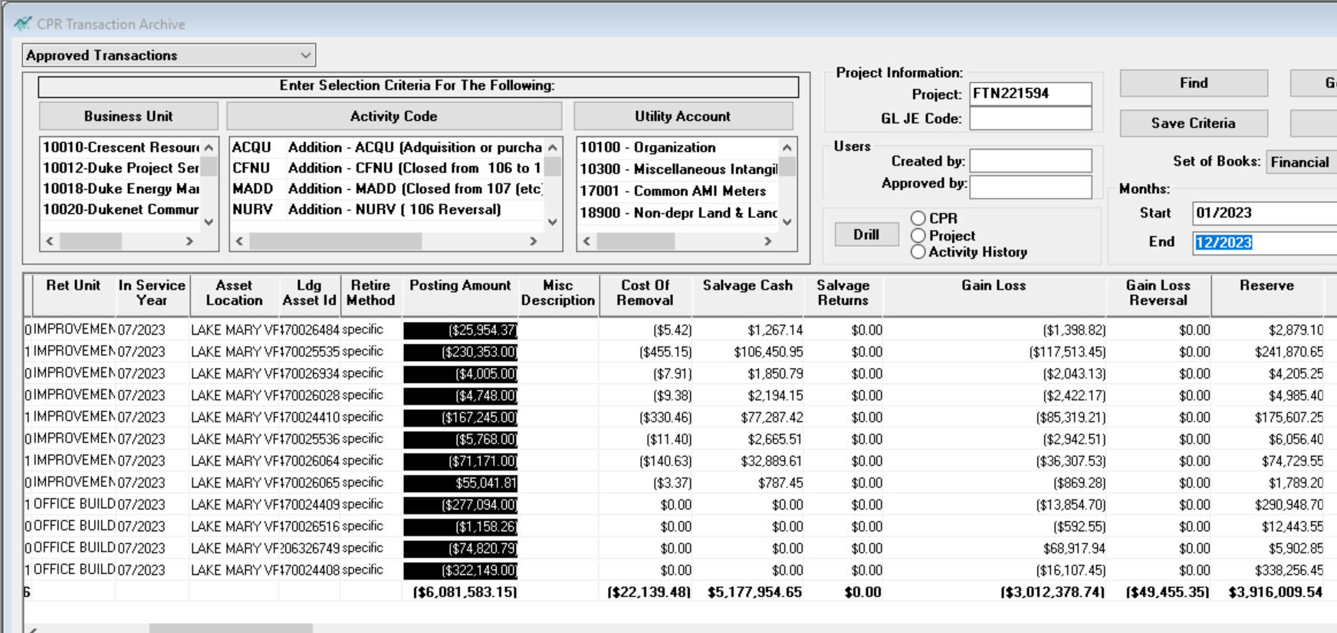

 |  |  |  | 2165573.61

