2022 TL Fees
Kyriba Journal Entries for Ocotober 2022 DE Florida 800M Term Loan effective October 21, 2022
GL Id | Transaction number | Company | Value date | Accounting Company | GL account | Operating Unit | Affiliate Code | Free text 1 | Free text 2 | GL account description | Debit | Credit | Countervalue
22 11 010005295 | 113BOND000019 | 50220 | 2022-10-21 | 50220 | 0131228 | X60D |  | DEF800TL2022 | 50220 800M Floating Term Loan 4/21/2024 | Cash Wells 8238 PEF | $800,000,000.00 |  | $800,000,000.00
22 11 010005295 | 113BOND000019 | 50220 | 2022-10-21 | 50220 | 0221100 | X60D |  | DEF800TL2022 | 50220 800M Floating Term Loan 4/21/2024 | LT Debt - Unsec Float |  | $(800,000,000.00) | $(800,000,000.00)
22 11 010005295 | 113BOND000019 | 50220 | 2022-10-21 | 50220 | 0181021 | X60D |  | DEF800TL2022 | 50220 800M Floating Term Loan 4/21/2024 | Unamortized Debt Expense | $79,100.00 |  | $79,100.00
22 11 010005295 | 113BOND000019 | 50220 | 2022-10-21 | 50220 | 0131228 | X60D |  | DEF800TL2022 | 50220 800M Floating Term Loan 4/21/2024 | Cash Wells 8238 PEF |  | $(79,100.00) | $(79,100.00)
22 11 010005296 | 113BOND000019 | 50220 | 2022-10-31 | 50220 | 0427550 | X60D |  | DEF800TL2022 | 50220 800M Floating Term Loan 4/21/2024 | Interest On Bonds | $1,166,352.00 |  | $1,166,352.00
22 11 010005296 | 113BOND000019 | 50220 | 2022-10-31 | 50220 | 0237510 | X60D |  | DEF800TL2022 | 50220 800M Floating Term Loan 4/21/2024 | Bonds Interest Payable |  | $(1,166,352.00) | $(1,166,352.00)
22 11 010005297 | 113BOND000019 | 50220 | 2022-10-31 | 50220 | 0428100 | X60D |  | DEF800TL2022 | 50220 800M Floating Term Loan 4/21/2024 | Amort Of Debt Discount & Exp | $1,587.77 |  | $1,587.77
22 11 010005297 | 113BOND000019 | 50220 | 2022-10-31 | 50220 | 0181021 | X60D |  | DEF800TL2022 | 50220 800M Floating Term Loan 4/21/2024 | Unamortized Debt Expense |  | $(1,587.77) | $(1,587.77)

 |  |  |  |  |  |  |  |  |  | Total | 801,247,039.77 | (801,247,039.77) | -

Summary of above October 2022 Journal Entries for DEF 800M Term Loan

GL Account | Debit | Credit | Integrity Net Balance/Activity |  |  | Final October 31, 2022 balance/Activity
131228 - Cash | 800,000,000.00 | (79,100.00) | $799,920,900.00 |  |  | $799,920,900.00 | Total Cash proceeds received less expenses - Oct 21, 2022
 |  |  |  |  |  |  |  | $799,920,900.00

 |  |  |  |  |  |  |  |  | Summary of Fees
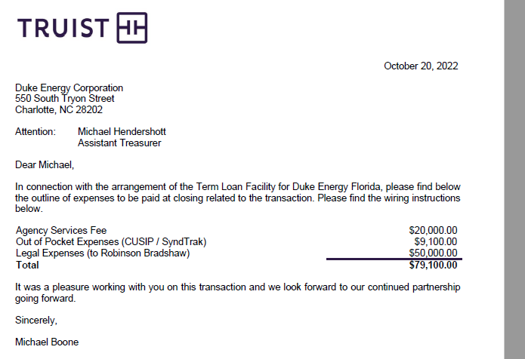

181021 - UDDE - temp used for Oct 2022 | 79,100.00 | (1,587.77) | $77,512.23 |  |  | $77,512.23

221100 - LT Liab-$800M - temp used for Oct 2022 |  | (800,000,000.00) | $(800,000,000.00) |  |  | ($800,000,000.00)

226XX - NONE

0428100 - Amort Debt Expenses | 1,587.77 |  | $1,587.77 |  |  | $1,587.77

427550 - Interest Expense | 1,166,352.00 |  | $1,166,352.00 |  |  | $1,166,352.00

237510 - Interest Payable |  | (1,166,352.00) | $(1,166,352.00) |  |  | ($1,166,352.00)

 | 801,247,039.77 | (801,247,039.77) |  |  |  | 0.00

