2023 Support
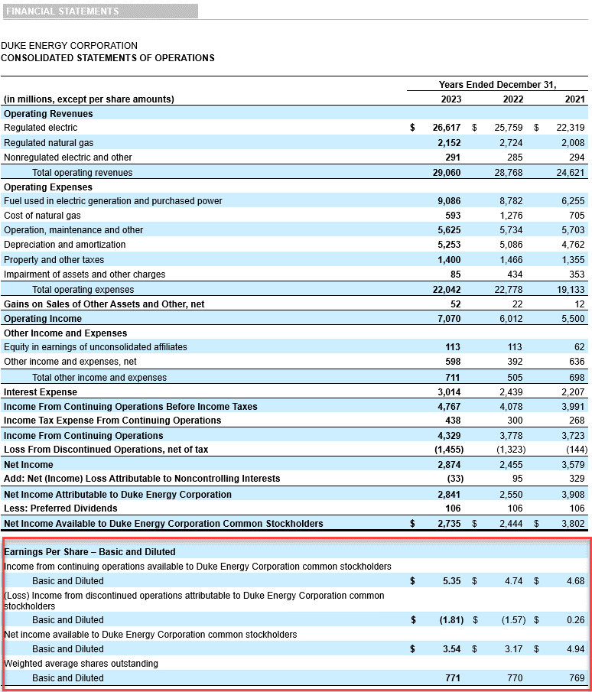
DIV/ SHR
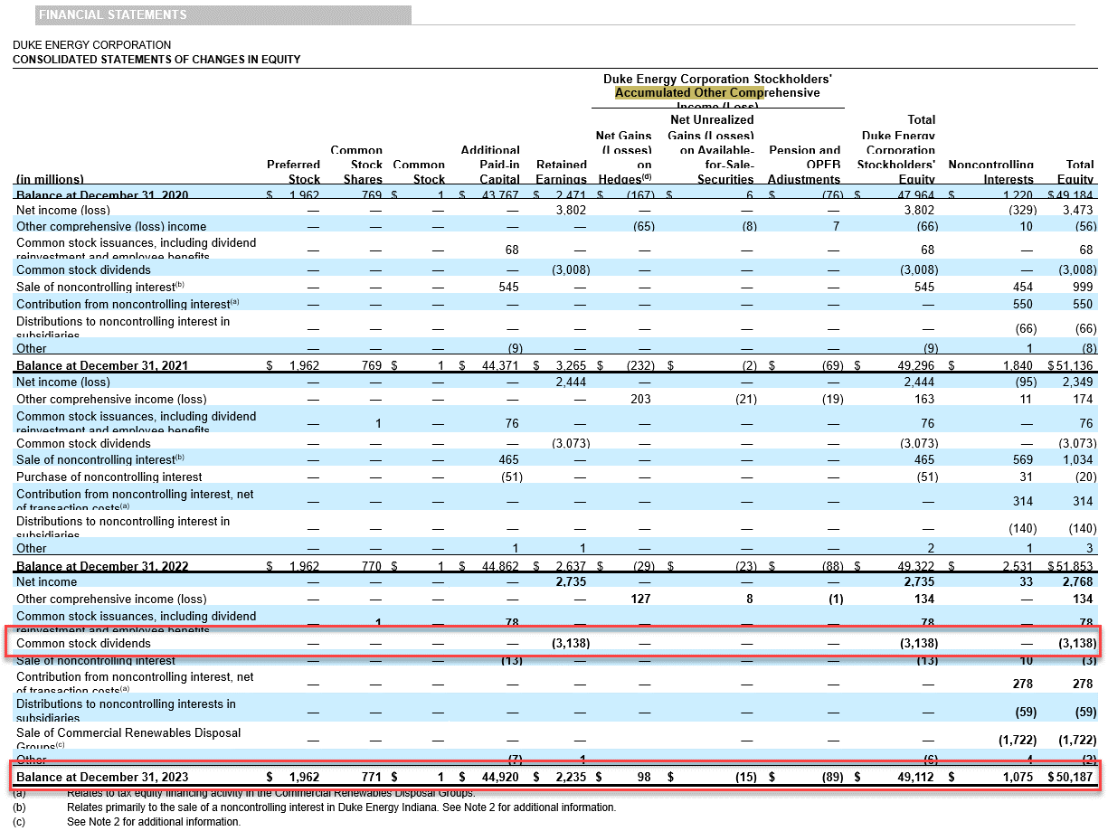

 |  |  |  |  |  |  |  | 3,138

 |  |  |  |  |  |  |  | 50,187

 |  | 2018 | 2019 | 2020 | 2021 | 2022 | 2023
 | Dividends | 2,578 | 2,735 | 2,815 | 3,008 | 3,073 | 3,138
 | Wtd Avg Shares | 708 | 729 | 737 | 769 | 770 | 771
 | DIV/SHR | 3.64 | 3.75 | 3.82 | 3.91 | 3.99 | 4.07

 | Outstanding Shares | 727 | 733 | 769 | 769 | 770 | 771

BOOK VALUE/ SHARE
 |  | 2018 | 2019 | 2020 | 2021 | 2022 | 2023
 | Total Equity | 43,834 | 47,951 | 49,184 | 51,136 | 51,853 | 50,187 | 5.35
 | Pref. Stock Equity |  |  |  |  |  |  | -1.81
 |  | 60.29 | 65.42 | 63.96 | 66.50 | 67.34 | 65.09 | 3.54

 |  |  |  |  |  |  |  | 771

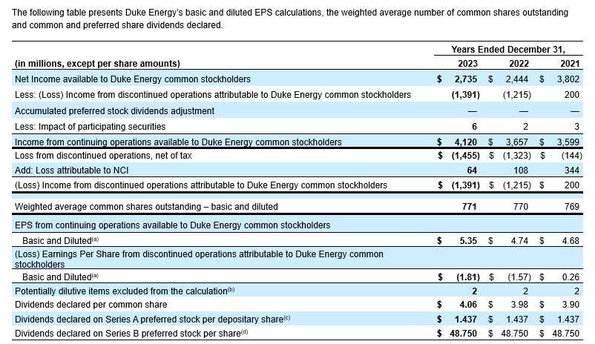

 |  |  |  |  |  |  |  | 97.04

 |  |  |  |  |  |  |  | 4.06

2022 Support
DIV/ SHR
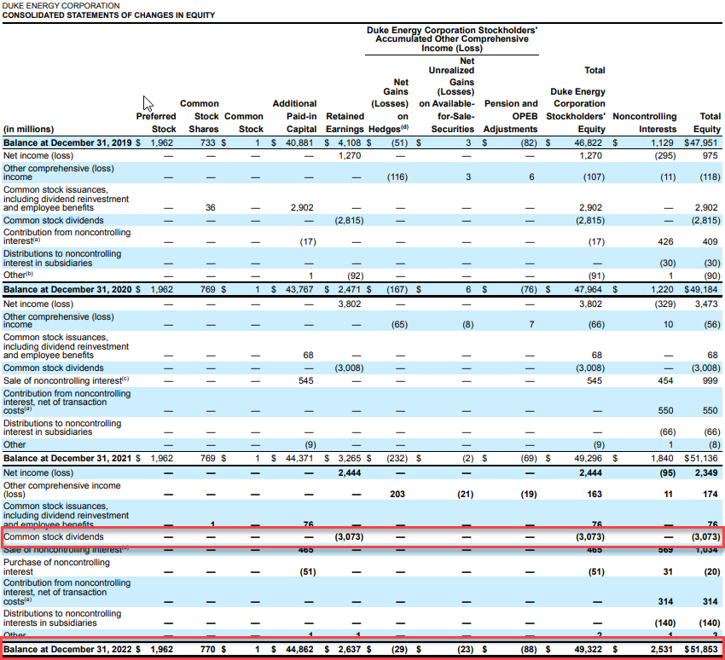

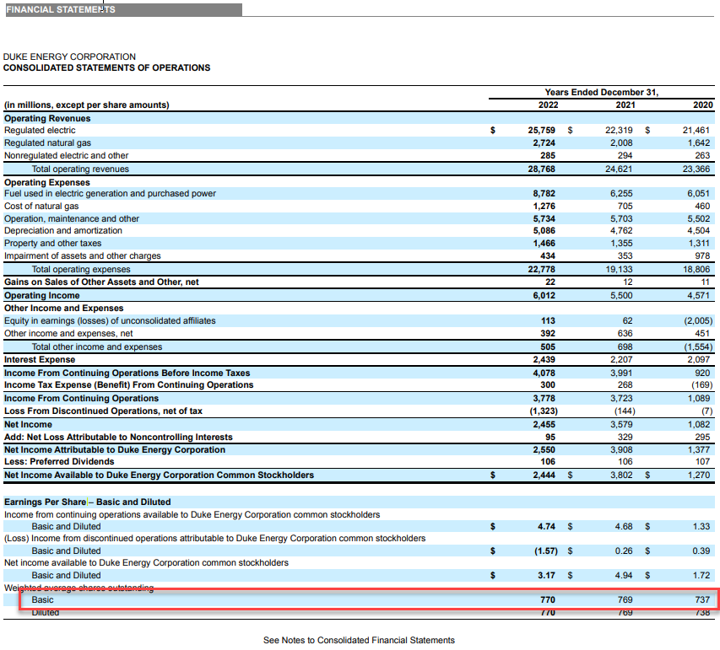

 |  |  |  |  |  |  | 3,073

 |  |  |  |  |  |  | 51,853
 |  |  |  |  |  |  | 770 | 4.74
 |  |  |  |  |  |  |  | -1.57
 |  | 2018 | 2019 | 2020 | 2021 | 2022 |  | 3.17
 | Dividends | 2,578 | 2,735 | 2,815 | 3008 | 3,073
 | Wtd Avg Shares | 708 | 729 | 737 | 769 | 770 |  | 770
 | DIV/SHR | 3.64 | 3.75 | 3.82 | 3.91 | 3.99

 | Outstanding Shares | 727 | 733 | 769 | 769 | 770

BOOK VALUE/ SHARE
 |  | 2018 | 2019 | 2020 | 2021 | 2022
 | Total Equity | 43,834 | 47,951 | 49,184 | 51,136 | 51,853
 | Pref. Stock Equity
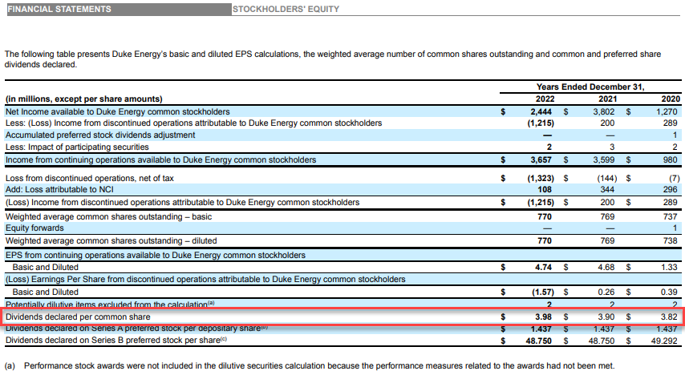
 |  | 60.29 | 65.42 | 63.96 | 66.50 | 67.34

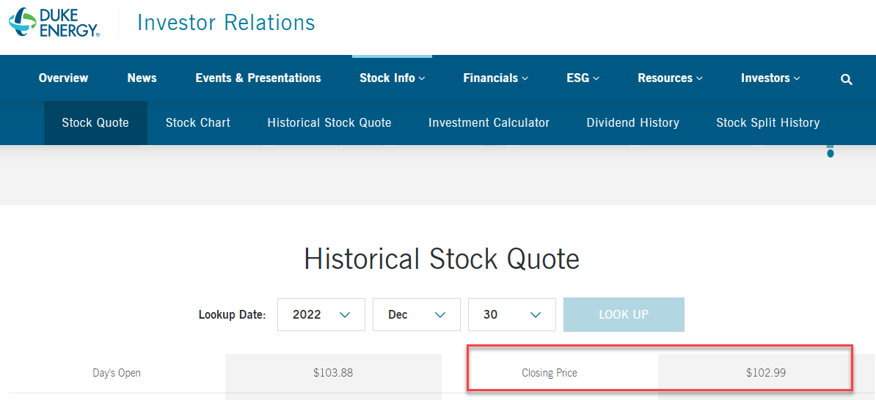

 |  |  |  |  |  |  |  | 3.98

 |  |  |  |  |  |  | 102.99

2021 Support
DIV/ SHR
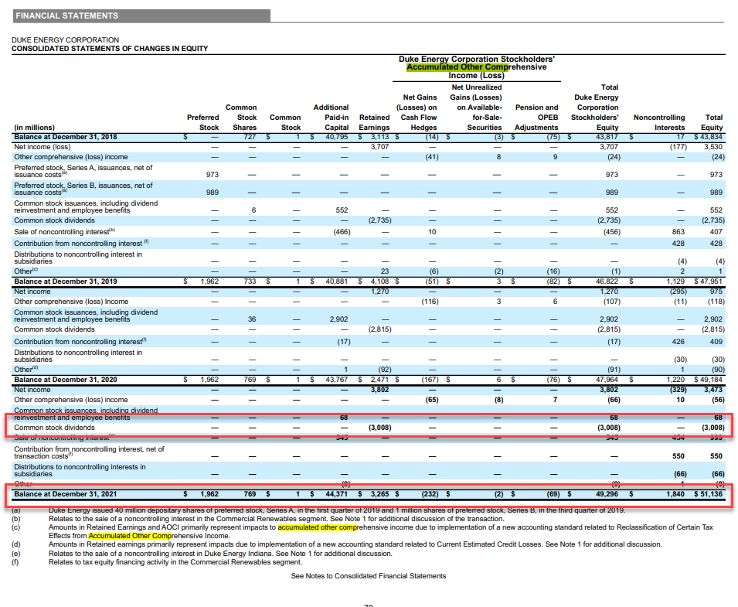

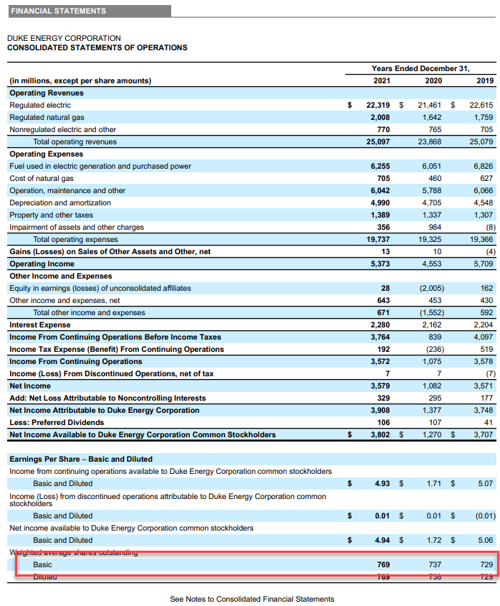

 |  |  |  |  |  |  | 3,008

 |  |  |  |  |  |  | 51,136
 |  |  |  |  |  |  | 769

 |  |  |  |  |  |  |  | 4.93
 |  |  |  |  |  |  |  | 0.01
 |  | 2018 | 2019 | 2020 | 2021 |  |  | 4.94
 | Dividends | 2,578 | 2,735 | 2,815 | 3,008
 | Wtd Avg Shares | 708 | 729 | 737 | 769
 | DIV/SHR | 3.64 | 3.75 | 3.82 | 3.91

 | Outstanding Shares | 727 | 733 | 769 | 769
 |  |  |  |  |  |  |  | 769
BOOK VALUE/ SHARE
 |  | 2018 | 2019 | 2020 | 2021
 | Total Equity | 43,834 | 47,951 | 49,184 | 51,136
 | Pref. Stock Equity
 |  | 60.29 | 65.42 | 63.96 | 66.50

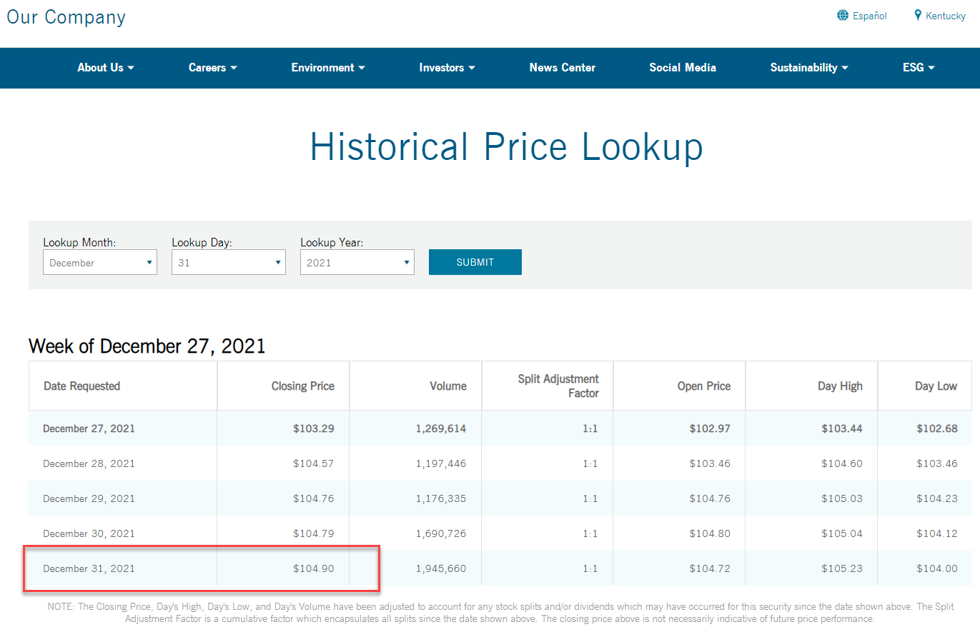
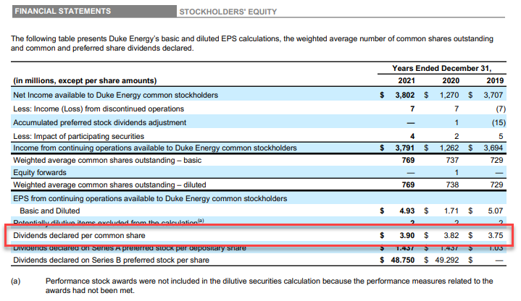

 |  |  |  |  |  |  | 3.90

 |  |  |  |  |  | 104.90

