Agg Equity - 2010-20
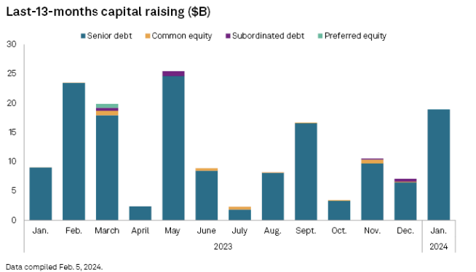
Transactions Statistics

List None
Transaction Type Equity Capital Markets
Transaction Subtype All
Private Equity Deals Include
Include Transaction Feature:
Target/Issuer Industry: Utilities
Geography United States and Canada
Date Range: From: 01/01/2010 To: 12/31/2014
Date: Announcement Date
Transaction Status Announced, Completed
Graph Display Year
Deal/Transaction Value Transaction Value
Selected Value
Range Metrics Total Assets
Selected Range
Aggregates Transaction Value
Averages
Medians
Include Transaction Count Include Transaction Count?
 |  |  |  |  |  |  |  |  |  | 2023 | 128.5
 |  |  |  |  |  |  |  |  |  |  | 8

 |  | 2010 | 2011 | 2012 | 2013 | 2014 | 2015 | 2016 | 2017 | 2018 | 2019 | 2020 | 2021 | 2022 | 2023
 | Equity Transaction Value ($B) | 10,651.94 | 4,922.84 | 4,387.46 | 11,990.83 | 12,325.08 | 7,737.06 | 17,872.93 | 8,626.00 | 30,936.94 | 24,867.04 | 20,199.72 | 15,202.10 | 6,600.00 | 8,000.00
 | Debt Transaction Value ($B) | 42,388.77 | 49,427.83 | 52,909.70 | 47,857.39 | 58,028.30 | 53,789.17 | 82,348.32 | 71,801.79 | 82,525.80 | 92,052.24 | 127,224.67 | 97,800.20 | 86,000.00 | 128,500.00

 | Number of Transactions | 71 | 33 | 43 | 61 | 40 | 69 | 62 | 45 | 104 | 91 | 106 | 94

 |  |  |  |  | Jan | 8
 |  |  |  |  | Feb | 6.5 | 0.25
 |  |  |  |  | Mar | 13 | 2
 |  |  |  |  | April | 1.5 | 0.2
 |  |  |  |  | May | 14
 |  |  |  |  | June | 11.5 | 0.4
 |  |  |  |  | July | 1
 |  |  |  |  | Aug | 13 | 0.75
 |  |  |  |  | Sept | 6 | 3
 |  |  |  |  | Oct | 2
 |  |  |  |  | Nov | 8.5
 |  |  |  |  | Dec | 1
 |  |  |  |  |  | 86 | 6.6

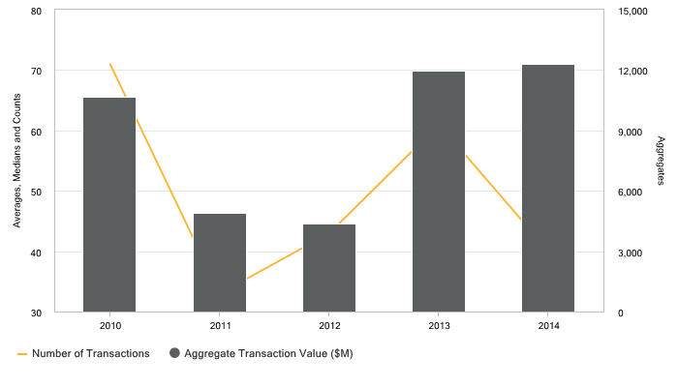
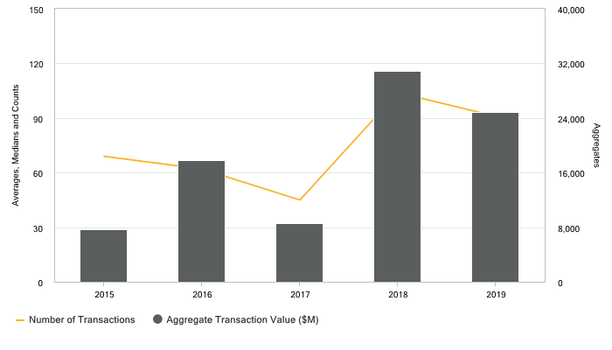

Transactions Statistics
 | 2010 | 2011 | 2012 | 2013 | 2014 | 2015 | 2016 | 2017 | 2018 | 2019
Aggregate Transaction Value ($M) | 10,651.94 | 4,922.84 | 4,387.46 | 11,990.83 | 12,325.08 | 7,737.06 | 17,872.93 | 8,626.00 | 30,936.94 | 24,867.04
Number of Transactions | 71 | 33 | 43 | 61 | 40 | 69 | 62 | 45 | 104 | 91
Deal Valuations are as of Agreement Date.
* Indicates that the deal directly or indirectly involved a private equity investor
1 Transaction data supplemented from Crunchbase

