SP 500 Profit - 2021 - 3-31 (2)
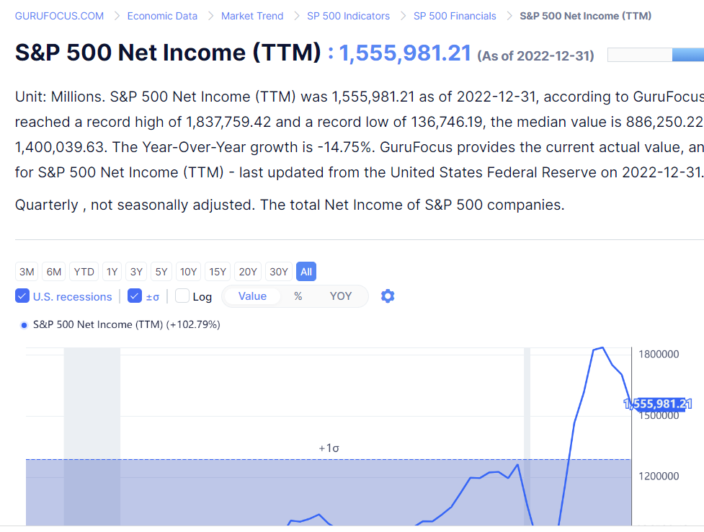
https://www.gurufocus.com/economic_indicators/5749/sp-500-net-income-ttm

 | 2022
 | Value ($B)
Aggregate Net Income for S&P 500 | $1,555.98
2022 Nominal U.S. GDP | 25,461.34
Net Income/GDP (%) | 6.11%

 | 2022 | Growth | No. of | 2050
 | Value ($B) | Rate | Years | Value ($B)
Aggregate Net Income for S&P 500 | $1,555.98 | 14.10% | 28 | $62,517.61
2022 Nominal U.S. GDP | $25,461.34 | 4.15% | 28 | $79,495.21
Net Income/GDP (%) | 6.11% |  |  | 78.64%

