JRW-2.1
 | Docket No. 20240026-EI
 | Exhibit JRW-2
 | Public Utility Capital Cost Indicators
 | Page 1 of 3

Exhibit JRW-2
Long-Term 'Baa' Rated Public Utility Bonds
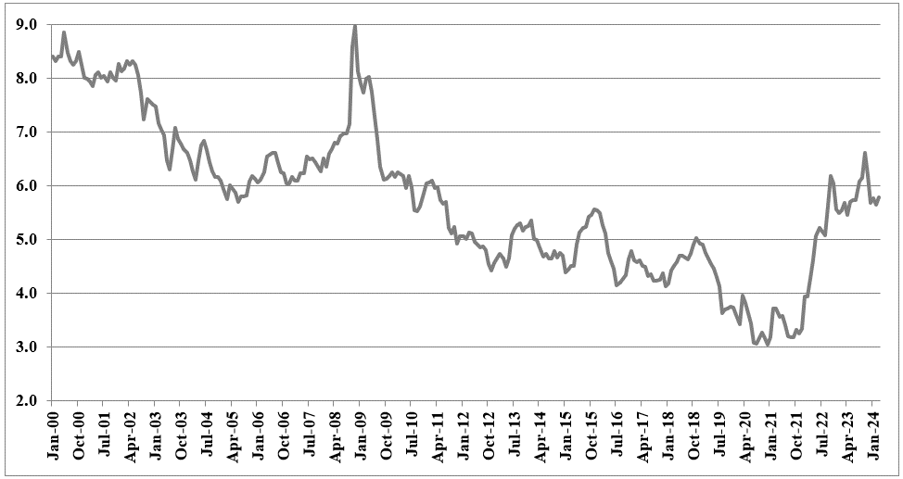

Data Source: Mergent Bond Record

JRW-2.2
 | Docket No. 20240026-EI
 | Exhibit JRW-2
 | Public Utility Capital Cost Indicators
 | Page 2 of 3

Exhibit JRW-2

Electric Utility Average Dividend Yield
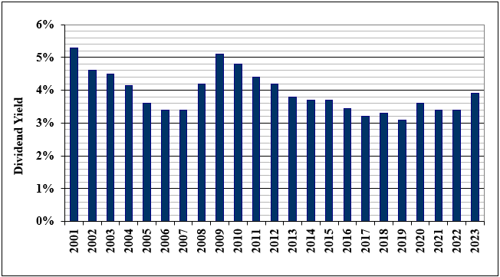

Data Source: Value Line Investment Survey.

Data Source: Value Line Investment Survey.

JRW-2.3
 | Docket No. 20240026-EI
 | Exhibit JRW-2
 | Public Utility Capital Cost Indicators
 | Page 3 of 3

Exhibit JRW-2

Electric Utility Average Return on Equity and Market-to-Book Ratios
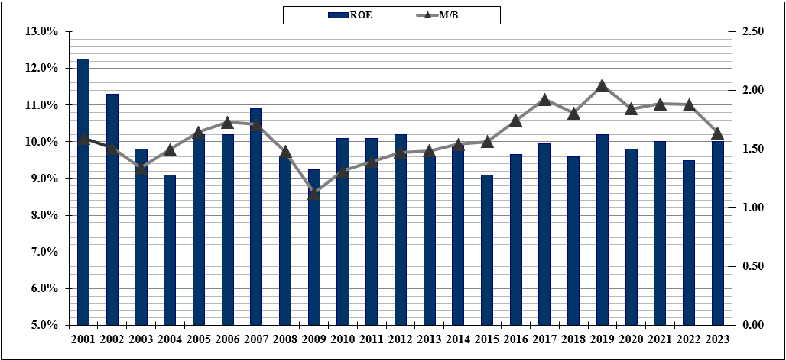

Data Source: Value Line Investment Survey.

Data Source: Value Line Investment Survey.

JRW-6.2
 | Docket No. 20240026-EI
 | Exhibit JRW-6
 | CAPM Study
 | Page 2 of 7

Exhibit JRW-6

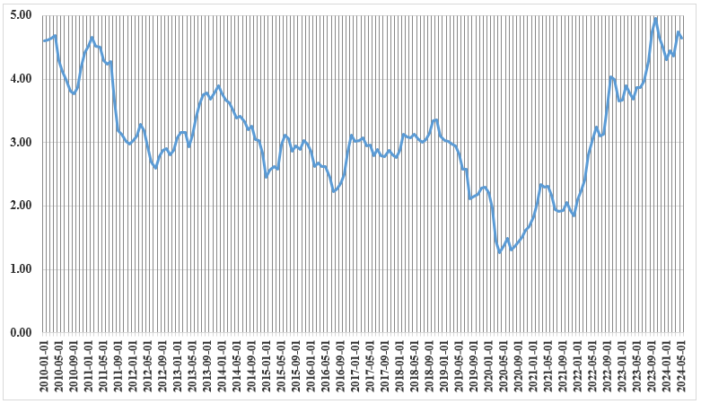
Thirty-Year U.S. Treasury Yields
2010-2024

Source: Federal Reserve Bank of St. Louis, FRED Database.

JRW-6.3
 |  |  |  | Docket No. 20240026-EI
 |  |  |  | Exhibit JRW-6
 |  |  |  | CAPM Study
 |  |  |  | Page 3 of 7
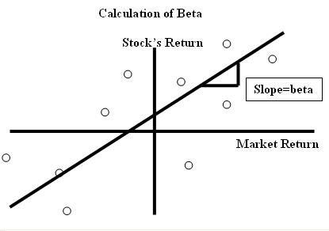

 | Panel A
 |  | V-Line | Cap IQ | Average
 | Company | Beta | Beta | Beta | ALE | 0.74207310715
#REF! | Alliant Energy Corporation (NYSE-LNT) | 0.90 | 0.69 | 0.79 | LNT | 0.53599550738 | LNT | 0.53350292527
#REF! | Ameren Corporation (NYSE-AEE) | 0.90 | 0.63 | 0.76 | AEE | 0.44264935641 | AEE | 0.44263860582
#REF! | American Electric Power Co. (NYSE-AEP) | 0.80 | 0.67 | 0.74 | AEP | 0.49986762536 | AEP | 0.5094011716
#REF! | Avista Corporation (NYSE-AVA) | 0.95 | 0.66 | 0.81 | AVA | 0.4766218479 | AVA | 0.49670417781
#REF! | CMS Energy Corporation (NYSE-CMS) | 0.85 | 0.58 | 0.72 | CMS | 0.37373070648 | CMS | 0.37395685822
#REF! | Consolidated Edison, Inc. (NYSE-ED) | 0.80 | 0.56 | 0.68 | ED | 0.33567400745 | ED | 0.35071024793
#REF! | Duke Energy Corporation (NYSE-DUK) | 0.90 | 0.64 | 0.77 | DUK | 0.45354099528 | DUK | 0.4598540513
#REF! | Edison International (NYSE-EIX) | 1.00 | 0.98 | 0.99 | EIX | 0.95132539088 | EIX | 0.96583227518
#REF! | Entergy Corporation (NYSE-ETR) | 0.95 | 0.80 | 0.88 | ETR | 0.69202264406 | ETR | 0.70151322849
#REF! | Evergy, Inc. (NYSE-EVRG) | 0.95 | 0.70 | 0.83 | EVRG | 0.56341725936 | EVRG | 0.55719793996
#REF! | Eversource Energy (NYSE-ES) | 0.95 | 0.73 | 0.84 | ES | 0.58253538267 | ES | 0.59574944567
#REF! | Exelon Corporation (NDW-EXC) | NMF | 0.74 | 0.74 | EXC | 0.59677391606 | EXC | 0.60457770704
#REF! | IDACORP, Inc. (NYSE-IDA) | 0.85 | 0.70 | 0.78 | IDA | 0.54934369958 | IDA | 0.55635786174
#REF! | MGE Energy, Inc. (NYSE-MGEE) | 0.80 | 0.80 | 0.80 | MGEE | 0.71540382206 | MGEE | 0.6948910373
#REF! | NextEra Energy, Inc. (NYSE-NEE) | 1.00 | 0.66 | 0.83 | NEE | 0.49413900367 | NEE | 0.4967190038
#REF! | NorthWestern Corporation (NYSE-NWE) | 0.95 | 0.62 | 0.79 | NWE | 0.44220396205 | NWE | 0.43915790938
#REF! | OGE Energy Corp. (NYSE-OGE) | 1.05 | 0.81 | 0.93 | OGE | 0.70310381638 | OGE | 0.70938194226
#REF! | Pinnacle West Capital Corp. (NYSE-PNW) | 0.95 | 0.64 | 0.80 | PNW | 0.47751062206 | PNW | 0.46954186891
#REF! | Portland General Electric Company (NYSE-POR) | 0.90 | 0.72 | 0.81 | POR | 0.56909210112 | POR | 0.58437070124
#REF! | PPL Corporation (NYSE-PPL) | 1.10 | 0.88 | 0.99 | PPL | 0.82186526695 | PPL | 0.82404243283
#REF! | Public Service Enterprise Group Incorporated (NYSE - PEG) | 0.95 | 0.72 | 0.84 | PEG | 0.57530154762 | PEG | 0.58553187728
#REF! | Southern Company (NYSE-SO) | 0.95 | 0.66 | 0.80 | SO | 0.47646083131 | SO | 0.48677913805
#REF! | WEC Energy Group (NYSE-WEC) | 0.85 | 0.60 | 0.72 | WEC | 0.39726884473 | WEC | 0.39842979501
#REF! | Xcel Energy Inc. (NYSE-XEL) | 0.85 | 0.58 | 0.71 | XEL | 0.36600257221 | XEL | 0.37017739025
 | Mean | 0.92 | 0.71 | 0.81
 | Median | 0.95 | 0.70 | 0.80
 | Data Source: Value Line Investment Survey, 2024; S&P Cap IQ, 2024.

 | Panel B
 | D'Ascendis Proxy Group
 |  | V-Line | Cap IQ | Average
 | Company | Beta | Beta | Beta
 | Alliant Energy Corporation (NYSE-LNT) | 0.90 | 0.69 | 0.79 |  |  | LNT | 0.53350292527
 | Ameren Corporation (NYSE-AEE) | 0.90 | 0.63 | 0.76 |  |  | AEE | 0.44263860582
 | Duke Energy Corporation (NYSE-DUK) | 0.90 | 0.64 | 0.77 |  |  | DUK | 0.4598540513
 | Edison International (NYSE-EIX) | 1.00 | 0.98 | 0.99 |  |  | EIX | 0.96583227518
 | Entergy Corporation (NYSE-ETR) | 0.95 | 0.80 | 0.88 |  |  | ETR | 0.70151322849
 | Evergy, Inc. (NYSE-EVRG) | 0.95 | 0.70 | 0.83 |  |  | EVRG | 0.55719793996
 | Eversource Energy (NYSE-ES) | 0.95 | 0.73 | 0.84 |  |  | ES | 0.59574944567
 | IDACORP, Inc. (NYSE-IDA) | 0.85 | 0.70 | 0.78 |  |  | IDA | 0.55635786174
 | NextEra Energy, Inc. (NYSE-NEE) | 1.00 | 0.66 | 0.83 |  |  | NEE | 0.4967190038
 | NorthWestern Corporation (NYSE-NWE) | 0.95 | 0.62 | 0.79 |  |  | NWE | 0.43915790938
 | OGE Energy Corp. (NYSE-OGE) | 1.05 | 0.81 | 0.93 |  |  | OGE | 0.70938194226
 | Pinnacle West Capital Corp. (NYSE-PNW) | 0.95 | 0.64 | 0.80 |  |  | PNW | 0.46954186891
 | Portland General Electric Company (NYSE-POR) | 0.90 | 0.72 | 0.81 |  |  | POR | 0.58437070124
 | Xcel Energy Inc. (NYSE-XEL) | 0.85 | 0.58 | 0.71 |  |  | XEL | 0.37017739025
 | Mean | 0.93 | 0.70 | 0.82
 | Median | 0.95 | 0.70 | 0.80
 | Data Source: Value Line Investment Survey, 2024; S&P Cap IQ, 2024.

JRW-6.7
 | Docket No. 20240026-EI
 | Exhibit JRW-8
 | Page 7 of 7

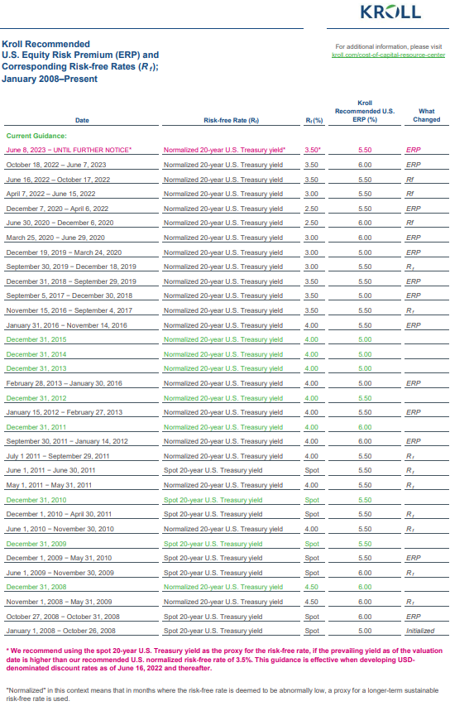
CAPM Study
Kroll (Duff & Phelps) and KPMG Equity Risk Premium Estimates

. Source: https://www.kroll.com/-/media/cost-of-capital/kroll-us-erp-rf-table-2023.pdf

KPMG Equity Risk Premium
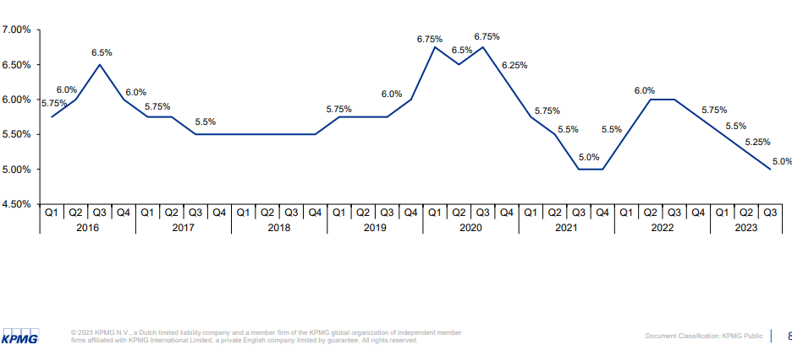

Source: https://indialogue.io/clients/reports/public/5d9da61986db2894649a7ef2/5d9da63386db2894649a7ef5

JRW-7.2 (2)
 | Docket No. 20240026-EI
 | Exhibit JRW-7
 | Tampa Electric Company' ROE Results
 | Page 2 of 2

D'Ascendis ROE Results
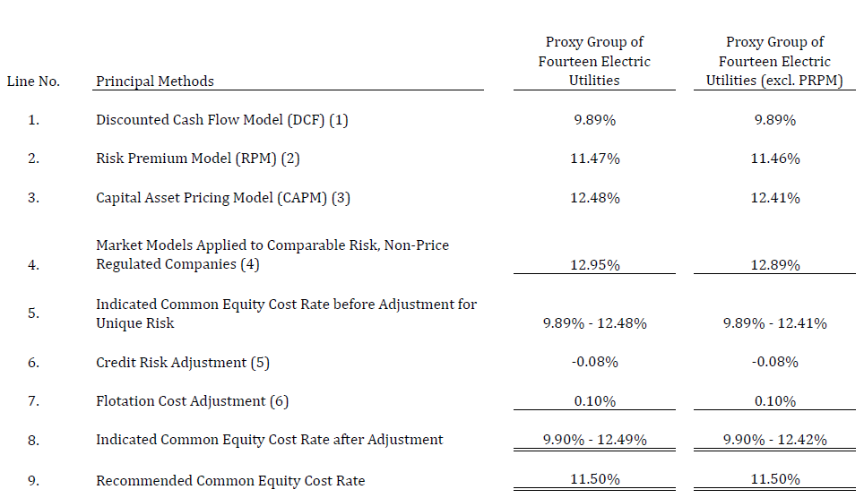

JRW-9.2 (2)
 | Docket No. 20240026-EI
 | Exhibit JRW-9
 | Page 2 of 6

Annual Nominal GDP Growth Rates

Annual Growth Rates - 1961-2023
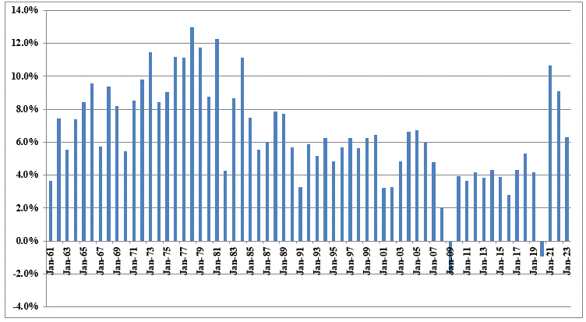

Data Sources: GDPA -https://fred.stlouisfed.org/series/GDPA

JRW-9.3X
 | Docket No. 20240026-EI
 | Exhibit JRW-9
 | Page 3 of 6

Real GDP Growth Rates

Annual Average Real GDP Growth Rates
1961-2023
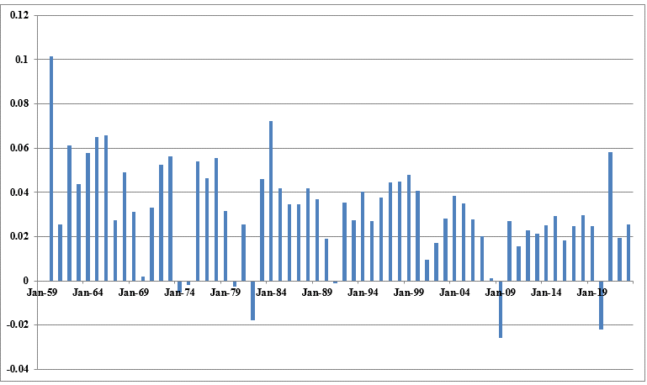

Data Sources: GDPC1 - https://fred.stlouisfed.org/series/GDPCA

JRW-9.4X
 | Docket No. 20240026-EI
 | Exhibit JRW-9
 | Page 4 of 6

Inflation Rates

Annual CPI Inflation Rates
1961-2023
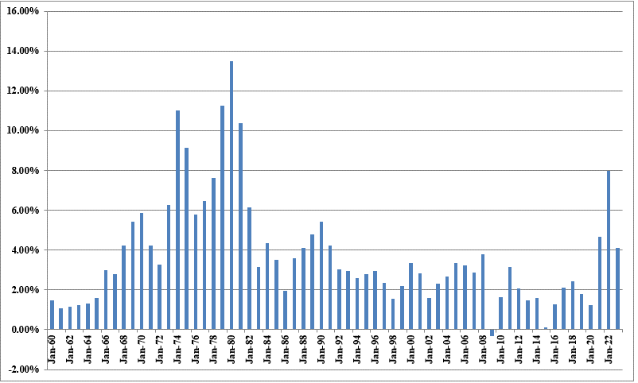

Data Sources: CPIAUCSL - https://fred.stlouisfed.org/series/CPIAUCSL

JRW-9.6X
 | Docket No. 20240026-EI
 | Exhibit JRW-9
 | Page 6 of 6

GDP and S&P 500 Growth

Cumulative Long-Term Growth of GDP, S&P 500, S&P 500 EPS, S&P 500 DPS
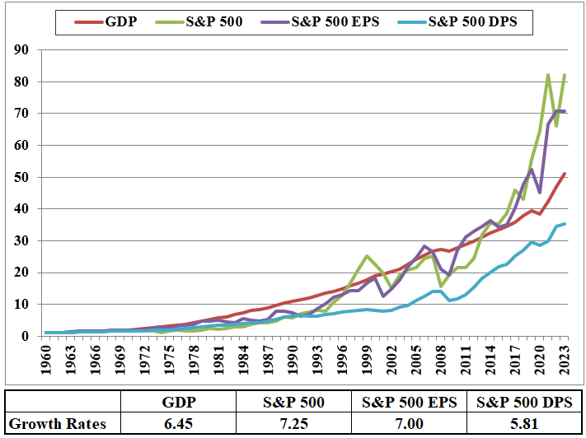

Data Sources: GDPA -http://research.stlouisfed.org/fred2/series/GDPA/downloaddata
S&P 500, EPS and DPS - http://pages.stern.nyu.edu/~adamodar/

