Exhibit 2 of JC Testimony
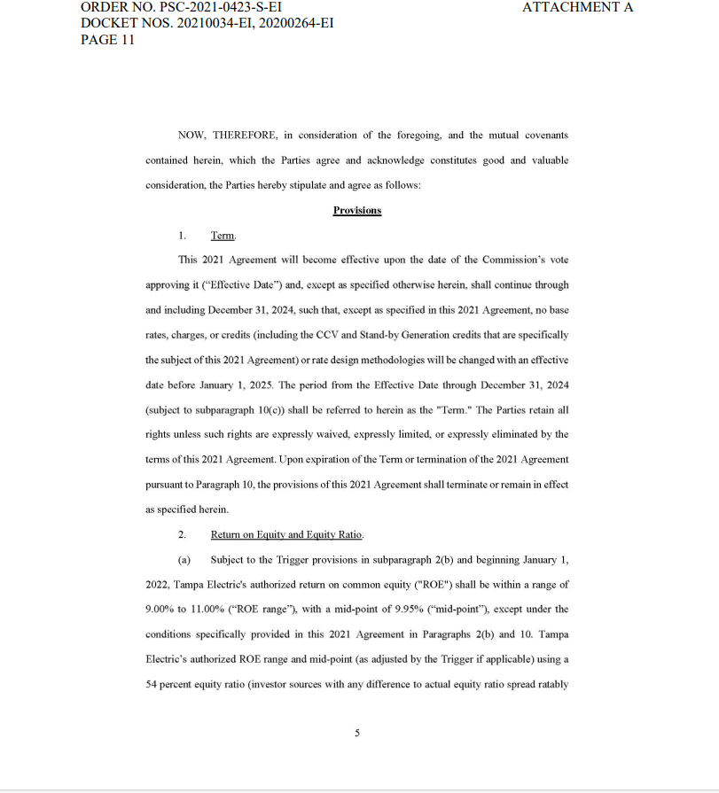

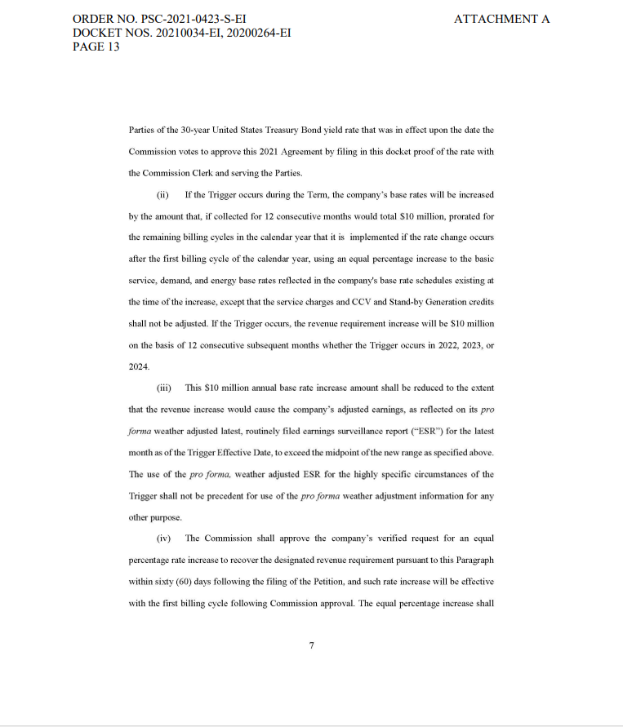

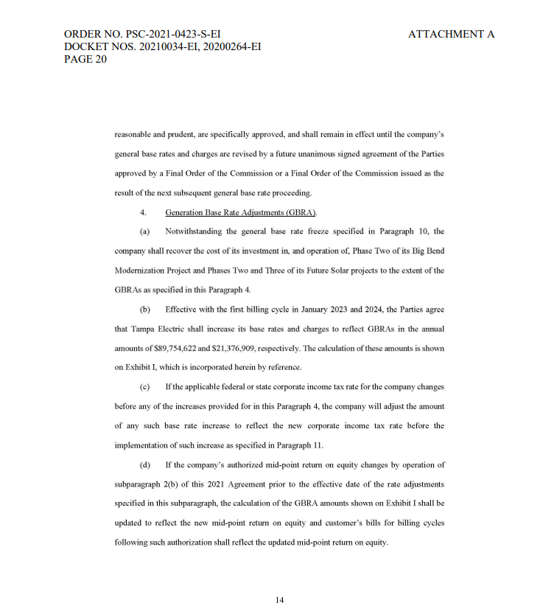

Exhibit 1 of VS Testimony
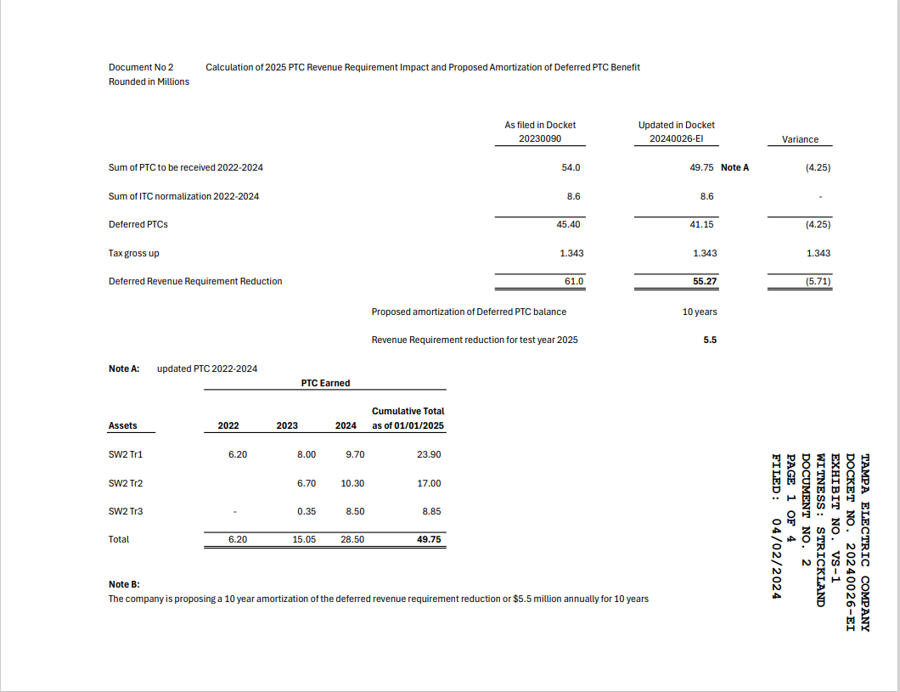

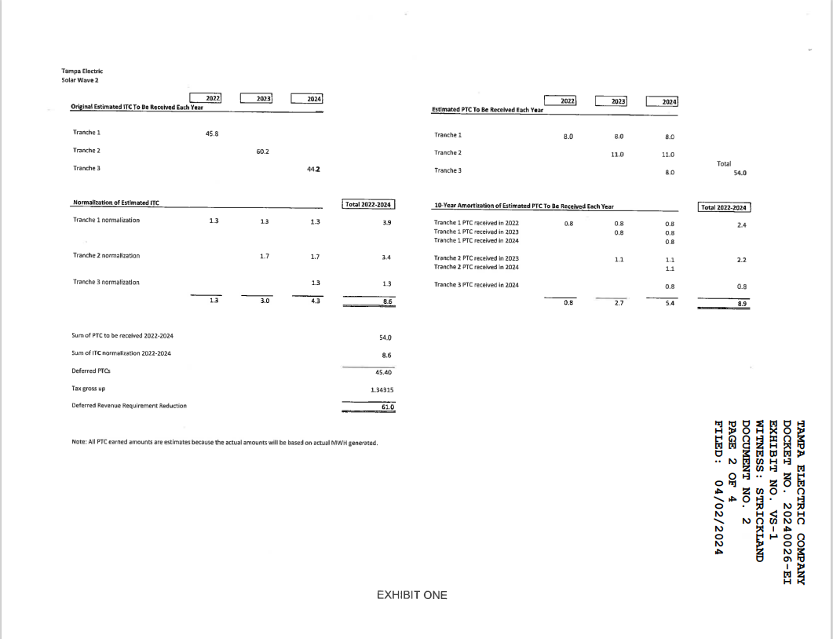

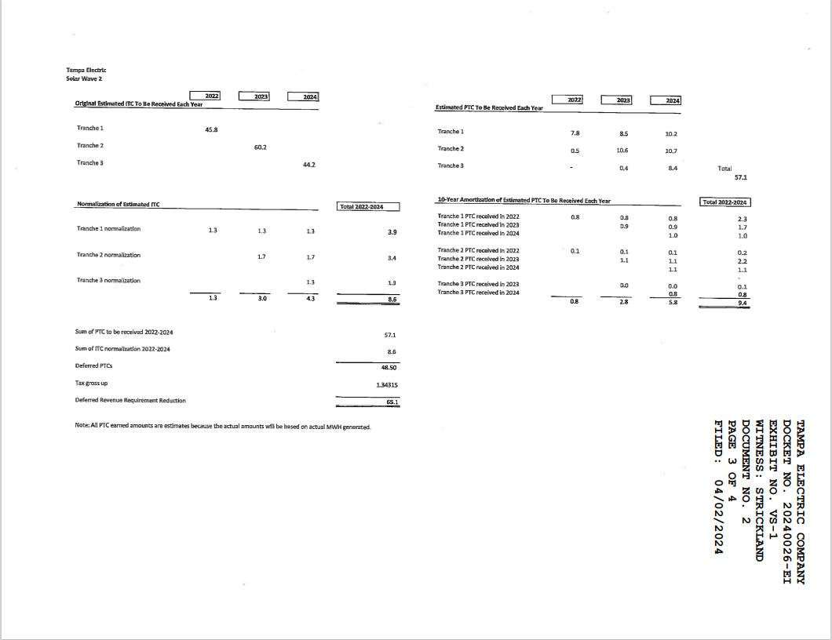

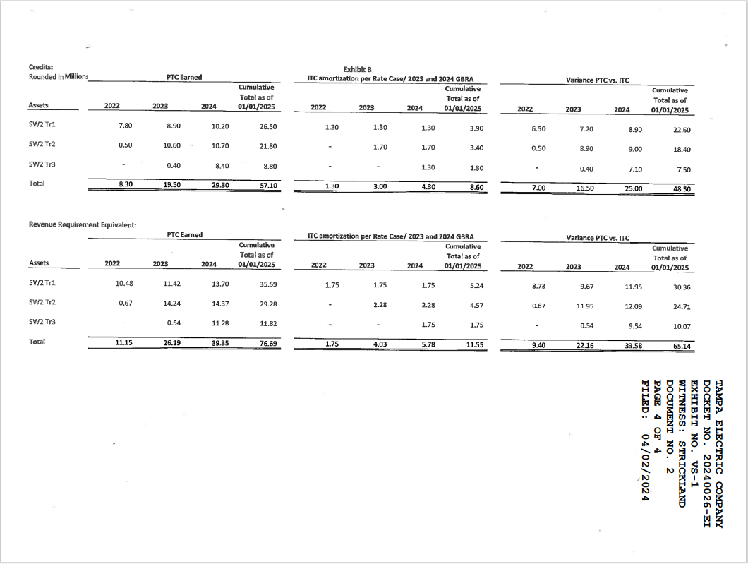

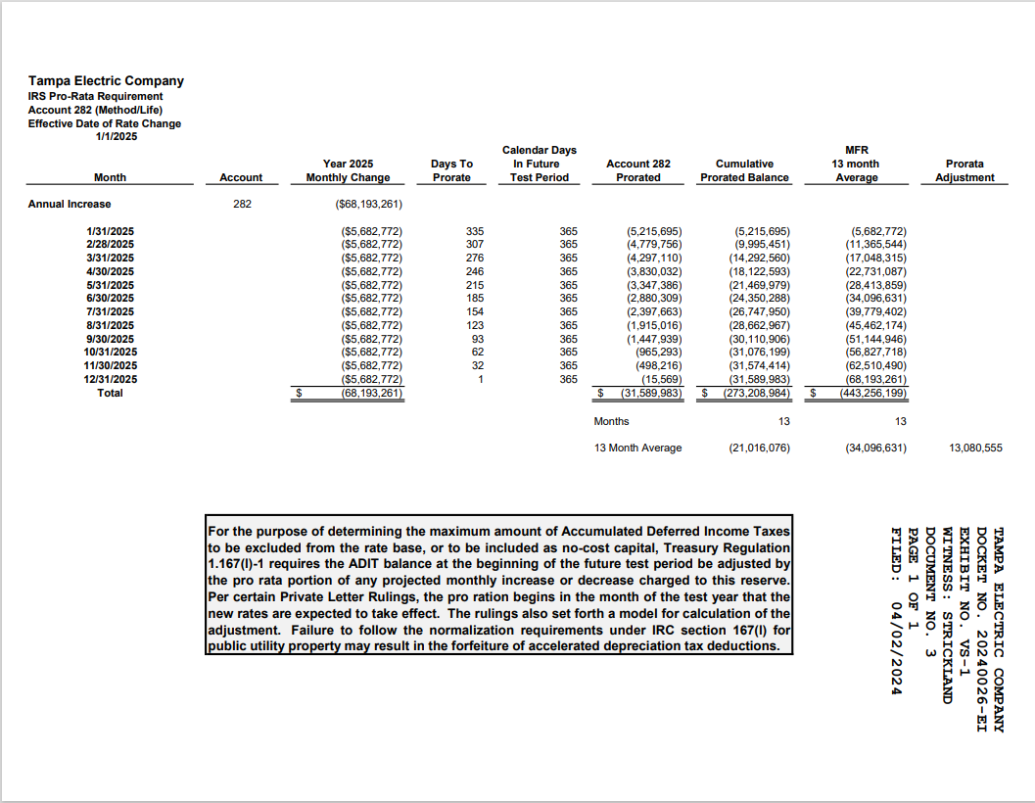

Depr Exp
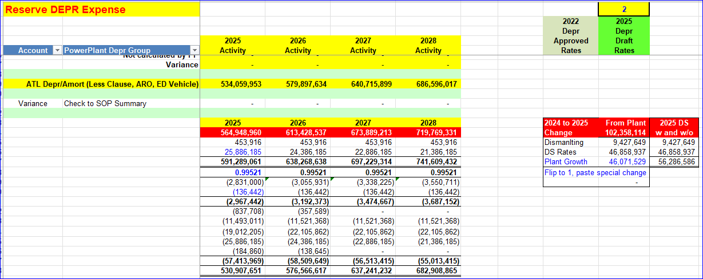

TEC 10K
https://www.sec.gov/ix?doc=/Archives/edgar/data/96271/000095017024019720/ck0000096271-20231231.htm

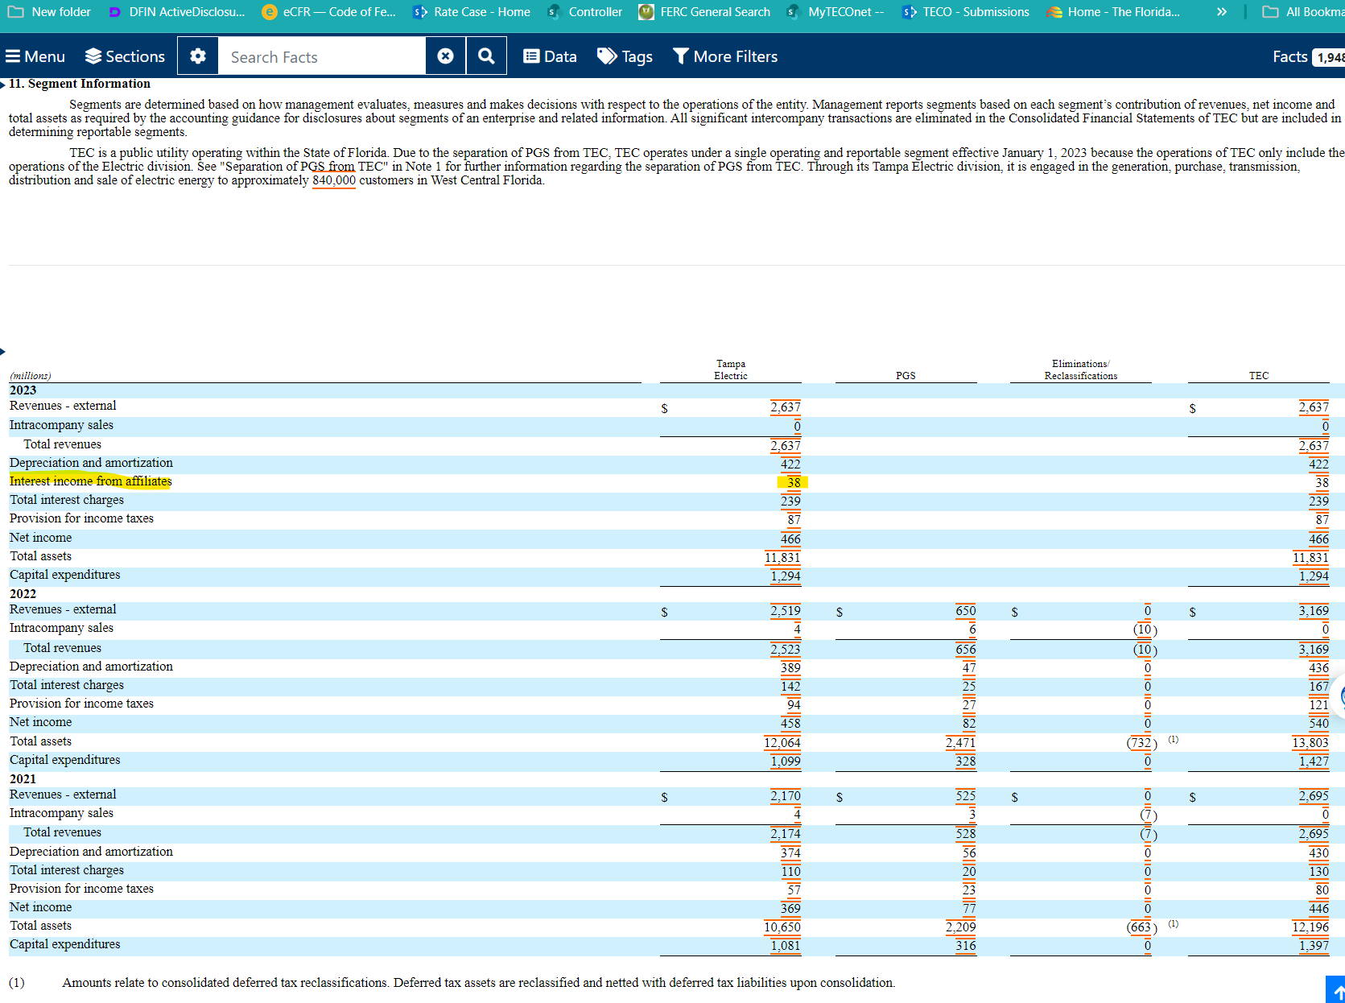

 |  | 38

 | 500

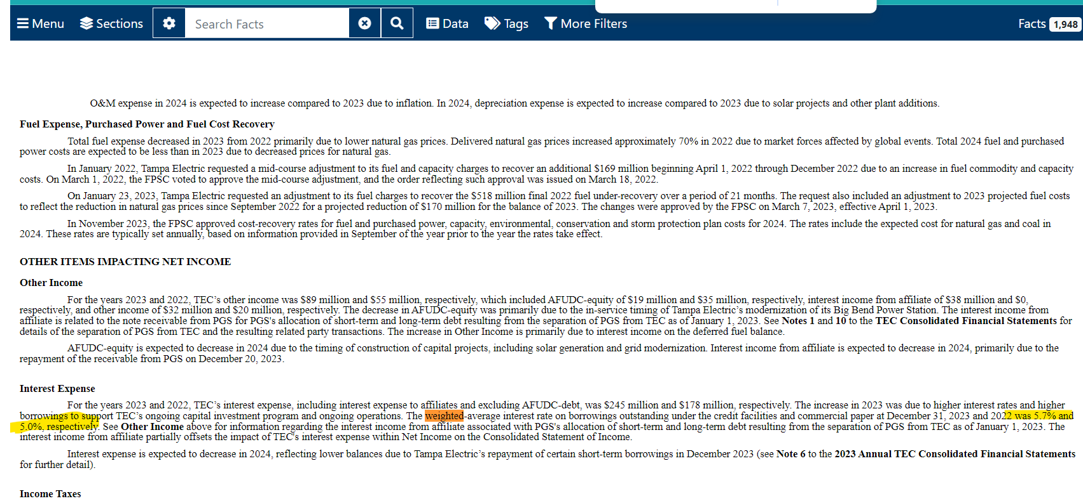

 | 5.70%
 | 5%

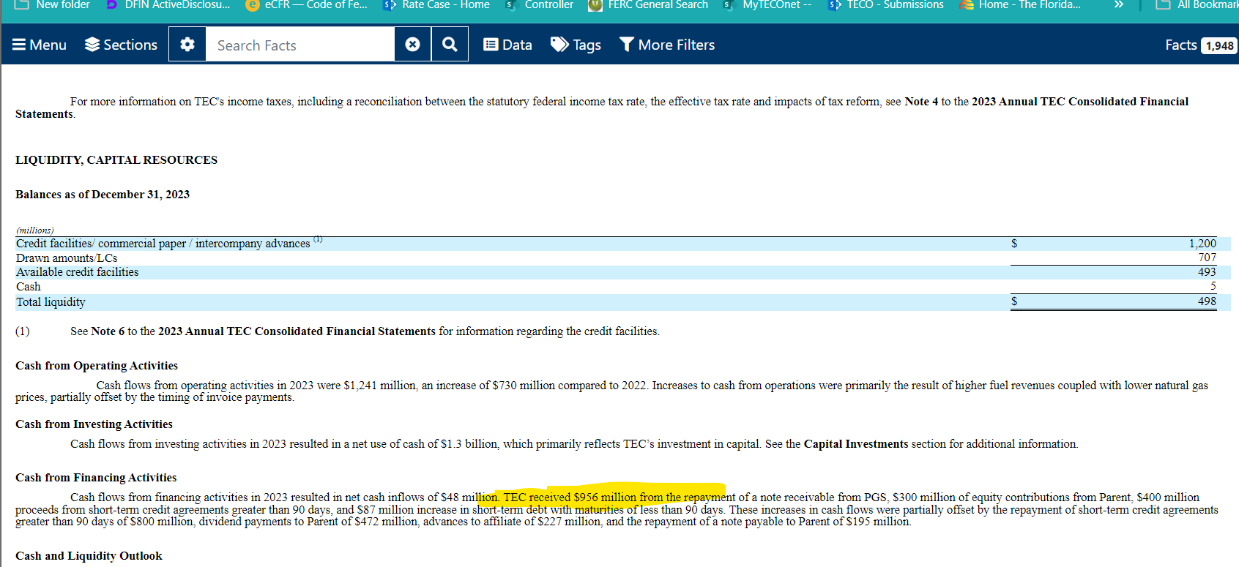

 | 956

O&M CAGR
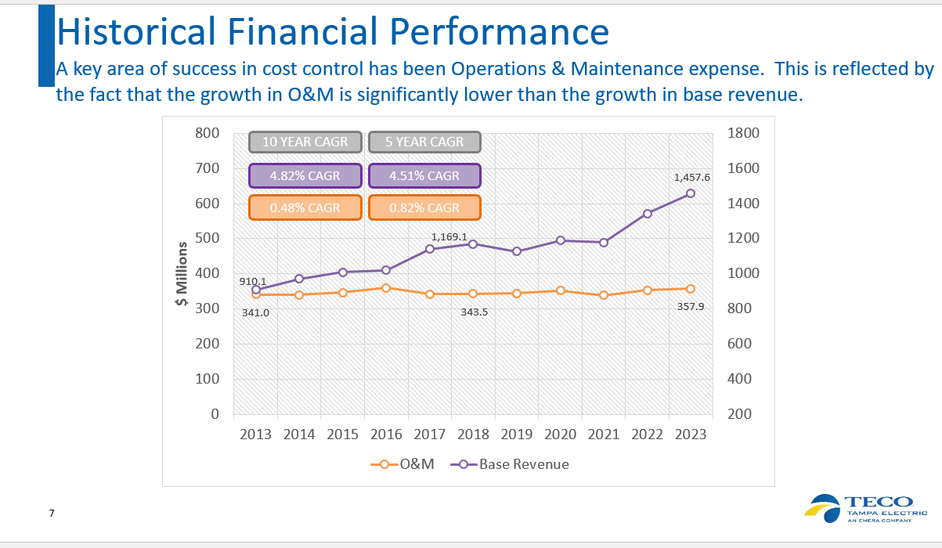

Inflation Data
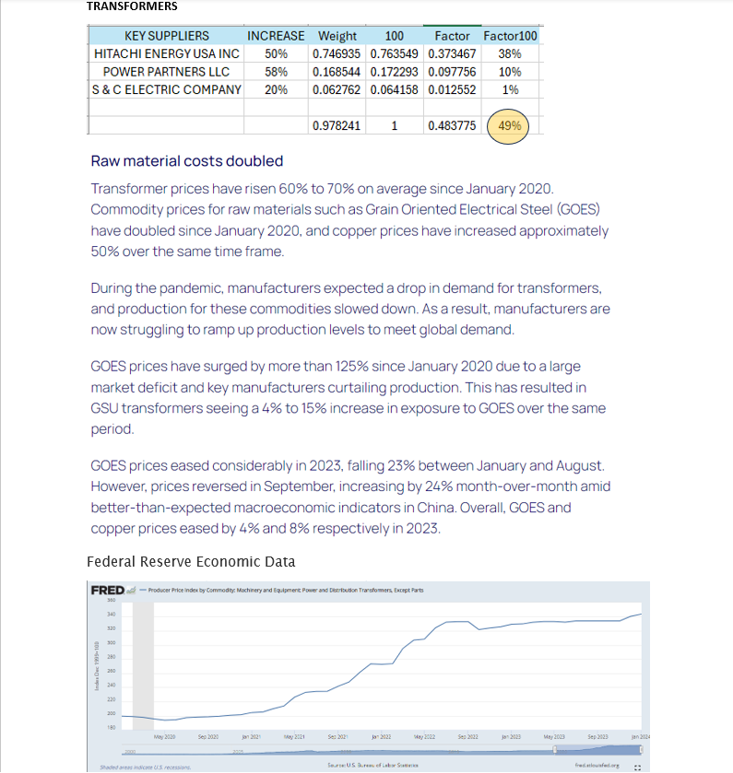

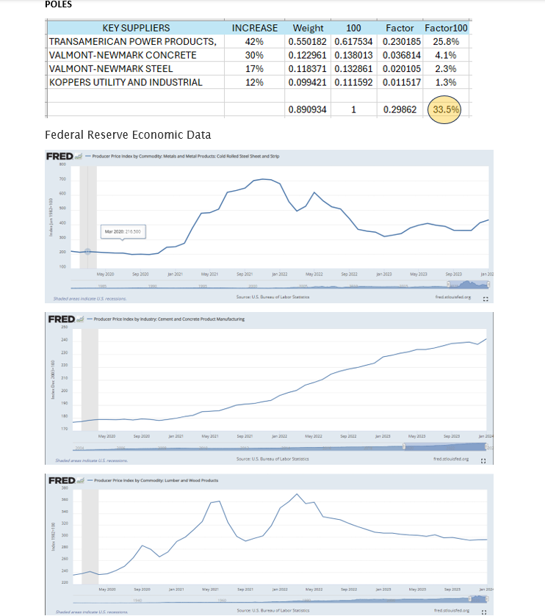

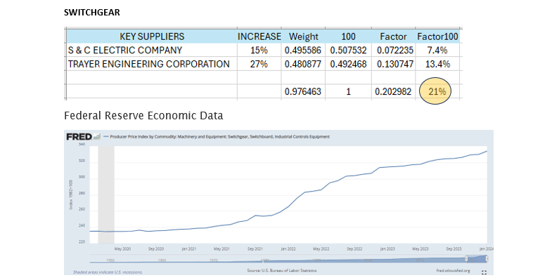

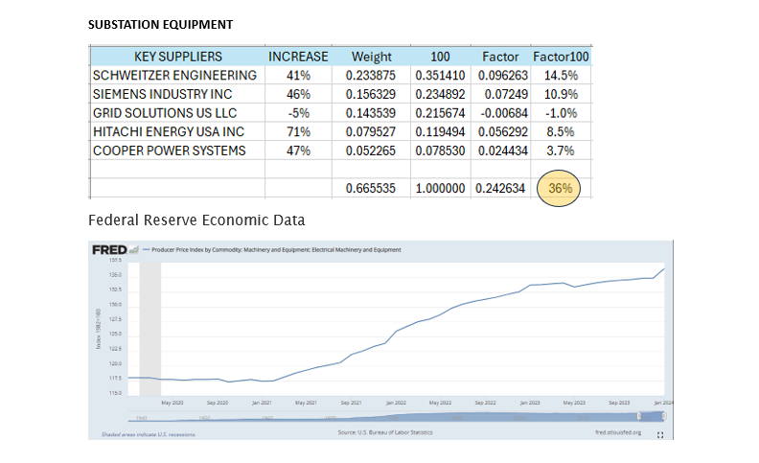

Capitalized A&G Increase
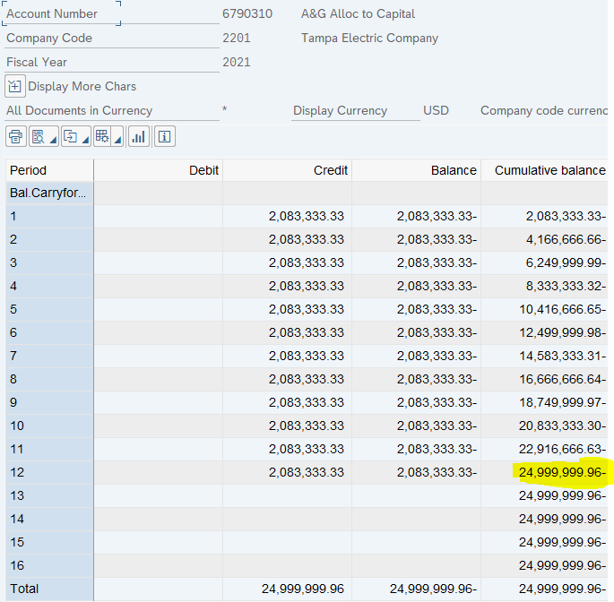
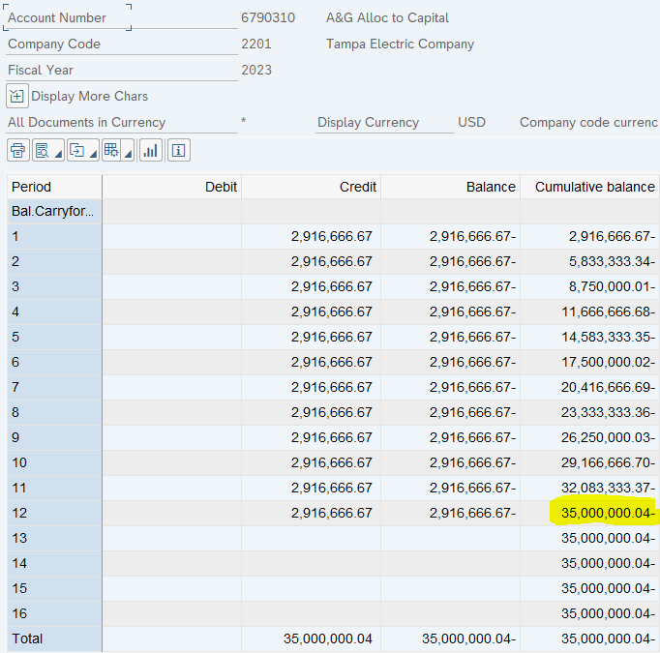

2021 | 2023 | Change
25,000,000 | 35,000,000 | 10,000,000

Base Rev Impact
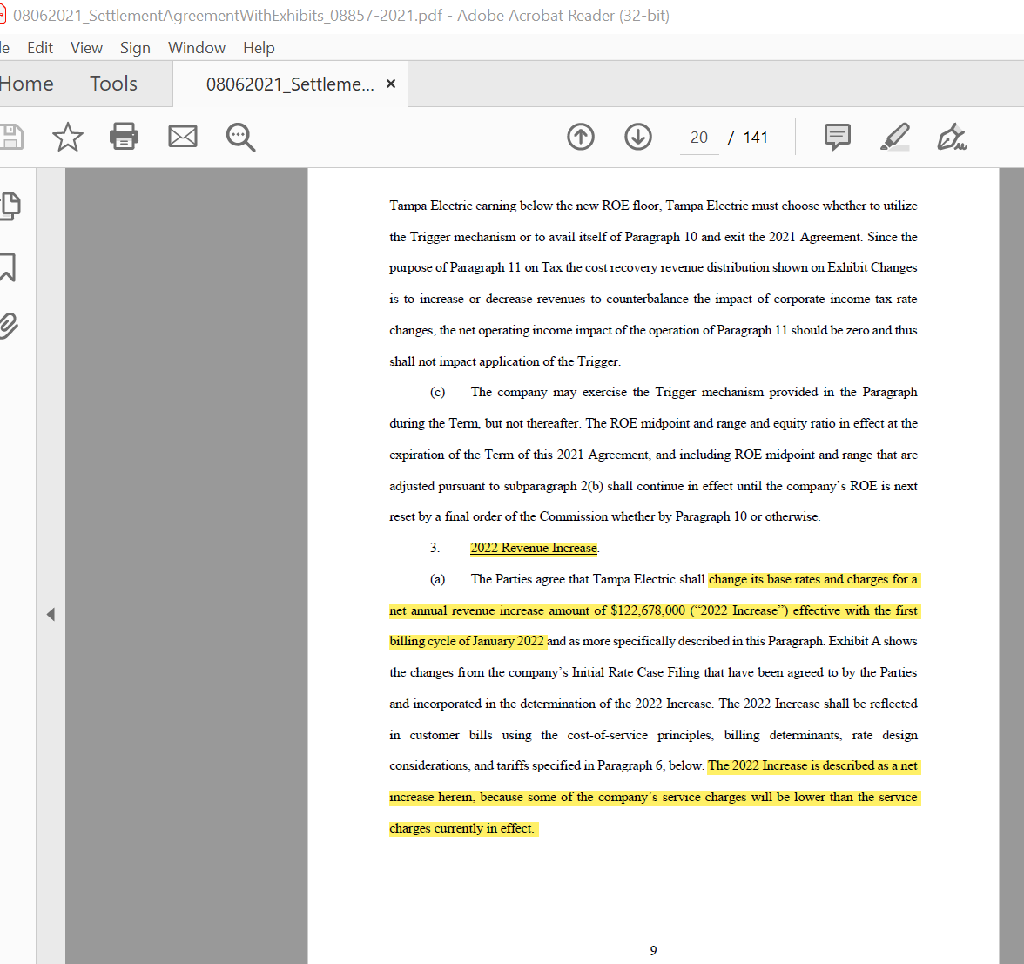
 |  |  |  |  |  |  |  |  |  | From Rate Case Settlement Agreement, page 9 "2022 Revenue Increase" |  | From Jordan Williams: | From Jordan Williams:
 | Projected Base Revenues | Rate Increase | ROE Trigger | GBRA with ROE Trigger Adjustment | Total Base Revenues | Level Change | Annual % Change |  | Base Revenues Due to Customer Growth | Rate Increase | $122,678,000 | Below is the approved base revenue increase due to the ROE Trigger. | Below are the GBRA increases adjusted by the ROE Trigger.
2022 | $1,167.4 | $122.7 | $3.4 | $- | $1,293.5 | $126.1 | 10.8% |  |  |  |  | Effective 9/2022
2023 | $1,418.9 | $- | $6.6 | $91.0 | $1,516.5 | $223.0 | 17.2% |  |  |  |  |  | 2023 = $91,011,994 | $91.0
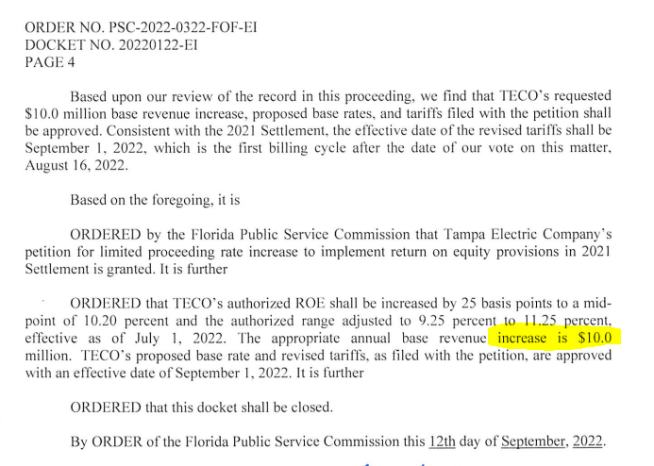
2024 | $1,464.7 | $- | $- | $21.7 | $1,486.4 | $(30.1) | -2.0% |  |  |  |  |  | 2024 = $21,689,323 | $21.7
2025 | $1,480.7 | $- | $- | $- | $1,480.7 | $(5.7) | -0.4%
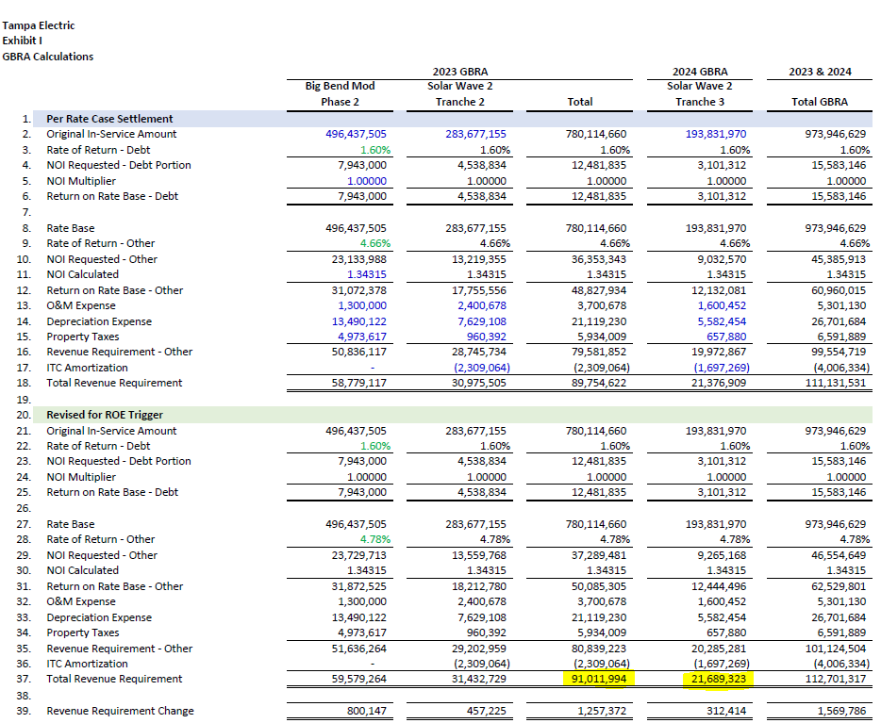
 |  | $122.7 | $10.0 | $112.7 |  | $313.3 | 26.8% |  | $67.9
 |  |  |  | $245.4

Change in Base Revenues from 2022 to 2025
Of the $313.3 million, approximately $245.4 million is due to regulatory agreements since 2022. |  |  |  |  |  |  |  | $0.0
Of the $313.3 million, approximately $67.9 million is due to customer growth since 2022. |  |  |  |  |  |  |  | $0.0
 |  |  |  |  |  |  |  | $0.0
 |  |  |  |  |  | Average Annual Growth Rate | 8.2%
NOTES:
2022 Projected Base Revenues, Prior to Rate Increase, 2022 budget w/2021 rates times 2022 Billing Determinants
ROE Trigger, $10M effective 9/2022 - 8/2023
GBRA, Generation Base Rate Adjustment, original RC settlement for $89.8 and $21.4, adjusted for ROE Trigger to $91.0M in 2023 and $21.7M in 2024

 |  |  |  |  |  |  |  |  |  |  |  | Below is a snip from RS tab of tariff file used by revenue model…note there is overlap from when ROE Trigger changed the customer and energy charges in Sept 2022 and when GBRA adjusted by ROE Trigger rates impacted energy charges only, into effect Jan 2023. This is why revenue models don't tie exactly to settlement amounts. Rates created off one set of billing determinants [BDs] create slightly more revenues when applied to a new set of BDs.

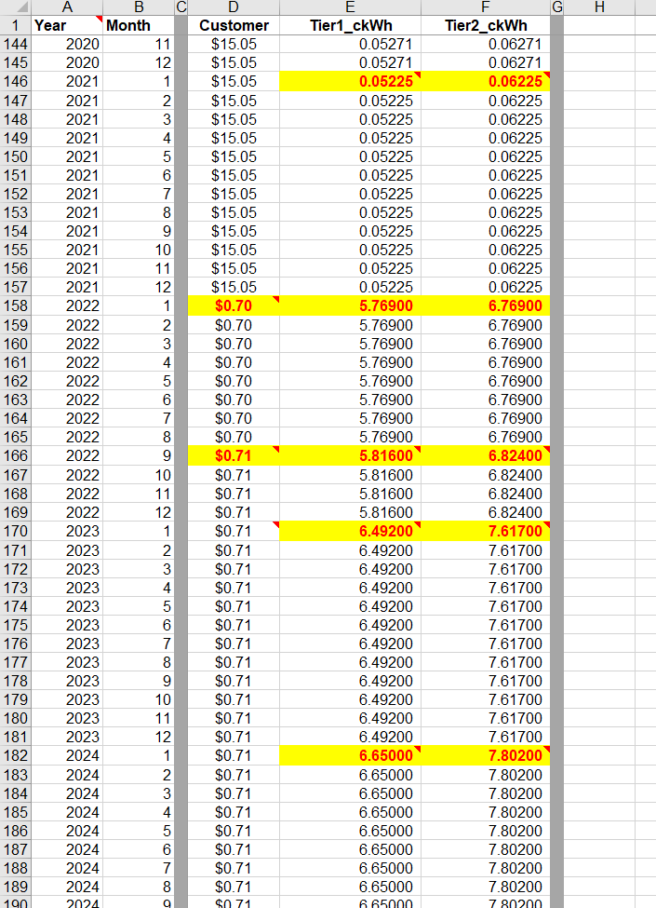

Page 1of3 (2022)
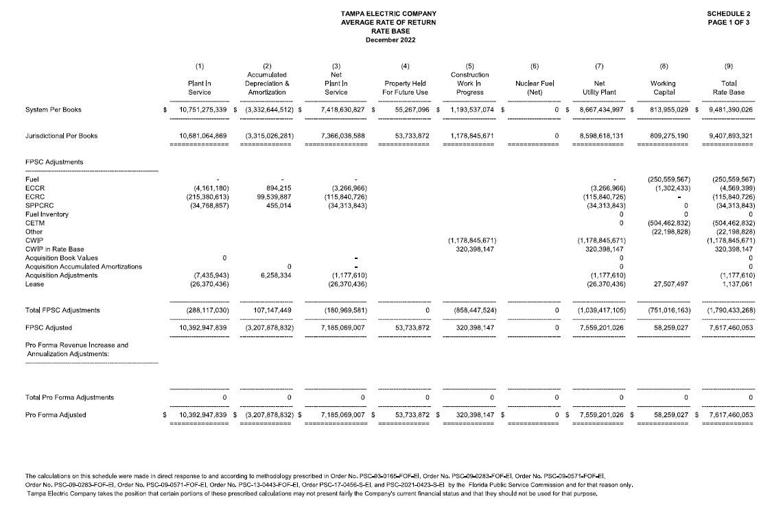

Page 2of3 (2022)
