228.1 - Prop Ins
Account | FERC Account
2281000 | 92281000
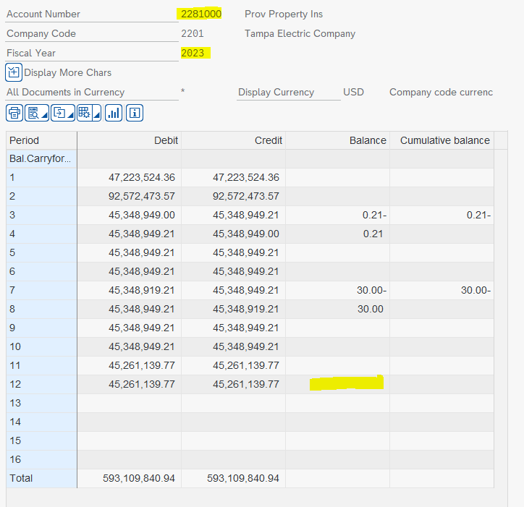

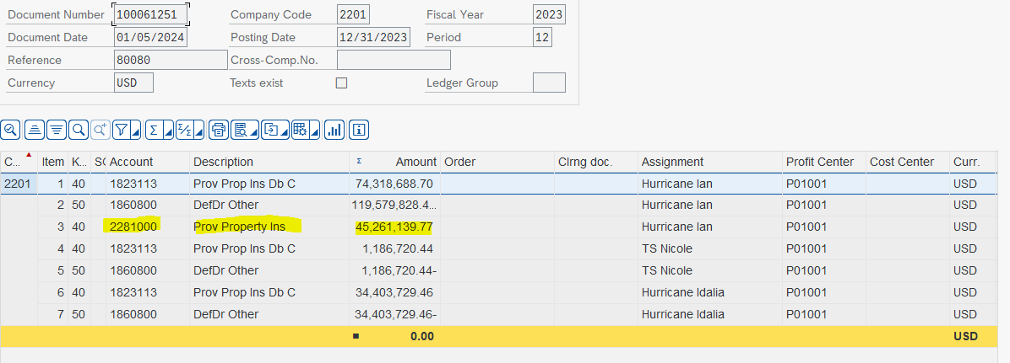
 | 2023
 | 2022 Ending Balance | -
 | 2023 Ending Balance | -
 |  | -

 | (1) zero in Q3F but $27.6M in baseline report for 7+5

 | 2024
 | 2023 Ending Balance | -
 | 2024 Budget Ending Balance | 17,385,926.45
 |  | (17,385,926.45)

 | 2025
 | 2024 Ending Balance | 17,385,926.45
 | 2025 Ending Balance | 17,385,926.45
 |  | -
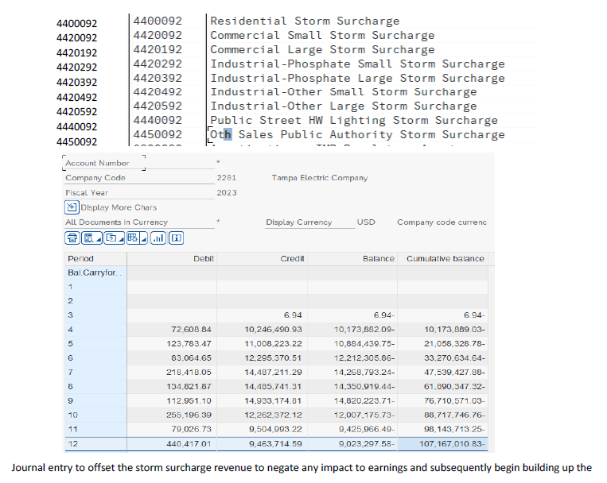

 | NOTE:
 | Per Kyrstin S. - the reserve is zero since the costs from previous storms, which exceeded the reserve amount, are being booked to a deferred
 | debit account (182) until depleted. It is expected that a reserve balance will begin to build in 2024 when all previous costs are cleared.
 | There is no income statement effect as the revenue collected is offset by expense when the costs are moved to the balance sheet.

 | FERC balances obtained from the following file:

 | 2024 Budget FERC Trial Balance (MFR)

 | 2025 Budget FERC Trial Balance (MFR)

228.2 - I&D
Accounts: | FERC Account
2282010 | 92282000
2282020
2282030
2282040
 | 2023 | Forecast | 2023 | Actual | 2024 |  | 2025
 | 2022 Ending Balance | 8,188,946.00 | 2022 Ending Balance | 8,188,946.00 | 2023 Ending Balance | 7,974,627.87 | 2024 Budget Ending Balance | 7,927,461.87
 | 2023 7+5 Ending Balance | 8,198,245.00 | 2023 Ending Balance | 7,974,627.00 | 2024 Budget Ending Balance | 7,927,461.87 | 2025 Budget Ending Balance | 7,996,658.00
 |  | 9,299.00 |  | (214,319.00) |  | (47,166.00) |  | 69,196.13

 |  |  |  |  |  |  |  |  | (1,027,652)
 |  |  |  |  |  |  |  |  | 6,512,534
 |  |  |  |  |  |  |  |  | 2,432,456
 |  |  |  |  |  |  |  |  | 57,289
 |  |  |  |  |  |  |  |  | 7,974,627

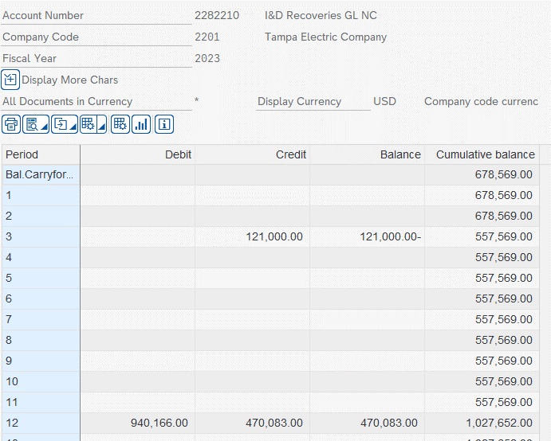
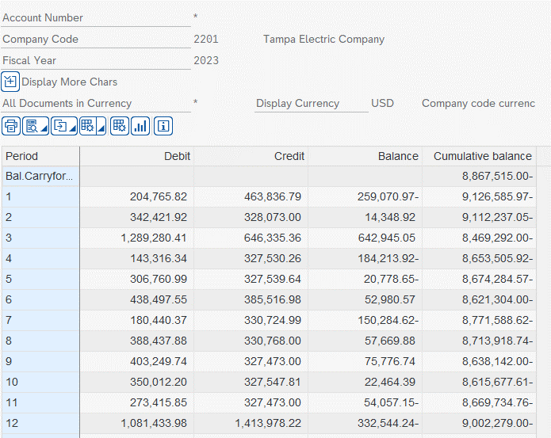

 |  |  |  |  | BOP | 8,188,946.00
 |  |  |  |  | EOP | 7,974,627.00

 | FERC balances obtained from the following file:

 | 2024 Budget FERC Trial Balance (MFR)

 | 2025 Budget FERC Trial Balance (MFR)

 |  |  |  |  |  |  |  |  |  | Account 2282220
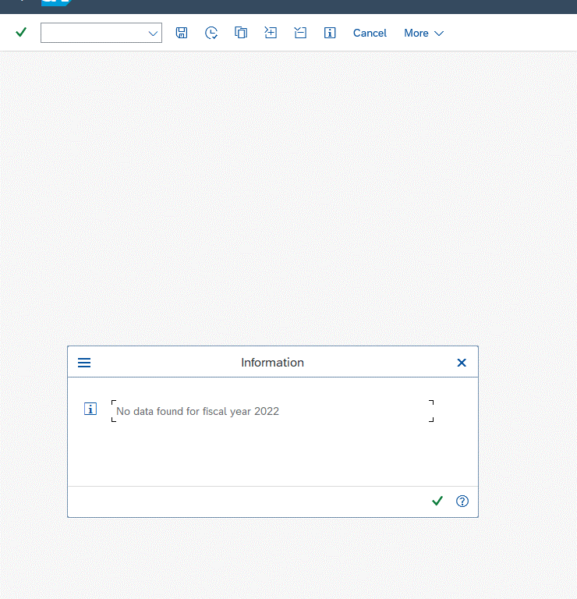

 |  |  |  |  |  |  |  |  |  | 8192344.79

 |  |  |  |  |  |  |  |  |  | 8295993.63

2282010,2282210
I&D General & Auto Liability Reserve
2282210/2282010/6700509

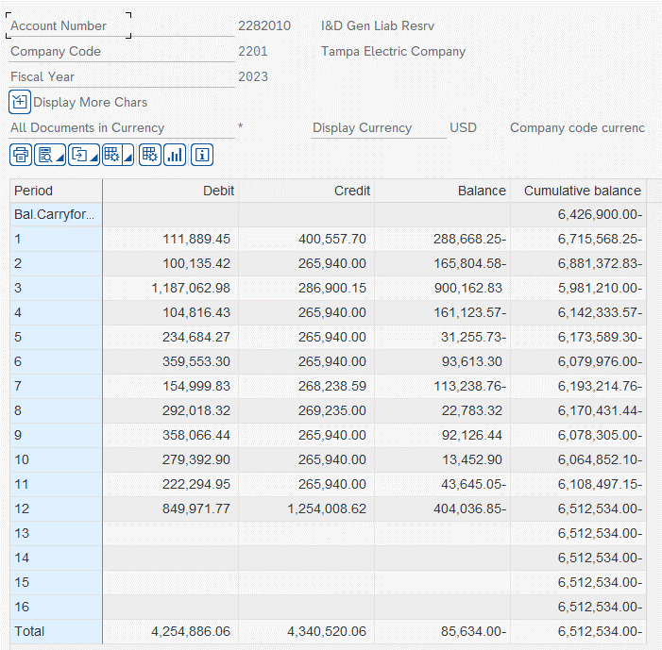
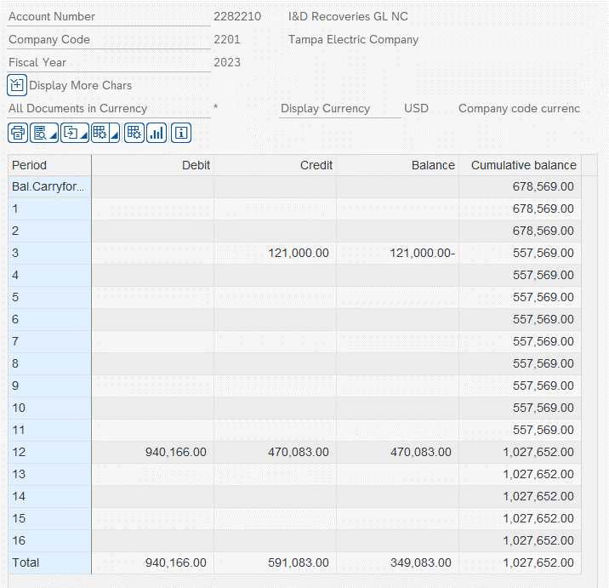
 |  | Debits |  |  | Credits
 | Beginning | KR and YI doc types |  |  |  |  |  |  | Ending
 | Balance | A/P | True-up | Misc. | ARM | Misc. | Exp Accruals | True-up | Balance
January 2023 | (5,748,331.00) | 111,889.45 |  |  | (51,221.63) | (83,396.07) | (265,940.00) |  | (6,036,999.25)
February 2023 | (6,036,999.25) | 100,135.42 |  |  |  |  | (265,940.00) |  | (6,202,803.83)
March 2023 | (6,202,803.83) | 587,361.29 | 478,701.69 |  |  | (20,960.15) | (265,940.00) |  | (5,423,641.00)
April 2023 | (5,423,641.00) | 104,816.43 |  |  |  |  | (265,940.00) |  | (5,584,764.57)
May 2023 | (5,584,764.57) | 234,684.27 |  |  |  |  | (265,940.00) |  | (5,616,020.30)
June 2023 | (5,616,020.30) | 206,070.47 | 153,482.83 |  |  |  | (265,940.00) |  | (5,522,407.00)
July 2023 | (5,522,407.00) | 154,999.83 |  |  |  | (2,298.59) | (265,940.00) |  | (5,635,645.76)
August 2023 | (5,635,645.76) | 292,018.32 |  |  |  | (3,295.00) | (265,940.00) |  | (5,612,862.44)
September 2023 | (5,612,862.44) | 149,776.32 | 208,290.12 |  |  |  | (265,940.00) |  | (5,520,736.00)
October 2023 | (5,520,736.00) | 279,392.90 |  |  |  |  | (265,940.00) |  | (5,507,283.10)
November 2023 | (5,507,283.10) | 222,294.95 |  |  |  |  | (265,940.00) |  | (5,550,928.15)
December 2023 | (5,550,928.15) | 355,937.46 | 470,083.00 |  |  | (379,188.50) | (265,940.00) | (114,845.81) | (5,484,882.00)
 |  | 2,799,377.11 | 1,310,557.64 | - | (51,221.63) | (489,138.31) | (3,191,280.00) | (114,845.81) | (263,449.00)

 |  |  | 1,195,711.83 | TU

 |  |  |  |  | GL 2282010 | GL 2282210 | True-up
 |  |  |  | 03/31/2023 | 599,701.69 | (121,000.00) | 478,701.69
 |  |  |  | 06/30/2023 | 153,482.83 |  | 153,482.83
 |  |  |  | 09/30/2023 | 208,290.12 |  | 208,290.12
 |  |  |  | 12/31/2023 | (114,845.81) | 470,083.00 | 355,237.19
 |  |  |  |  |  |  | 1,195,711.83

 |  |  |  |  |  |  |  |  |  | CoCd | Type | DocumentNo | Reference | Account | Text | Assignment | Profit Ctr | Order | Tx | Amount | Pstng Date
 |  |  |  |  |  |  |  |  |  | 2201 | KR | 1900000050 | 007831 REFUND | 2282010 |  | 20210105 | P01001 |  |  | 270.21 | 01/05/2022
 |  |  |  |  |  |  |  |  |  | 2201 | KR | 1900000029 | TEC2021050739 | 2282010 | TEC2021050739 | 20220104 | P01001 |  |  | 214.95 | 01/05/2022
 |  |  |  |  |  |  |  |  |  | 2201 | KR | 1900000159 | TEC2021051658 | 2282010 | TEC2021051658 | 20220104 | P01001 |  |  | 263.75 | 01/11/2022 | Row Labels | Sum of Amount
 |  |  |  |  |  |  |  |  |  | 2201 | KR | 1900000101 | TEC2021050456 | 2282010 | TEC2021050456 | 20220105 | P01001 |  |  | 140.00 | 01/07/2022 |  | 67,665.20
 |  |  |  |  |  |  |  |  |  | 2201 | KR | 1900000163 | TEC2021049033 | 2282010 | TEC2021049033 | 20220105 | P01001 |  |  | 1,000.00 | 01/11/2022 | *0336-0302-9 | 50.76
 |  |  |  |  |  |  |  |  |  | 2201 | KR | 1900000097 | TEC2021051699 | 2282010 | TEC2021051699 | 20220106 | P01001 |  |  | 189.00 | 01/07/2022 | *Claim #1MN68902 | 2,322.92
 |  |  |  |  |  |  |  |  |  | 2201 | KR | 1900000098 | TEC2021051622 | 2282010 | TEC2021051622 | 20220106 | P01001 |  |  | 1,390.46 | 01/07/2022 | *Claim #TEC2022055140 | 1,340.35
 |  |  |  |  |  |  |  |  |  | 2201 | KR | 1900000158 | TEC3020046020 | 2282010 | *INV # S89235 TEC3020046020 | 20220107 | P01001 |  |  | 471.16 | 01/11/2022 | *Claim #TEC2022055141 | 1,465.45
 |  |  |  |  |  |  |  |  |  | 2201 | KR | 1900000160 | TEC3019039202 | 2282010 | *INV # 5470021 TEC3019039202 | 20220107 | P01001 |  |  | 418.00 | 01/11/2022 | *D662SBK-42K2 | 203.50
 |  |  |  |  |  |  |  |  |  | 2201 | KR | 1900000161 | TEC2020047920 | 2282010 | *INV # 2336 TEC2020047920 | 20220107 | P01001 |  |  | 2,450.00 | 01/11/2022 | *INV # 1327384 TEC2017031415 | 2,978.40
 |  |  |  |  |  |  |  |  |  | 2201 | KR | 1900000162 | TEC3019039202 | 2282010 | *INV # SIEN TEC3019039202 | 20220107 | P01001 |  |  | 2,000.00 | 01/11/2022 | *INV # 2336 TEC2020047920 | 2,450.00
 |  |  |  |  |  |  |  |  |  | 2201 | KR | 1900000168 | TEC2021051054 | 2282010 | TEC2021051054 | 20220111 | P01001 |  |  | 1,504.99 | 01/11/2022 | *INV # 5470021 TEC3019039202 | 418.00
 |  |  |  |  |  |  |  |  |  | 2201 | KR | 1900000174 | TEC2021051696 | 2282010 | TEC2021051696 | 20220111 | P01001 |  |  | 560.89 | 01/12/2022 | *INV # S89235 TEC3020046020 | 471.16
 |  |  |  |  |  |  |  |  |  | 2201 | KR | 1900000176 | TEC2021051723 | 2282010 | TEC2021051723 | 20220111 | P01001 |  |  | 391.17 | 01/12/2022 | *INV # S89600 TEC3019039202 | 371.30
 |  |  |  |  |  |  |  |  |  | 2201 | YI | 9200001495 | 61639 | 2282010 | Barnett & Chistolini, Tampa | 20220111 | P01001 |  |  | 343.00 | 01/14/2022 | *INV # S89952 TEC2020047920 | 745.40
 |  |  |  |  |  |  |  |  |  | 2201 | YI | 9200001496 | 61643 | 2282010 | Barnett & Chistolini, Tampa | 20220111 | P01001 |  |  | 3,638.22 | 01/14/2022 | *INV # S89953 TEC2020047920 | 703.44
 |  |  |  |  |  |  |  |  |  | 2201 | YI | 9200001497 | 61644 | 2282010 | Barnett & Chistolini, Tampa | 20220111 | P01001 |  |  | 592.00 | 01/14/2022 | *INV # SIEN 19CA9143 TEC3019039202 | 540.00
 |  |  |  |  |  |  |  |  |  | 2201 | YI | 9200001498 | 61647 | 2282010 | Barnett & Chistolini, Tampa | 20220111 | P01001 |  |  | 1,438.50 | 01/14/2022 | *INV # SIEN TEC3019039202 | 2,000.00
 |  |  |  |  |  |  |  |  |  | 2201 | YI | 9200001499 | 61650 | 2282010 | Barnett & Chistolini, Tampa | 20220111 | P01001 |  |  | 58.50 | 01/14/2022 | *INV # VRC-2000692 TEC3021048488 | 3,078.16
 |  |  |  |  |  |  |  |  |  | 2201 | YI | 9200001500 | 61651 | 2282010 | Barnett & Chistolini, Tampa | 20220111 | P01001 |  |  | 833.00 | 01/14/2022 | *INV 1734720 INV 1734720 | 3,206.00
 |  |  |  |  |  |  |  |  |  | 2201 | YI | 9200001501 | 61652 | 2282010 | Barnett & Chistolini, Tampa | 20220111 | P01001 |  |  | 1,604.00 | 01/14/2022 | *INV 1746614 TEC2021050544 | 320.00
 |  |  |  |  |  |  |  |  |  | 2201 | YI | 9200001502 | 61658 | 2282010 | Barnett & Chistolini, Tampa | 20220111 | P01001 |  |  | 2,490.50 | 01/14/2022 | *INV FLDP2165275 TEC2021050443 | 164.58
 |  |  |  |  |  |  |  |  |  | 2201 | YI | 9200001503 | 61661 | 2282010 | Barnett & Chistolini, Tampa | 20220111 | P01001 |  |  | 647.50 | 01/14/2022 | *INV FLFR22271399 TEC2021052991 | 2,528.85
 |  |  |  |  |  |  |  |  |  | 2201 | YI | 9200001504 | 61662 | 2282010 | Barnett & Chistolini, Tampa | 20220111 | P01001 |  |  | 117.00 | 01/14/2022 | *INV# 01 11 2022 TEC3018036308 | 1,300.00
 |  |  |  |  |  |  |  |  |  | 2201 | YI | 9200001505 | 61663 | 2282010 | Barnett & Chistolini, Tampa | 20220111 | P01001 |  |  | 175.50 | 01/14/2022 | *INV# 04620 TEC3022054071 | 522.50
 |  |  |  |  |  |  |  |  |  | 2201 | YI | 9200001506 | 61665 | 2282010 | Barnett & Chistolini, Tampa | 20220111 | P01001 |  |  | 78.00 | 01/14/2022 | *INV# 1348991 TEC2017031415 | 1,611.60
 |  |  |  |  |  |  |  |  |  | 2201 | YI | 9200001507 | 61667 | 2282010 | Barnett & Chistolini, Tampa | 20220111 | P01001 |  |  | 78.00 | 01/14/2022 | *INV# 1374012 TEC3018037753 | 1,800.00
 |  |  |  |  |  |  |  |  |  | 2201 | YI | 9200001508 | 61668 | 2282010 | Barnett & Chistolini, Tampa | 20220111 | P01001 |  |  | 78.00 | 01/14/2022 | *INV# 1383077 TEC2017031415 | 612.00
 |  |  |  |  |  |  |  |  |  | 2201 | YI | 9200001509 | 61669 | 2282010 | Barnett & Chistolini, Tampa | 20220111 | P01001 |  |  | 156.00 | 01/14/2022 | *INV# 150804 Claim # TEC3018036519 | 763.40
 |  |  |  |  |  |  |  |  |  | 2201 | YI | 9200001510 | 61670 | 2282010 | Barnett & Chistolini, Tampa | 20220111 | P01001 |  |  | 156.00 | 01/14/2022 | *INV# 16011 TEC2017030943 | 4,887.50
 |  |  |  |  |  |  |  |  |  | 2201 | YI | 9200001511 | 61673 | 2282010 | Barnett & Chistolini, Tampa | 20220111 | P01001 |  |  | 487.50 | 01/14/2022 | *INV# 20220098904-12 TEC3020046020 | 655.00
 |  |  |  |  |  |  |  |  |  | 2201 | YI | 9200001512 | 61674 | 2282010 | Barnett & Chistolini, Tampa | 20220111 | P01001 |  |  | 1,404.00 | 01/14/2022 | *INV# 211063001 TEC2021051823 | 26,500.00
 |  |  |  |  |  |  |  |  |  | 2201 | KR | 1900000180 | TEC2021051321 | 2282010 | TEC2021051321 | 20220112 | P01001 |  |  | 1,420.00 | 01/12/2022 | *INV# 21CA4801 TEC2020045465 | 585.00
 |  |  |  |  |  |  |  |  |  | 2201 | KR | 1900000231 | TEC2021051724 | 2282010 | TEC2021051724 | 20220113 | P01001 |  |  | 501.90 | 01/18/2022 | *INV# 2203047 TEC3020046020 | 1,950.00
 |  |  |  |  |  |  |  |  |  | 2201 | YI | 9200002129 | 68538 | 2282010 | Lau Lane Pieper Conley & McCreadie, P.A., Tampa | 20220117 | P01001 |  |  | 59.00 | 01/20/2022 | *INV# 2203091 TEC3020046020 | 1,525.00
 |  |  |  |  |  |  |  |  |  | 2201 | YI | 9200002130 | 68539 | 2282010 | Lau Lane Pieper Conley & McCreadie, P.A., Tampa | 20220117 | P01001 |  |  | 236.00 | 01/20/2022 | *INV# 22-049 TEC2017031480 | 8,625.00
 |  |  |  |  |  |  |  |  |  | 2201 | YI | 9200002131 | 68540 | 2282010 | Lau Lane Pieper Conley & McCreadie, P.A., Tampa | 20220117 | P01001 |  |  | 147.50 | 01/20/2022 | *INV# 22108 TEC2020046026 | 5,564.10
 |  |  |  |  |  |  |  |  |  | 2201 | YI | 9200002132 | 68541 | 2282010 | Lau Lane Pieper Conley & McCreadie, P.A., Tampa | 20220117 | P01001 |  |  | 2,899.50 | 01/20/2022 | *INV# 2212 TEC3021048488 | 650.00
 |  |  |  |  |  |  |  |  |  | 2201 | YI | 9200002133 | 68542 | 2282010 | Lau Lane Pieper Conley & McCreadie, P.A., Tampa | 20220117 | P01001 |  |  | 444.00 | 01/20/2022 | *INV# 22-3480662 TEC3022054692 | 19,243.70
 |  |  |  |  |  |  |  |  |  | 2201 | YI | 9200002134 | 68544 | 2282010 | Lau Lane Pieper Conley & McCreadie, P.A., Tampa | 20220117 | P01001 |  |  | 513.50 | 01/20/2022 | *INV# 2383 TEC3022053347 | 6,975.63
 |  |  |  |  |  |  |  |  |  | 2201 | YI | 9200002135 | 68545 | 2282010 | Lau Lane Pieper Conley & McCreadie, P.A., Tampa | 20220117 | P01001 |  |  | 147.50 | 01/20/2022 | *INV# 28 TEC3017030096 | 2,250.00
 |  |  |  |  |  |  |  |  |  | 2201 | YI | 9200002137 | 68547 | 2282010 | Lau Lane Pieper Conley & McCreadie, P.A., Tampa | 20220117 | P01001 |  |  | 471.50 | 01/20/2022 | *INV# 3547151 TEC2021052578 | 8,583.98
 |  |  |  |  |  |  |  |  |  | 2201 | YI | 9200002138 | 68548 | 2282010 | Lau Lane Pieper Conley & McCreadie, P.A., Tampa | 20220117 | P01001 |  |  | 1,768.00 | 01/20/2022 | *INV# 3548574 TEC2021052578 | 6,469.10
...

2282020,2282030
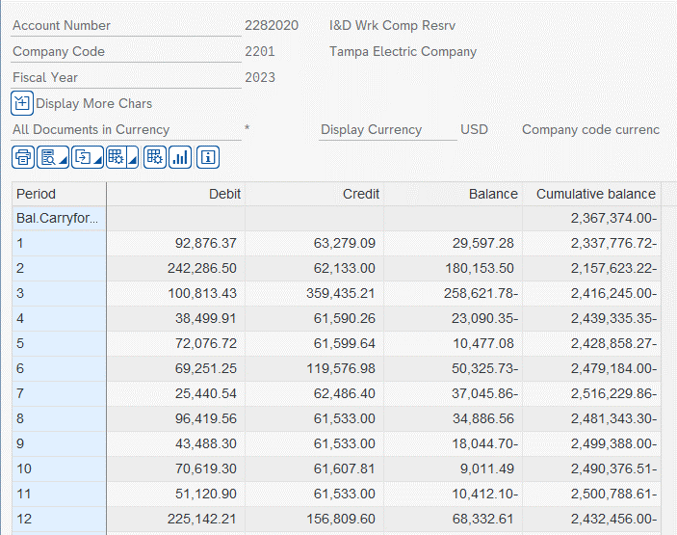
...
 |  |  |  |  |  |  | Credits
 |  |  |  |  |  |  |  |  | JE 40500 |  | Ending
 |  |  |  |  |  |  | ARM | MISC | Exp Accruals | True-Up | Balance
 |  |  |  |  |  |  |  | (1,746.09) | (61,533.00) |  | (2,337,776.72)
 |  |  |  |  |  |  |  | (600.00) | (61,533.00) |  | (2,157,623.22)
 |  |  |  |  |  |  | (297,706.61) | (195.60) | (61,533.00) |  | (2,416,245.00)
 |  |  |  |  |  |  |  | (57.26) | (61,533.00) |  | (2,439,335.35)
 |  |  |  |  |  |  |  | (66.64) | (61,533.00) |  | (2,428,858.27)
 |  |  |  |  |  |  |  |  | (61,533.00) | (58,043.98) | (2,479,184.00)
 |  |  |  |  |  |  |  | (953.40) | (61,533.00) |  | (2,516,229.86)
 |  |  |  |  |  |  |  |  | (61,533.00) |  | (2,481,343.30)
September 2023 | (2,481,343.30) |  | 7,876.43 |  |  | 35,611.87 |  | (74.81) | (61,533.00) |  | (2,499,462.81)
October 2023 | (2,499,462.81) |  |  |  |  | 70,619.30 |  |  | (61,533.00) |  | (2,490,376.51)
November 2023 | (2,490,376.51) |  |  |  |  | 51,120.90 |  | (7,411.14) | (61,533.00) |  | (2,508,199.75)
December 2023 | (2,508,199.75) |  | 183,030.92 |  |  | 42,111.29 |  |  | (61,533.00) | (87,865.46) | (2,432,456.00)
 |  | - | 259,776.97 | - | - | 868,258.02 | (297,706.61) | (11,104.94) | (738,396.00) | (145,909.44) | 65,081.80

 |  |  | 113,867.53 | TU

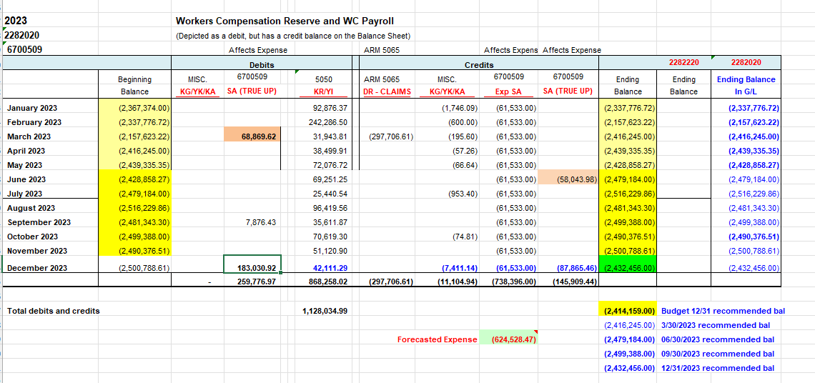

2282040
...
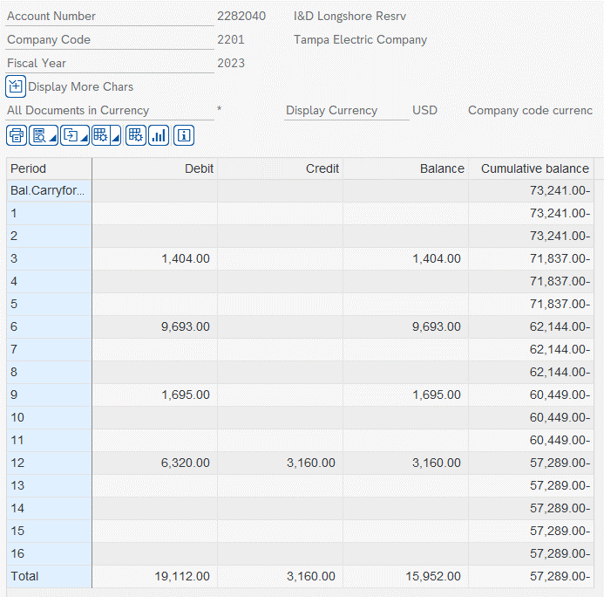
...
 |  |  |  |  |  |  |  |  |  |  | Ending
 |  |  |  |  |  |  |  | Misc. | Exp Accruals | True-up | Balance
 |  |  |  |  |  |  |  |  | - |  | (73,241.00)
 |  |  |  |  |  |  |  |  | - |  | (73,241.00)
 |  |  |  |  |  |  |  |  | - |  | (71,837.00)
 |  |  |  |  |  |  |  |  | - |  | (71,837.00)
 |  |  |  |  |  |  |  |  | - |  | (71,837.00)
 |  |  |  |  |  |  |  |  | - |  | (62,144.00)
July 2023 | (62,144.00) |  |  |  |  | - |  |  | - |  | (62,144.00)
August 2023 | (62,144.00) |  |  |  |  | - |  |  | - |  | (62,144.00)
September 2023 | (62,144.00) |  | 1,695.00 |  |  | - |  |  | - |  | (60,449.00)
October 2023 | (60,449.00) |  |  |  |  | - |  |  | - |  | (60,449.00)
November 2023 | (60,449.00) |  |  |  |  | - |  |  | - |  | (60,449.00)
December 2023 | (60,449.00) |  | 3,160.00 |  |  |  |  | - |  |  | (57,289.00)
 |  | - | 15,952.00 | - | - | - | - | - | - | - | (15,952.00)

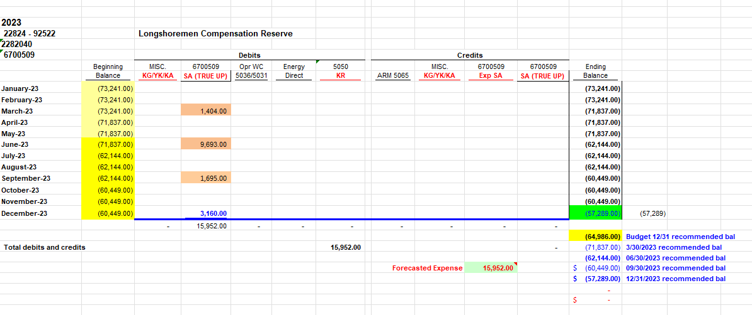

228.4 - Lit Res
Account | FERC Account
2284020 | 92284000

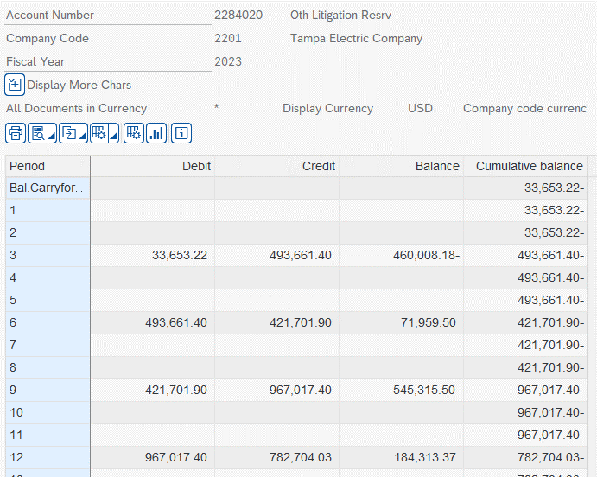
 | 2023 | Forecast
 | 2022 Ending Balance | 33,653.22
 | 2023 7+5 Ending Balance
 |  | (33,653.22)

 | 2023 | Actual
 | 2022 Ending Balance | 33,653.22
 | 2023 Ending Balance | 782,704.03
 |  | 749,050.81

 | 2024
 | 2023 Ending Balance | 782,704.03
 | 2024 Budget Ending Balance | 782,704.03
 |  | -

 | 2025
 | 2024 Budget Ending Balance | 782,704.03
 | 2025 Budget Ending Balance | 782,704.03
 |  | -
...

