Pole Attachments
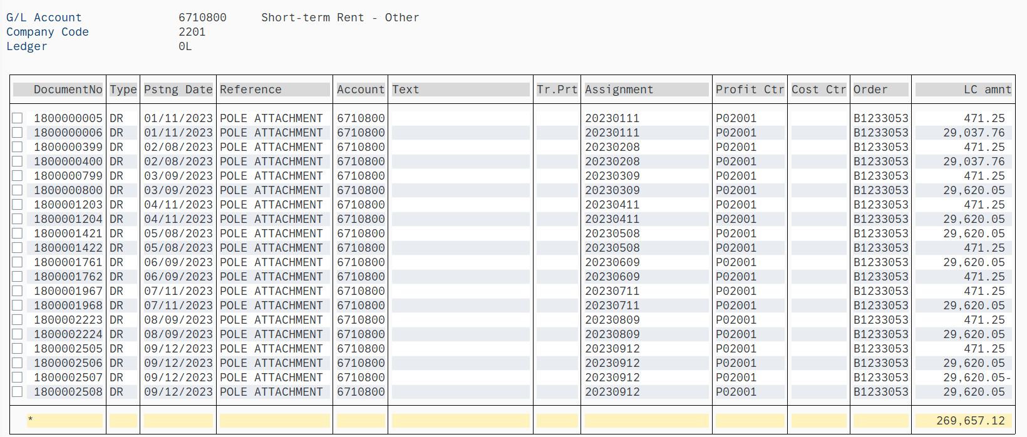

 | Q1 | Q2 | Q3 | Q4 | YTD
Pole Attachments: | 89,109.32 | 90,273.90 | 90,273.90 | - | 269,657.12

 | 29,037.76 | 471.25 | 471.25
 | 471.25 | 29,620.05 | 29,620.05
 | 29,037.76 | 29,620.05 | 471.25
 | 471.25 | 471.25 | 29,620.05
 | 29,620.05 | 29,620.05 | 471.25
 | 471.25 | 471.25 | 29,620.05
 |  |  | (29,620.05)
 |  |  | 29,620.05

