930.2 Rpt
 | Tampa Electric Company
 | Schedule XIX - Miscellaneous General Expenses - Account 930.2
Accts | Descriptions | Jan | Feb | Mar | Apr | May | Jun | Jul | Aug | Sep | Oct | Nov | Dec | YTD
Accounts | CFR:
6790102 | Fees - Report Filings | 350.00 | 495.40 | - | - | 887.50 | - | - | - | 3,008.00 | - | - | 71,000.00 | 75,740.90
6790103 | Fees - Registration | - | - | - | - | - | - | - | - | - | - | - | - | -
6790199 | Fees - Miscellaneous | - | - | - | - | 9,075.00 | - | - | - | 13,785.06 | (7,973.11) | (1,047.99) | 42.16 | 13,881.12
6790060 | Industry Assocation Dues | 452,227.07 | 45,995.00 | 496,546.82 | 10,157.44 | 36,365.00 | 486,131.07 | 39,465.75 | 1,038.89 | 482,828.84 | 31,500.00 | 54,550.00 | 131,487.81 | 2,268,293.69
6790030 | Director's Fees and Expenses | - | - | 151,206.36 | 2,659.72 | 1,337.74 | 127,499.52 | 31,875.00 | 1,549.81 | 125,070.50 | - | 2,035.39 | 130,273.32 | 573,507.36
6790040 | Director's Restricted Stock Expense | - | - | 42.81 | 75.20 | - | (118.00) | - | - | - | - | - | - | 0.01
6790050 | Deferred Compensation | - | - | 119,315.91 | - | - | 223,427.86 | - | - | (239,685.63) | - | - | (106,572.97) | (3,514.83)
6790101 | Bank Fees | - | - | - | - | - | - | - | - | - | - | - | - | -
6100200 | Trustee Fees | - | - | - | - | - | 16,000.00 | - | - | - | 20,200.00 | 9,147.02 | - | 45,347.02
 | CFR Total: | 452,577.07 | 46,490.40 | 767,111.90 | 12,892.36 | 47,665.24 | 852,940.45 | 71,340.75 | 2,588.70 | 385,006.77 | 43,726.89 | 64,684.42 | 226,230.32 | 2,973,255.27

 | Intracompany:
OPS-07173.O.9302 | Accounts Payable | - | 3,602.99 | - | - | - | - | - | - | - | - | - | - | 3,602.99
 | Asset Development | - | - | - | - | - | - | - | - | 239.00 | - | - | - | 239.00
 | Business Planning | - | - | 210.31 | 134.20 | 704.56 | 673.27 | - | 316.47 | - | 307.00 | 148.27 | 487.71 | 2,981.79
 | Community Relations | - | - | - | - | - | - | - | - | - | - | - | - | -
OPS-07174.O.9302 | Corporate Communcations | 93,350.59 | 167,660.83 | 190,065.61 | 149,104.51 | 117,626.06 | 152,745.64 | 193,438.67 | (9,654.80) | 274.69 | 710.17 | (1,037,948.78) | 3,577.17 | 20,950.36
OPS-07402.O.9302 | Corporate | 2,432.65 | 1,956.46 | 2,607.73 | 2,130.53 | 324,210.85 | 49,612.87 | 329.67 | 274.37 | 195.37 | (81,172.20) | 360.00 | 225.30 | 303,163.60
 | Corporate Charges | - | - | - | - | - | - | - | - | - | - | - | - | -
OPS-07428.O.9302 | Emergency Management | 1,213.41 | 1,309.16 | 3,428.52 | 1,807.78 | - | - | - | - | - | - | - | - | 7,758.87
OPS-04253 | Energy Supply | - | - | - | - | - | - | - | - | - | - | - | - | -
OPS-04277 | Environment Health & Safety | 14,814.03 | 9,463.43 | 61,480.33 | 6,987.90 | 9,516.52 | 6,310.40 | 10,496.06 | 12,410.79 | 28,422.20 | 12,329.34 | 46,998.87 | 19,827.05 | 239,056.92
D0084369 | Facilities | 30.29 | 30.29 | 415.60 | 30.29 | 30.29 | 30.29 | 30.29 | 30.29 | 83.58 | 30.29 | 48.05 | 69.70 | 859.25
OPS-04900 & 06640 | Florida Conservation and Technology Center | 52,273.21 | 39,037.20 | 39,237.46 | 44,859.40 | 44,117.74 | (68,931.81) | 84,681.59 | 8,104.00 | 7,813.38 | 47,794.36 | 65,478.07 | 56,594.25 | 421,058.85
OPS-07492.O.9200 | Federal Affairs | - | - | - | - | - | - | - | - | - | - | - | - | -
 | HR | 50.89 | 41.51 | 41.51 | 48.62 | 62.46 | 49.49 | 48.56 | 48.57 | 48.57 | 48.79 | 48.73 | 53.55 | 591.25
OPS-07433.O.9302 | IT | 642.91 | - | (11,036.46) | - | - | 8,638.79 | - | - | - | - | - | - | (1,754.76)
 | Legal | - | - | - | - | - | - | - | - | - | - | - | - | -
OPS-05000 | MVC Stewardship | 57,958.42 | 21,311.43 | 62,503.17 | 15,437.55 | 23,516.18 | 10,526.60 | 58,005.82 | 20,021.01 | 56,386.00 | 18,745.98 | 27,523.20 | 22,415.78 | 394,351.14
OPS-07416 & 07467 | IT NERC Costs | 52,103.72 | 173,519.73 | 92,087.69 | 26,328.94 | 23,777.92 | 57,231.26 | 34,525.76 | 43,801.94 | 42,292.29 | 33,627.62 | 38,416.29 | 38,038.20 | 655,751.36
OPS-09642.O.9302 | Pandemic Items | - | - | - | - | - | - | - | - | - | - | - | - | -
 | Plant Accounting | - | - | - | - | - | - | - | - | - | - | - | - | -
 | Real Estate | - | - | - | - | - | - | - | - | - | 5,000.00 | - | 7,390.00 | 12,390.00
 | Regulatory | - | - | - | - | - | - | - | - | - | - | - | - | -
 | Regulatory Accounting | - | - | - | - | 4,298.09 | - | - | - | - | - | - | 101.59 | 4,399.68
 | Safety | - | - | - |  | - | - | - | - | 12.49 | - | 240.32 | 51.47 | 304.28
OPS-07424.O.9302 | Security Costs | - | - | - | - | - | - | - | - | - | 6,217.75 | - | 1,307.00 | 7,524.75
 | Settlements | - | - | - | - | 1,700.80 | - | - | - | - | - | - | - | 1,700.80
 | Strategy | - | - | 10,088.09 | (4,798.86) | - | - | - | - | - | - | - | - | 5,289.23
 | Telecom Activities | (2,149.95) | 48.06 | 48.06 | 32.29 | - | - | - | - | - | - | - | - | (2,021.54)
 | Intracompany Total: | 272,720.17 | 417,981.09 | 451,177.62 | 242,103.15 | 549,561.47 | 216,886.80 | 381,556.42 | 75,352.64 | 135,767.57 | 43,639.10 | (858,686.98) | 150,138.77 | 2,078,197.82

 | Intercompany:
 | PGS Direct Intercompany Charges (IN) | 3,893.57 | 3,559.22 | 4,362.28 | 3,549.79 | 4,169.45 | 3,912.22 | 3,860.37 | 3,351.39 | 3,998.65 | 3,932.42 | 4,080.93 | 3,765.47 | 46,435.76
D0083632 | FERC Fringe Reclass | - | - | 80,377.76 | - | - | 122,814.49 | - | - | 121,290.39 | - | - | 158,935.24 | 483,417.88
6790700 | WAM Rent Lease (89806) | (3,648.75) | (3,648.75) | (3,648.75) | (3,648.75) | (3,648.75) | (3,648.75) | (3,648.75) | (3,648.75) | (3,648.75) | (3,648.75) | (3,648.75) | (3,648.75) | (43,785.00)
 | Total Peoples Gas Direct Charges | 244.82 | (89.53) | 81,091.29 | (98.96) | 520.70 | 123,077.96 | 211.62 | (297.36) | 121,640.29 | 283.67 | 432.18 | 159,051.96 | 486,068.64

D0083294 | NMGC Direct IT to TEC SS Billing (IN) | 2,566.68 | 1,250.68 | 1,908.68 | 1,908.68 | 1,908.68 | 1,908.68 | 1,908.68 | 1,908.68 | 1,908.68 | 1,908.68 | 1,908.68 | 1,908.68 | 22,904.16
D0083242 | NMGC Direct IT to TEC Billing (IN) | 18,027.67 | 3,181.06 | 10,604.36 | 10,604.36 | 10,604.36 | 10,604.36 | 10,604.36 | 10,604.36 | 10,604.36 | 10,604.36 | 10,604.36 | 10,604.36 | 127,252.33
...
 |  | 1,362,044.86 | 1,541,153.75 | 3,077,698.12 | 1,322,712.03 | 1,579,908.52 | 2,673,449.99 | 1,261,763.72 | 860,142.67 | 1,868,415.63 | 789,055.72 | 112,256.88 | 1,987,424.57 | 18,436,026.46
 |  | 1,362,044.86 | 1,541,153.75 | 3,077,698.12 | 1,322,712.03 | 1,579,908.52 | 2,673,449.99 | 1,261,763.72 | 860,142.67 | 1,868,415.63 | 789,055.72 | 112,256.88 | 1,987,424.57 | 18,436,026.46
 |  | - | - | - | - | - | - | - | - | - | - | 0.00 | - | -

 |  | 23% | 3% | 29% | 1% | 4% | 32% | 5% | -4% | 21% | 6% | 73% | 11% | 16%
 |  | 20% | 27% | 15% | 18% | 35% | 8% | 30% | 9% | 7% | 6% | -765% | 8% | 11%
 |  | 57% | 70% | 56% | 81% | 61% | 60% | 64% | 95% | 72% | 89% | 792% | 81% | 73%
 |  | 100% | 100% | 100% | 100% | 100% | 100% | 100% | 100% | 100% | 100% | 100% | 100% | 100%

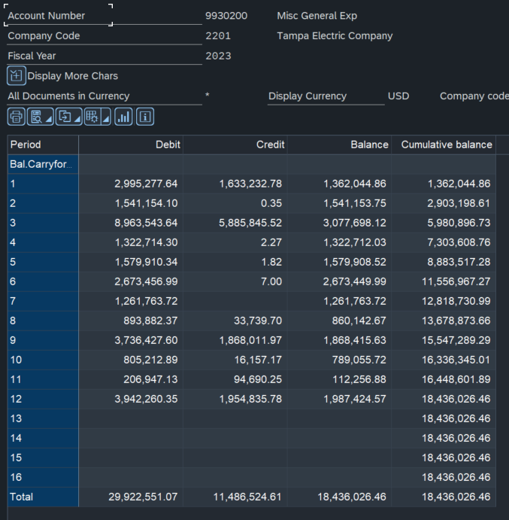

Avg Cust
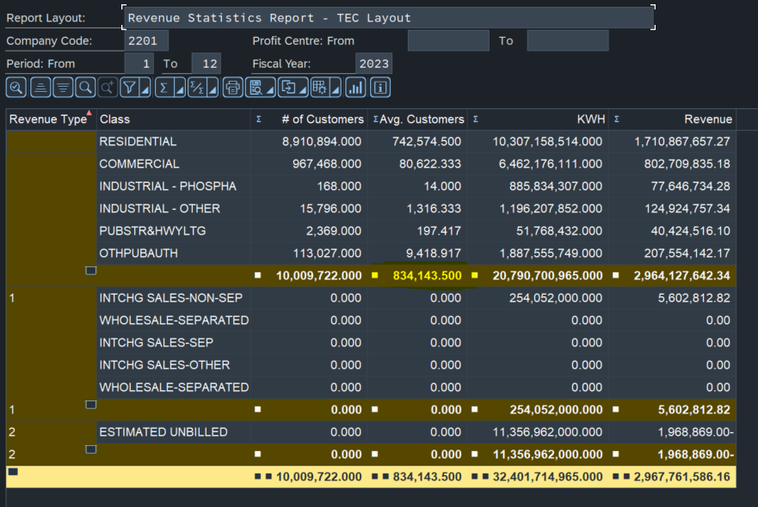

834,143.50

