FIN053
Document no. | Company Code | Company Name | Fiscal year / period | Period | Posting key | Assignment Number | Item Text | Order Number | G/L Account | GL | Reference Key | Vendor | Vendor Name | Posting Date | Document type | Document Header Text | Vendor Invoice No | Created on | Amount | Organization
100000337 | 2201 | Tampa Electric Company | 001/2023 | JAN 2023 | 40 | 20221121 | 28894 | D0083275 | Industry Dues | 1001/6790060 | 010000033722012023 | 10015103 | NORTH AMERICAN ELECTRIC | 01/04/2023 | AB | # | 28894 | 01/04/2023 | 207873.91
100013903 | 2201 | Tampa Electric Company | 003/2023 | MAR 2023 | 40 | 20230217 | 29205 | D0083275 | Industry Dues | 1001/6790060 | 010001390322012023 | 10015103 | NORTH AMERICAN ELECTRIC | 03/16/2023 | AB | # | 29205 | 03/16/2023 | 207873.91
100016380 | 2201 | Tampa Electric Company | 003/2023 | MAR 2023 | 40 | 20230331 | EEI DUE AMORTIZATION | D0083274 | Industry Dues | 1001/6790060 | 010001638022012023 | # | Not assigned | 03/31/2023 | SA | EEI DUE AMORTIZATION | 40005 | 03/31/2023 | 184616.75
100031649 | 2201 | Tampa Electric Company | 006/2023 | JUN 2023 | 40 | 20230522 | PHONE 404-446-2560 TOTAL AMOUNT DUE: 20 | D0083275 | Industry Dues | 1001/6790060 | 010003164922012023 | 10015103 | NORTH AMERICAN ELECTRIC | 06/19/2023 | AB | # | 29562 | 06/19/2023 | 207873.91
100033410 | 2201 | Tampa Electric Company | 006/2023 | JUN 2023 | 40 | 20230630 | EEI DUE AMORTIZATION | D0083274 | Industry Dues | 1001/6790060 | 010003341022012023 | # | Not assigned | 06/30/2023 | SA | EEI DUE AMORTIZATION | 40005 | 06/30/2023 | 184616.75
100033735 | 2201 | Tampa Electric Company | 006/2023 | JUN 2023 | 40 | External Affairs R | FLORIDA STATE HISPANIC CHAMBER OF COMMERCE | D0083619 | Industry Dues | 1001/6790060 | 010003373522012023 | # | Not assigned | 06/30/2023 | SA | CORP ADMIN JUNE 2023 | 89044 | 07/05/2023 | 15000
100033735 | 2201 | Tampa Electric Company | 006/2023 | JUN 2023 | 40 | External Affairs R | TAMPA BAY CHAMBER FOUNDATION | D0083625 | Industry Dues | 1001/6790060 | 010003373522012023 | # | Not assigned | 06/30/2023 | SA | CORP ADMIN JUNE 2023 | 89044 | 07/05/2023 | 32750
100033735 | 2201 | Tampa Electric Company | 006/2023 | JUN 2023 | 40 | External Affairs R | TAMPA BAY CHAMBER FOUNDATION | D0083629 | Industry Dues | 1001/6790060 | 010003373522012023 | # | Not assigned | 06/30/2023 | SA | CORP ADMIN JUNE 2023 | 89044 | 07/05/2023 | 25000
100033735 | 2201 | Tampa Electric Company | 006/2023 | JUN 2023 | 50 | External Affairs R | THE JUNIOR LEAGUE OF TAMPA, INC | D0083619 | Industry Dues | 1001/6790060 | 010003373522012023 | # | Not assigned | 06/30/2023 | SA | CORP ADMIN JUNE 2023 | 89044 | 07/05/2023 | -8000
100033735 | 2201 | Tampa Electric Company | 006/2023 | JUN 2023 | 50 | External Affairs R | URBAN LEAGUE OF HILLSBOROUGH | D0083625 | Industry Dues | 1001/6790060 | 010003373522012023 | # | Not assigned | 06/30/2023 | SA | CORP ADMIN JUNE 2023 | 89044 | 07/05/2023 | -5000
100041523 | 2201 | Tampa Electric Company | 008/2023 | AUG 2023 | 40 | 20230817 | RECLASS FROM BAD DEBT TO INDUSTRY DUES | D0088570 | Industry Dues | 1001/6790060 | 010004152322012023 | # | Not assigned | 08/17/2023 | SA | ARM RECLASS | 10190-1 | 08/17/2023 | 213.89
100044506 | 2201 | Tampa Electric Company | 008/2023 | AUG 2023 | 40 | N/A | , 2225, INDUSTRY DUES | D0100576 | Industry Dues | 1001/6790060 | 010004450622012023 | # | Not assigned | 08/31/2023 | YK | 08-2023 TEC CE ACCRUAL | 30060 | 09/05/2023 | 24460
100045055 | 2201 | Tampa Electric Company | 009/2023 | SEP 2023 | 50 | N/A | , 2225, INDUSTRY DUES | D0100576 | Industry Dues | 1001/6790060 | 010004505522012023 | # | Not assigned | 09/10/2023 | YK | 08-2023 TEC CE ACCRUAL | 30060 | 09/08/2023 | -24460
100046179 | 2201 | Tampa Electric Company | 009/2023 | SEP 2023 | 40 | 20230818 | TOTAL AMOUNT DUE: 207,873.91 USD | D0083275 | Industry Dues | 1001/6790060 | 010004617922012023 | 10015103 | NORTH AMERICAN ELECTRIC | 09/18/2023 | AB | # | 29848 | 09/18/2023 | 207873.91
100048090 | 2201 | Tampa Electric Company | 009/2023 | SEP 2023 | 40 | 20230930 | EEI DUE AMORTIZATION | D0083274 | Industry Dues | 1001/6790060 | 010004809022012023 | # | Not assigned | 09/30/2023 | SA | EEI DUE AMORTIZATION | 40005 | 09/29/2023 | 184616.75
100048694 | 2201 | Tampa Electric Company | 009/2023 | SEP 2023 | 40 | 4500368491 | FCG | D0083633 | Industry Dues | 1001/6790060 | 010004869422012023 | # | Not assigned | 09/30/2023 | YK | 31035 SEPTEMBER ACCRUALS | 31035-1 | 10/03/2023 | 39465.75
100049454 | 2201 | Tampa Electric Company | 010/2023 | OCT 2023 | 50 | 4500368491 | FCG | D0083633 | Industry Dues | 1001/6790060 | 010004945422012023 | # | Not assigned | 10/01/2023 | YK | 31035 SEPTEMBER ACCRUALS | 31035-1 | 10/09/2023 | -39465.75
100060714 | 2201 | Tampa Electric Company | 012/2023 | DEC 2023 | 40 | 20231231 | EEI DUE AMORTIZATION | D0083274 | Industry Dues | 1001/6790060 | 010006071422012023 | # | Not assigned | 12/31/2023 | SA | EEI DUE AMORTIZATION | 40005 | 12/28/2023 | 184616.75
100061159 | 2201 | Tampa Electric Company | 012/2023 | DEC 2023 | 50 | 2023 RLGA EVENT | RECLASS TO POLITICAL CONTRIBUTIONS | D0083619 | Industry Dues | 1001/6790060 | 010006115922012023 | # | Not assigned | 12/31/2023 | SA | INDUSTRY DUES RECLASS | 89800-27 | 01/02/2024 | -10000
100061159 | 2201 | Tampa Electric Company | 012/2023 | DEC 2023 | 50 | 212354 | RECLASS PORTION TO POLITICAL CONTRIBUTIONS | A23744230003 | Industry Dues | 1001/6790060 | 010006115922012023 | # | Not assigned | 12/31/2023 | SA | INDUSTRY DUES RECLASS | 89800-27 | 01/02/2024 | -253.94
100061159 | 2201 | Tampa Electric Company | 012/2023 | DEC 2023 | 50 | 212354 | RECLASS PORTION TO POLITICAL CONTRIBUTIONS | B1233054 | Industry Dues | 1001/6790060 | 010006115922012023 | # | Not assigned | 12/31/2023 | SA | INDUSTRY DUES RECLASS | 89800-27 | 01/02/2024 | -130.82
100061159 | 2201 | Tampa Electric Company | 012/2023 | DEC 2023 | 50 | 212354 | RECLASS PORTION TO POLITICAL CONTRIBUTIONS | B1297699 | Industry Dues | 1001/6790060 | 010006115922012023 | # | Not assigned | 12/31/2023 | SA | INDUSTRY DUES RECLASS | 89800-27 | 01/02/2024 | -130.82
...
Document no. | Company Code | Company Name | Fiscal year / period | Period | Posting key | Assignment Number | Item Text | Order Number | G/L Account | GL | Reference Key | Vendor | Vendor Name
5000013561 | 2201 | Tampa Electric Company | 003/2023 | MAR 2023 | 81 | 20230320 | CHWMEG 2/19/2023 23-1497 7,400.00 | A27835000001 | Industry Dues | 1001/6790060 | 50011286472023 | 10017854 | CHWMEG INC
5100119272 | 2201 | Tampa Electric Company | 010/2023 | OCT 2023 | 81 | 20230901 | ENVIR COM QRTLY ASSESSMENT | D0083633 | Industry Dues | 1001/6790060 | 51001192722023 | 70002030 | FLORIDA ELECTRIC POWER
5100119272 | 2201 | Tampa Electric Company | 010/2023 | OCT 2023 | 81 | 20230901 | RCEC QUARTERLY ASSESSMENT | D0083633 | Industry Dues | 1001/6790060 | 51001192722023 | 70002030 | FLORIDA ELECTRIC POWER
5100119272 | 2201 | Tampa Electric Company | 010/2023 | OCT 2023 | 81 | 20230901 | TAC QUARTERLY ASSESSMENT | D0083633 | Industry Dues | 1001/6790060 | 51001192722023 | 70002030 | FLORIDA ELECTRIC POWER
9100000392 | 2201 | Tampa Electric Company | 003/2023 | MAR 2023 | 40 | 20220916 | # | B2204412 | Industry Dues | 1001/6790060 | 910000035223012023 | 10027461 | UNIVERSITY OF SOUTH FLORIDA
9100001156 | 2201 | Tampa Electric Company | 008/2023 | AUG 2023 | 40 | 20230809 | *INV 25775 | D0088570 | Industry Dues | 1001/6790060 | 910000115622012023 | 10057484 | NORTH TAMPA BAY CHAPTER

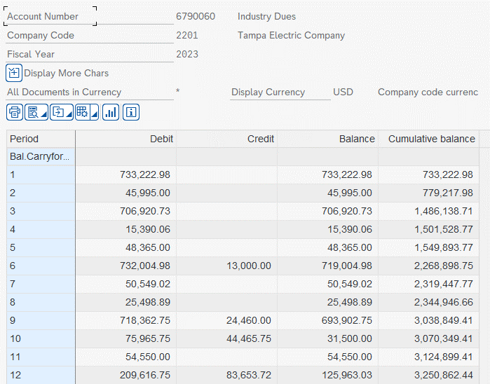
 | Row Labels | Sum of Amount
 | AIR AND WASTE MANAGEMENT ASSOC | 4,500.00
 | ASSOCIATED INDUSTRIES OF FL | 35,000.00
 | BAKER BOTTS LLP | 46,800.00
 | BUNDLE TRACK US LLC | 2,500.00
 | CHWMEG INC | 7,400.00
 | CONSUMER ENERGY ALLIANCE | 10,000.00
 | EDISON ELECTRIC INSTITUTE | 7,500.00
 | ELECTRIC DRIVE TRANSPORTATION | 26,460.00
 | FLORIDA CHAMBER OF COMMERCE | 115,000.00
 | FLORIDA CHAPTER OF THE AMERICAN | 1,750.00
 | FLORIDA ECONOMIC DEVELOPMENT | 5,000.00
 | FLORIDA ELECTRIC POWER | 160,560.00
 | FLORIDA MUNICIPAL ELECTRIC | 1,200.00
 | FLORIDA RELIABILITY COORDINATING | 1,020,257.30
 | FLORIDA TRUCKING ASSOCIATION INC | 5,995.00
 | GREATER BRANDON CHAMBER OF COMMERCE | 10,000.00
 | GREATER PLANT CITY | 615.00
 | GREATER TEMPLE TERRACE | 1,700.00
 | JABER GROUP INC | 20,000.00
 | LAKE JOVITA GOLF & CNTRY CLB | 107.00
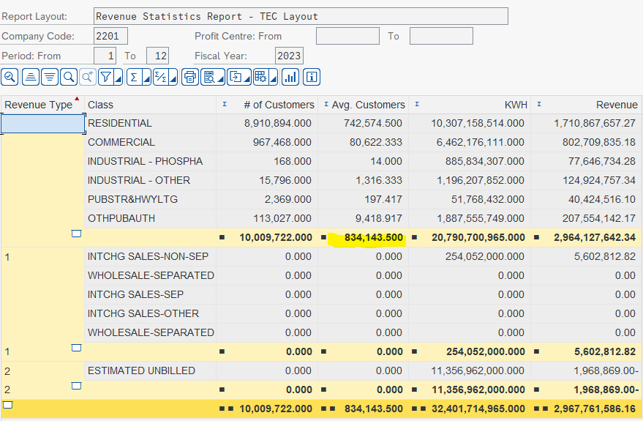
 | NATIONAL ENERGY & UTILITY | 15,000.00
 | NORTH AMERICAN ELECTRIC | 831,495.64
 | NORTH AMERICAN TRANSMISSION | 65,622.00
 | NORTH TAMPA BAY CHAPTER | 325.00
 | Not assigned | 729,777.17
 | PIONEER FLORIDA MUSEUM ASSOC | 500.00
 | REPUBLICAN ATTORNEYS GENERAL | 15,000.00
 | REPUBLICAN STATE LEADERSHIP | 20,000.00
 | SOUTHEASTERN ELECTRIC EXCHANGE | 11,083.27
 | SOUTHERN STATES ENERGY BOARD | 5,000.00
 | SOUTHSHORE CHAMBER OF COMMERCE | 750.00
 | TAMPA BAY LATIN CHAMBER | 550.00
 | THE JUNIOR LEAGUE OF TAMPA, INC | 8,000.00
 | UNIVERSITY OF FLORIDA FOUNDATION | 25,000.00
 | UNIVERSITY OF SOUTH FLORIDA | 2,500.00
 | UPPER TAMPA BAY CHAMBER OF | 18,000.00
 | URBAN LEAGUE OF HILLSBOROUGH | -
 | UTILITIES TECHNOLOGY COUNCIL | 15,390.06
 | VISIT TAMPA BAY | 1,500.00
 | WESTSHORE ALLIANCE INC | 3,025.00
 | Grand Total | 3,250,862.44

 | Not Assigned

2023A
...
*Below is the separated SR schedule, so there is a small difference related to separation
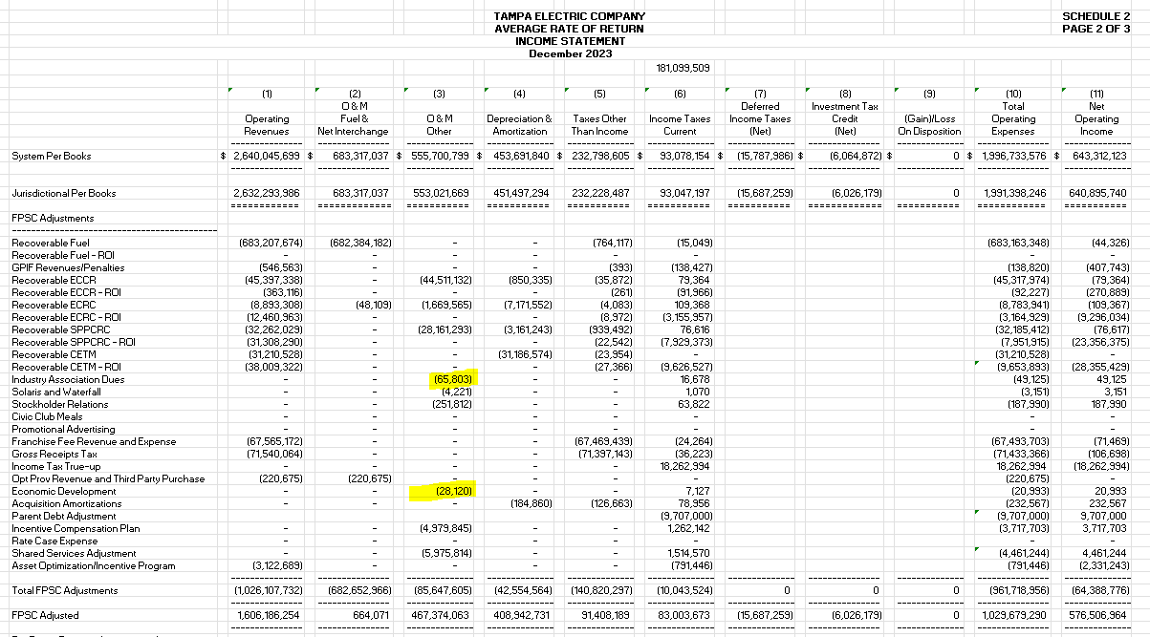

 |  | 66,069.37 | 100% of Community Dev/Lobbying inside Industry Dues GL Disallowance
 |  | 10,430.00 | 5% of Economic Dev inside Industry Dues GL Disallowance
 |  | 17,803.85 | 5% of Economic Dev GL Disallowance
 |  | 94,303.22

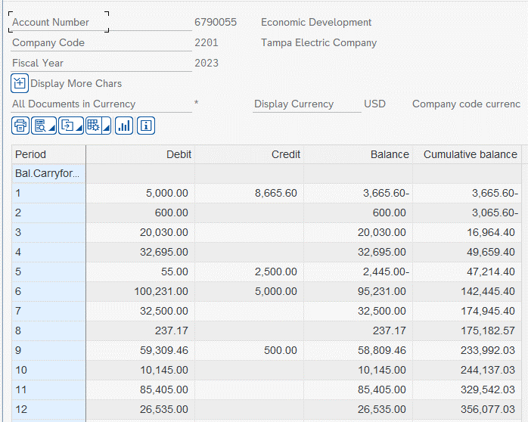

 | 5% of Econ Dev GL
 | 17,803.85

