2025A
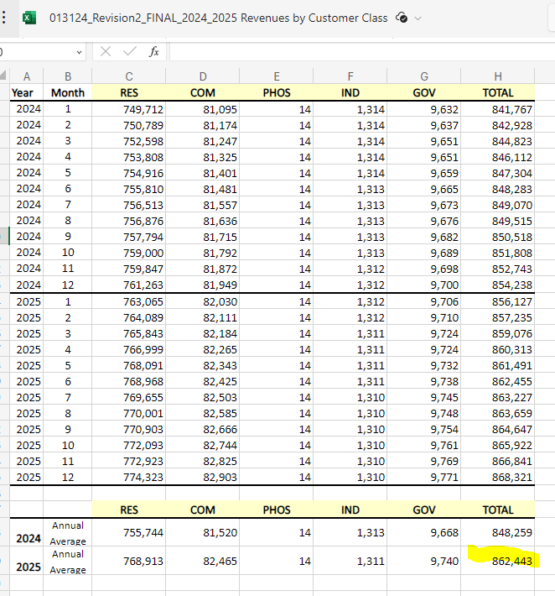
Per GL |  |  | Per GL | Per SR
 | American Institute of Chemical Engineers | Technical/Professional | 5,000.00 | 5,000.00
 | American Society of Civil Engineering | Technical/Professional | 5,000.00 | 5,000.00
 | American Society of Mechanical Engineering | Technical/Professional | 5,000.00 | 5,000.00
 | Assoc. of Edison Illuminating Companies, Inc. | Technical/Professional | 14,400.00 | 14,400.00
 | Associated Industries of Florida | Lobby Group | 35,000.00 |  | *100% disallowed on SR
 | Baker Botts | Technical/Professional | 45,800.00 | 45,800.00
 | Brandon Chamber of Commerce | Economic Development | 10,000.00 | 9,500.00 | *5% disallowed on SR
 | CHWMEG Inc | Business Association | 7,400.00 | 7,400.00
 | Drive Electric Florida | Economic Development | 25,000.00 | 23,750.00 | *5% disallowed on SR
 | E E I Electric Expenses (Utility Solid Waste Activities Group) | Technical/Professional | 5,000.00 | 5,000.00
 | Edison Electric Institute - Note 1 (EEI) | Technical/Professional | 800,324.00 | 800,324.00
 | Electric Drive Transportation Association (EDTA) | Business Association | 25,000.00 | 25,000.00
 | Florida Chamber of Commerce | Economic Development | 75,000.00 | 71,250.00 | *5% disallowed on SR
 | Florida Economic Development Council | Economic Development | 5,000.00 | 4,750.00 | *5% disallowed on SR
 | Florida Electric Power Coord. Group | Business Association | 137,922.00 | 137,922.00
 | Florida Reliability Coordinating Council | Technical/Professional | 1,184,257.00 | 1,184,257.00
 | Institute of Electrical and Electronics Engineers | Technical/Professional | 5,000.00 | 5,000.00
 | National Energy & Utility Affordability Coalition | Community Development | 20,000.00 |  | *100% disallowed on SR
 | North American Electric Reliability Corporation (NERC) | Business Association | 873,070.00 | 873,070.00
 | North American Transmission Forum | Business Association | 70,000.00 | 70,000.00
 | Smart Electric Power Alliance | Business Association | 2,500.00 | 2,500.00
 | Society of Women Engineers | Technical/Professional | 5,000.00 | 5,000.00
 | Southern States Energy Board | Economic Development | 5,000.00 | 4,750.00 | *5% disallowed on SR
 | Tampa Bay Clean Cities Coalition | Business Association | 2,500.00 | 2,500.00
 | University of Florida Foundation | Technical | 25,750.00 | 25,750.00
 | Upper Tampa Bay Regional Chamber of Commerce | Economic Development | 10,000.00 | 9,500.00 | *5% disallowed on SR
 | Urban League of Hillsborough | Economic Development | 5,000.00 | 4,750.00 | *5% disallowed on SR
 | Utilities Technology Council | Lobby Group | 9,860.00 |  | *100% disallowed on SR
 | Other EV Education Organizations |  | 25,000.00 | 25,000.00
 | Other |  | 20,000.00 | 20,000.00
 |  |  | 3,463,783.00 | 3,392,173.00

 |  |  |  | 71,610.00 | Total disallowed on SR

 |  |  |  | 120,650.00 | *Aggregate

 | *Below is the separated SR schedule, so there is a small difference related to separation

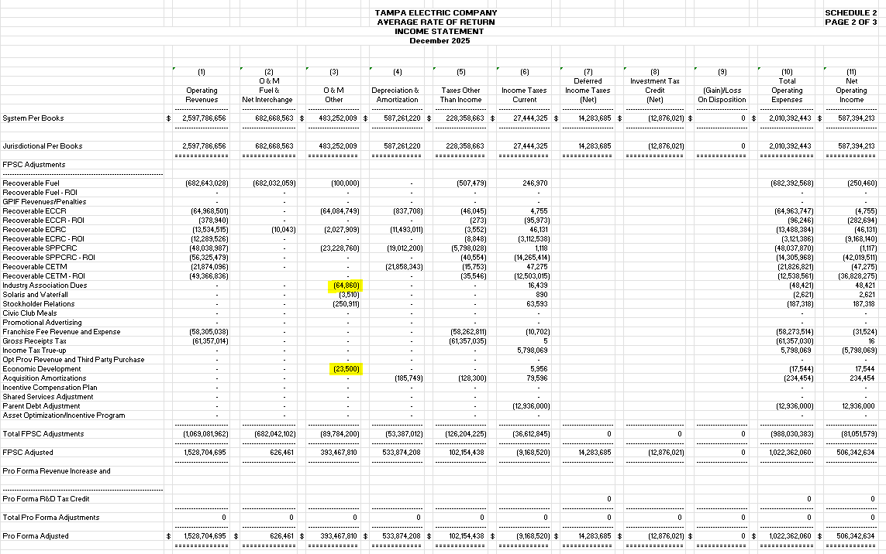

 |  |  |  |  |  | 64,860.00 | 100% of Community Dev/Lobbying inside Industry Dues GL Disallowance
 |  |  |  |  |  | 6,750.00 | 5% of Economic Dev inside Industry Dues GL Disallowance
 |  |  |  |  |  | 16,750.10 | 5% of Economic Dev GL Disallowance
 |  |  |  |  |  | 88,360.10

G
ECONOMIC DEVELOPMENT
 | CM Activity | Monthly 5% Disallowance | + Monthly Adjustments | Monthly Economic Development | 12- Month Total | 12 Month 5% Disallowance | + 12 Month Adjustments | Annual Economic Development | 6790060 | 6790060
 | 6790055 |  |  |  |  |  |  |  | Current Month Activity | Annualized | 14
Jan-25 | $97,997 | $4,900 | $- | $4,900 | $335,002 | $16,750.10 | 6,750 | 23,500.100 | $- | $64,860
Feb-25 | $10,000 | $500 | $- | $500 | $335,002 | $16,750.10 | 6,750 | 23,500.100 | $- | $64,860
Mar-25 | $16,470 | $824 | $- | $824 | $335,002 | $16,750.10 | 6,750 | 23,500.100 | $- | $64,860
Apr-25 | $26,647 | $1,332 | $- | $1,332 | $335,002 | $16,750.10 | 6,750 | 23,500.100 | $- | $64,860
May-25 | $11,290 | $565 | $- | $565 | $335,002 | $16,750.10 | 6,750 | 23,500.100 | $- | $64,860
Jun-25 | $13,385 | $669 | $- | $669 | $335,002 | $16,750.10 | 6,750 | 23,500.100 | $- | $64,860
Jul-25 | $24,197 | $1,210 | $- | $1,210 | $335,002 | $16,750.10 | 6,750 | 23,500.100 | $- | $64,860
Aug-25 | $11,500 | $575 | $- | $575 | $335,002 | $16,750.10 | 6,750 | 23,500.100 | $- | $64,860
Sep-25 | $26,500 | $1,325 | $- | $1,325 | $335,002 | $16,750.10 | 6,750 | 23,500.100 | $- | $64,860
Oct-25 | $54,516 | $2,726 | $- | $2,726 | $335,002 | $16,750.10 | 6,750 | 23,500.100 | $- | $64,860
Nov-25 | $29,500 | $1,475 | $- | $1,475 | $335,002 | $16,750.10 | 6,750 | 23,500.100 | $- | $64,860
Dec-25 | $13,000 | $650 | $6,750 | $7,400 | $335,002 | $16,750.10 | 6,750 | 23,500.100 | $64,860 | $64,860

UPDATE THESE CELLS EACH MONTH FOR INPUTS TAB
INPUTS
Community Development and Lobbying |  | 64,860.00 | $64,860
Economic Development |  | 23,500.10 | $7,400

