2-8 11 15 Benefit Cost - 2023
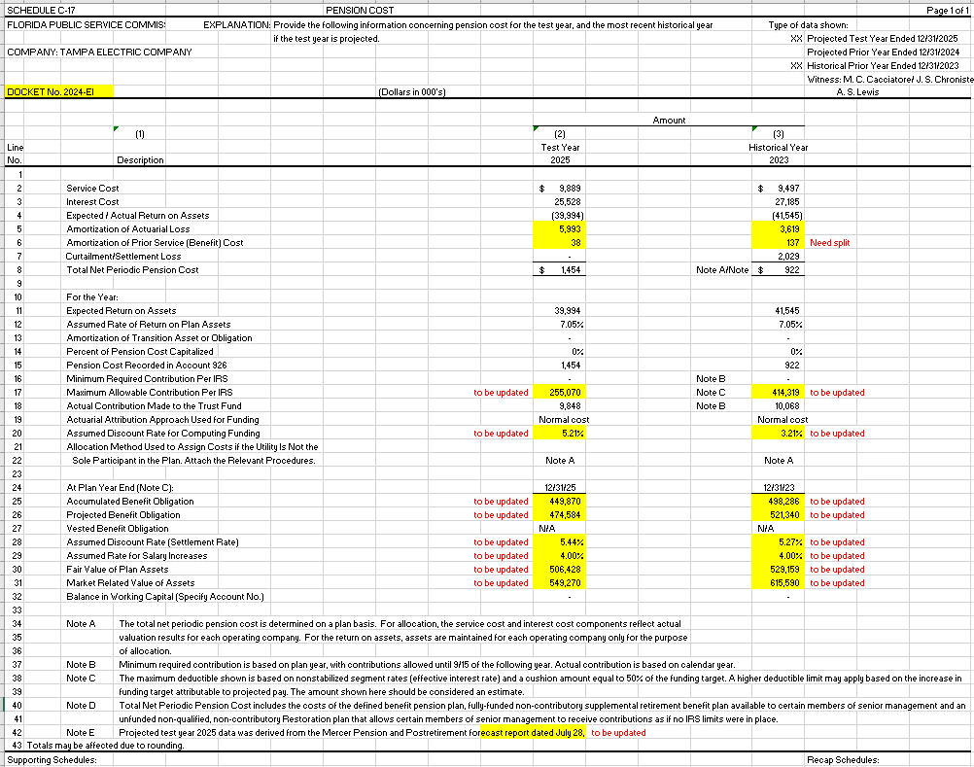
 | QP - TEC | SERP - TEC | BRP - TEC | Total | RD 000's | from Mercer | MFR
Service Cost | 9,461,962 | - | 35,330 | 9,497,292 | 9497
Interest Cost | 27,000,814 | 133,688 | 50,045 | 27,184,547 | 27185
Expected/Actual Return on Assets | (41,544,843) | - | - | (41,544,843) | -41545
Amortization of Actuarial Loss | 3,480,532 | 81,165 | 194,259 | 3,755,956 | 3756 | -137 | 3619
Amortization of Prior Service Cost | - | - | - | - | 0 | 137 | 137
Settlement Cost | - | 1,108,496 | 920,458 | 2,028,954 | 2029
Total Net Periodic Pension Cost | (1,601,535) | 1,323,349 | 1,200,092 | 921,906 | 922

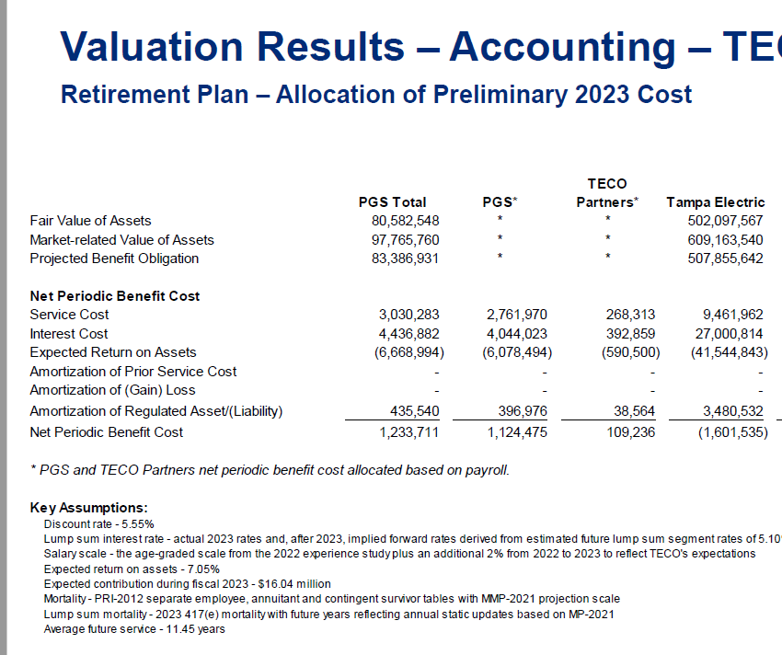

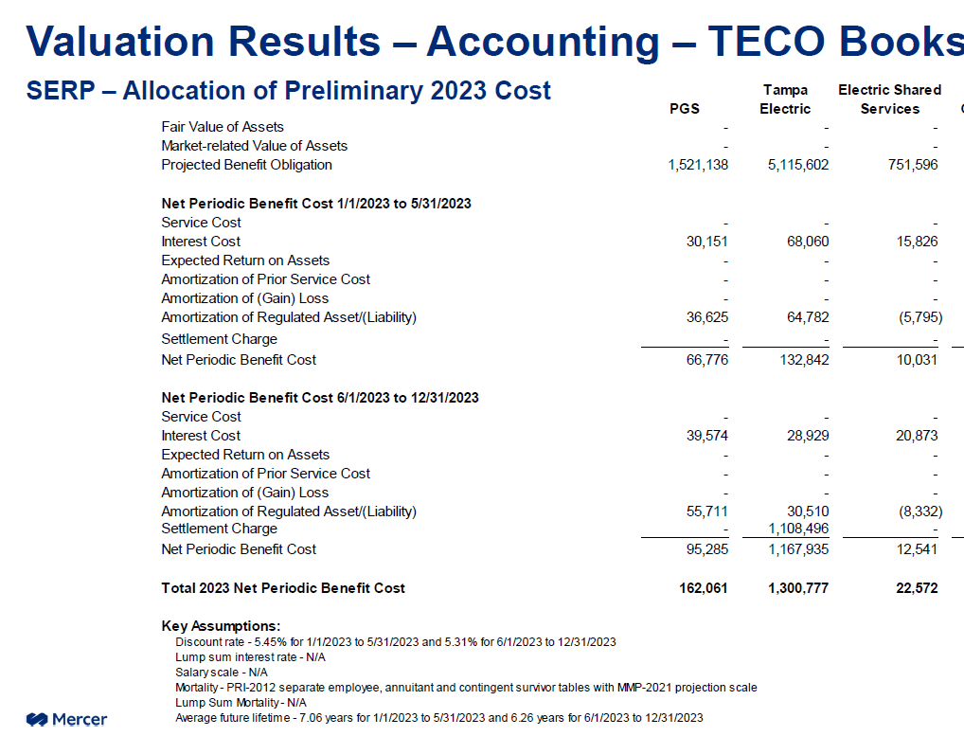

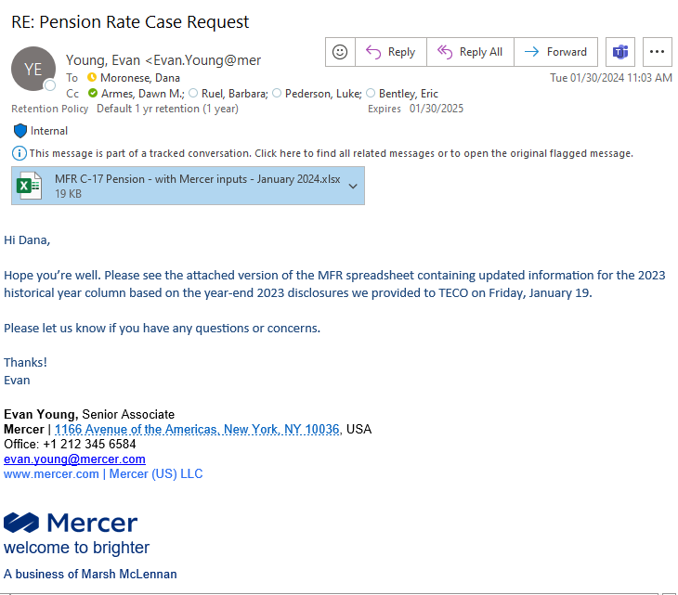

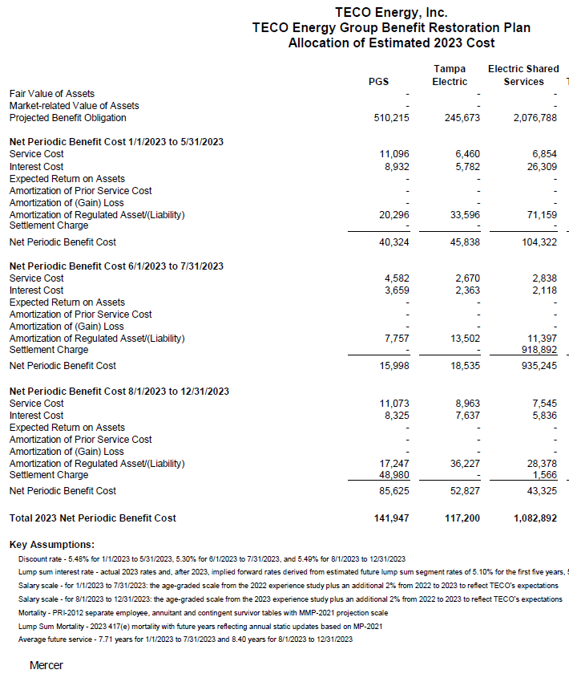

 |  |  |  |  |  |  |  |  | 1323349

 |  |  |  |  |  |  |  | 1200092

12 Exp Return on Asst 2023
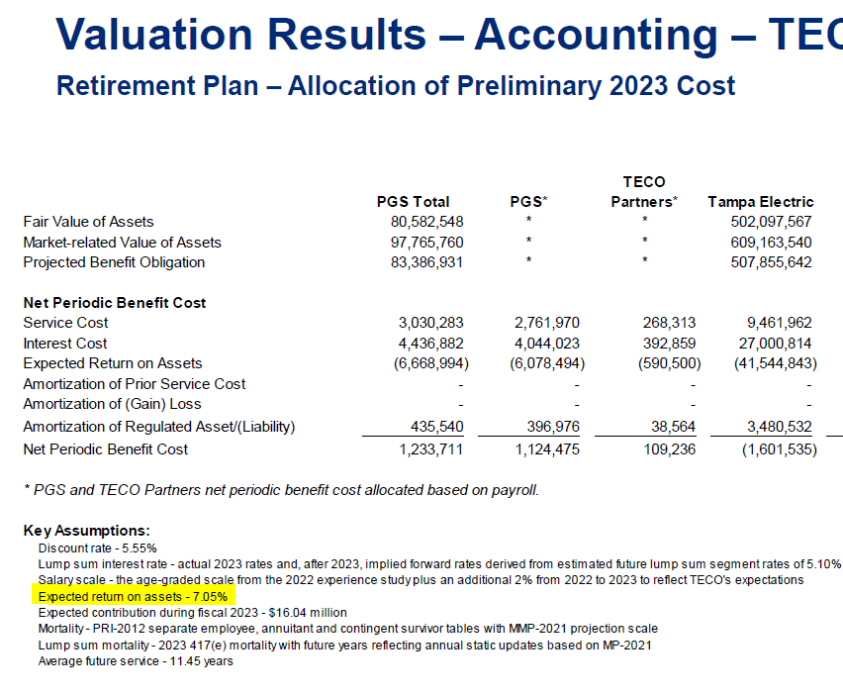

7.05%

18 Funding 2023
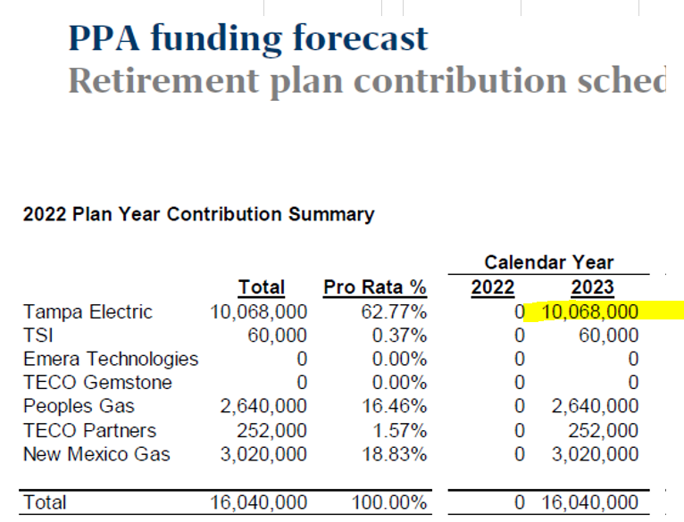

Line 18
Calendar Year - 2025
10,068,000 | Tampa Electric

