23 TOTI DETAIL USING FERD TCODE
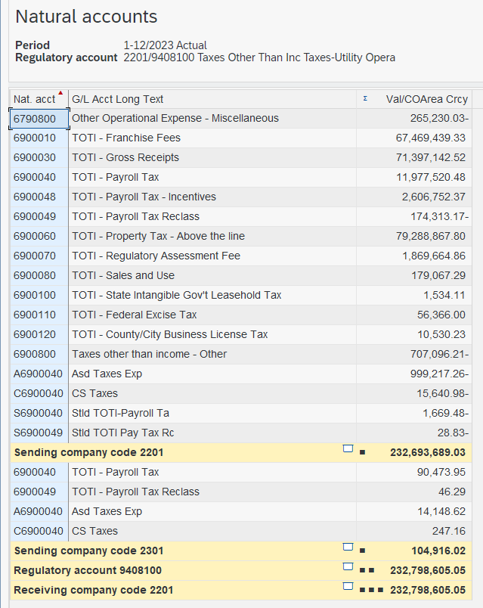

 |  | -265230.03 | FF | 67469.439
 |  |  | RAF | 1869.664
 |  |  | GRT | 71397.142
 |  |  | PROP | 79288.867
 |  | 11977520.48 | PROP B | 108.000 | not inlcuded in FERD
 |  | 2606752.37 | USE | 179.067
 |  | -174313.17 | INTANG | 1.534
 |  |  | EXCISE | 56.366
 |  |  | BUS LIC | 10.530
 |  |  | Tax Credit | -707.096
 |  |  |  | matches FERD

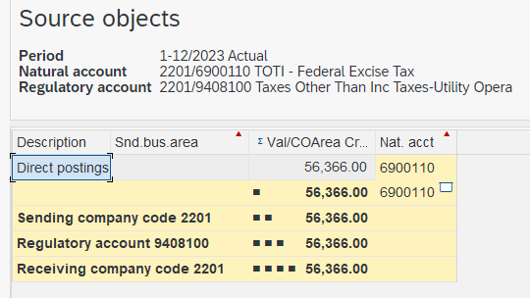
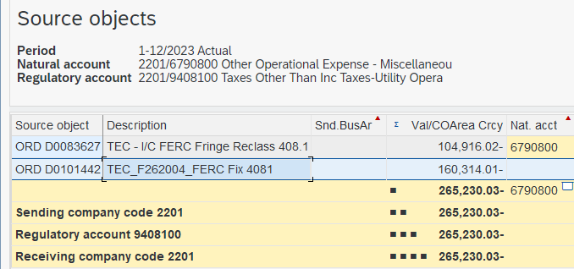

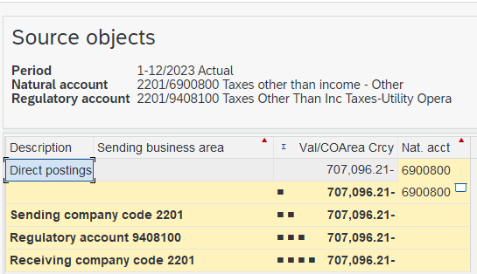

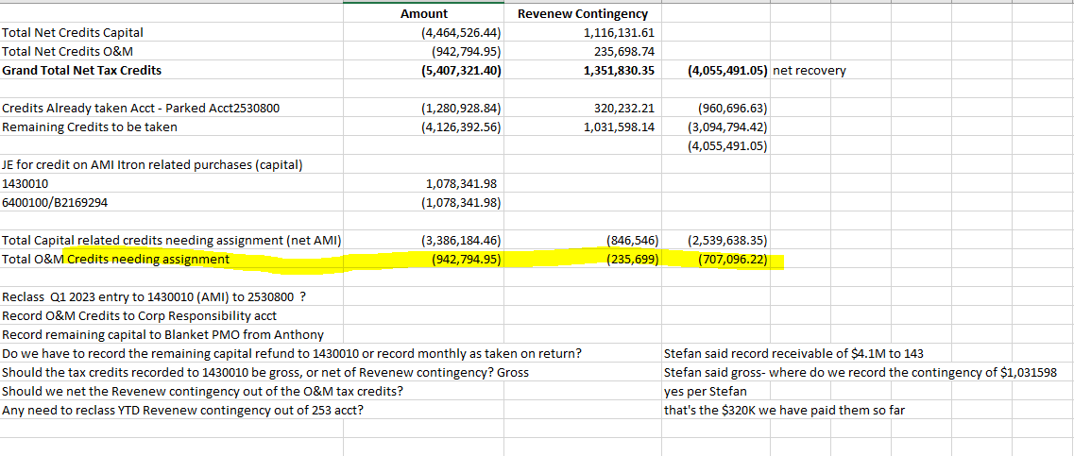

TOTI Juris Factors from c-4 schedule 2/12/24 | 0.997551

 |  |  |  |  |  | Revenew Audit tax credits ended up in 6900800 | bgg 2/6/24

Non Payroll Support 2025
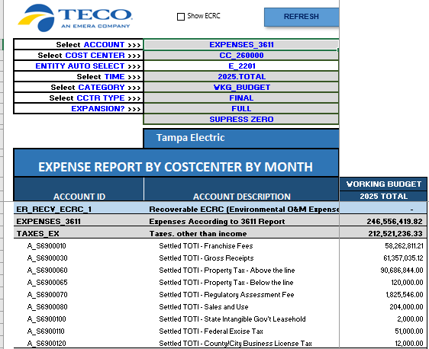
2025 TOTI Budget in EPM excluding payroll taxes 2/20/24 |  |  |  |  | Totals on this MFR must tie out with C-4 schedule for 2023 and 2025 - there will not be a C-4 for 2024 per Casey BGG 11/16/23
 |  |  |  |  | C-4 2025 Totals below as of 2/20/24

 |  |  |  |  | 26 |  |  | Taxes Other Than Income Taxes
 |  |  |  |  | 27 |  | 408.1 | Payroll Taxes | 15,957.43 |  | 15,957.00 | 0.99754535513
 |  |  |  |  | 28 |  | 408.1 | Franchise Fees | 58,262.81 |  | 58,263.00 | 0.99754535513
 |  |  |  |  | 29 |  | 408.1 | Property Taxes | 90,686.84 |  | 90,687.00 | 0.99754535513
 |  |  |  |  | 30 |  | 408.1 | Misc Taxes | 269.00 |  | 269.00 | 0.99754535513
 |  |  |  |  | 31 |  | 408.1 | Regulatory Assessment Fees | 1,825.55 |  | 1,825.55 | 0.99754535513
 |  |  |  |  | 32 |  | 408.1 | Revenue Taxes | 61,357.04 |  | 61,357.03 | 0.99754535513
 |  |  |  |  | 33 |  |  |  | 228,358.66 |  | 228,358.57 | 0.997545

 |  |  |  |  |  |  |  |  |  |  |  | 0.997545
 |  |  |  |  |  |  |  |  |  | 9408100 '25 | 228,359
 |  |  |  |  | Taxes Other than Income |  |  |  |  | MFR Total | 228,359
 |  |  |  |  | Account | Account Description | Amount |  |  | variance | 0
 |  |  |  |  | 9408100 | Taxes Other Than Inc Taxes-Utility Operating Inc | 228,358,662.72
 |  |  |  |  |  |  | -
 |  |  | 58263 | FF | Total |  | 228,358,662.72
 |  |  | 61357 | GRT
 |  |  | 90687 | Prop A
 |  |  | 120 | Prob B
 |  |  | 1826 | RAF
 |  |  | 204 | Sales
 |  |  | 2 | Leasehold
 |  |  | 51 | Excise
 |  |  | 12 | Bis Lic

SURV RPT TOTALS AS OF 2/20/24 BELOW
REVENUES
Account | Account Description | 12ME Amount
9440000 | Electric Residential Sales | (1,515,088,805.23)
9442000 | Electric Commercial and Industrial Sales | (830,511,168.08)
9444000 | Electric Public Street and Highway Lighting | -
9445000 | Electric Other Sales to Public Authorities | (219,139,520.41)
9447000 | Electric Sales For Resale | (2,025,775.00)
9449100 | Electric Provision for Rate Refunds | -
9451000 | Electric Miscellaneous Service Revenues | (21,444,964.12)
9454000 | Electric Rent from Electric Property | (15,155,457.98)
9455000 | Electric Interdepartmental Rents | -
9456000 | Electric Other Electric Revenues | (3,535,743.92)
9456100 | Revenues frm Transmission of Electricity of Others | (7,843,030.58)
4074214 | REG CR Defd (CETM) Clean Energy Trans - Amortiz. | (1,554,715.36)
4073022 | REG DR Asset Optimization | -
4073020 | REG DR Defd Fuel and Purchased Power | 21,603,035.81
4073030 | REG DR Defd Capacity | 3,119,969.97
4073040 | REG DR Defd Conservation Electric | 2.67
4073050 | REG DR Defd Environmental | 2,946,655.00
4073090 | REG DR Defd SPPCRC | 3,534,382.00
4073213 | REG DR Defd (CETM) Clean Energy Trans Mechanism | 1,558,366.00
4074021 | REG CR Defd Fuel and Purchased Power - Amortiz | -
4074031 | REG CR Defd Capacity - Amortization | -
4074041 | REG CR Defd Conservation - Elec - Amortiz | (1,013,905.00)
4074051 | REG CR Defd Environmental - Amortization | (7,965,014.00)
4074091 | REG CR Defd SPPCRC - Amortization | (1,688,414.00)
4118020 | NOX Allowance Sales - Retail | -
4118021 | NOX Allowance Sales - Wholesale | -
4118010 | SO2 Allowance Sales - Retail | -
4118011 | SO2 Allowance Sales - Wholesale | -
4118030 | REC Sales - Retail | (3,582,554.00)
4118031 | REC Sales - Wholesale | -
7000700 | Interest Inc - Intercompany | -
7000800 | Interest Inc - Miscellaneous | -
S7000800 | Settled Interest Inc - Miscellaneous | -
S7000700 | Settled Interest Inc - Intercompany | -
 |  | -
Total |  | (2,597,786,656.24)
 |  | =

Def Income Taxes (Net)
Account | Account Description | Amount
8010410 | Deferred State Income Tax Exp - Cr | (8,882,784.73)
8010310 | Deferred Federal Income Tax Exp - Cr | (142,487,834.58)
8010430 | DIT State Accelerated Amortization Property - Cr | (664,142.38)
8010330 | DIT Federal Accelerated Amortization Property - Cr | (1,899,123.24)
8010405 | Deferred State Income Tax Exp - Non-Utility | -
8010305 | Deferred Federal Income Tax Exp - Non-Utility | -
S8010410 | Settled Deferred State Income Tax Exp - Cr | -
S8010310 | Settled Deferred Federal Income Tax Exp Cr | -
S8010430 | Settled DIT State Accelerated Amortization | -
S8010330 | Settled DIT Federal Accelerated Amortiza | -
S8010405 | Settled Deferred State Income Tax Exp - Non Utl | -
S8010305 | Settled Deferred Federal Income Tax Exp Non Utl | -
 |  | -
Total |  | (153,933,884.93)
 |  | -
9410100 | Provision for Defd Inc Tax - Utility Operating Inc | 125,896,266.58
9410200 | Provision for Defd Inc Tax - Other Inc and Deduct | -
 |  | -
Total |  | (28,037,618.35)
 |  | =

Def Income Taxes (12 Month Ended Numbers - Cash Flow Amount) goes to page 5
Account | Account Description | Amount
8010300 | Deferred Federal Income Tax Exp | 96,470,610.90
8010305 | Deferred Federal Income Tax Exp - Non-Utility | -
8010310 | Deferred Federal Income Tax Exp - Cr | (142,487,834.58)
8010315 | Deferred Federal Income Tax Exp - Cr Non-Utility | -
8010320 | DIT Federal Accelerated Amortization Property | 104,451.78
8010330 | DIT Federal Accelerated Amortization Property - Cr | (1,899,123.24)
8010340 | DIT Federal - Other Property | -
8010350 | DIT Federal - Other Property - Cr | -
8010360 | DIT Federal Accel Amort | -
8010400 | Deferred State Income Tax Exp | 29,321,203.90
8010405 | Deferred State Income Tax Exp - Non-Utility | -
8010410 | Deferred State Income Tax Exp - Cr | (8,882,784.73)
8010415 | Deferred State Income Tax Exp - Cr Non-Utility | -
8010420 | DIT State Accelerated Amortization Property | -
8010430 | DIT State Accelerated Amortization Property - Cr | (664,142.38)
8010440 | DIT State - Other Property | -
8010450 | DIT State - Other Property - Cr | -
8010500 | Deferred Income Tax Expense - Foreign | -
8019000 | Income Tax Expense-Deferred sent to Balance Sheet | -
S8010300 | Settled Deferred Federal Income Tax Exp | -
S8010305 | Settled Deferred Federal Income Tax Exp Non Utl | -
S8010310 | Settled Deferred Federal Income Tax Exp Cr | -
S8010315 | Settled Deferred Federal Income Tax Exp Cr Non | -
S8010320 | Settled DIT Federal Accelerated Amortiza | -
S8010330 | Settled DIT Federal Accelerated Amortiza | -
S8010340 | Settled DIT Federal - Other Property | -
S8010350 | Settled DIT Federal - Other Property - C | -
S8010360 | Settled DIT Federal Accel Amort | -
S8010400 | Settled Deferred State Income Tax Exp | -
S8010405 | Settled Deferred State Income Tax Exp - Non Utl | -
S8010410 | Settled Deferred State Income Tax Exp - Cr | -
S8010415 | Settled Deferred State Income Tax Exp - Cr No Utl | -
S8010420 | Settled DIT State Accelerated Amortization | -
S8010430 | Settled DIT State Accelerated Amortization | -
S8010440 | Settled DIT State - Other Property | -
S8010450 | Settled DIT State - Other Property - Cr | -
S8010500 | Settled Deferred Income Tax Expense - Foreign | -
S8019000 | Settled Income Tax Expense-Deferred to BS | -
 |  | -
 |  | (28,037,618.35)
 |  | =

O&M, Fuel, and NET INTERCHANGE
Account | Account Description | Amount
9501000 | Steam Fuel | 15,535,743.67
9509000 | Steam Allowances | 10,030.00
9547000 | Other Power Fuel | 670,558,862.81
9555000 | Other Supply Purchased Power | 16,783,255.02
4073021 | REG DR Defd Fuel and Purchased Power - Amortiz | 3,131,798.00
4073031 | REG DR Defd Capacity - Amortization | 234,839.00
4074020 | REG CR Defd Fuel and Purchased Power | (19,089,006.61)
4074030 | REG CR Defd Capacity | (4,496,959.16)
 |  | -
Total |  | 682,668,562.74
 |  | =

O&M, Other
Account | Account Description | Amount
9500000 | Steam Operation Supervision And Engineering | 5,637,348.79
9502000 | Steam Expenses | 11,520,787.64
9503000 | Steam From Other Sources | -
9505000 | Steam Electric Expenses | 242,779.18
9506000 | Miscellaneous Steam Power Expenses | 4,975,843.03
9507000 | Steam Rents | 24,000.00
...

