2023 Gross Rcpts RAF Support
Financial Statement Item | Account Number | Text for B/S P&L item | Company Code | Total of reporting period
35 | 4400010 | 4400010 Residential Base Revenue | 2201 | -902,958,038.01
35 | 4400020 | 4400020 Residential Sales Fuel Adjustment Revenue | 2201 | -529,600,216.59
35 | 4400030 | 4400030 Residential Capacity Revenue | 2201 | 1,853,365.44
35 | 4400040 | 4400040 Residential Conservation Revenue | 2201 | -28,429,153.99
35 | 4400050 | 4400050 Residential Environmental Revenue | 2201 | -9,481,150.69
35 | 4400060 | 4400060 Residential Franchise Revenue | 2201 | -33,537,682.96
35 | 4400070 | 4400070 Residential Gross Receipts Tax Revenue | 2201 | -41,815,589.82
35 | 4400090 | 4400090 Residential Storm Revenue | 2201 | -38,527,091.53
35 | 4400091 | 4400091 Residential CETM Revenue | 2201 | -44,286,833.88
35 | 4400092 | 4400092 Residential Storm Surcharge | 2201 | -84,085,265.24
35 |  | Total Residential |  | -1,710,867,657.27
34 | 4491010 | 4491010 Residential Provision for Refund | 2201 | 0.00
34 |  | Total Provison for Rate Refund |  | 0.00
27 |  | Total Residential |  | -1,710,867,657.27
36 | 4420010 | 4420010 Commercial Small Base Revenue | 2201 | -123,464,806.06
36 | 4420020 | 4420020 Commercial Small Sales Fuel Adjustment Revenue | 2201 | -48,198,477.85
36 | 4420030 | 4420030 Commercial Small Capacity Revenue | 2201 | 151,559.71
36 | 4420040 | 4420040 Commercial Small Conservation Revenue | 2201 | -2,563,054.04
36 | 4420050 | 4420050 Commercial Small Environmental Revenue | 2201 | -830,256.44
36 | 4420060 | 4420060 Commercial Small Franchise Revenue | 2201 | -4,813,950.06
36 | 4420070 | 4420070 Commercial Small Gross Receipts Tax Revenue | 2201 | -3,954,179.19
36 | 4420090 | 4420090 Commercial Small Storm Revenue | 2201 | -4,285,054.38
36 | 4420091 | 4420091 Commercial Small CETM Revenue | 2201 | -3,798,988.38
36 | 4420092 | 4420092 Commercial Small Storm Surcharge | 2201 | -7,602,800.94
36 |  | Total Small |  | -199,360,007.63
37 | 4420110 | 4420110 Commercial Large Base Revenue | 2201 | -237,944,036.03
37 | 4420120 | 4420120 Commercial Large Sales Fuel Adjustment | 2201 | -283,413,437.04
37 | 4420130 | 4420130 Commercial Large Capacity Revenue | 2201 | 778,209.99
37 | 4420140 | 4420140 Commercial Large Conservation Revenue | 2201 | -11,542,428.06
37 | 4420150 | 4420150 Commercial Large Environmental Revenue | 2201 | -4,607,161.97
37 | 4420160 | 4420160 Commercial Large Franchise Revenue | 2201 | -19,690,402.82
37 | 4420170 | 4420170 Commercial Large Gross Receipts Tax Revenue | 2201 | -14,492,229.31
37 | 4420180 | 4420180 Commercial Large Optional Billing Provision | 2201 | -5,451.18
37 | 4420190 | 4420190 Commercial Large Storm Revenue | 2201 | -8,045,049.27
37 | 4420191 | 4420191 Commercial Large CETM Revenue | 2201 | -14,524,782.00
37 | 4420192 | 4420192 Commercial Large Storm Surcharge | 2201 | -9,868,511.04
37 |  | Total Large |  | -603,355,278.73
38 | 4491020 | 4491020 Commerical Provision for Refund | 2201 | 0.00
38 |  | Total Provison for Rate Refund |  | 0.00
28 |  | Total Commercial |  | -802,715,286.36
41 | 4420210 | 4420210 Industrial-Phosphate Small Base Revenue | 2201 | -3,686.40
41 | 4420220 | 4420220 Industrial-Phosphate Small Sales Fuel Adjustment | 2201 | -678.81
41 | 4420230 | 4420230 Industrial-Phosphate Small Capacity Revenue | 2201 | 0.36
41 | 4420240 | 4420240 Industrial-Phosphate Small Conservation Revenue | 2201 | -33.84
41 | 4420250 | 4420250 Industrial-Phosphate Small Environmental Revenue | 2201 | -8.88
41 | 4420270 | 4420270 Industrial-Phosphate Small Gross Receipts Tax Rev | 2201 | -35.49
41 | 4420290 | 4420290 Industrial-Phosphate Small Storm Revenue | 2201 | -196.32
41 | 4420291 | 4420291 Industrial-Phosphate Small CETM Revenue | 2201 | -4.80
41 | 4420292 | 4420292 Industrial-Phosphate Small Storm Surcharge | 2201 | -32.76
41 |  | Total Small |  | -4,676.94
42 | 4420310 | 4420310 Industrial-Phosphate Large Base Revenue | 2201 | -28,244,543.85
42 | 4420320 | 4420320 Industrial-Phosphate Large Sales Fuel Adjustment | 2201 | -44,357,622.24
42 | 4420330 | 4420330 Industrial-Phosphate Large Capacity Revenue | 2201 | 76,433.75
42 | 4420340 | 4420340 Industrial-Phosphate Large Conservation Revenue | 2201 | -1,409,835.58
42 | 4420350 | 4420350 Industrial-Phosphate Large Environmental Revenue | 2201 | -664,649.30
42 | 4420370 | 4420370 Industrial-Phosphate Large Gross Receipts Tax Rev | 2201 | -1,534,082.12
42 | 4420380 | 4420380 Industrial-Phosphate Large Optional Billing Provsn | 2201 | -160,825.80
42 | 4420390 | 4420390 Industrial-Phosphate Large Storm Revenue | 2201 | -171,658.04
42 | 4420391 | 4420391 Industrial-Phosphate Large CETM Revenue | 2201 | -1,141,071.80
42 | 4420392 | 4420392 Industrial-Phosphate Large Storm Surcharge | 2201 | -195,028.16
42 |  | Total Large |  | -77,802,883.14
43 | 4491030 | 4491030 Industrial-Phosphate Provision for Refund | 2201 | 0.00
43 |  | Total Provison for Rate Refund |  | 0.00
39 |  | Total Industrial-Phosphate |  | -77,807,560.08
44 | 4420410 | 4420410 Industrial-Other Small Base Revenue | 2201 | -1,815,554.03
44 | 4420420 | 4420420 Industrial-Other Small Sales Fuel Adjustment Rev | 2201 | -804,648.58
44 | 4420430 | 4420430 Industrial-Other Small Capacity Revenue | 2201 | 2,407.75
44 | 4420440 | 4420440 Industrial-Other Small Conservation Revenue | 2201 | -42,644.34
44 | 4420450 | 4420450 Industrial-Other Small Environmental Revenue | 2201 | -13,695.59
44 | 4420460 | 4420460 Industrial-Other Small Franchise Revenue | 2201 | -86,201.91
44 | 4420470 | 4420470 Industrial-Other Small Gross Receipts Tax Rev | 2201 | -61,356.49
44 | 4420490 | 4420490 Industrial-Other Small Storm Revenue | 2201 | -80,240.76
44 | 4420491 | 4420491 Industrial-Other Small CETM Revenue | 2201 | -60,311.91
44 | 4420492 | 4420492 Industrial-Other Small Storm Surcharge | 2201 | -121,329.16
44 |  | Total Small |  | -3,083,575.02
45 | 4420510 | 4420510 Industrial-Other Large Base Revenue | 2201 | -45,124,962.44
...
Financial Statement Item | Account Number | Text for B/S P&L item | Company Code | Total of reporting period
58 |  | Total Other Electric Revenues |  | -15,297,346.85 | 15297.346 | -15,297,346.85
201 | 4118010 | 4118010 SO2 Allowance Sales - Retail | 2201 | -53.40
201 | 4118030 | 4118030 REC Sales - Retail | 2201 | -3,473,147.85
201 |  | Total Other Operating Revenues |  | -3,473,201.25
33 |  | Total Other Revenues |  | -59,101,913.81
24 |  | Total Electric |  | -2,636,564,643.60
22 |  | Total Regulated Electric and Gas |  | -2,636,564,643.60
20 |  | Total Revenues |  | -2,636,564,643.60 | 2636564.643 | -2,633,091,442.35 | -3,473,201.25

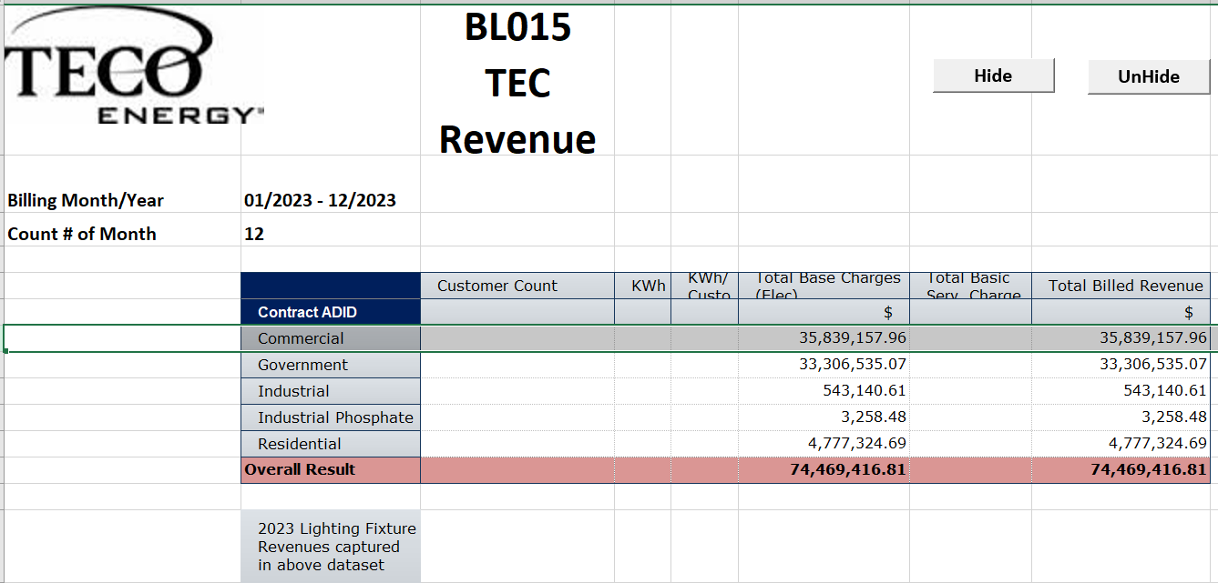

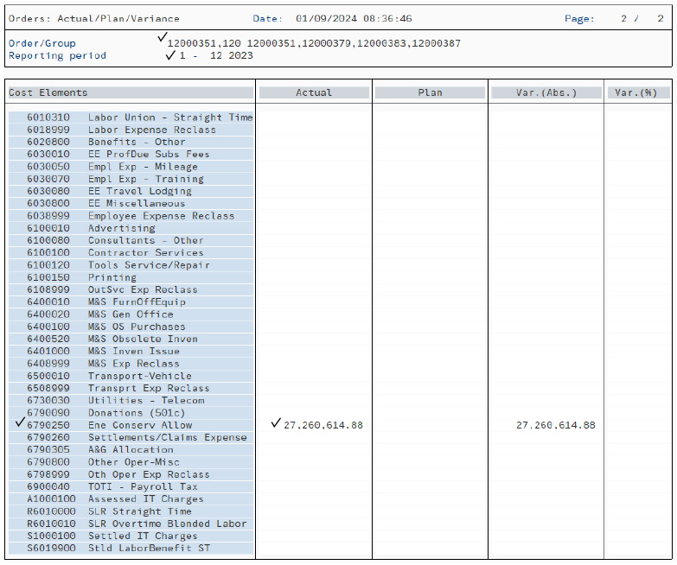

 |  |  |  |  |  |  | 27260.614

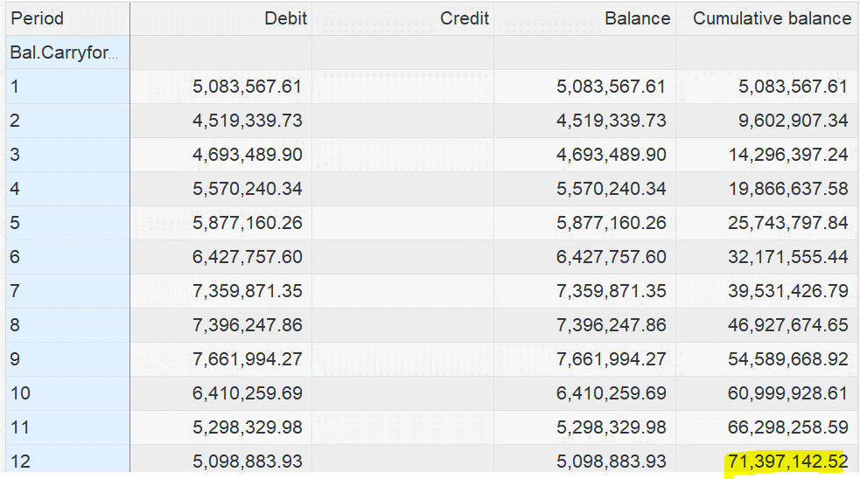

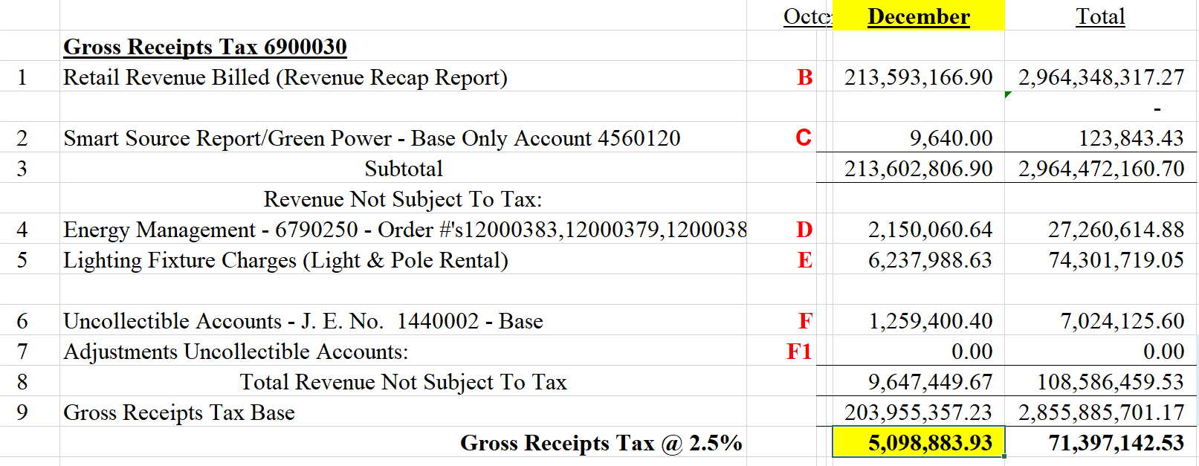

 |  |  |  |  |  |  | 123.843

 |  |  |  |  |  |  | 74301.719

 |  |  |  |  |  |  | 7024.125

2023 RAF Filing summary
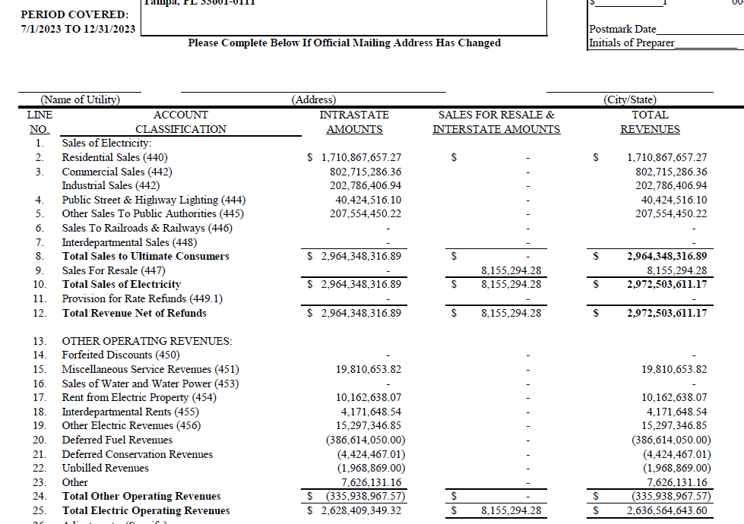

 |  | 2636564643.6
 |  | 2628409349.3
 |  | 8155294.28
 |  | 2601150079.9
 |  | 2596757000
 |  | 4393079.94

 |  | 2023 Energy Mgmt Credit | 27260.614
 |  | Wage Assignment Rev | -1.345

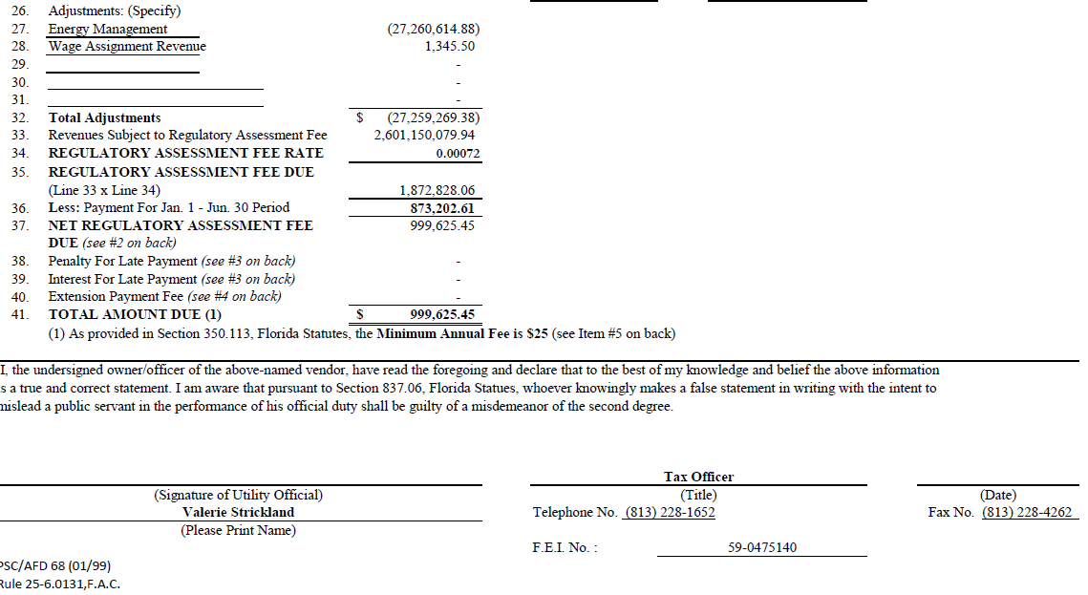

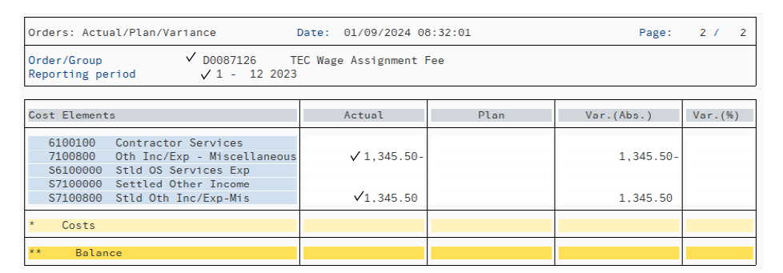

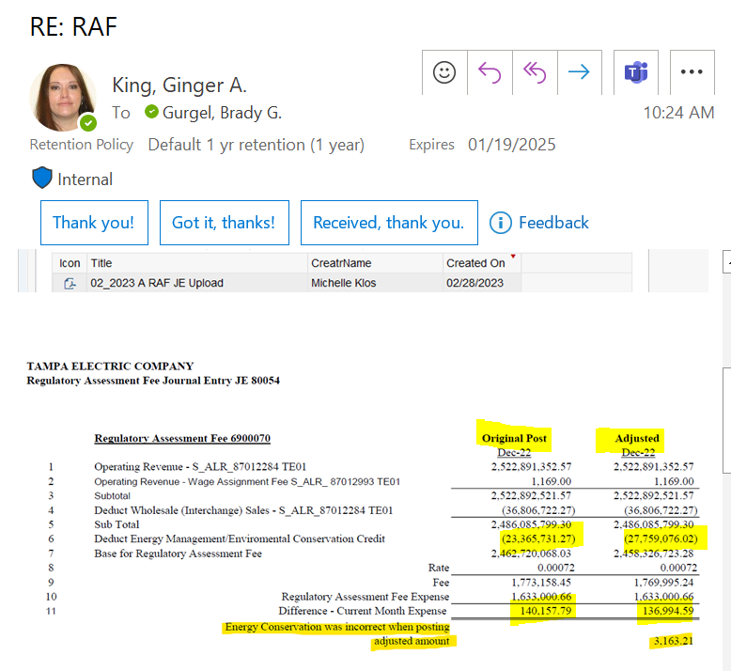

02/01/2023 credit to correct 2022 filing
4393344.75 | 4393.345

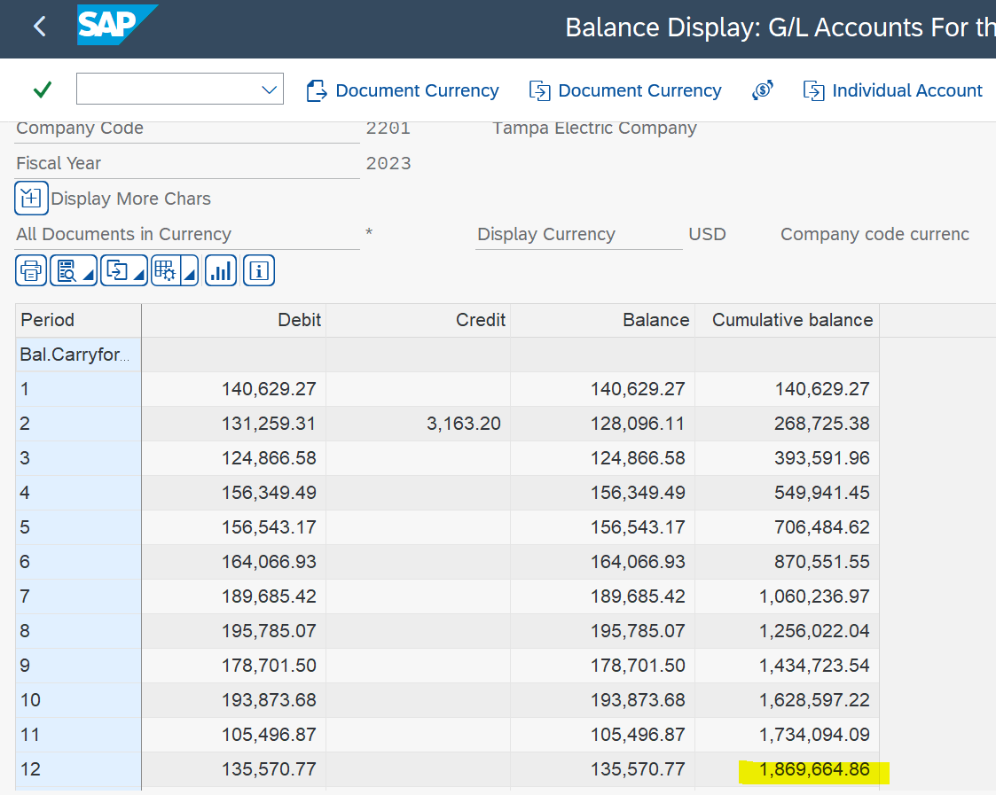

GRT_RAF Support 2024
...
2024 | 1 | 6,320,942
2024 | 7 | 6,350,898
2024 | 8 | 6,355,916
2024 | 9 | 6,360,940
2024 | 10 | 6,365,972
2024 | 11 | 6,371,007
2024 | 12 | 6,375,779
Total |  | 69,859,995
 |  | 69,860 | rounded for MFR

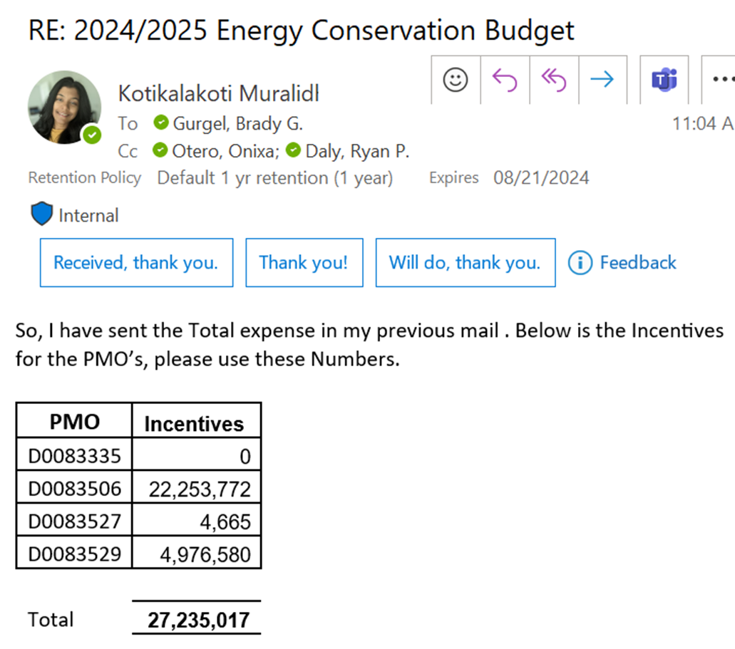

 |  | 27,235 | Rounded for MFR

 |  | $'000's
Adjusted Operating Revenues for 2024 GRT total on MFR |  | 2,527,778
Budgeted gross receipts expense 2024 |  | 62,905
GRT rate |  | 0.025
base for budgeted gross receipts |  | 2,516,200
Diff between adjusted op rev's on MFR and base used for GRT expense budget |  | 11,578 | required adjustment to "adjusted op rev's to align tax base on MFR with gross receipts budgeted
...

Gross Receipts_RAF Support 2025
2025 TOTI Budget - EPM Totals as of 2/20/24
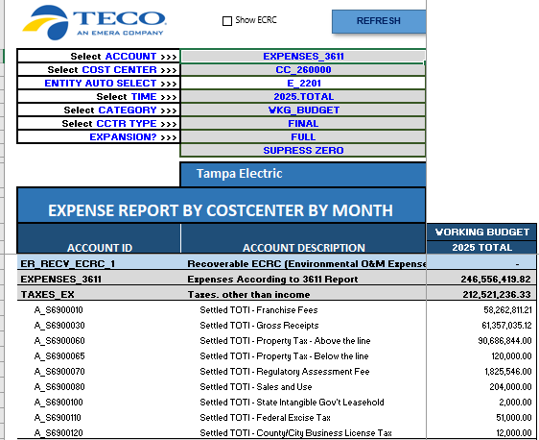
 |  |  |  | 2/20/24 - 2025 operating rev's on C-4 = $2,597,787
...
Year | Period | Lighting Fixture Rev Forecast
2025 | 9 | $6,475,794
2025 | 10 | $6,487,050
2025 | 11 | $6,498,064
2025 | 12 | $6,509,109
 | Total 2025B Lighting Fixture Rev's | $77,374,629
 |  | 77375 | rounded for MFR

2025B Energy Management Credits Budget is same as 2024B
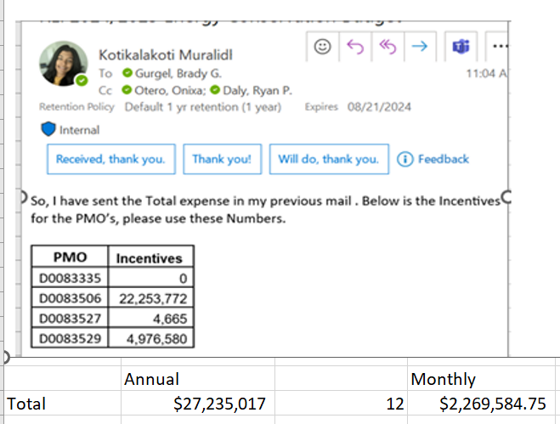

 |  | 27,235 | rounded for MFR

 |  | $'000's
Adjusted Operating Revenues for 2025 GRT total on MFR |  | 2,460,129
Budgeted gross receipts expense 2025 |  | 61,357
GRT rate |  | 0.025
base for budgeted gross receipts |  | 2,454,281
Diff between adjusted op rev's on MFR and base for GRT budget |  | 5,848 | required adjustment to "adjusted op rev's to align tax base on MFR with gross receipts budgeted

Adjusted Operating Revenues for 2025 RAF total on MFR |  | 2,566,304
Budgeted RAF expense 2025 |  | 1,826
RAF rate |  | 0.00072
base for budgeted RAF |  | 2,535,481
Diff between adjusted op rev's on MFR and base used for RAF expense budget |  | 30,823

C-5 3/8/24



