Test Yr Data
Source - 2025 MFR Budget v2

Source: 2025 RC Budget in EPM
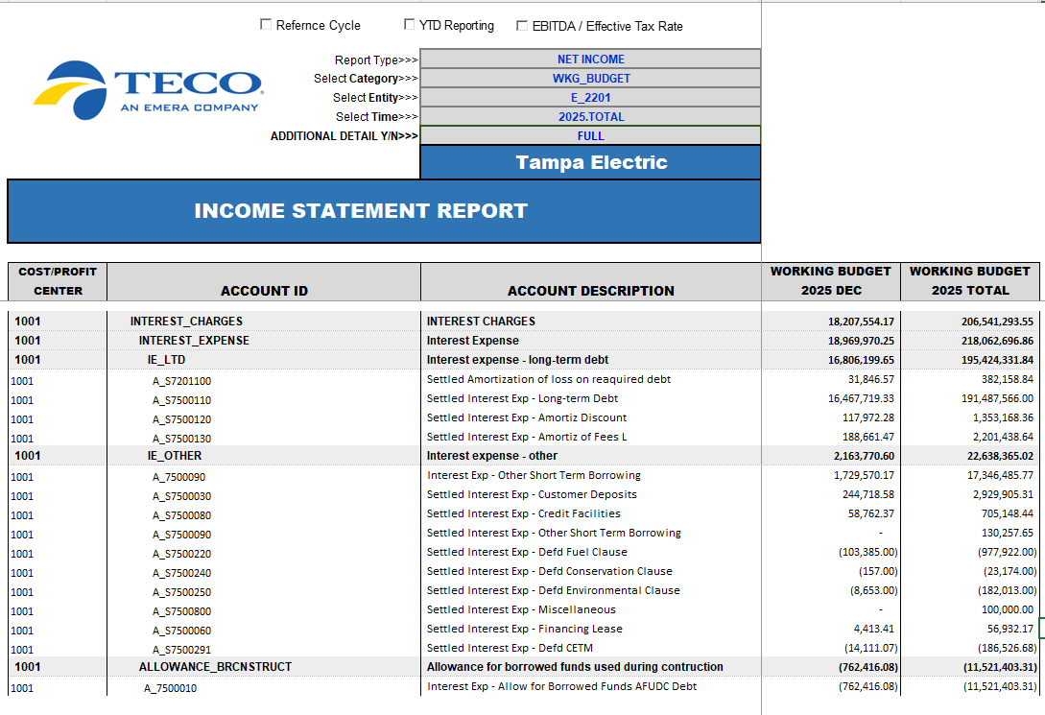

 | Interest on LTD rounds up. Added 1 to the MFR schedule

 |  | Clause Int Exp + A_7500060 & A_7500800 are what fall out to Other

 | Add 1 to MFR if data pulling from Test Yr budget model does not round to what EPM shows

FERC Actuals
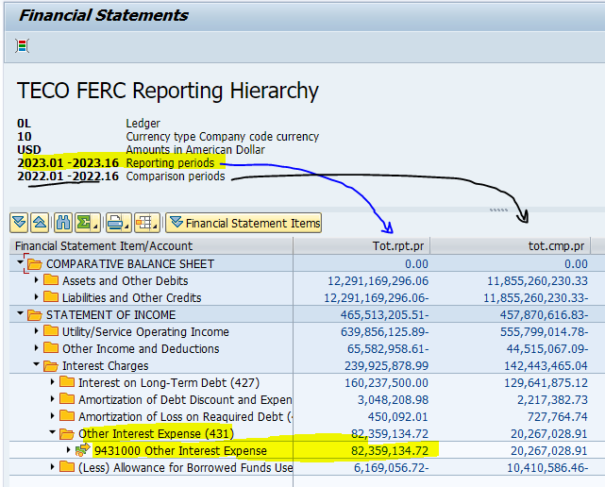
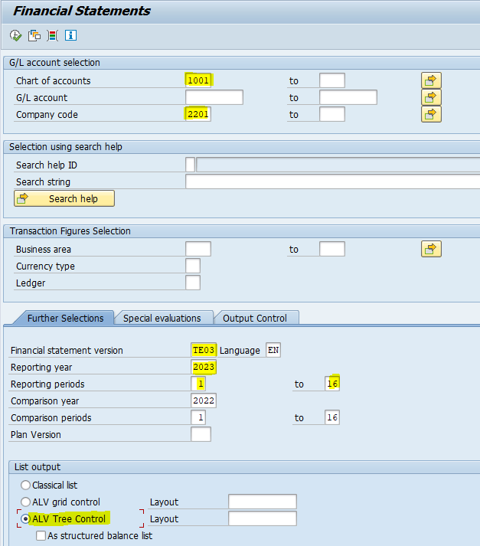
Amount that settles to FERC 431.0 Other Interest Expense:
Nat. acct | G/L Acct Long Text | ValCOArCur |  |  |  |  |  | S_ALR_87012284
6790101 | Fees - Bank | 896,484.41 | C
7500030 | Interest Exp - Customer Deposits | 2,818,597.13 | B
7500060 | Interest Exp - Financing Lease | 62,325.70 | C
7500080 | Interest Exp - Credit Facilities | 745,609.58 | A | <- Check T-Code FERD for Regulatory Account 9431000 and look to see what Natural Accts roll up to that FERC to determine if any GLs need to be added here. Also check the $ amt in 6790101 that settles to FERC 491 in that report.
7500090 | Interest Exp - Other Short Term Borrowing | 65,624,952.32 | A
7500100 | Interest Exp - Taxes | 24.82 | C
7500220 | Interest Exp - Defd Fuel Clause | 0.00 | C
7500230 | Interest Exp - Defd Capacity Clause | 2,577.00 | C
7500240 | Interest Exp - Defd Conservation Clause | 308,644.00 | C
7500250 | Interest Exp - Defd Environmental Clause | 431,517.00 | C
7500290 | Interest Exp - Defd SPPCRC | 305,963.00 | C
7500291 | Interest Exp - Defd CETM | 168,160.22 | C
7500700 | Interest Exp - Intercompany | 10,767,210.90 | C
7500800 | Interest Exp - Miscellaneous | 227,068.64 | C
 |  | - | A. TEC Rec Interest Expense component Reclass (see below)
 |  | 82,359,134.72 | Total Other Interest Expense
 |  | -

 |  |  |  | 2023 Actuals FERC Reporting
 |  |  |  | 239,925,878.99 | Interest Charges (FERC Statement) | EE Model | check
 |  |  |  | 160,237,500.00 | Interest on Long-term Debt | $160,237 | -
 |  | Amort of Debt Discount and Expense | 3,048,208.98
 |  | Amort of Loss on Reqquired Debt | 450,092.01 | 3,498,300.99 | Amortization | $3,498 | -
 | Sum of A | Interest on Short Term Debt | 66,370,561.90 |  |  |  |  |  |  |  |  |  |  |  | Actuals
 | Sum of B | Interest on Customer Deposits | 2,818,597.13 |  |  |  |  |  |  |  |  |  | Interest on Long-Term Debt |  | 160,237,500.00
 | Sum of C | Other Interest Expense | 13,169,975.69 | 82,359,134.72 | FERC 431 |  |  |  |  |  |  |  | Amort of Debt Discount |  | 3,048,208.98
 |  |  |  | - |  |  |  |  |  |  |  |  | Amort of Loss on Reaquired Debt |  | 450,092.01
 |  |  |  | (6,169,056.72) | AFUDC | (6,169) | - |  |  |  |  |  |  |  | 3,498,300.99
 |  |  |  | - | Rounding to tie Total to 000's |  |  |  |  |  |  |  | Other Interest Exp |  | 82,359,134.72
 |  |  |  |  |  |  |  |  |  |  |  |  | AFUDC |  | (6,169,056.72)
 |  |  |  |  |  |  |  |  |  |  |  |  |  |  | 239,925,878.99
 |  |  |  |  |  |  |  |  |  |  |  |  | Total Interest Charges (from snip) |  | 239,925,878.99
 |  |  |  |  |  |  |  |  |  |  |  |  |  |  | -

 |  |  |  |  |  |  |  | FERD - Drill Down (shows which natural accts roll up into FERC 431.0, so we know if new ones need to be added to column A above)
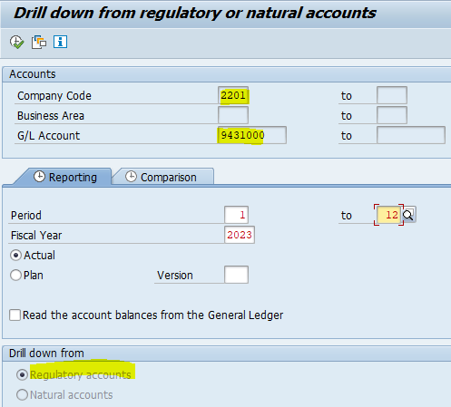

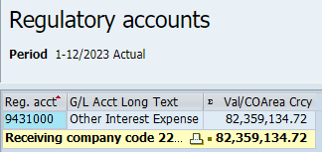

 |  |  |  |  |  |  |  |  |  |  |  |  |  | This checks whether there are $'s in GL 6790101 that go to different FERCs other than FERC 431 (Reg Acct 9431000):

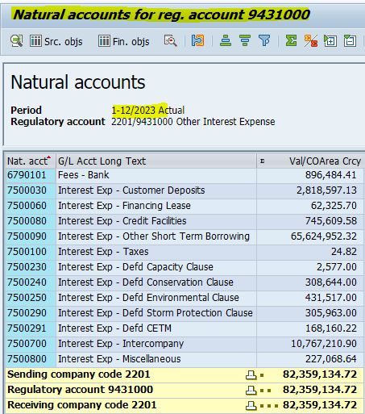
 |  |  |  |  |  |  |  |  |  |  |  |  |  | FAGLB03 - Display GL Balances
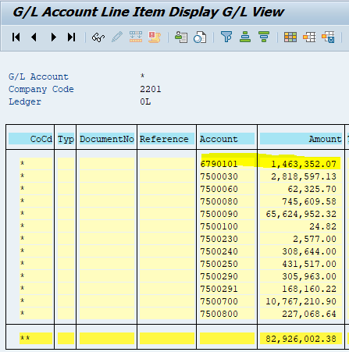

 |  |  |  |  |  |  |  |  |  |  | Enter amts from Nat'l Accts for Reg Acct 9431000 (FERD report) below:
 |  |  |  |  |  |  |  |  |  | ->
 |  |  |  |  |  |  |  |  |  |  | 6790101 | Fees - Bank | 896,484.41
 |  |  |  |  |  |  |  |  |  |  | 7500030 | Int-CustDeposits | 2,818,597.13
 |  |  |  |  |  |  |  |  |  |  | 7500060 | Int-FinancingLease | 62,325.70
 |  |  |  |  |  |  |  |  |  |  | 7500080 | Int-CreditFacilities | 745,609.58 |  |  | <- use GL 6790101 amt from FERD for 9431000 instead of this FAGLB03 amt for GL 6790101 if they differ, b/c some of what's in that GL may settle to different FERC accts.
 |  |  |  |  |  |  |  |  |  |  | 7500090 | Int-OtherSTBorrowing | 65,624,952.32
 |  |  |  |  |  |  |  |  |  |  | 7500100 | Int-Taxes | 24.82
 |  |  |  |  |  |  |  |  |  |  | 7500220 | Int-DefdFuel | 0
 |  |  |  |  |  |  |  |  |  |  | 7500230 | Int-DefdCapacity | 2,577.00
 |  |  |  |  |  |  |  |  |  |  | 7500240 | Int-DefdConservation | 308,644.00
 |  |  |  |  |  |  |  |  |  |  | 7500250 | Int-DefdEnvironmental | 431,517.00
 |  |  |  |  |  |  |  |  |  |  | 7500290 | Int-DefdSPPCRC | 305,963.00
 |  |  |  |  |  |  |  |  |  |  | 7500291 | Int-DefdCETM | 168,160.22
 |  |  |  |  |  |  |  |  |  |  | 7500700 | Int-Intercompany | 10,767,210.90
 |  |  |  |  |  |  |  |  |  |  | 7500800 | Int-Miscellaneous | 227,068.64
 |  |  |  |  |  |  |  |  |  |  |  |  | 82,359,134.72
 |  |  |  |  |  |  |  |  |  |  |  | Reg Account 9431000 | 82,359,134.72
 |  |  |  |  |  |  |  |  |  |  |  | ck | -

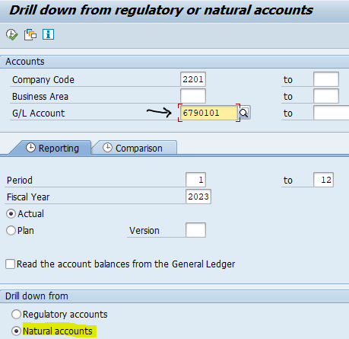
 |  |  |  |  |  |  |  | FERD - Drill Down (can also be used to show which FERC accts a particular Natural Account settles to if there is a difference btwn what's in that GL and what's in FERC 431.0)
 |  |  |  |  |  |  |  |  | Look up Regulatory Account 6790101 Fees - Bank to show what settles to FERC 431 (9431000)
 |  |  |  |  |  |  |  |  |  |  |  |  |  | This shows which FERCs the amts in GL 6790101 settle to:
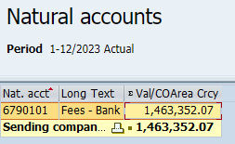
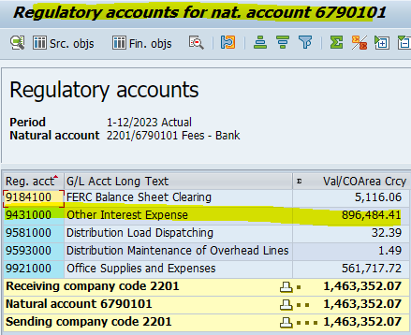

 |  |  |  |  |  |  |  |  |  | -> |  |  | ->

 |  |  |  |  |  |  |  |  |  |  | Other interest Expense | 896,484.41 | <-
 |  |  |  |  |  |  |  |  |  |  | ck | -

