C-24
SCHEDULE C-24 |  |  |  |  | PARENT(S) DEBT INFORMATION |  |  |  |  |  |  | Page 1 of 1
FLORIDA PUBLIC SERVICE COMMISSION |  |  | EXPLANATION: | Provide information required in order to adjust income tax expenses by reason of interest expense of parent(s) |  |  |  |  |  | Type of data shown:
 |  |  |  | that may be invested in the equity of the utility in question. If a projected test period is used, provide on both |  |  |  |  |  | XX | Projected Test Year Ended 12/31/2025
COMPANY: TAMPA ELECTRIC COMPANY |  |  |  | a projected and historical basis. |  |  |  |  |  | XX | Projected Prior Year Ended 12/31/2024
 |  |  |  |  |  |  |  |  |  | XX | Historical Prior Year Ended 12/31/2023
DOCKET No. 20240026-EI |  |  |  |  |  |  | (Dollars in 000's) |  |  |  | Witness: V. Strickland

Line
No. |  |  |  | Amount |  | Percent of Capital |  |  | Cost Rate | Weighted Cost
1
2
3
4 | 2025
5 | Long Term Debt |  |  | $3,255,526 |  | 21.58% |  |  | 4.83% | 1.04%
6 | Short Term Debt |  |  | 423,364 |  | 2.81% |  |  | 4.28% | 0.12%
7 | Preferred Stock |  |  | 2,024,885 |  | 13.42% |  |  | 0.00% | 0.00%
8 | Common Equity |  |  | 9,380,664 |  | 62.19% |  |  | 0.00% | 0.00%
9 | Deferred Income Tax |  |  | - |  | 0.00% |  |  | 0.00% | 0.00%
10 | Investment Tax Credits |  |  | - |  | 0.00% |  |  | 0.00% | 0.00%
11 | Other (specify) |  |  | - |  | 0.00% |  |  | 0.00% | 0.00%
12 | Total |  |  | $15,084,438 |  | 100.00% |  |  |  | 1.16%
13
14
15 | 2024
16 | Long Term Debt |  |  | $2,828,653 |  | 19.71% |  |  | 4.85% | 0.96%
17 | Short Term Debt |  |  | 1,055,652 |  | 7.36% |  |  | 6.23% | 0.46%
18 | Preferred Stock |  |  | 1,588,648 |  | 11.07% |  |  | 0.00% | 0.00%
19 | Common Equity |  |  | 8,874,871 |  | 61.86% |  |  | 0.00% | 0.00%
20 | Deferred Income Tax |  |  | - |  | 0.00% |  |  | 0.00% | 0.00%
21 | Investment Tax Credits |  |  | - |  | 0.00% |  |  | 0.00% | 0.00%
22 | Other (specify) |  |  | - |  | 0.00% |  |  | 0.00% | 0.00%
23 | Total |  |  | $14,347,824 |  | 100.00% |  |  |  | 1.41%
24
25
26
27 | 2023
28 | Long Term Debt |  |  | $2,832,194 |  | 21.27% |  |  | 4.66% | 0.99%
29 | Short Term Debt |  |  | 1,056,703 |  | 7.93% |  |  | 5.94% | 0.47%
30 | Preferred Stock |  |  | 1,421,828 |  | 10.68% |  |  | 0.00% | 0.00%
31 | Common Equity |  |  | 8,007,161 |  | 60.12% |  |  | 0.00% | 0.00%
32 | Deferred Income Tax |  |  |  |  | 0.00% |  |  | 0.00% | 0.00%
33 | Investment Tax Credits |  |  |  |  | 0.00% |  |  | 0.00% | 0.00%
34 | Other (specify) |  |  |  |  | 0.00% |  |  | 0.00% | 0.00%
35 | Total |  |  | $13,317,886 |  | 100.00% |  |  |  | 1.46%
36
37 | Weighted cost of parent debt x 25.345% (or applicable consolidated tax rate) x equity of subsidiary
38 |  | 1.16% | 25.35% | 4,390,373 |  |  |  | $12,939
39
40 | NOTE: Information provided is for Emera, Inc., the parent of Emera U.S. Holdings, Inc. There is no debt on the balance sheet of TECO Energy, Inc. for any period presented.
41
42 | All amounts are expressed in thousands of Canadian Dollars. Amounts included represent a 13-month average. Totals may be affected due to rounding.
Supporting Schedules: |  |  |  |  |  |  |  |  |  |  | Recap Schedules:

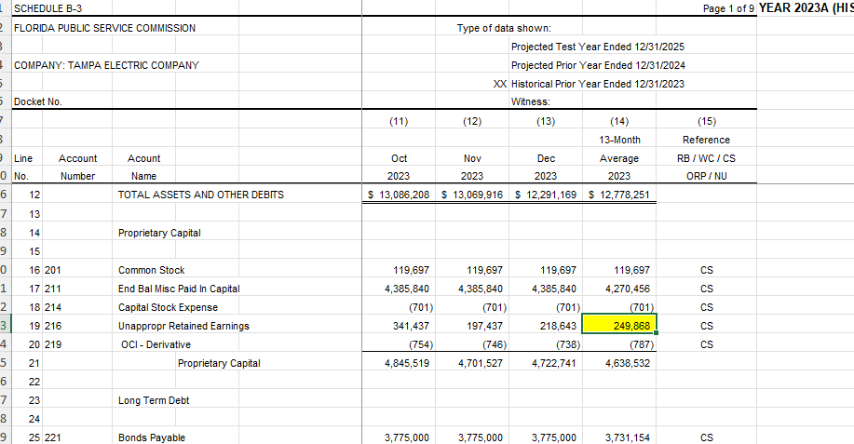
Calc updated by Tampa Electric FP&A on 3/1/2024
Unapp R/E | 249,868 | MFR B3 cell S83
B-3 total C/E | 5,651,214
Ratio | 4.42%

Equity per D-1a | 4,593,473 | Jurisdictional Capital Structure
R/E times ratio above | 203,100 | to synchronize cap struture
Adjusted Equity | 4,390,373
 |  |  |  |  | C/E | 5,650,532
 |  |  |  |  | R/E | 681
 |  |  |  |  |  | 5,651,214

 |  |  |  |  | Source: 2025 RC Budget Model
