2023 EXCESS
SOURCE:
H:\ELECTRIC\2023\TEC FORM 1\TEC TCJA FERC DISCLOSURE\FORM 1 DISCLOSURE\2023 TEC WORK FILE - TCJA DISCLOSURE.xlsx

 |  |  |  |  |  |  | 2023 BALANCES
 | Exclude ITC and AFUDC | Exclude ITC and AFUDC |  |  |  |  | RAN RPT 51040
 | PROV CASE 390 | PROV CASE 397 |  |  |  |  | RAN EXCLUDING FLOW THROUGH
 | BAL @ 2023 | BAL @ 2022 | 411.11 |  | AMORTIZATION |  | RAN EXCLUDING NU
PROTECTED | 284,194,358 | 295,392,417 | (11,198,060) | DM 2 14 24 | ARAM | (25)

UNPROTECTED - FEDERAL | 47,660,084 | 60,956,095 | (13,296,011) | DM 2 14 24 | 10 YEARS | (4) | Balances By GL Account
 |  |  |  |  |  |  | PROTECTED
UNPROTECTED - STATE | - | 853,063 | (853,063) | DM 2 14 24 | 5 YEARS | - | * 2023 Provision
 |  |  |  |  |  |  | Tampa Electric
UNPROTECTED - STATE - RATE REMEASUREMENT | (15,915,966) | (15,915,966) | - | DM 2 14 24 |  |  | For the Months of: January - FAS 158 Adj
 |  |  |  |  |  |  |  |  |  | Beg Balance For January | Activity For January - FAS 158 Adj | YTD Ending FAS 158 Adj | End Balance For FAS 158 Adj
 | 315,938,475 | 341,285,609 | (25,347,134) |  |  |  | M Description |  | From Company
 |  |  |  |  |  |  | 2820610 DIT Other Prop - FAS109
Agrees to Rpt 51052 | 66 | 66 | (11,553,431) | PROTECTED CY 2023 ACTIVITY |  | DM 2 14 24 | PowerTax Subledger DIT
 |  |  | 355,372 | Prior Period TU |  | DM 2 14 24 | NOL | DEF SEP CO - EMERA FED NOL-PROTECTED |  | ($18,926,660) | $0 | $0 | ($18,926,660)
 |  |  | (13,296,011) | UNPROTECTED - FD CY 2023 ACTIVITY |  | DM 2 14 24 | T500 | DEPRECIATION - BOOK |  | $0 | $0 | $0 | $0
 |  |  | (853,063) | UNPROTECTED - ST CY 2023 ACTIVITY |  | DM 2 14 24 | T502 | DEPRECIATION - BOOK TAX DIFF FED |  | $351,799,549 | ($11,198,060) | ($11,198,060) | $340,601,489
 |  |  |  |  |  |  | T503 | DEPRECIATION - BOOK TAX DIFF STATE |  | ($21,649,156) | ($0) | ($0) | ($21,649,156)
 |  |  | (1) | DIFF |  | DM 2 14 24 | T560 | CIAC |  | ($15,629,881) | ($0) | ($0) | ($15,629,881)
 |  |  |  |  |  |  | Total For 2820610 DIT Other Prop - FAS109: |  |  | $295,593,851 | ($11,198,060) | ($11,198,060) | $284,395,792
 |  |  |  |  |  |  | Total For PowerTax Subledger DIT: |  |  | $295,593,851 | ($11,198,060) | ($11,198,060) | $284,395,792
 |  |  |  |  |  |  | Total For Tampa Electric: |  |  | $295,593,851 | ($11,198,060) | ($11,198,060) | $284,395,792
Per Reconciliation --->> 12+0 for Dec Closeout Provision Input schedule |  |  |  |  |  |  | Rpt # Tax Accrual - 51040 | 2024-02-12 | 22:11:56 |  |  |  | ($201,434) | 2019 RTP Excess adjust error between Protected & Unprotected
 |  |  |  |  |  |  |  |  |  | beg bal agrees to 2022 end bal |  |  | $284,194,358 | Corrected balance
 | 2023 Current Activity | 2022 RTP - PY TU | Total Current + TU
PROTECTED EXCESS DIT | (11,553,431) | 355,372 | (11,198,059)
UNPROTECTED EXCESS DIT | (13,296,011) |  | (13,296,011)
UNPROTECTED EXCESS DIT-State | (853,063) |  | (853,063) |  |  |  | Balances By GL Account
 | (25,702,505) | 355,372 | (25,347,133) |  |  |  | UNPROTECTED - STATE
 |  |  |  |  |  |  | * 2023 Provision
 |  |  |  |  |  |  | Tampa Electric
TIES TO PTAX RPT 260 |  |  |  |  |  |  | For the Months of: January - FAS 158 Adj
 |  |  |  |  |  |  |  |  |  | Beg Balance For January | Activity For January - FAS 158 Adj | YTD Ending FAS 158 Adj | End Balance For FAS 158 Adj
 |  |  |  |  |  |  | M Description |  | From Company
 |  |  |  |  |  |  | 2820610 DIT Other Prop - FAS109
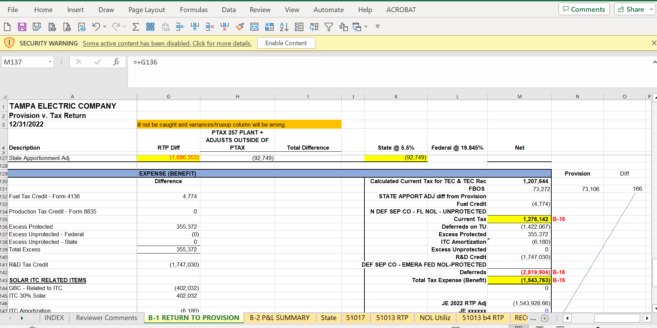
 |  |  |  |  |  |  | PowerTax Subledger DIT
 |  |  |  |  |  |  | N | 190 FL RATE CHG 2019-2021 5.5% offset |  | ($0) | $0 | $0 | ($0)
 |  |  |  |  |  |  | N | 190 FL RATE CHG 2019-2021 Exp to Reg Liab |  | ($4,298,647) | ($422,809) | ($422,809) | ($4,721,456)
 |  |  |  |  |  |  | N | 281 FL RATE CHG 2019-2021 4.458% |  | ($0) | $0 | $0 | ($0)
 |  |  |  |  |  |  | N | 281 FL RATE CHG 2019-2021 5.5% offset |  | $0 | $0 | $0 | $0
 |  |  |  |  |  |  | N | 281 FL RATE CHG 2019-2021 Exp to Reg Liab |  | $797,284 | $36,479 | $36,479 | $833,763
 |  |  |  |  |  |  | N | 281 FL RATE CHG 2021 3.535% |  | ($0) | $0 | $0 | ($0)
 |  |  |  |  |  |  | N | 282 FL RATE CHG 2019-2021 4.458% |  | $0 | $0 | $0 | $0
 |  |  |  |  |  |  | N | 282 FL RATE CHG 2019-2021 5.5% offset |  | ($0) | $0 | $0 | ($0)
 |  |  |  |  |  |  | N | 282 FL RATE CHG 2019-2021 Exp to Reg Liab |  | ($10,410,333) | ($343,347) | ($343,347) | ($10,753,679)
 |  |  |  |  |  |  | N | 283 FL RATE CHG 2019-2021 5.5% offset |  | $0 | $0 | $0 | $0
 |  |  |  |  |  |  | N | 283 FL RATE CHG 2019-2021 Exp to Reg Liab |  | ($1,151,208) | ($123,386) | ($123,386) | ($1,274,594)
 |  |  |  |  |  |  | N | 283 FL RATE CHG 2021 3.535% |  | -0.01 | 0 | 0 | -0.01
 |  |  |  |  |  |  | Total For 2820610 DIT Other Prop - FAS109: |  |  | ($15,062,903) | ($853,063) | ($853,063) | ($15,915,966)
 |  |  |  |  |  |  | Total For PowerTax Subledger DIT: |  |  | ($15,062,903) | ($853,063) | ($853,063) | ($15,915,966)
 |  |  |  |  |  |  | Total For Tampa Electric: |  |  | ($15,062,903) | ($853,063) | ($853,063) | ($15,915,966)
 |  |  |  |  |  |  | Rpt # Tax Accrual - 51040 | 2024-02-12 | 22:18:23
 |  |  |  |  |  |  |  |  |  | beg bal agrees to 2022 end bal

 |  |  |  |  |  |  | Balances By GL Account
 |  |  |  |  |  |  | UNPROTECTED - FEDERAL
 |  |  |  |  |  |  | * 2023 Provision
 |  |  |  |  |  |  | Tampa Electric
 |  |  |  |  |  |  | For the Months of: January - FAS 158 Adj
 |  |  |  |  |  |  |  |  |  | Beg Balance For January | Activity For January - FAS 158 Adj | YTD Ending FAS 158 Adj | End Balance For FAS 158 Adj
 |  |  |  |  |  |  | M Description |  | From Company
 |  |  |  |  |  |  | 2820610 DIT Other Prop - FAS109
 |  |  |  |  |  |  | PowerTax Subledger DIT
 |  |  |  |  |  |  | N | AMORTIZATION STATE |  | ($2,623,153) | $0 | $0 | ($2,623,153)
 |  |  |  |  |  |  | N | DEF SEP CO - FED NOL - UNPROTECTED |  | ($27,180,100) | $0 | $0 | ($27,180,100)
 |  |  |  |  |  |  | N | DEF SEP CO - FL NOL - UNPROTECTED |  | $2,067,745 | $0 | $0 | $2,067,745
 |  |  |  |  |  |  | N | FAS 106 FAS 158 |  | ($412,714) | $0 | $0 | ($412,714)
 |  |  |  |  |  |  | N | FAS 106 FAS 158 - C |  | ($1,153,988) | $0 | $0 | ($1,153,988)
 |  |  |  |  |  |  | N | FAS 106 FAS 158 - C 283 |  | $1,153,988 | $0 | $0 | $1,153,988
 |  |  |  |  |  |  | N | FAS 106 FAS 158 - NC |  | ($3,722,786) | $0 | $0 | ($3,722,786)
 |  |  |  |  |  |  | N | FAS 106 FAS 158 - NC 283 |  | $3,722,786 | $0 | $0 | $3,722,786
 |  |  |  |  |  |  | N | OCI FAS 133 - C |  | ($1,764,073) | $0 | $0 | ($1,764,073)
 |  |  |  |  |  |  | N | OCI FAS 133 - C 283 |  | $1,764,073 | $0 | $0 | $1,764,073
 |  |  |  |  |  |  | N | OCI FAS 133 - NC |  | ($162,435) | $0 | $0 | ($162,435)
 |  |  |  |  |  |  | N | OCI FAS 133 - NC 283 |  | $162,435 | $0 | $0 | $162,435
 |  |  |  |  |  |  | N | OCI FAS 133 INTEREST - NC |  | ($422,778) | ($178,017) | ($178,017) | ($600,795)
 |  |  |  |  |  |  | N | PENSION FAS 158 |  | ($201,501) | $0 | $0 | ($201,501)
 |  |  |  |  |  |  | N | PENSION FAS 158 - NC |  | ($26,686,311) | $0 | $0 | ($26,686,311)
 |  |  |  |  |  |  | N | PENSION FAS 158 - NC 283 |  | $26,686,311 | ($0) | ($0) | $26,686,311
 |  |  |  |  |  |  | N | RESTORATION PLAN FAS 158 - NC |  | ($108,183) | $0 | $0 | ($108,183)
 |  |  |  |  |  |  | N | RESTORATION PLAN FAS 158 - NC 283 |  | $108,183 | $0 | $0 | $108,183
 |  |  |  |  |  |  | N | SERP FAS 158 |  | ($21,576) | $0 | $0 | ($21,576)
 |  |  |  |  |  |  | N | SERP FAS 158 - C |  | ($28,049) | $0 | $0 | ($28,049)
 |  |  |  |  |  |  | N | SERP FAS 158 - C 283 |  | $28,049 | $0 | $0 | $28,049
 |  |  |  |  |  |  | N | SERP FAS 158 - NC |  | ($541,834) | $0 | $0 | ($541,834)
 |  |  |  |  |  |  | N | SERP FAS 158 - NC 283 |  | $541,834 | ($0) | ($0) | $541,834
 |  |  |  |  |  |  | T100 | 401K - PERFORMANCE MATCH |  | $0 | $70 | $70 | $70
 |  |  |  |  |  |  | T105 | ACCRUED BONUS |  | ($151) | $122 | $122 | ($29)
 |  |  |  |  |  |  | T110 | DEFERRED COMP |  | ($10,730) | $1,595 | $1,595 | ($9,135)
 |  |  |  |  |  |  | T115 | FAS 106 - NC |  | ($10,794,564) | $0 | $0 | ($10,794,564)
 |  |  |  |  |  |  | T120 | FAS 112 |  | ($887,296) | $230,673 | $230,673 | ($656,623)
 |  |  |  |  |  |  | T122 | LONG TERM INCENTIVE |  | ($51,959) | $25,631 | $25,631 | ($26,327)
 |  |  |  |  |  |  | T125 | PENSION - NC |  | $20,543,112 | ($149,495) | ($149,495) | $20,393,618
 |  |  |  |  |  |  | T128 | RESTORATION PLAN |  | ($186) | $164 | $164 | ($22)
 |  |  |  |  |  |  | T140 | SERP - NC |  | ($311,965) | $657,173 | $657,173 | $345,208
 |  |  |  |  |  |  | T150 | VACATION ACCRUAL |  | ($1,150,940) | $85 | $85 | ($1,150,856)
 |  |  |  |  |  |  | T201 | AMORT - SECTION 174 |  | $0 | ($0) | ($0) | ($0)
 |  |  |  |  |  |  | T205 | AMORT - BOND DISCOUNT |  | $77,326 | $0 | $0 | $77,326
 |  |  |  |  |  |  | T210 | AMORT - BOND ISSUE COSTS |  | ($493) | $0 | $0 | ($493)
 |  |  |  |  |  |  | T215 | AMORT - BOND PREMIUM |  | $2,708 | $0 | $0 | $2,708
 |  |  |  |  |  |  | T216 | AMORT - BOND PUT OPTION |  | ($0) | $0 | $0 | ($0)
 |  |  |  |  |  |  | T225 | AMORT - FRANCHISE FEE |  | ($0) | $0 | $0 | ($0)
 |  |  |  |  |  |  | T255 | BAD DEBT |  | ($4,291) | $1,632 | $1,632 | ($2,659)
 |  |  |  |  |  |  | T267 | DEDUCTIBLE CONTRIBUTION |  | $1 | ($0) | ($0) | $1
 |  |  |  |  |  |  | T270 | DEFERRED FUEL |  | ($0) | $0 | $0 | $0
 |  |  |  |  |  |  | T280 | DEFERRED LEASE - NC |  | $36,343 | ($4,469) | ($4,469) | $31,873
 |  |  |  |  |  |  | T282 | LEASE - ROU ASSET - OPER |  | ($0) | ($0) | ($0) | ($0)
 |  |  |  |  |  |  | T283 | LEASE LIABILITY - OPER |  | $0 | ($0) | ($0) | ($0)
 |  |  |  |  |  |  | T285 | DEFERRED REVENUE |  | ($0) | $0 | $0 | ($0)
 |  |  |  |  |  |  | T290 | DREDGING |  | $0 | $0 | $0 | $0
 |  |  |  |  |  |  | T300 | EMISSION ALLOWANCES |  | ($0) | $0 | $0 | ($0)
 |  |  |  |  |  |  | T320 | FIBER OPTIC |  | ($27) | $15 | $15 | ($12)
 |  |  |  |  |  |  | T330 | INSURANCE RESERVE - NC |  | $50,051 | ($51,203) | ($51,203) | ($1,152)
 |  |  |  |  |  |  | T331 | INSURANCE RESERVE - C |  | ($0) | $0 | $0 | ($0)
 |  |  |  |  |  |  | T345 | LEGAL EXPENSES |  | ($53,470) | $0 | $0 | ($53,470)
 |  |  |  |  |  |  | T350 | LOSS FROM GRANTOR TRUST |  | ($32,243) | $629 | $629 | ($31,614)
 |  |  |  |  |  |  | T375 | RATE CASE EXPENSE - NC |  | ($0) | $0 | $0 | ($0)
 |  |  |  |  |  |  | T380 | RATE REFUND |  | $0 | $0 | $0 | $0
 |  |  |  |  |  |  | T404 | STORM PROTECTION CLAUSE |  | $0 | $0 | $0 | $0
 |  |  |  |  |  |  | T410 | UNBILLED CONSERVATION REV |  | ($228,106) | $0 | $0 | ($228,106)
 |  |  |  |  |  |  | T415 | UNBILLED ENVIRONMENTAL REV |  | ($448,774) | ($0) | ($0) | ($448,774)
 |  |  |  |  |  |  | T420 | UNBILLED REVENUE/FUEL |  | ($3,439,391) | $0 | $0 | ($3,439,391)
 |  |  |  |  |  |  | T435 | DEFERRED INTEREST - BONDS |  | $67,455 | ($4,341) | ($4,341) | $63,114
 |  |  |  |  |  |  | T504 | AMORTIZATION FED |  | $15,915,785 | $0 | $0 | $15,915,785
 |  |  |  |  |  |  | T562 | CETM - CLEAN ENERGY TRANS MECH |  | $0 | ($0) | ($0) | ($0)
 |  |  |  |  |  |  | T565 | COST OF REMOVAL |  | ($27,759,511) | ($0) | ($0) | ($27,759,511)
 |  |  |  |  |  |  | T570 | DISMANTLEMENT COSTS |  | ($16,662,332) | $0 | $0 | ($16,662,332)
 |  |  |  |  |  |  | T575 | G/L - SALE OF ASSETS |  | ($1,301) | $1,271 | $1,271 | ($30)
 |  |  |  |  |  |  | T580 | REPAIRS CAPITALIZED ON BOOKS |  | $109,262,248 | ($14,005,563) | ($14,005,563) | $95,256,685
 |  |  |  |  |  |  | T590 | SEC 263A INTEREST CAP |  | ($4,783,630) | $0 | $0 | ($4,783,630)
 |  |  |  |  |  |  | T591 | SEC 263A INDIRECT COSTS |  | $347,575 | ($0) | ($0) | $347,575
 |  |  |  |  |  |  | z | z MISCELLANEOUS - DO NOT USE |  | $0 | $0 | $0 | $0
...

ST Unprotec def per stipulation
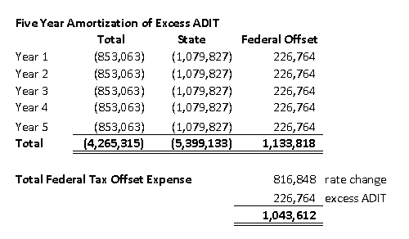

 |  |  |  |  |  | $853,063 | 1/5 amortization
 |  |  |  |  |  | 1,130,214 | grossed up

 | Excess DTL | 2019 | 2020 | 2021 | 2022 | 2023
Unamortized Balance | 4,265,315 | 3,412,252 | 2,559,189 | 1,706,126 | 853,063 | -
Annual Activity |  | (853,063) | (853,063) | (853,063) | (853,063) | (853,063)

2021 51051 - Def Tax Adj
...
 |  |  | FL Def Tax Adj #1 | FL Def Tax Adj #2 | FL Def Tax Adj JE's
M Item |  |  | "Adjustment Activity" | "Current Activity" | Total 2021 Adjust / TU
2830610 DTL - FAS109 - Other
N |  | 190 FL RATE CHG 2019-2021 Exp to Reg Liab | $0.00
N |  | 281 FL RATE CHG 2019-2021 Exp to Reg Liab | $0.00
N |  | 282 FL RATE CHG 2019-2021 Exp to Reg Liab | $0.00
N |  | 283 FL RATE CHG 2019-2021 Exp to Reg Liab | $0.00
 | Total For 2830610 DTL - FAS109 - Other: |  | $0.00
Total For Tampa Electric: |  |  | ($15,902,220.95) | ($13,745.31) | ($15,915,966)
Rpt # Tax Accrual - 51051 | 1/7/22

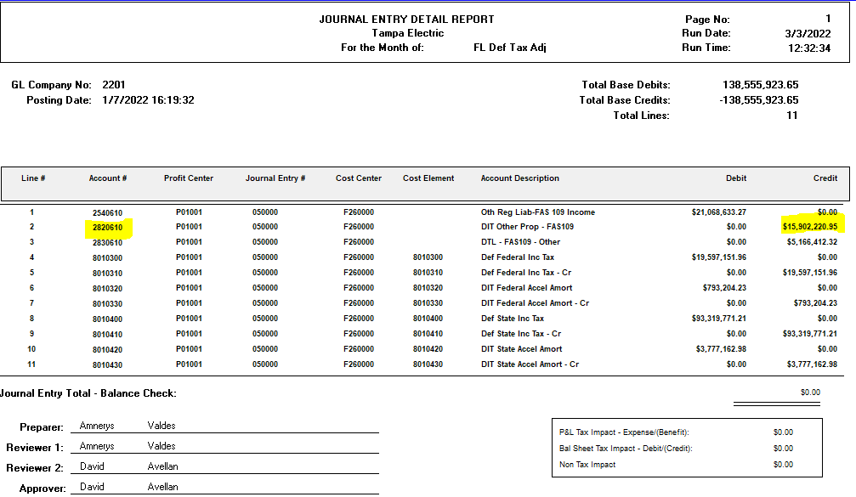
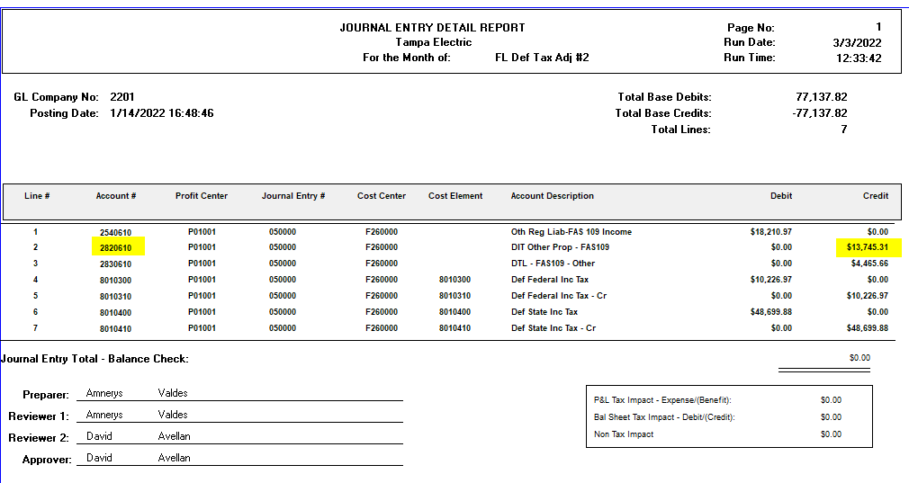

Rpt # Tax Accrual - 51051 | 1/14/22

State Excess
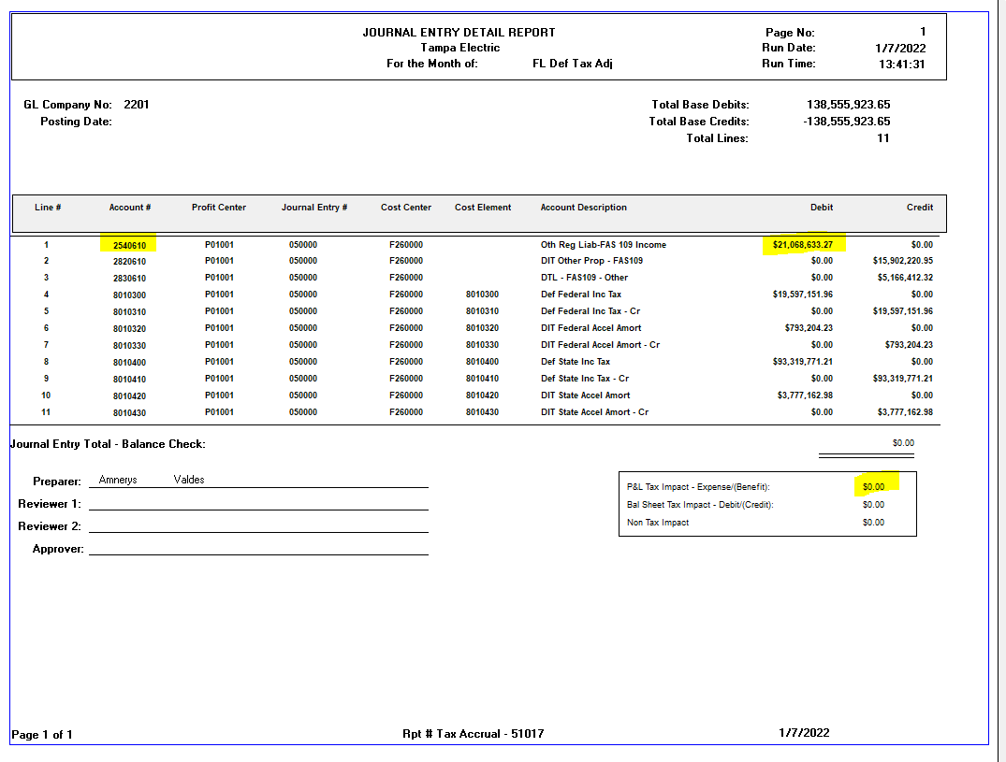

Deficient state deferrred taxes 12/31/2021
...
To record initial impact | Dr | Cr

DTL (acct 2820610) |  | 15,915,966
DTL 2830610 Gross Up |  | 5,170,779
Reg tax liabilities acct 2540610 | 21,086,745

To amortize deficient state DIT over 5 years

Reg tax liabilities acct 2540610 |  | 4,217,349
State Deferred income tax exp 8010410 | 3,183,193
DTL 283 Gross Up | 1,034,156

 |  | 4,217,349 | 5 years
 |  | 1,054,337 | 20 years
 |  | 3,163,012 | diff higher rev req

 |  | 2,387,395 | addl tax expense in 2025

