Info_GeneratingCapacity
To update, refer to TYSP's and/or email resource planning and ask them for the Installed Winter Generating Capacity [aka Net Capability] from Schedule 1 of TYSP.
2/6/2024 Received Draft of Schedule 1 from Malcolm Ware, RP, using Winter Net Capability in MW
Notice BB3 has been removed due to retirement, four (4) new solar sites have been added and BPS1 AGP enhancement has been incorporated.
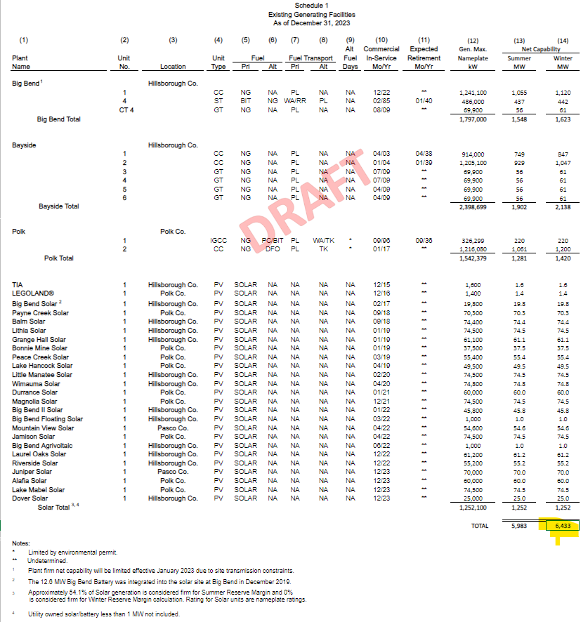
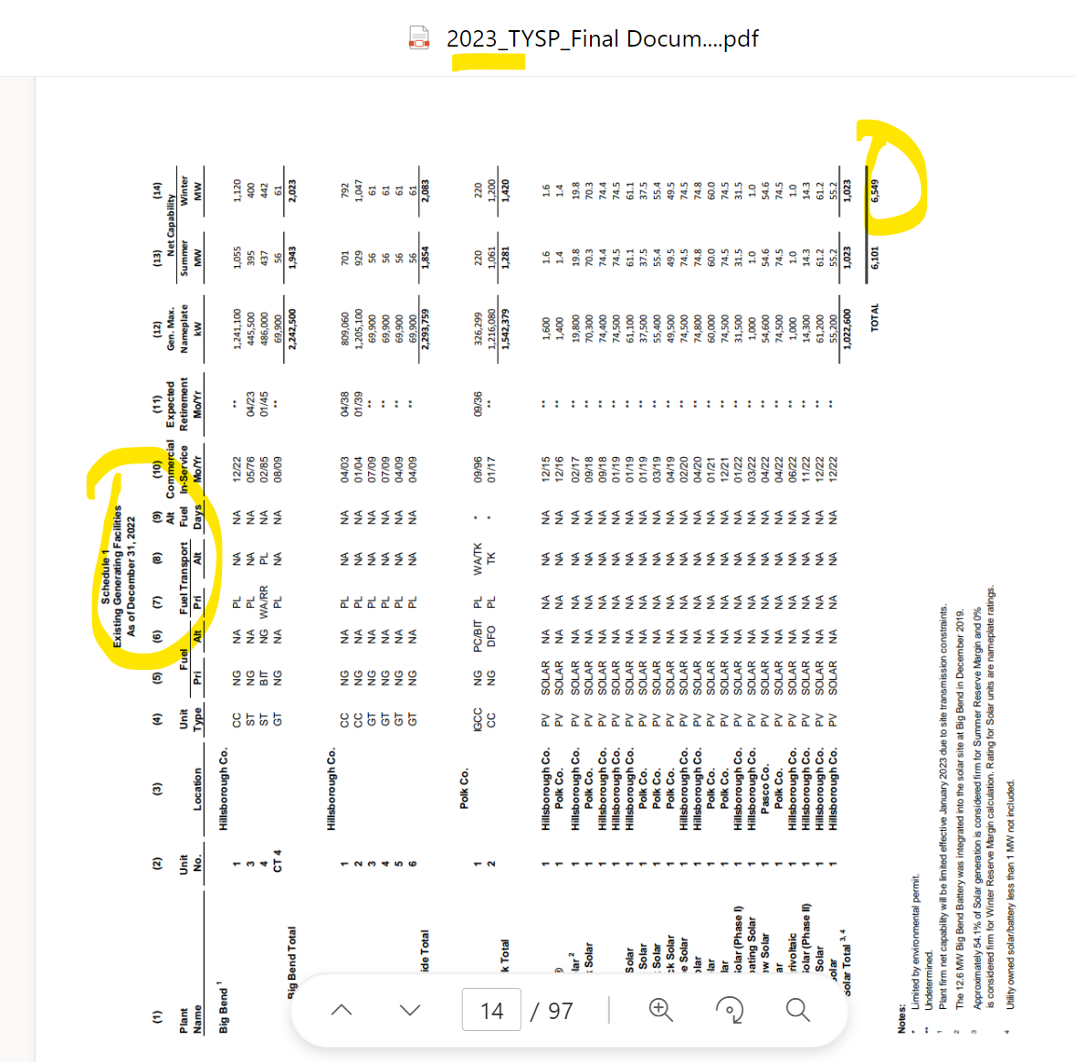

Info_T&DMiles
2/7/2024 Mark Peer provided 2023 data. Refer to email [snip on right].

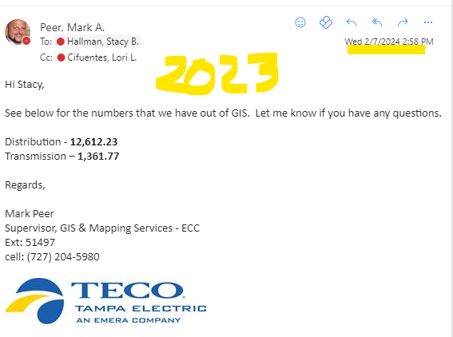
06/30/23 Update provided to Stacy Hallman by Mark Peer, Supervisor GIS and Mapping
 |  |  |  |  |  |  |  | linked in C-34 tab
 |  | Distribution Conductor
Per Regan H. |  | ASSET | 2015 | 2016 | 2017 | 2018 | 2019 | 2020 | 2021 | 2022 | 2023
 | Use Circuit Miles | Circuit Miles (2) | 11,334.39 | 11,415.96 | 11,526.67 | 11,650.28 | 11,800.54 | 11,961.12 | 12,137.64 | 12,376.01 | 12,612.23
 |  | Wire Miles (4) | 26,728.16 | 26,858.49 | 27,018.55 | 27,222.33 | 27,473.25 | 27,713.12 | 28,001.83 | 28,358.64

 |  | (2) Circuit Miles represents the total mileage of a circuit, regardless of whether or not it shares any poles or trench space with another circuit, and regardless of how many phases and wires there are.
 |  | (4) Wire miles represents the total mileage of all the conductor wires, counting each phase, plus the neutral for overhead lines. One Circuit Mile of three-phase overhead equates to 4 Wire Miles. One Circuit Mile of three-phase underground equates to 3 Wire Miles.

 |  | Transmission Conductor
Per Regan H. |  | ASSET | 2015 | 2016 | 2017 | 2018 | 2019 | 2020 | 2021 | 2022 | 2023
 | Use Circuit Miles | Circuit Miles(1)(4) | 1,301.49 | 1,327.75 | 1,326.63 | 1,337.96 | 1,344.51 | 1,342.64 | 1,343.43 | 1,347.79 | 1,361.77
 |  | Wire Miles(3) | 5,205.95 | 5,310.99 | 5,306.51 | 5,351.83 | 5,378.02 | 5,370.55 | 5,373.74 | 5,391.16

 |  | (1) Circuit Miles represents the total mileage of a circuit, regardless of whether or not it shares any poles or trench space with another circuit, and regardless of how many phases and wires there are.
 |  | (3) Wire miles represents the total mileage of all the conductor wires, counting each phase, plus the static for overhead lines. One Circuit Mile of three-phase overhead typically equates to 4 Wire Miles. One Circuit Mile of three-phase underground equates to 3 Wire Miles. However, the total shown in the table above is only an approximation, largely because it does not take into account those situations where there are 2 static wires (e.g. on H-frame structures), or where two circuits that share structures may also share the static. The first situation would increase the wire miles, the latter would decrease it.
 |  | (4) Includes Lake Agnes to Osceola 230616 and Osceloa to Cane Island 230617, a total of 24.49 miles which OUC (Orlando Utilities Commission), operates. TEC owns 25% and reimburses OUC 25% of O&M.

