IRR 54
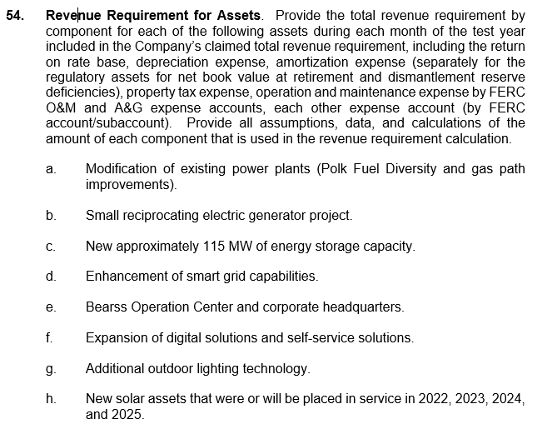

Summary of Snips - IRR 54 a-h
OPC IRR #54.a
2025 Revenue Requirement Impact - Polk Fuel Diversity |  |  | 2025 Revenue Requirement Impact - Polk 1 Flexibility (Gas Path Improvements)

Revenue Requirement |  | 13-Mth Avg | Revenue Requirement |  | 13-Mth Avg
Rate Base | OPC IRR 51a | - | Rate Base | OPC IRR 51a | 48,916,910
ROR | MFR A-1 | 7.37% | ROR | MFR A-1 | 7.37%
NOI Requested |  | - | NOI Requested |  | 3,605,176
NOI Multiplier | MFR A-1 | 1.34364 | NOI Multiplier | MFR A-1 | 1.34364
Return on Rate Base |  | - | Return on Rate Base |  | 4,844,074
O&M Expense | SYA | - | O&M Expense | SYA | (1,857,114)
Depreciation | OPC IRR 51a | - | Depreciation | OPC IRR 51a | 2,009,687
Property Taxes | See Below | - | Property Taxes | See Below | -
Total Revenue Requirement |  | - | Total Revenue Requirement |  | 4,996,648

Property Tax |  |  | Property Tax
PY Basis | OPC IRR 52a | - | PY Basis | OPC IRR 52a | -
Property Tax Rate | OPC IRR 52a | 0.90% | Property Tax Rate | OPC IRR 52a | 0.90%
Property Taxes |  | - | Property Taxes |  | -
Note: Polk Fuel Diversity has an in-service date of September 2026. Therefore, there is no impact to rate base or revenue requirement in the test year. 2026 and 2027 revenue requirement calculation for Polk Fuel Diversity is calculated under the SYA.
Note: 2026 and 2027 revenue requirement calculation for Polk 1 Flexibility is calculated under the SYA.

OPC IRR #54.b
2025 Revenue Requirement Impact - South Tampa Resiliency (Reciprocating Electric Generator)

Revenue Requirement |  | 13-Mth Avg
Rate Base | OPC IRR 51b | 76,240,597
ROR | MFR A-1 | 7.37%
NOI Requested |  | 5,618,932
NOI Multiplier | MFR A-1 | 1.34364
Return on Rate Base |  | 7,549,845
O&M Expense | SYA | 750,316
Depreciation | OPC IRR 51b | 1,560,750
Property Taxes | See Below | 5,467
Total Revenue Requirement |  | 9,866,378

Property Tax
PY Basis | OPC IRR 52b | 609,805
Property Tax Rate | OPC IRR 52b | 0.90%
Property Taxes |  | 5,467

Note: 2026 and 2027 revenue requirement calculation for South Tampa Resiliency (small reciprocating electric generator project) is calculated under the SYA.

OPC IRR #54.c
2025 Revenue Requirement Impact - Energy Storage (115 MW of Energy Storage Capacity)

Revenue Requirement |  | 13-Mth Avg
Rate Base | OPC IRR 51c | 115,708,118
ROR | MFR A-1 | 7.37%
NOI Requested |  | 8,527,688
NOI Multiplier | MFR A-1 | 1.34364
Return on Rate Base |  | 11,458,179
O&M Expense | SYA | 1,963,333
Depreciation | OPC IRR 51c | 9,932,805
Property Taxes | See Below | 173,394
ITC Amortization | SYA | (5,042,206)
Total Revenue Requirement |  | 18,485,506

Property Tax
PY Basis | OPC IRR 52c | 19,341,267
Property Tax Rate | OPC IRR 52c | 0.90%
Property Taxes |  | 173,394

Note: 2026 and 2027 revenue requirement calculation for Energy Storage Capacity is calculated under the SYA.

OPC IRR #54.d
2025 Revenue Requirement Impact - Grid Reliability and Resilience (Enhancement of Smart Grid Capabilities)

Revenue Requirement |  | 13-Mth Avg
Rate Base | OPC IRR 51d | 48,030,215
ROR | MFR A-1 | 7.37%
NOI Requested |  | 3,539,827
NOI Multiplier | MFR A-1 | 1.34364
Return on Rate Base |  | 4,756,268
O&M Expense | ADI Master OM | 3,597,696
Depreciation | OPC IRR 51d | 2,099,002
Property Taxes | See Below | 173,292
Total Revenue Requirement |  | 10,626,258

Property Tax
PY Basis | OPC IRR 52d | 19,329,820
Property Tax Rate | OPC IRR 52d | 0.90%
Property Taxes |  | 173,292

Note: 2026 and 2027 revenue requirement calculation for Grid Reliability and Resilence (enhancement of smart grid capabilities) is calculated under the SYA.

OPC IRR #54.e
2025 Revenue Requirement Impact - Bearss Operation Center |  |  | 2025 Revenue Requirement Impact - Corporate Headquarters

Revenue Requirement |  | 13-Mth Avg | Revenue Requirement |  | 13-Mth Avg
Rate Base | OPC IRR 51e | 181,048,673 | Rate Base | OPC IRR 51e | 128,888,021
ROR | MFR A-1 | 7.37% | ROR | MFR A-1 | 7.37%
NOI Requested |  | 13,343,287 | NOI Requested |  | 9,499,047
NOI Multiplier | MFR A-1 | 1.34364 | NOI Multiplier | MFR A-1 | 1.34364
Return on Rate Base |  | 17,928,630 | Return on Rate Base |  | 12,763,339
O&M Expense | SYA | 2,766,000 | O&M Expense | SYA | 4,323,756
Depreciation | OPC IRR 51e | 3,249,303 | Depreciation | OPC IRR 51e | 2,003,946
Property Taxes | See Below | 236 | Property Taxes | See Below | 171,377
Total Revenue Requirement |  | 23,944,169 | Total Revenue Requirement |  | 19,262,420

Property Tax |  |  | Property Tax
PY Basis | OPC IRR 52e | 26,375 | PY Basis | OPC IRR 52e | 19,116,269
Property Tax Rate | OPC IRR 52e | 0.90% | Property Tax Rate | OPC IRR 52e | 0.90%
Property Taxes |  | 236 | Property Taxes |  | 171,377

Note: 2026 and 2027 revenue requirement calculation for the Bearss Operation Center is calculated under the SYA.
Note: 2026 and 2027 revenue requirement calculation for the Corporate Headquarters is calculated under the SYA.

OPC IRR #54.f
2025 Revenue Requirement Impact - Expansion of digital solutions and self-service solutions

Revenue Requirement |  | 13-Mth Avg
Rate Base | OPC IRR 51f | 16,726,075
ROR | MFR A-1 | 7.37%
NOI Requested |  | 1,232,712
NOI Multiplier | MFR A-1 | 1.34364
Return on Rate Base |  | 1,656,326
O&M Expense | CE O&M | 1,291,668
Depreciation | OPC IRR 51f | 1,119,089
Property Taxes | See Below | 52,041
Total Revenue Requirement |  | 4,119,124

Property Tax
PY Basis | OPC IRR 52f | 5,804,926
Property Tax Rate | OPC IRR 52f | 0.90%
Property Taxes |  | 52,041

OPC IRR #54.g
2025 Revenue Requirement Impact - Additional outdoor lighting technology

Revenue Requirement |  | 13-Mth Avg
Rate Base | OPC IRR 51g | 33,215,926
ROR | MFR A-1 | 7.37%
NOI Requested |  | 2,448,014
NOI Multiplier | MFR A-1 | 1.34364
Return on Rate Base |  | 3,289,259
O&M Expense | Estimate (15% of Total Rev Req.) | 850,000
Depreciation | OPC IRR 51g | 1,308,814
Property Taxes | See Below | 234,494
Total Revenue Requirement |  | 5,682,568

Property Tax
PY Basis | OPC IRR 52g | 26,156,582
Property Tax Rate | OPC IRR 52g | 0.90%
Property Taxes |  | 234,494

OPC IRR #54.h |  |  | OPC IRR #54.h
2025 Revenue Requirement Impact - Solar that went in service in 2022 |  |  | 2025 Revenue Requirement Impact - Solar that went in service in 2023

Revenue Requirement |  | 13-Mth Avg | Revenue Requirement |  | 13-Mth Avg
Rate Base | OPC IRR 51h | 410,523,410 | Rate Base | OPC IRR 51h | 311,376,481
ROR | MFR A-1 | 7.37% | ROR | MFR A-1 | 7.37%
NOI Requested |  | 30,255,575 | NOI Requested |  | 22,948,447
NOI Multiplier | MFR A-1 | 1.34364 | NOI Multiplier | MFR A-1 | 1.34364
Return on Rate Base |  | 40,652,728 | Return on Rate Base |  | 30,834,547
O&M Expense | Solar O&M | 2,029,117 | O&M Expense | OPC POD 13 | 3,545,775
Depreciation | OPC IRR 51h | 13,761,613 | Depreciation | OPC IRR 51h | 9,799,544
Property Taxes | See Below | 1,143,281 | Property Taxes | See Below | 881,940
PTC |  | (22,770,089) | PTC |  | (17,171,363)
Total Revenue Requirement |  | 34,816,650 | Total Revenue Requirement |  | 27,890,443

Property Tax |  |  | Property Tax
PY Basis | OPC IRR 52h | 350,699,767 | PY Basis | OPC IRR 52h | 270,533,637
Property Tax Rate | OPC IRR 52h | 0.33% | Property Tax Rate | OPC IRR 52h | 0.33%
Property Taxes |  | 1,143,281 | Property Taxes |  | 881,940

OPC IRR #54.h |  |  | OPC IRR #54.h
2025 Revenue Requirement Impact - Solar that went in service in 2024 |  |  | 2025 Revenue Requirement Impact - Solar that went in service in 2025

Revenue Requirement |  | 13-Mth Avg | Revenue Requirement |  | 13-Mth Avg
Rate Base | OPC IRR 51h | 159,188,515 | Rate Base | OPC IRR 51h | 18,601,057
ROR | MFR A-1 | 7.37% | ROR | MFR A-1 | 7.37%
NOI Requested |  | 11,732,194 | NOI Requested |  | 1,370,898
NOI Multiplier | MFR A-1 | 1.34364 | NOI Multiplier | MFR A-1 | 1.34364
Return on Rate Base |  | 15,763,894 | Return on Rate Base |  | 1,841,999
O&M Expense | OPC POD 13 | 2,262,800 | O&M Expense | OPC POD 13 | 700,000
Depreciation | OPC IRR 51h | 5,252,440 | Depreciation | OPC IRR 51h | 82,629
Property Taxes | See Below | 496,035 | Property Taxes | See Below | -
PTC |  | (7,053,625) | PTC |  | (553,542)
Total Revenue Requirement |  | 16,721,543 | Total Revenue Requirement |  | 2,071,087

Property Tax |  |  | Property Tax
PY Basis | OPC IRR 52h | 152,157,905 | PY Basis | OPC IRR 52h | -
Property Tax Rate | OPC IRR 52h | 0.33% | Property Tax Rate | OPC IRR 52h | 0.33%
Property Taxes |  | 496,035 | Property Taxes |  | -

Note: 2026 and 2027 revenue requirement calculation for the Solar Projects are calculated under the SYA.

54a - Polk Fuel
Tampa Electric
2025 Revenue Requirement Impacts - Polk Fuel Diversity
OPC IRR #54

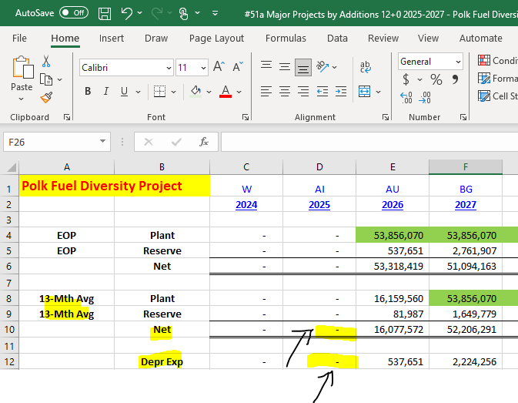
Revenue Requirement |  | 13-Mth Avg
Rate Base | OPC IRR 51a | - | -
ROR | MFR A-1 | 7.37%
NOI Requested |  | -
NOI Multiplier | MFR A-1 | 1.34364
Return on Rate Base |  | -
O&M Expense | SYA | - | -
Depreciation | OPC IRR 51a | - | -
Property Taxes | See Below | -
Total Revenue Requirement |  | -

Property Tax
PY Basis | OPC IRR 52a | - | -
Property Tax Rate | OPC IRR 52a | 0.90%
Property Taxes |  | -

Note: Polk Fuel Diversity has an in-service date of September 2026. Therefore, there is no impact to rate base or revenue requirement in the test year. 2026 and 2027 revenue requirement calculation for Polk Fuel Diversity is calculated under the SYA.

 |  |  |  |  | Net 13-mo Avg |  | Depreciation
 |  |  |  |  | - |  | -

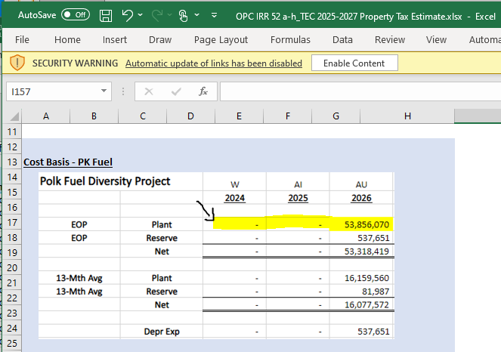

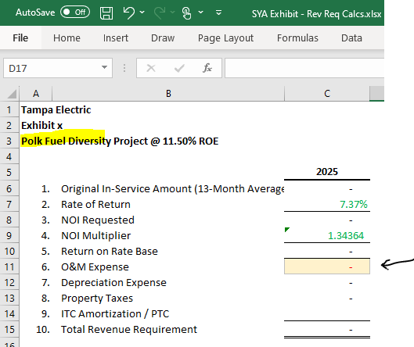

 |  |  |  | -

 |  |  |  |  |  | Prior Yr (2024) Ending Bal Plant
 |  |  |  |  |  | -

54a - Polk 1
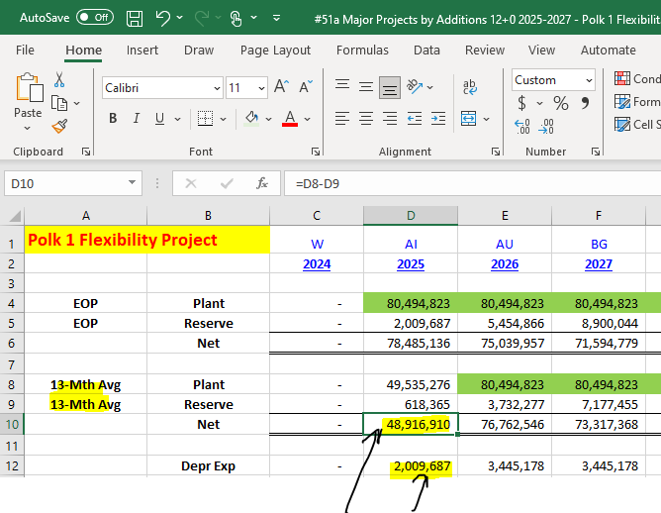
Tampa Electric
2025 Revenue Requirement Impacts - Polk 1 Flexibility (Gas Path Improvements)
OPC IRR #54

Revenue Requirement |  | 13-Mth Avg
Rate Base | OPC IRR 51a | 48,916,910 | -
ROR | MFR A-1 | 7.37%
NOI Requested |  | 3,605,176
NOI Multiplier | MFR A-1 | 1.34364
Return on Rate Base |  | 4,844,074
O&M Expense | SYA | (1,857,114) | -
Depreciation | OPC IRR 51a | 2,009,687 | -
Property Taxes | See Below | -
Total Revenue Requirement |  | 4,996,648

Property Tax
PY Basis | OPC IRR 52a | - | -
Property Tax Rate | OPC IRR 52a | 0.90%
Property Taxes |  | -

Note: 2026 and 2027 revenue requirement calculation for Polk 1 Flexibility is calculated under the SYA.

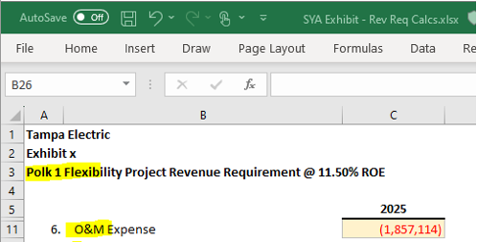
 |  |  |  | Net 13-mo Avg | Depreciation
 |  |  |  | 48,916,910 | 2,009,687

 |  |  | (1,857,114)
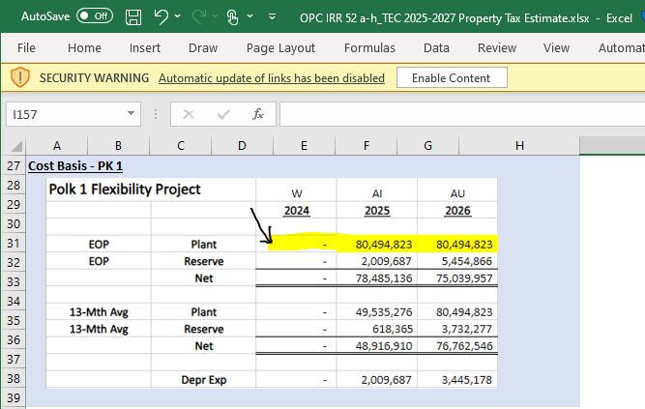

 |  |  |  |  |  | Prior Yr (2024) Ending Bal Plant
 |  |  |  |  |  | -

54b - So Tampa
Tampa Electric
2025 Revenue Requirement Impacts - South Tampa Resiliency (Recip. Generator)
OPC IRR #54

Revenue Requirement |  | 13-Mth Avg
Rate Base | OPC IRR 51b | 76,240,597 | -
ROR | MFR A-1 | 7.37%
NOI Requested |  | 5,618,932
NOI Multiplier | MFR A-1 | 1.34364
Return on Rate Base |  | 7,549,845
O&M Expense | SYA | 750,316 | -
Depreciation | OPC IRR 51b | 1,560,750 | -
Property Taxes | See Below | 5,467 | -
Total Revenue Requirement |  | 9,866,378

Property Tax
PY Basis | OPC IRR 52b | 609,805 | -
Property Tax Rate | OPC IRR 52b | 0.90%
Property Taxes |  | 5,467
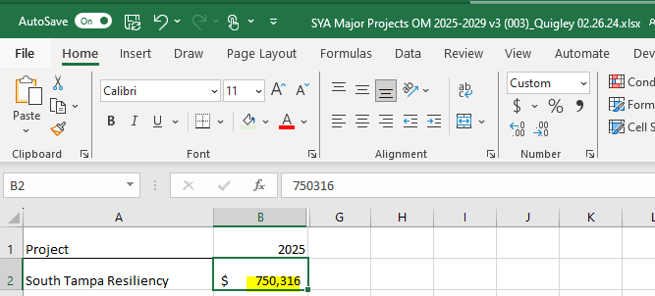
Note: 2026 and 2027 revenue requirement calculation for South Tampa Resiliency (small reciprocating electric generator project) is calculated under the SYA.

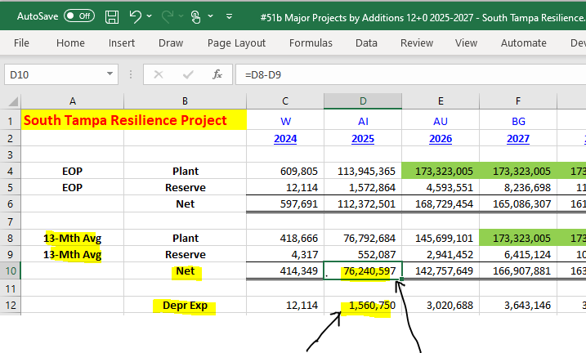

 |  |  |  | 750,316

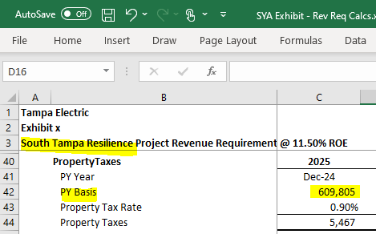

 |  |  |  |  | Prior Yr (2024) Ending Bal Plant
 |  | Depreciation | Net 13-mo Avg |  | 609,805
 |  | 1,560,750 | 76,240,597
 |  |  |  |  | 5,467

54c - Energy Storage
Tampa Electric
2025 Revenue Requirement Impacts - Energy Storage (115 MW of Energy Storage Capacity)
OPC IRR #54
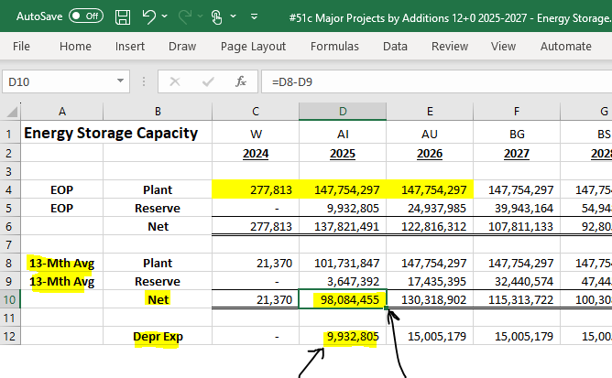
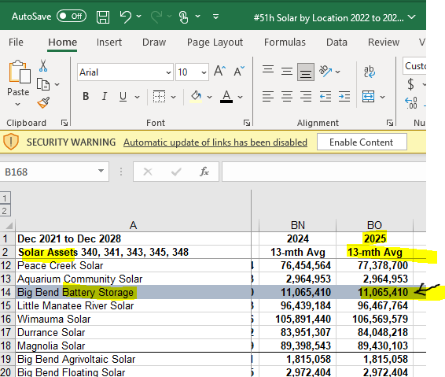
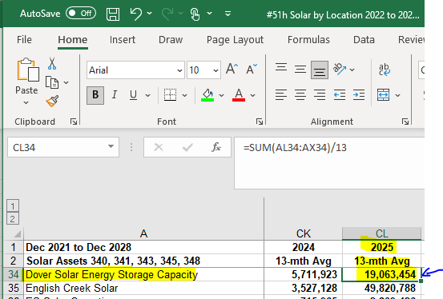
Revenue Requirement |  | 13-Mth Avg
Rate Base | OPC IRR 51c | 115,708,118
ROR | MFR A-1 | 7.37%
NOI Requested |  | 8,527,688
NOI Multiplier | MFR A-1 | 1.34364
Return on Rate Base |  | 11,458,179
O&M Expense | SYA | 1,963,333 | -
Depreciation | OPC IRR 51c | 9,932,805 | -
Property Taxes | See Below | 173,394
ITC Amortization | SYA | (5,042,206) | -
Total Revenue Requirement |  | 18,485,506

Property Tax
PY Basis | OPC IRR 52c | 19,341,267
Property Tax Rate | OPC IRR 52c | 0.90%
Property Taxes |  | 173,394
 |  |  |  |  |  |  |  |  | Dover Plant
 |  |  |  |  |  |  |  |  | 19,063,454
Note: 2026 and 2027 revenue requirement calculation for Energy Storage Capacity is calculated under the SYA.

 |  |  |  |  |  | Depreciation |  | Net 13-mo Avg
 |  |  |  |  |  | 9,932,805 |  | 98,084,455

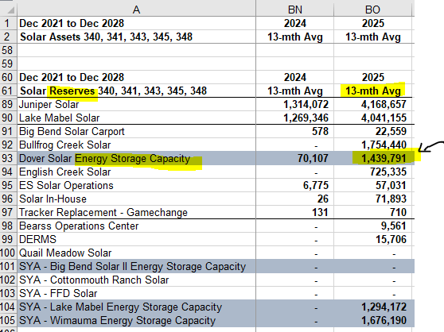
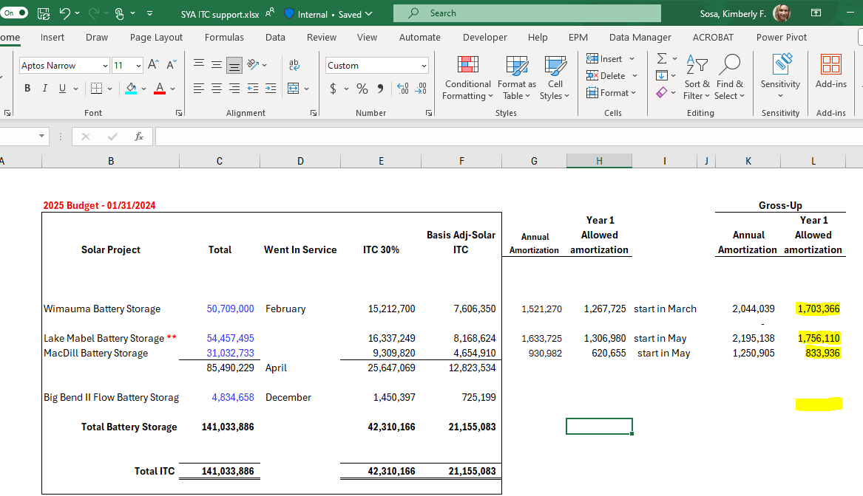
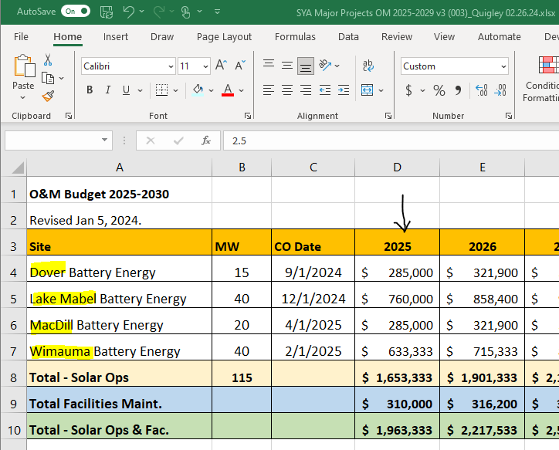

 |  |  |  |  |  |  |  |  | Dover 13-Mo Accum Depr
 |  |  |  |  |  |  |  |  | 1,439,791

 |  |  |  |  |  |  |  |  | Dover 13-mo Avg NBV
 |  |  |  | 1,703,366 |  |  |  |  | 17,623,663

 |  |  |  | 1,756,110
 |  |  |  | 833,936

 |  |  |  |  |  |  |  | 1,963,333
 |  |  |  | -

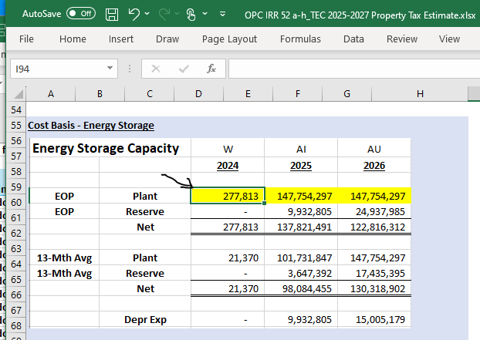

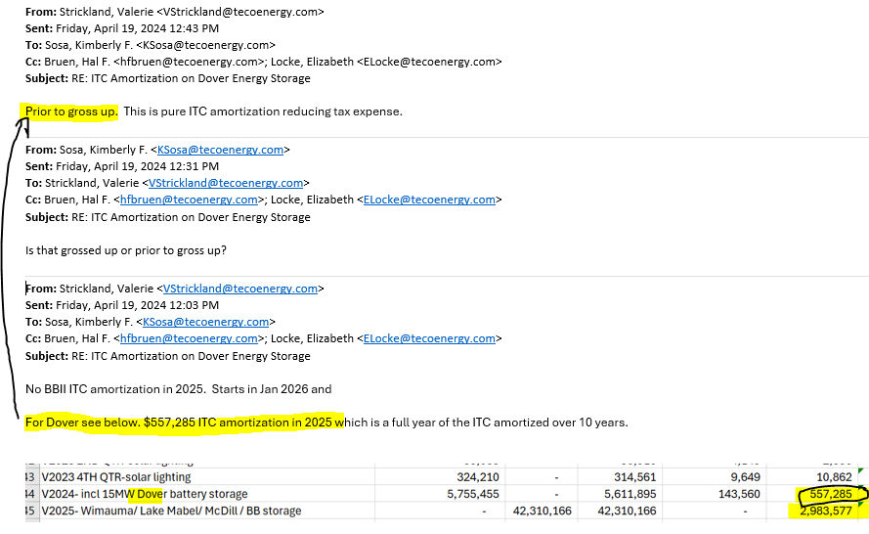

 |  |  |  | 2025 Dover ITC Amort
 |  |  |  | 557,285
 |  |  |  | 1.34364 | multiplier
 |  |  |  | 748,793

 |  |  |  |  |  |  | Prior Yr (2024) Ending Bal Plant
 |  |  |  |  |  |  | 277,813

54d - GRR
Tampa Electric
2025 Revenue Requirement Impacts - Grid Reliability and Resilience (Enhancement of Smart Grid Capabilities)
OPC IRR #54

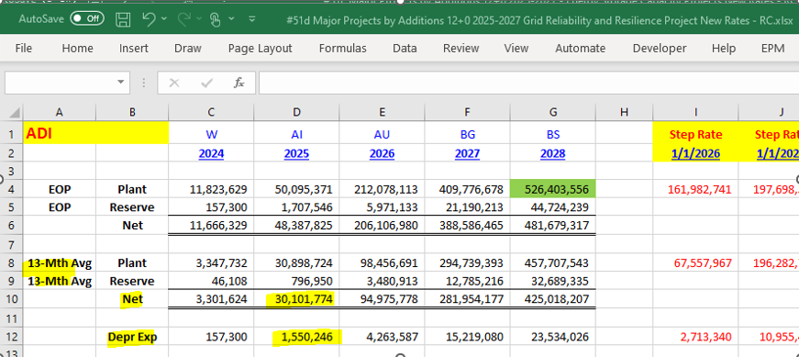
Revenue Requirement |  | 13-Mth Avg
Rate Base | OPC IRR 51d | 48,030,215 | -
ROR | MFR A-1 | 7.37%
NOI Requested |  | 3,539,827
NOI Multiplier | MFR A-1 | 1.34364
Return on Rate Base |  | 4,756,268
O&M Expense | ADI Master OM | 3,597,696 | -
Depreciation | OPC IRR 51d | 2,099,002 | -
Property Taxes | See Below | 173,292
Total Revenue Requirement |  | 10,626,258

Property Tax
PY Basis | OPC IRR 52d | 19,329,820 | -
Property Tax Rate | OPC IRR 52d | 0.90%
Property Taxes |  | 173,292 | -
 |  |  |  | Net 13-mo Avg | 30,101,774 | <-
Note: 2026 and 2027 revenue requirement calculation for Grid Reliability and Resilence (enhancement of smart grid capabilities) is calculated under the SYA.

 |  |  |  | Depr | 1,550,246 | <-

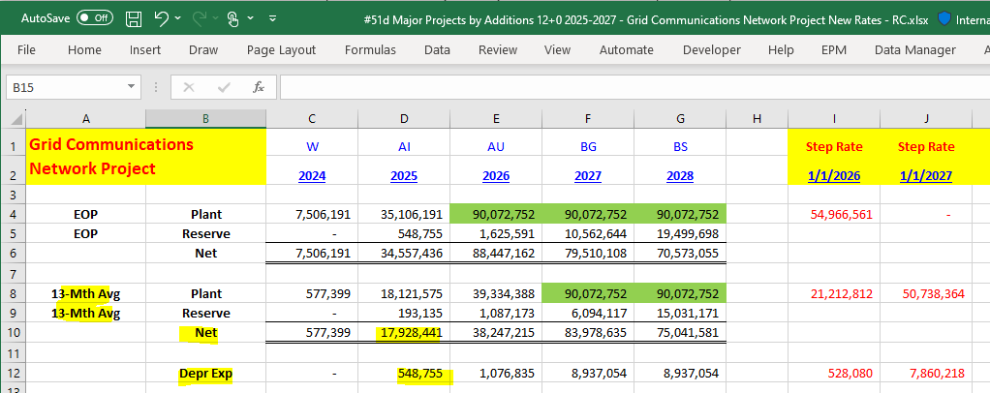
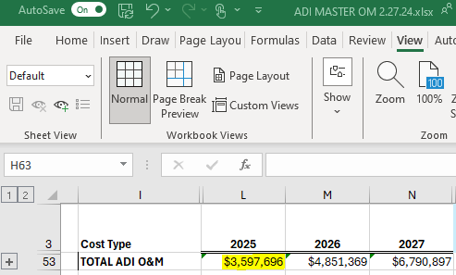

 |  |  |  | Net 13-mo Avg | 17,928,441 | <-

 |  | 3,597,696
 |  |  |  | Depr | 548,755 | <-

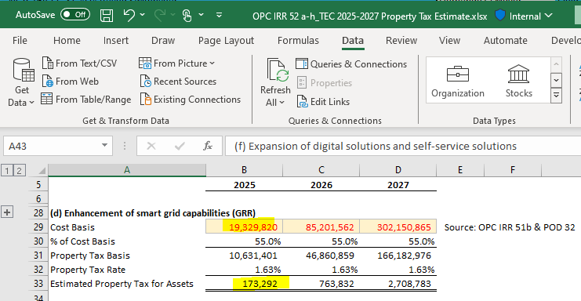
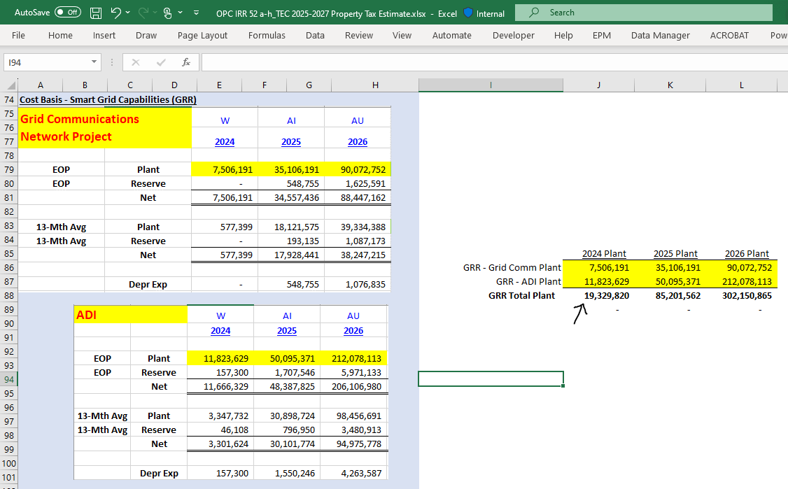

 |  |  |  |  |  |  | Total O&M: | 3,597,696

 | Cost Basis | 19,329,820

 | Est. Property Tax | 173,292

 |  |  |  |  |  |  | Prior Yr (2024) Ending Bal Plant
 |  |  |  |  |  |  | 19,329,820

54e - BOC
Tampa Electric
2025 Revenue Requirement Impacts - Bearss Operation Center
OPC IRR #54

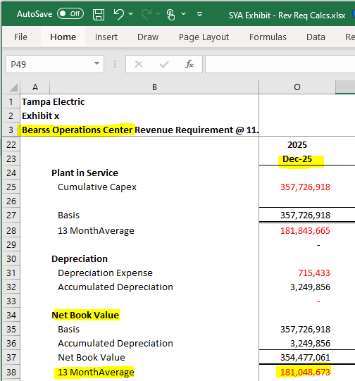
Revenue Requirement |  | 13-Mth Avg
Rate Base | OPC IRR 51e | 181,048,673 | -
ROR | MFR A-1 | 7.37%
NOI Requested |  | 13,343,287
NOI Multiplier | MFR A-1 | 1.34364
Return on Rate Base |  | 17,928,630
O&M Expense | SYA | 2,766,000 | -
Depreciation | OPC IRR 51e | 3,249,303 | -
Property Taxes | See Below | 236
Total Revenue Requirement |  | 23,944,169

Property Tax
PY Basis | OPC IRR 52e | 26,375 | -
Property Tax Rate | OPC IRR 52e | 0.90%
Property Taxes |  | 236
Note: 2026 and 2027 revenue requirement calculation for the Bearss Operation Center is calculated under the SYA.

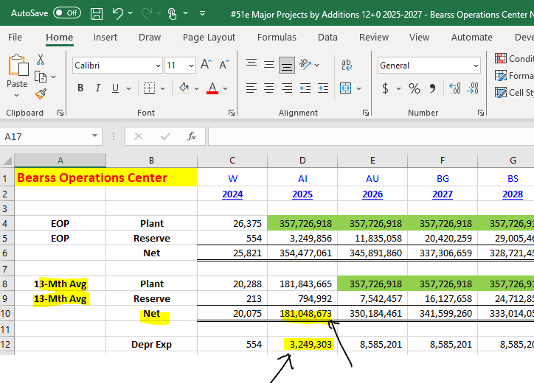
 |  |  |  |  |  | 181,048,673

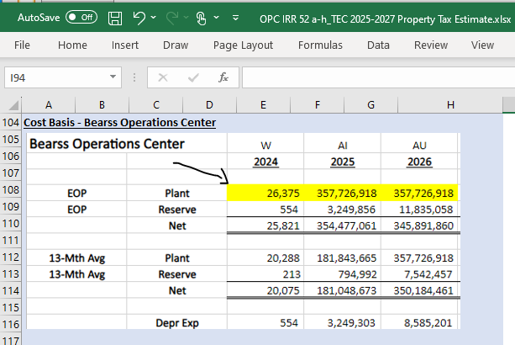

 |  |  |  |  | Prior Yr Ending Plant
 |  | Depreciation |  | Net 13-mo Avg | 26,375
 |  | 3,249,303 |  | 181,048,673

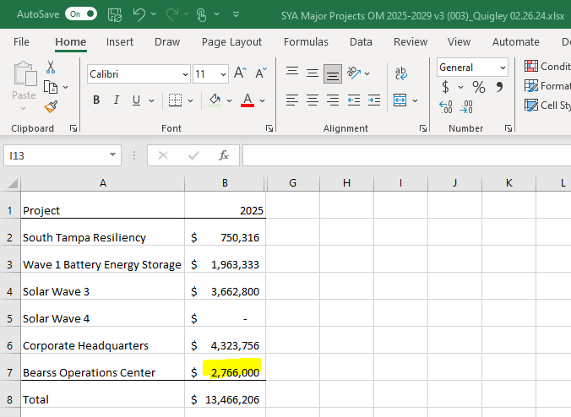

2,766,000

54e - HQ
Tampa Electric
2025 Revenue Requirement Impacts - Corporate Headquarters
OPC IRR #54

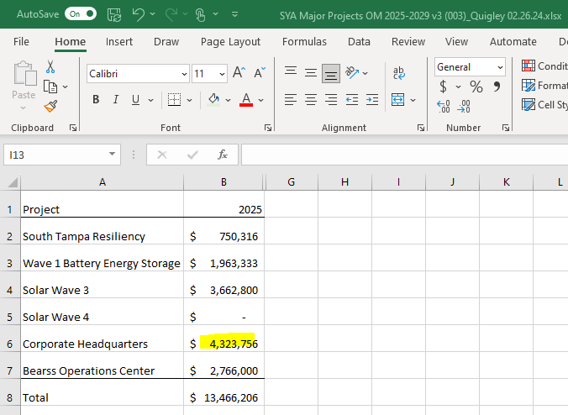
Revenue Requirement |  | 13-Mth Avg
Rate Base | OPC IRR 51e | 128,888,021 | -
ROR | MFR A-1 | 7.37%
NOI Requested |  | 9,499,047
NOI Multiplier | MFR A-1 | 1.34364
Return on Rate Base |  | 12,763,339
O&M Expense | SYA | 4,323,756 | -
Depreciation | OPC IRR 51e | 2,003,946 | -
Property Taxes | See Below | 171,377
Total Revenue Requirement |  | 19,262,420

Property Tax
PY Basis | OPC IRR 52e | 19,116,269 | -
Property Tax Rate | OPC IRR 52e | 0.90%
Property Taxes |  | 171,377

Note: 2026 and 2027 revenue requirement calculation for the Corporate Headquarters is calculated under the SYA.

 |  |  |  | 4,323,756
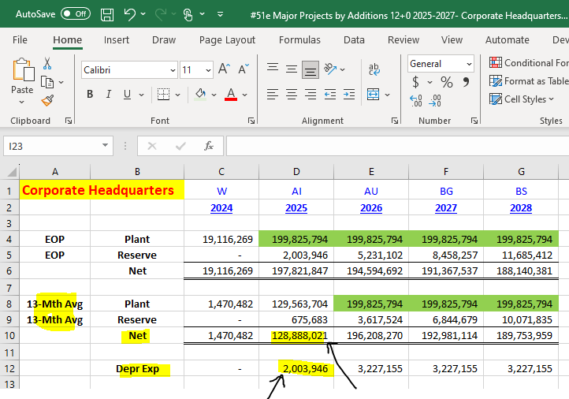

 |  |  |  | 19,116,269
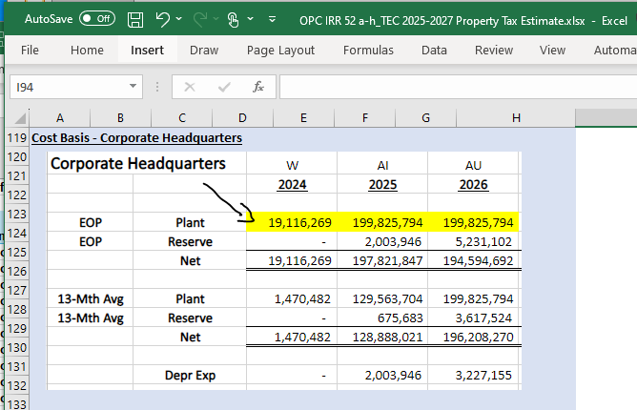

 |  | Depreciation | Net 13-mo Avg
 |  | 2,003,946 | 128,888,021

54f - Digital & Self-Svc
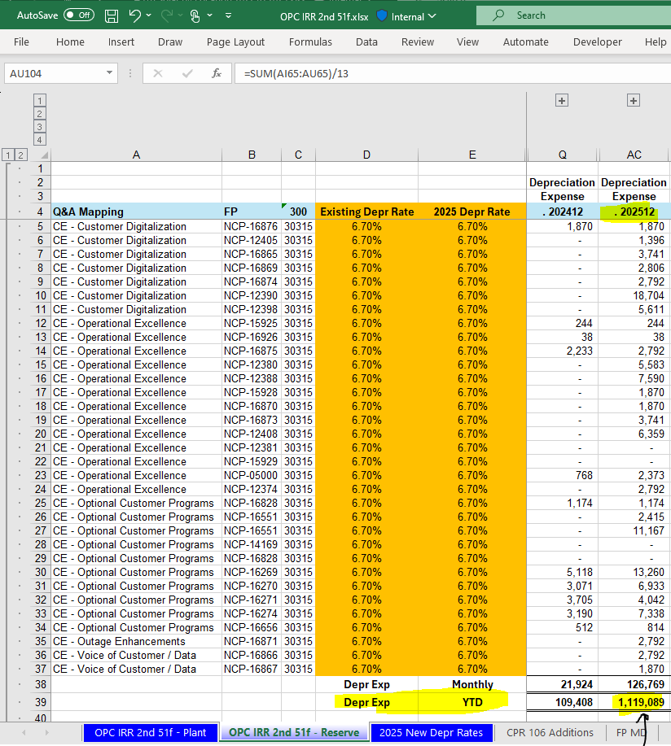
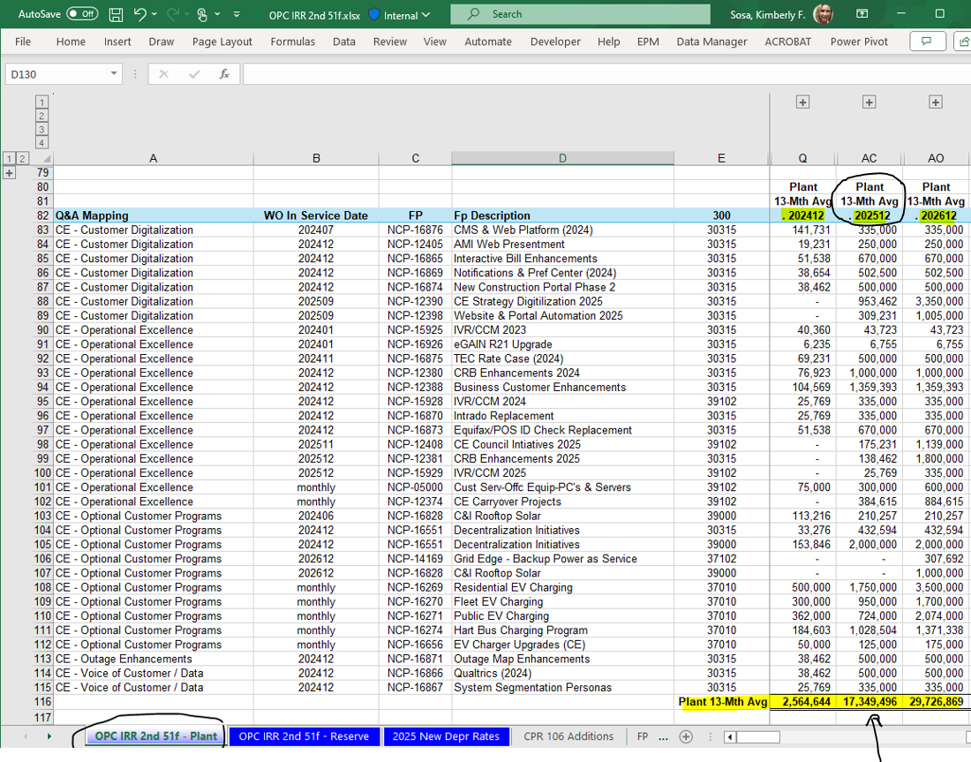
 | NBV 13-mo Avg
 | 2025
 | 16,726,075

 | Plant 13-mo Avg |  |  | Depreciation
 | 2025 |  |  | 2025
 | 17,349,496 |  |  | 1,119,089

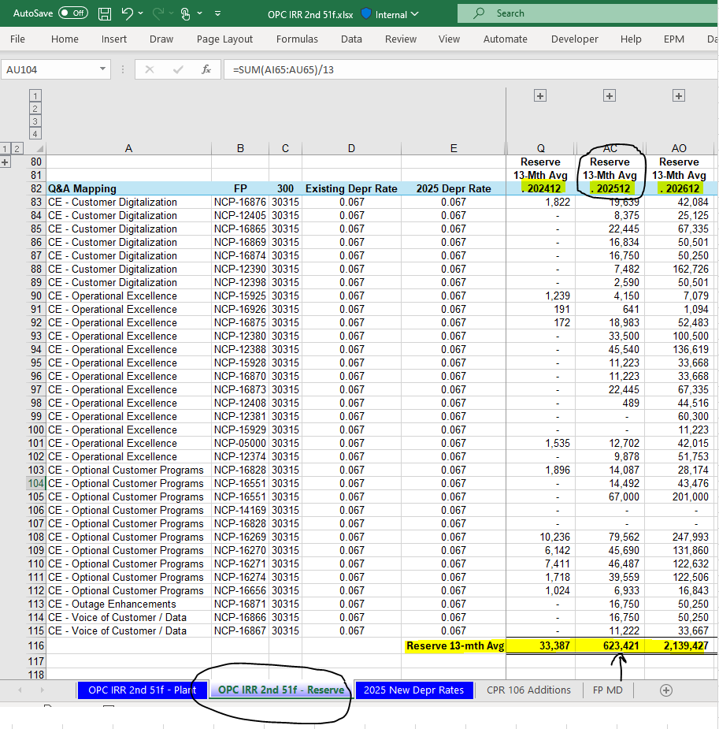
 |  | O&M
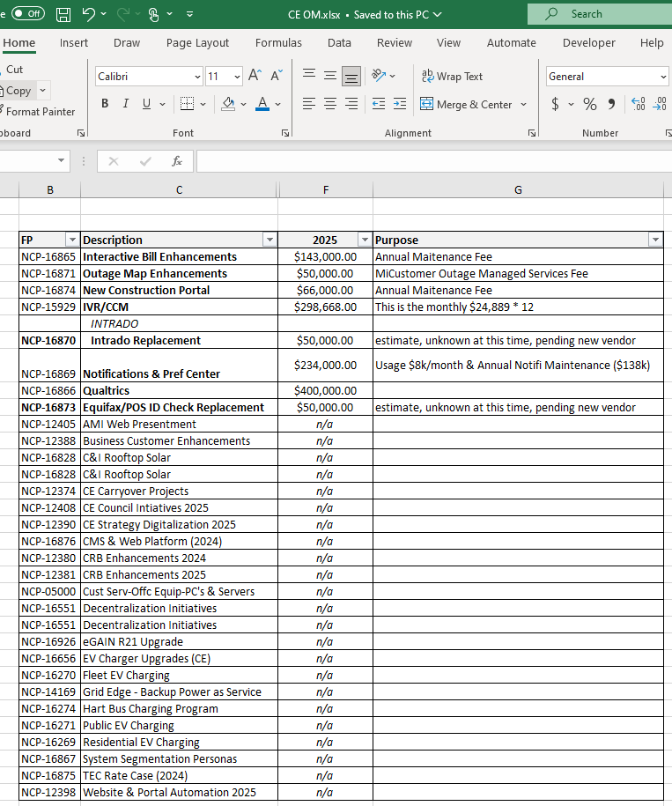

Reserve 13-mo Avg |  |  | 2025 O&M
2025 |  |  | 1,291,668
623,421

54g - Lighting
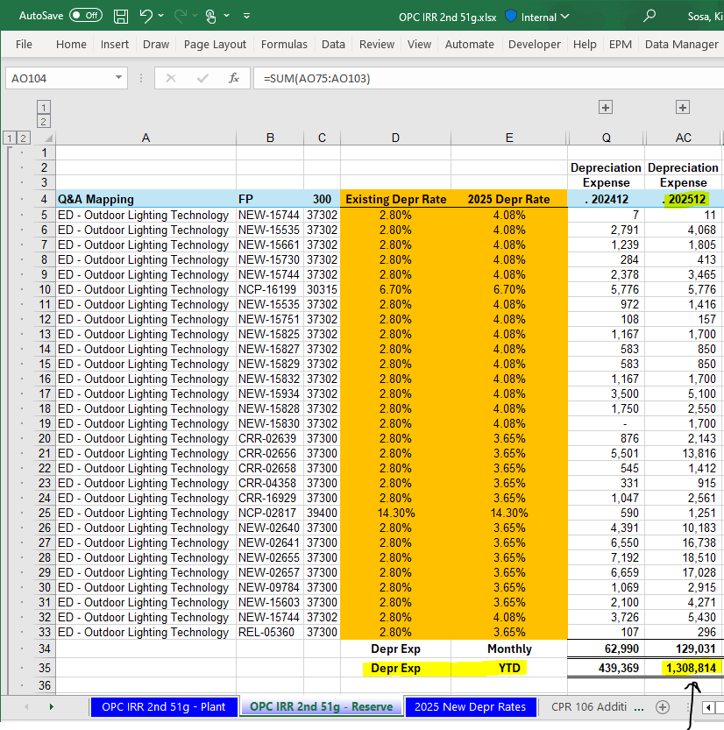
 | NBV 13-mo Avg
 | 2025
 | 33,215,926
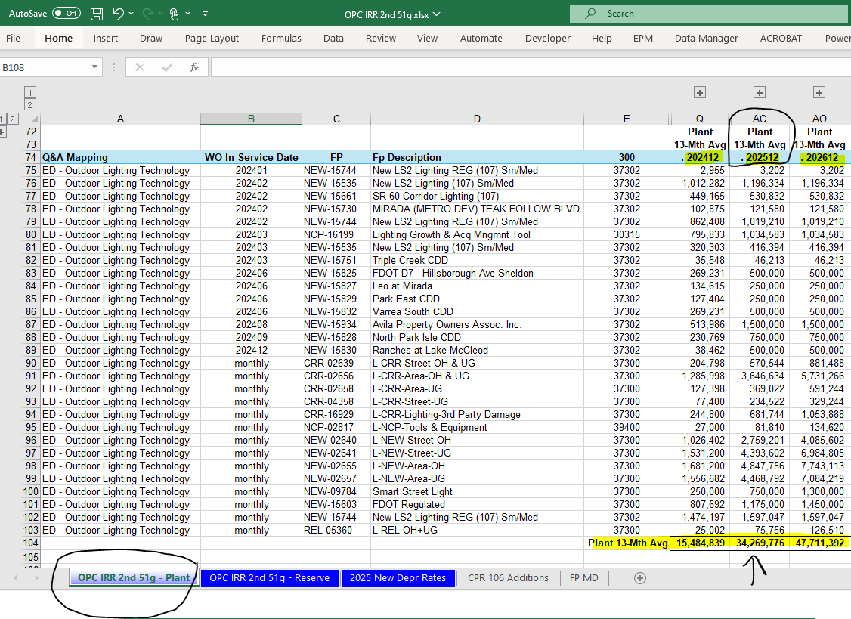

 | Plant 13-mo Avg
 | 2025 | Depreciation
 | 34,269,776 | 2025
 |  | 1,308,814

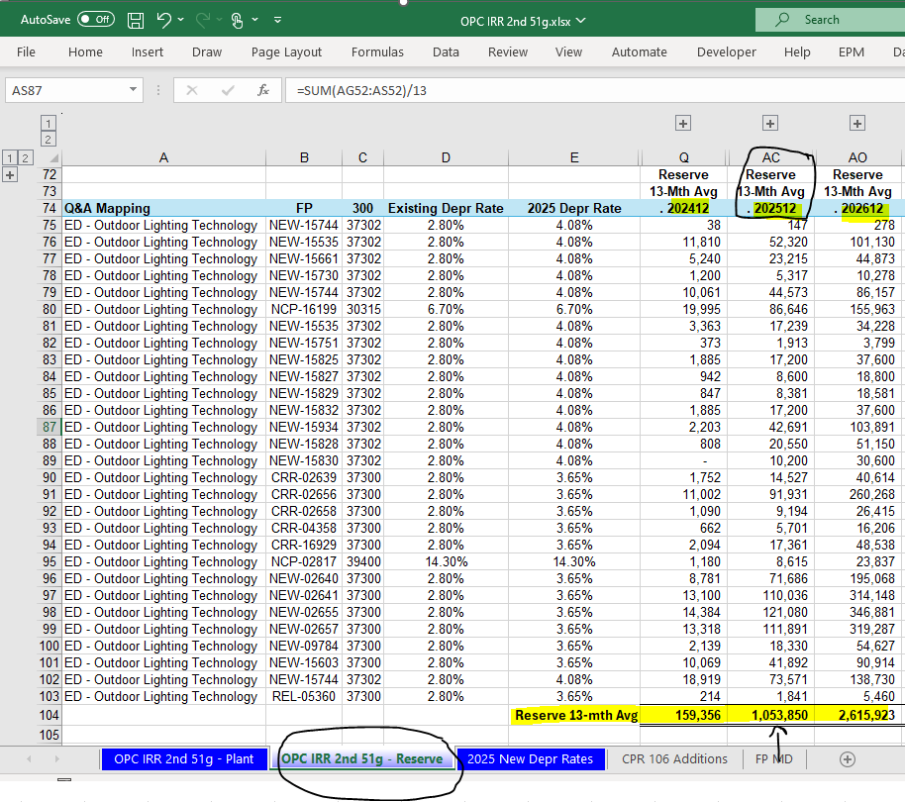

 | Reserve 13-mo Avg
 | 2025
 | 1,053,850

O&M
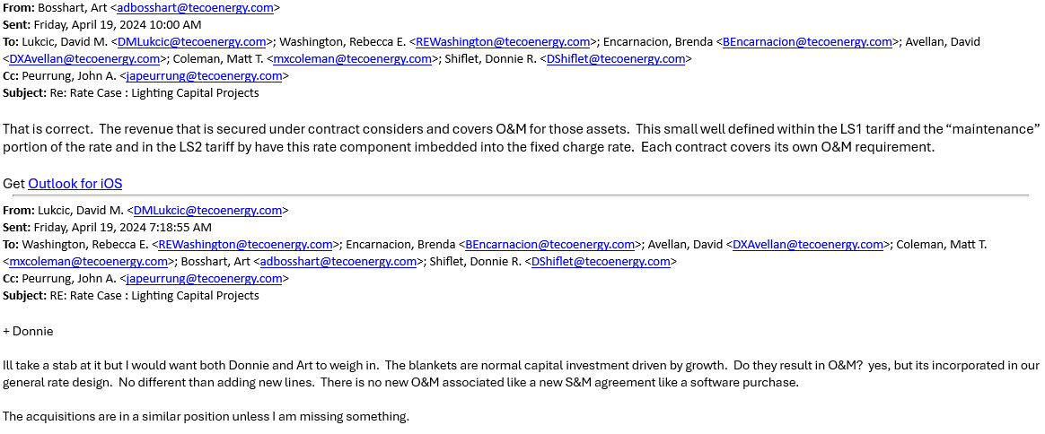

54h - Solar
Tampa Electric
2025 Revenue Requirement Impacts - Solar
OPC IRR #54

Revenue Requirement on Solar - 2022 In Service |  | 13-Mth Avg
Rate Base | OPC IRR 51h | 410,523,410
ROR | MFR A-1 | 7.37%
NOI Requested |  | 30,255,575
NOI Multiplier | MFR A-1 | 1.34364
Return on Rate Base |  | 40,652,728
O&M Expense | PCDM 2.0 - Solar Ops O&M | 2,029,117
Depreciation | OPC IRR 51h | 13,761,613
Property Taxes | See Below | 1,143,281
PTC |  | (22,770,089)
Total Revenue Requirement |  | 34,816,650

Property Tax
PY Net Book Value | OPC IRR 52h | 350,699,767
Property Tax Rate | OPC IRR 52h | 0.33%
Property Taxes |  | 1,143,281

Revenue Requirement on Solar - 2023 In Service |  | 13-Mth Avg
Rate Base | OPC IRR 51h | 311,376,481
ROR | MFR A-1 | 7.37%
NOI Requested |  | 22,948,447
NOI Multiplier | MFR A-1 | 1.34364
Return on Rate Base |  | 30,834,547
O&M Expense | OPC POD 13 | 3,545,775 | -
Depreciation | OPC IRR 51h | 9,799,544
Property Taxes | See Below | 881,940
PTC |  | (17,171,363)
Total Revenue Requirement |  | 27,890,443

Property Tax
PY Net Book Value | OPC IRR 52h | 270,533,637
Property Tax Rate | OPC IRR 52h | 0.33%
Property Taxes |  | 881,940

Revenue Requirement on Solar - 2024 In Service |  | 13-Mth Avg
Rate Base | OPC IRR 51h | 159,188,515
ROR | MFR A-1 | 7.37%
NOI Requested |  | 11,732,194
NOI Multiplier | MFR A-1 | 1.34364
Return on Rate Base |  | 15,763,894
O&M Expense | OPC POD 13 | 2,262,800 | -
Depreciation | OPC IRR 51h | 5,252,440
Property Taxes | See Below | 496,035
PTC |  | (7,053,625)
Total Revenue Requirement |  | 16,721,543

Property Tax
PY Net Book Value | OPC IRR 52h | 152,157,905
Property Tax Rate | OPC IRR 52h | 0.33%
Property Taxes |  | 496,035

Revenue Requirement on Solar - 2025 In Service (Total) |  | 13-Mth Avg
Rate Base | OPC IRR 51h | 18,601,057
ROR | MFR A-1 | 7.37%
NOI Requested |  | 1,370,898
NOI Multiplier | MFR A-1 | 1.34364
Return on Rate Base |  | 1,841,999
O&M Expense | OPC POD 13 | 700,000 | -
Depreciation | OPC IRR 51h | 82,629
Property Taxes | See Below | -
PTC |  | (553,542)
Total Revenue Requirement |  | 2,071,087

Property Tax
PY Net Book Value | OPC IRR 52h | -
Property Tax Rate | OPC IRR 52h | 0.33%
Property Taxes |  | -

Note: 2026 and 2027 revenue requirement calculation for the Solar Projects are calculated under the SYA.

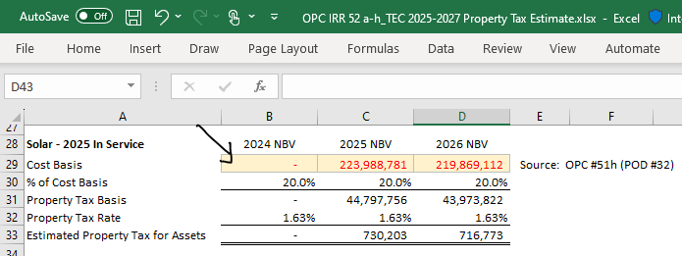

 |  |  |  | -

Support for Solar
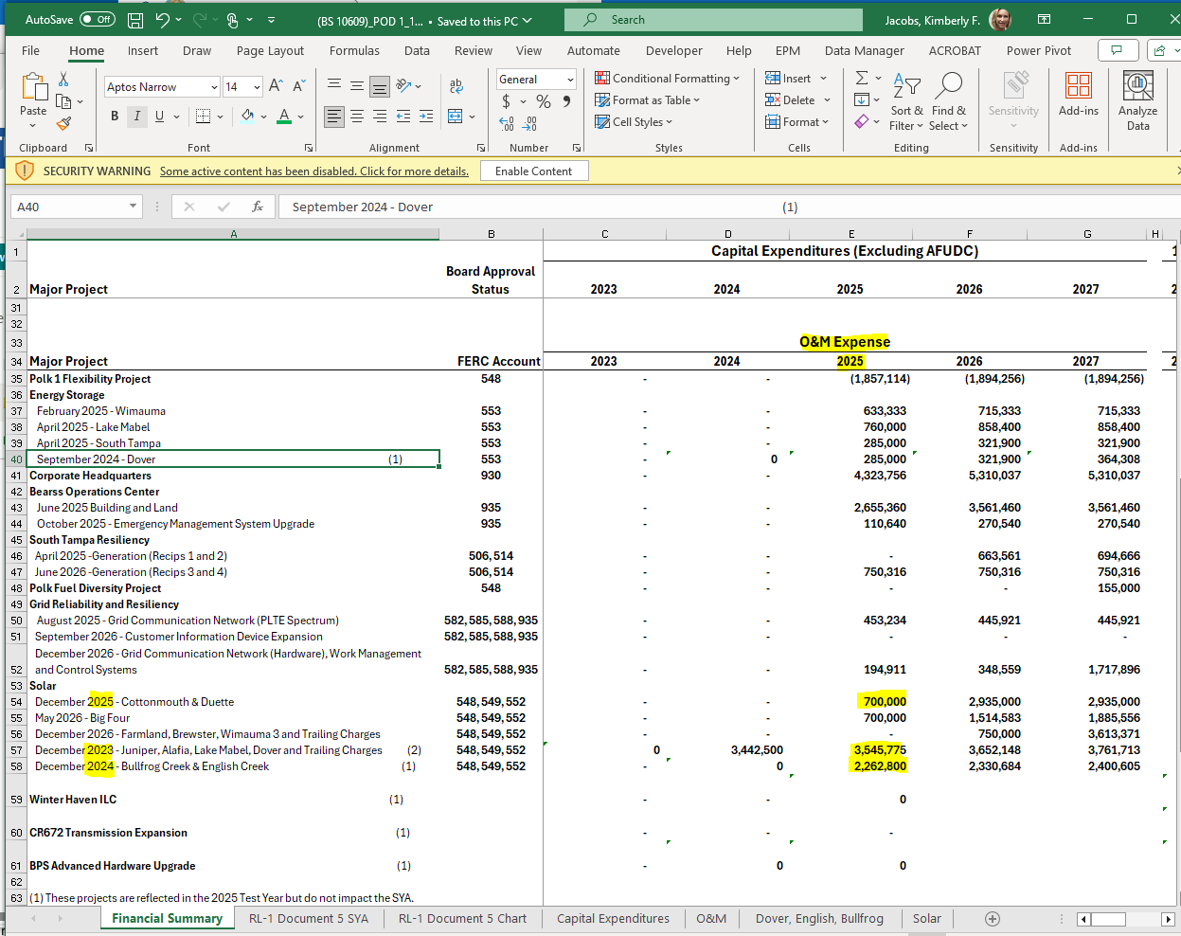
In-Service 2022 | 2025 | 2025
 | 13-mth Avg | Depreciation

Cumulative Plant In-Svc Balance
Big Bend Agrivoltaic Solar | 1,815,058 | 61,413
Big Bend Floating Solar | 2,972,404 | 100,764
Big Bend II Solar Phase 1 | 44,842,701 | 1,283,846
Big Bend II Solar Phase 2 | 20,915,667 | 707,451
Jamison Solar | 102,238,415 | 3,129,779
Laurel Oaks Solar | 77,810,841 | 2,480,578
Mountain View Solar | 81,986,480 | 2,516,690
Riverside Solar | 80,493,028 | 2,424,349
Solar Energy Center | 31,357,307 | 1,056,742
Total PIS Balance | 444,431,901 | 13,761,613
13-mo Avg

Accumulated Depreciation Balance
Big Bend Agrivoltaic Solar | 158,279
Big Bend Floating Solar | 290,582
Big Bend II Solar Phase 1 | 3,840,249
Big Bend II Solar Phase 2 | 1,613,953
Jamison Solar | 8,701,461
Laurel Oaks Solar | 5,480,583
Mountain View Solar | 6,898,229
Riverside Solar | 5,356,817
Solar Energy Center | 1,568,337
Total Accum Depr | 33,908,491
13-mo Avg

Net Book Value
Big Bend Agrivoltaic Solar | 1,656,779
Big Bend Floating Solar | 2,681,822
Big Bend II Solar Phase 1 | 41,002,452
Big Bend II Solar Phase 2 | 19,301,714
Jamison Solar | 93,536,954
Laurel Oaks Solar | 72,330,258
Mountain View Solar | 75,088,251
Riverside Solar | 75,136,211
Solar Energy Center | 29,788,970
Total NBV | 410,523,410

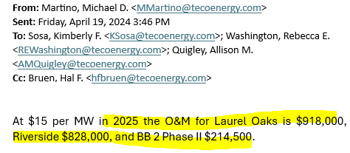
In-Service 2023 | 2025 | 2025 |  |  |  | ^
 | 13-mth Avg | Depreciation |  |  | In-Svc | 2025 O&M

Cumulative Plant In-Svc Balance |  |  |  |  | 2022 | 2,029,117
Alafia Solar | 84,441,440 | 2,569,489 |  |  | 2023 | 3,545,775
Dover Solar | 39,491,767 | 1,165,768 |  |  | 2024 | 2,262,800
Juniper Solar | 101,722,819 | 3,075,825 |  |  | 2025 | 700,000
Lake Mabel Solar | 98,990,772 | 2,988,461
Total PIS Balance | 324,646,798 | 9,799,544
13-mo Avg

Accumulated Depreciation Balance |  |  |  | 2025 O&M
Alafia Solar | 3,482,382 |  | Laurel Oaks | 950,130
Dover Solar | 1,578,122 |  | Riverside | 856,980
Juniper Solar | 4,168,657 |  | BB 2 Phase II | 222,007
Lake Mabel Solar | 4,041,155 |  |  | 2,029,117
Total Accum Depr | 13,270,316
13-mo Avg

Net Book Value
Alafia Solar | 80,959,058
Dover Solar | 37,913,645
...

