Invoice Testing
TAMPA ELECTRIC COMPANY
FILE AND SUSPEND RATE CASE
HISTORICAL TEST YEAR ENDED DECEMBER 31, 2023
DOCKET NO. 20240026-EI; AUDIT CONTROL NO. 2024-102-2-1
INDUSTRY DUES

 |  |  | Per GL | Per SR | Allowance Per Utility | Audited Amount | Variance | 1 | 2 | 3 | 4 | Comments
 | Air and Waste Mgmt Association | Business Association | 4,500.00 | 4,500.00 |  | $4,500.00 | $- | Y | Y | Y | Y
 | American Association of Black in Energy | Community Development | 1,750.00 | - | *100% disallowed on SR | $- | $- | n/a | n/a | n/a | n/a
 | Associated Industries of Florida* | Lobby Group | 35,000.00 | - | *100% disallowed on SR | $- | $- | n/a | n/a | n/a | n/a
 | Baker Botts | Technical/Professional | 46,800.00 | 46,800.00 |  | $46,800.00 | $- | Y | Y | Y | Y
 | Brandon Chamber of Commerce* | Economic Development | 10,000.00 | 9,500.00 | *5% disallowed on SR | $9,500.00 | $- | Y | Y | Y | Y
 | Bundle Track LLC | Technical/Professional | 2,500.00 | 2,500.00 |  | $2,500.00 | $- | Y | Y | Y | Y
 | CHWMEG Inc | Business Association | 7,400.00 | 7,400.00 |  | $7,400.00 | $- | Y | Y | Y | Y
 | Consumer Energy Alliance | Community Development | 10,000.00 | - | *100% disallowed on SR | $- | $- | n/a | n/a | n/a | n/a
 | Drive Electric Florida | Economic Development | 10,000.00 | 9,500.00 | *5% disallowed on SR | $9,500.00 | $- | Y | Y | Y | Y
 | Edison Electric Institute - Note 1 (EEI) | Technical/Professional | 745,967.00 | 745,967.00 |  |  | $745,967.00 | N | N | N | N | No invoice provided
 | Electric Drive Transportation Association (EDTA) | Business Association | 12,700.80 | 12,700.80 |  | $12,700.80 | $- | Y | Y | Y | Y
 | Florida Chamber of Commerce* | Economic Development | 100,000.00 | 95,000.00 | *5% disallowed on SR | $95,000.00 | $- | Y | Y | Y | Y
 | Florida Economic Development Council | Economic Development | 5,000.00 | 4,750.00 | *5% disallowed on SR | $4,750.00 | $- | Y | Y | Y | Y
 | Florida Electric Power Coord. Group | Business Association | 160,560.00 | 160,560.00 |  | $160,560.00 | $- | Y | Y | Y | Y
 | Florida Municipal Electric Association | Business Association | 1,200.00 | 1,200.00 |  | $1,200.00 | $- | Y | Y | Y | Y
 | Florida Reliability Coordinating Council | Technical/Professional | 1,020,257.30 | 1,020,257.30 |  | $1,020,257.30 | $- | Y | Y | Y | Y
 | Florida State Hispanic Chamber of Commerce | Economic Development | 15,000.00 | 14,250.00 | *5% disallowed on SR | $14,250.00 | $- | Y | Y | Y | Y
 | Florida Trucking Association | Business Association | 4,766.03 | 4,766.03 |  | $4,766.03 | $- | Y | Y | Y | Y
 | Florida Trucking Association | Lobby Group | 1,228.98 | - | *100% disallowed on SR | $- | $- | n/a | n/a | n/a | n/a
 | Jaber Group Inc | Technical/Professional | 20,000.00 | 20,000.00 |  | $20,000.00 | $- | Y | Y | Y | Y
 | Lake Jovita Golf & Country Club | Community Development | 320.89 | - | *100% disallowed on SR | $- | $- | n/a | n/a | n/a | n/a
 | National Energy & Utility Affordability Coalition | Community Development | 15,000.00 | - | *100% disallowed on SR | $- | $- | n/a | n/a | n/a | n/a
 | North American Electric Reliability Corporation (NERC) | Business Association | 831,495.64 | 831,495.64 |  | $831,495.64 | $- | Y | Y | Y | Y
 | North American Transmission Forum | Business Association | 65,622.00 | 65,622.00 |  | $65,622.00 | $- | Y | Y | Y | Y
 | North Tampa Chamber of Commerce* | Economic Development | 325.00 | 308.75 | *5% disallowed on SR | $308.75 | $- | Y | Y | Y | Y
 | Pioneer Flirodia Museum | Community Development | 500.00 | - |  | $- | $- | n/a | n/a | n/a | n/a
 | Plant City Chamber of Commerce* | Economic Development | 615.00 | 584.25 | *5% disallowed on SR | $584.25 | $- | Y | Y | Y | Y
 | Ruskin Chamber of Commerce* | Economic Development | 750.00 | 712.50 | *5% disallowed on SR | $712.50 | $- | Y | Y | Y | Y
 | Southeastern Electric Exchange | Technical/Professional | 11,083.27 | 11,083.27 |  | $11,083.27 | $- | Y | Y | Y | Y
 | Southern States Energy Board | Economic Development | 5,000.00 | 4,750.00 | *5% disallowed on SR | $4,750.00 | $- | Y | Y | Y | Y
 | Tampa Bay Chamber Foundation | Economic Development | 38,625.00 | 36,693.75 | *5% disallowed on SR | $36,693.75 | $- | Y | Y | Y | Y
 | Tampa Bay Clean Cities Coalition | Business Association | 2,500.00 | 2,500.00 |  | $- | $2,500.00 | Y | N | Y | Y | Out of Period - September 16, 2022
 | Tampa Bay Latin Chamber | Economic Development | 550.00 | 522.50 | *5% disallowed on SR | $522.50 | $- | Y | Y | Y | Y
 | Temple Terrace Chamber of Commerce*/Greater Tampa | Economic Development | 1,700.00 | 1,615.00 | *5% disallowed on SR | $1,615.00 | $- | Y | Y | Y | Y
 | University of Florida Foundation | Technical | 25,000.00 | 25,000.00 |  | $25,000.00 | $- | Y | Y | Y | Y
 | Upper Tampa Bay Regional Chamber of Commerce | Economic Development | 18,000.00 | 17,100.00 | *5% disallowed on SR | $17,100.00 | $- | Y | Y | Y | Y
 | Utilities Technology Council | Technical/Professional | 13,851.04 | 13,851.04 |  | $13,851.04 | $(0.00) | Y | Y | Y | Y
 | Utilities Technology Council | Lobby Group | 769.50 | - | *100% disallowed on SR | $- | $- | n/a | n/a | n/a | n/a
 | Visit Tampa Bay | Community Development | 1,500.00 | - | *100% disallowed on SR | $- | $- | n/a | n/a | n/a | n/a
 | Westshore Alliance* | Economic Development | 3,025.00 | 2,873.75 | *5% disallowed on SR | $2,873.75 | $- | Y | Y | Y | Y
 |  |  | 3,250,862.45 | 3,174,363.58 |  | $2,425,896.58 | $748,467.00

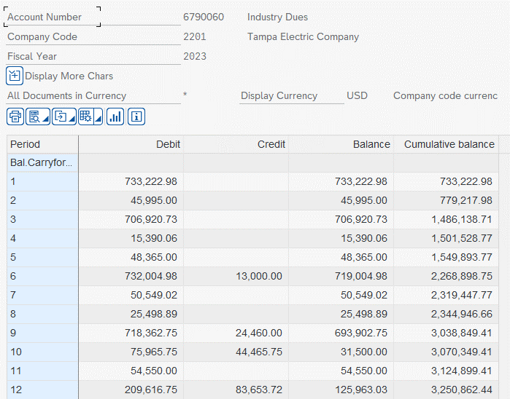
 |  |  |  | 76,498.87 | Total disallowed on SR

 |  |  |  | 57,982.78 | *Aggregate

 | Testing Criteria
 | 1. Is the expense supported by adequate documentation?
 | 2. Is the expense recoded in the proper period?
 | 3. Is the expense recoverable?
 | 4. Is the expense in the proper amount?

 | *Note: There is a difference between what was booked to the GL and what was presented on C-15 due to disallowances related to lobbying, community development, and economic development activites. These activites are disallowed in some fashion on the Surveillance Report, thus excluded from C-15.

