IT OpEx
 | IT OpEx - TEC Portion (In $000s)
 | Final + TEC portion of Allocable |  |  |  | 25 RC Budget vs 22 Actuals |  | $36.2m vs $32.8m
 | IT OpEx By Cost Element | 2022 | 2025 |  | Change
 |  | Actual | Budget |  | Higher (Lower) |  | Higher | $3.4 | (14%) increase 2025 Rate Case Budget vs 2022 Actuals
 | Labor & Fringe | 16,324 | 17,016 | 46% | 693 | 4% | Higher | $4.4 | Software & Hardware licensing/maintenance increases
 | OS - Contractors / Other | 5,620 | 4,489 | 12% | (1,131) | -20% |  |  | $1.0 | New security related licenses/tools (Dragos OT, FoxGuard, Cybersaint, One Identity Safeguard, Priveldge & Access Mgmt tool, Kenna Vulnerability)
 | OS - Maintenance | 7,457 | 11,895 | 32% | 4,438 | 60% |  |  | $1.0 | Microsoft EA shift from 10% O&M to appox 50% O&M as well as increased overall cost. We were able to capitalize more EA cost in previous agreement since it E5 licenses had new funtionality. The new agreement till has E5 licenses with no new funtionality
 | IC Support | 979 | 1,239 | 3% | 260 | 27% |  |  | $0.6 | ServiceNow licenses
 | Overheads - Rent/Lease | 1,312 | 1,450 | 4% | 138 | 11% |  |  | $0.6 | Other new application/tools ( SUSE, SAP SucessFactors WFA module, GEP Contractor lifecycle mgmt, Docusign, ProcessUnity)
 | Overheads - Facility Services | 431 | 695 | 2% | 264 | 61% |  |  | $0.6 | Networking & Infratructure (Cisco Smartnet, Netbackup, Checkpoint Firewall)
 | Overheads - Telecom | 348 | - | 0% | (348) | -100% |  |  | $0.6 | General inflation
 | Telecom Allocation |  |  | 0% | -
 | Other | 721 | 16 | 0% | (705) | -98%
 |  |  |  |  | -
 | Total | 33,192 | 36,801 | 100% | 3,609 | 11%

 | OS - Maintenance | 7,457 | 11,895 |  | 4,438
 | All other cost elements NET | 25,735 | 24,906 |  | (829) |  | Lower | ($0.8) | Other cost elements mainly lower outside services
 | Total | 33,192 | 36,801 |  | 3,609 |  |  |  | ($1.1) | lower outside services due to reduced Deloitte AMS cost based on 5 year fixed contract with annual reductions, lower contracted PMO support, shifting some contracted staff to FTE.
 |  |  |  |  |  |  |  |  | $0.3 | Net increase for all other all other cost elements. The credit in Other is a budget challenge to get to target
 |  |  |  |  |  |  |  |  |  | Labor would have increased approx $1.7m alone for 3 years of merit (@3.5%) but do to increased capital workload, strategic management position cuts and small shift to ED, we were able to keep additional O&M labor icnrreases minimal.

 | Support

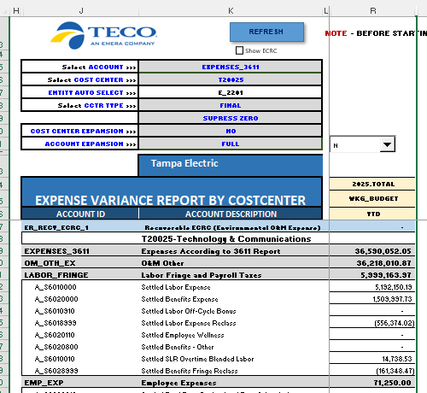
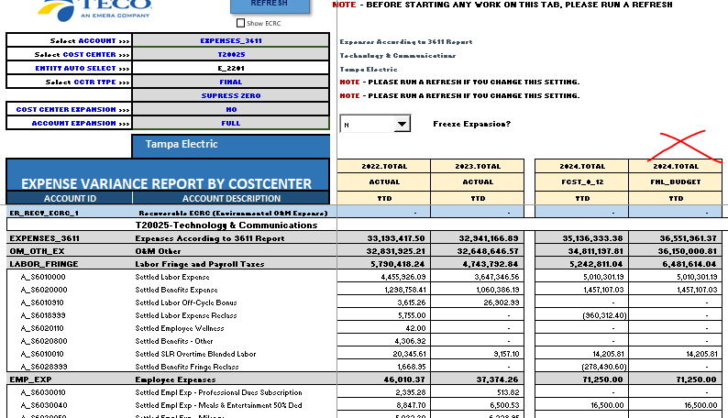
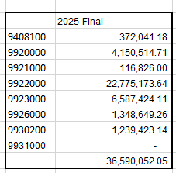
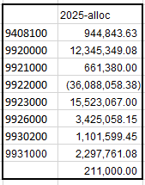

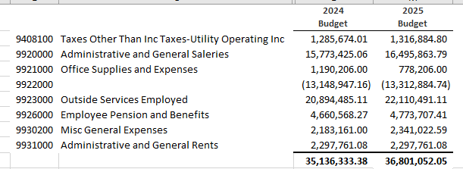

231515

