Sheet1
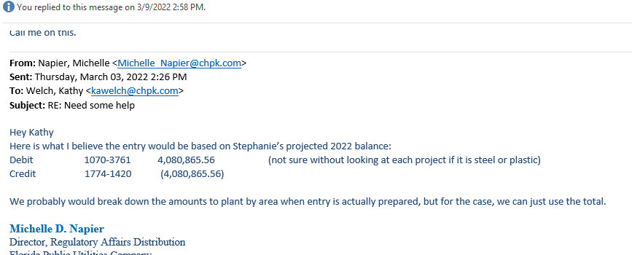
 | 2022 | 2023
AEP | $3,671,755.00 | $4,080,865.56
Mains depreciation rate | 0.0021 | 0.0021
Depreciation expense | $7,710.69 | $8,569.82

