Sheet1 (2)
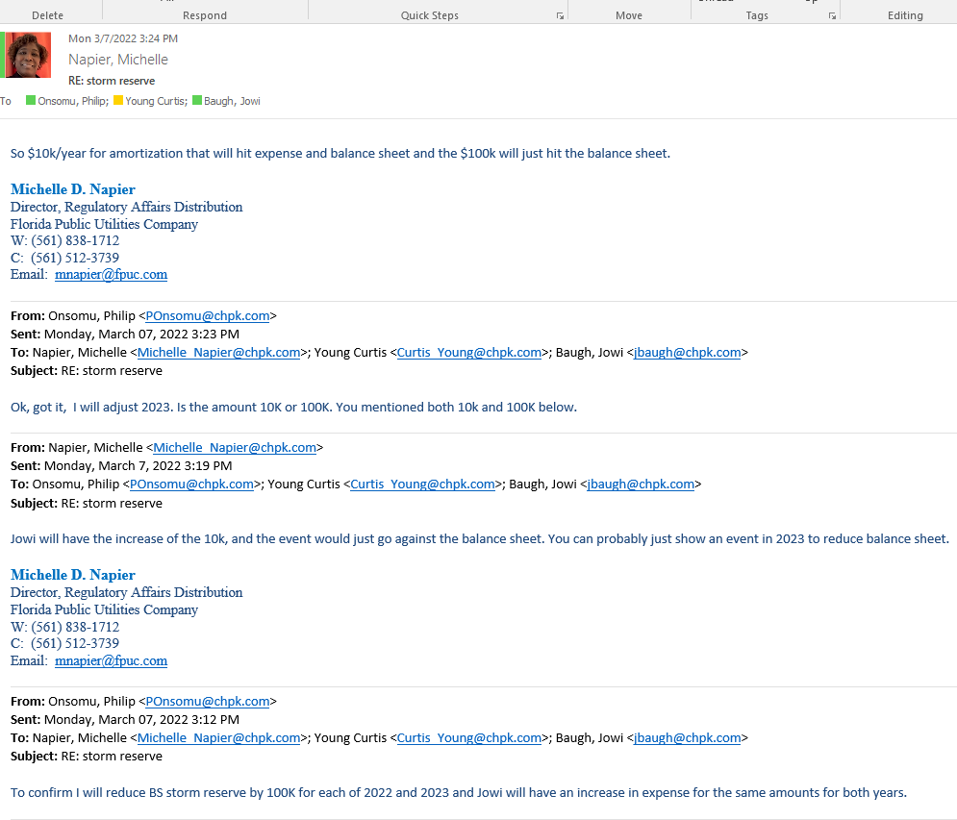
 |  | Natural Gas Consolidated Rate Case
 |  | Storm reserve adjustment
 |  | FN00-00000-2805-2281

Current monthly expense/accrual |  |  |  | $500.00 | 12 | $6,000.00
Projected (2022/2023) monthly expense |  |  |  | $833.00 | 12 | $9,996.00
Increase in reserve |  |  |  | $333.00 | 12 | $3,996.00

Expected event hit to reserve in 2023 (reduction in reserve) |  |  |  |  |  | $100,000.00

 |  | Dec-21 | Jan-22 | Feb-22 | Mar-22 | Apr-22 | May-22 | Jun-22 | Jul-22 | Aug-22 | Sep-22 | Oct-22 | Nov-22 | Dec-22 | Jan-23 | Feb-23 | Mar-23 | Apr-23 | May-23 | Jun-23 | Jul-23 | Aug-23 | Sep-23 | Oct-23 | Nov-23 | Dec-23
 | Storm Reserve | 655,534.00
 | Monthly reserve |  | 500.00 | 500.00 | 500.00 | 500.00 | 500.00 | 500.00 | 500.00 | 500.00 | 500.00 | 500.00 | 500.00 | 500.00 | 500.00 | 500.00 | 500.00 | 500.00 | 500.00 | 500.00 | 500.00 | 500.00 | 500.00 | 500.00 | 500.00 | 500.00
 | Additonal monthly reserve |  | 333.00 | 333.00 | 333.00 | 333.00 | 333.00 | 333.00 | 333.00 | 333.00 | 333.00 | 333.00 | 333.00 | 333.00 | 333.00 | 333.00 | 333.00 | 333.00 | 333.00 | 333.00 | 333.00 | 333.00 | 333.00 | 333.00 | 333.00 | 333.00
 | Presumed 2023 event (June 2023) |  |  |  |  |  |  |  |  |  |  |  |  |  |  |  |  |  |  | (100,000.00)
 |  | 655,534.00 | 656,367.00 | 657,200.00 | 658,033.00 | 658,866.00 | 659,699.00 | 660,532.00 | 661,365.00 | 662,198.00 | 663,031.00 | 663,864.00 | 664,697.00 | 665,530.00 | 666,363.00 | 667,196.00 | 668,029.00 | 668,862.00 | 669,695.00 | 570,528.00 | 571,361.00 | 572,194.00 | 573,027.00 | 573,860.00 | 574,693.00 | 575,526.00

 | Injuries and damages | 44,618.00 | 44,118.00 | 43,618.00 | 43,118.00 | 42,618.00 | 42,118.00 | 41,618.00 | 41,118.00 | 40,618.00 | 40,118.00 | 39,618.00 | 39,118.00 | 38,618.00 | 38,118.00 | 37,618.00 | 37,118.00 | 36,618.00 | 36,118.00 | 35,618.00 | 35,118.00 | 34,618.00 | 34,118.00 | 33,618.00 | 33,118.00 | 32,618.00

 |  | 700,152.00 | 700,485.00 | 700,818.00 | 701,151.00 | 701,484.00 | 701,817.00 | 702,150.00 | 702,483.00 | 702,816.00 | 703,149.00 | 703,482.00 | 703,815.00 | 704,148.00 | 704,481.00 | 704,814.00 | 705,147.00 | 705,480.00 | 705,813.00 | 606,146.00 | 606,479.00 | 606,812.00 | 607,145.00 | 607,478.00 | 607,811.00 | 608,144.00
G1-6 FN

