S
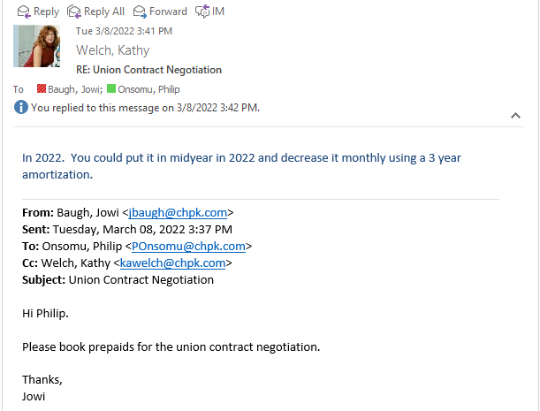
Provided by Liz Miller/Kim Smith |  | Every 3 years. |  | Union Contract negotiations

Department | Department Code | BU/Corp?Shared Services | FERC |  | 2023 Total | CF | FN | CF | FN | FNG
HR900: Human Resources | HR900 | Corporate | 923 |  | 250,000 | 6.3% | 15.2% | 15,750 | 38,000 | 53,750
 |  |  |  |  |  |  |  |  |  | 3 | amorized for 3 years
 |  |  |  |  |  |  |  |  |  | 17,916.67 | expense in 2022 and 2023

 |  |  |  |  |  |  |  |  |  | 35,833 | Prepaid in 2022
 |  |  |  |  |  |  |  |  |  | 17,917 | Prepaid in 2023
CFG
Prepayment on 7/1/21 | 15,750
amortization period (months) | 36
Monthly amortization | 437.50
 | Jan | Feb | Mar | Apr | May | Jun | Jul | Aug | Sep | Oct | Nov | Dec
2022 | - | - | - | - | - | - | 15,312.50 | 14,875.00 | 14,437.50 | 14,000.00 | 13,562.50 | 13,125.00
2023 | 12,687.50 | 12,250.00 | 11,812.50 | 11,375.00 | 10,937.50 | 10,500.00 | 10,062.50 | 9,625.00 | 9,187.50 | 8,750.00 | 8,312.50 | 7,875.00

FPU
Prepayment on 7/1/21 | 38,000
amortization period (months) | 36
Monthly amortization | 1,055.56
 | Jan | Feb | Mar | Apr | May | Jun | Jul | Aug | Sep | Oct | Nov | Dec
2022 | - | - | - | - | - | - | 36,944.44 | 35,888.89 | 34,833.33 | 33,777.78 | 32,722.22 | 31,666.67 | To G1-5
2023 | 30,611.11 | 29,555.56 | 28,500.00 | 27,444.44 | 26,388.89 | 25,333.33 | 24,277.78 | 23,222.22 | 22,166.67 | 21,111.11 | 20,055.56 | 19,000.00

combined
Prepayment on 7/1/21 | 53,750
amortization period (months) | 36
Monthly amortization | 1493.0555556
 | Jan | Feb | Mar | Apr | May | Jun | Jul | Aug | Sep | Oct | Nov | Dec
2022 | - | - | - | - | - | - | 52,256.94 | 50,763.89 | 49,270.83 | 47,777.78 | 46,284.72 | 44,791.67 | 8,958.33
2023 | 43,298.61 | 41,805.56 | 40,312.50 | 38,819.44 | 37,326.39 | 35,833.33 | 34,340.28 | 32,847.22 | 31,354.17 | 29,861.11 | 28,368.06 | 26,875.00 | 17,916.67

 |  |  |  |  |  |  | 52,256.94 | 50,763.89 | 49,270.83 | 47,777.78 | 46,284.72 | 44,791.67
 | 43,298.61 | 41,805.56 | 40,312.50 | 38,819.44 | 37,326.39 | 35,833.33 | 34,340.28 | 32,847.22 | 31,354.17 | 29,861.11 | 28,368.06 | 26,875.00

CFG | Jan | Feb | Mar | Apr | May | Jun | Jul | Aug | Sep | Oct | Nov | Dec
2022 as reported | 310,516.00 | 310,516.00 | 310,516.00 | 310,516.00 | 310,516.00 | 310,516.00 | 310,516.00 | 310,516.00 | 310,516.00 | 310,516.00 | 310,516.00 | 310,516.00
2022 Adjusted | 310,516.00 | 310,516.00 | 310,516.00 | 310,516.00 | 310,516.00 | 310,516.00 | 325,828.50 | 325,391.00 | 324,953.50 | 324,516.00 | 324,078.50 | 323,641.00 | To G1-5 CF
2023 Adjusted | 323,203.50 | 322,766.00 | 322,328.50 | 321,891.00 | 321,453.50 | 321,016.00 | 335,891.00 | 335,016.00 | 334,141.00 | 333,266.00 | 332,391.00 | 331,516.00 | To G1-7 CF

FN | Jan | Feb | Mar | Apr | May | Jun | Jul | Aug | Sep | Oct | Nov | Dec
2022 as reported | 841,629.00 | 841,629.00 | 841,629.00 | 841,629.00 | 841,629.00 | 841,629.00 | 841,629.00 | 841,629.00 | 841,629.00 | 841,629.00 | 841,629.00 | 841,629.00
2022 Adjusted | 841,629.00 | 841,629.00 | 841,629.00 | 841,629.00 | 841,629.00 | 841,629.00 | 878,573.44 | 877,517.89 | 876,462.33 | 875,406.78 | 874,351.22 | 873,295.67 | To G1-5 FN
2023 Adjusted | 872,240.11 | 871,184.56 | 870,129.00 | 869,073.44 | 868,017.89 | 866,962.33 | 902,851.22 | 900,740.11 | 898,629.00 | 896,517.89 | 894,406.78 | 892,295.67 | To G1-7 FN

