Amortization Schedule (R)
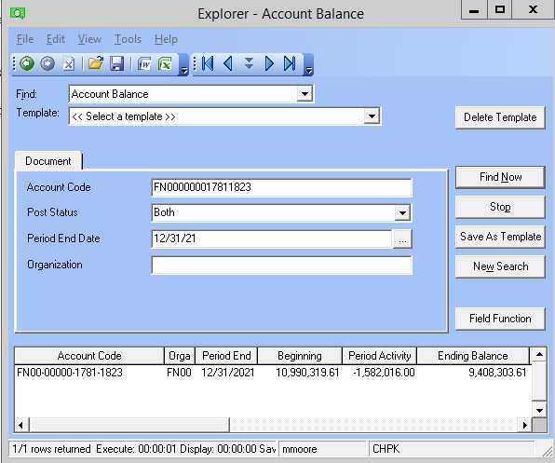
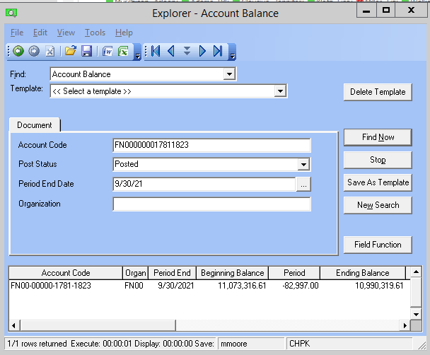
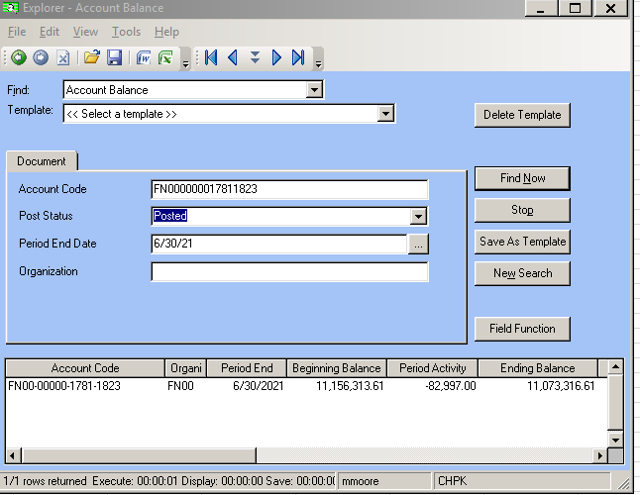
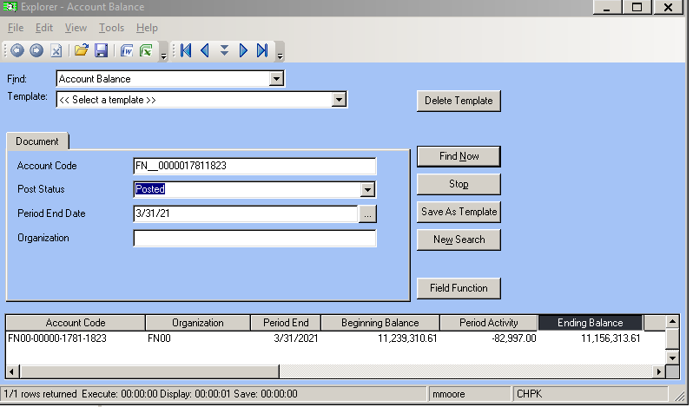
Florida Public Utilities
Natural Gas
Regulatory Asset Pension and Post Retirement |  |  |  |  |  | Monthly Journal Entry |  | Debit | Credit
Account - FN00-00000-1781-1823 |  |  |  |  |  | FN41-AA740-6660-9260 |  | $27,905.73
 |  |  |  |  |  | FN43-AA740-6660-9260 |  | $12,684.43
 |  |  |  |  |  | FN41-HR942-6610-9260 |  | $283.47
 |  |  |  |  |  | FN43-HR942-6610-9260 |  | $128.85
 |  |  |  |  |  | FN00-00000-1781-1823 |  |  | $40,590.16 | ended 9/2019
 |  |  |  |  |  | FN00-00000-1781-1823 |  |  | $412.32 | ends 9/2020
 |  |  |  |  |  |  |  | $41,002.48 | $41,002.48 | $-

Monthly Balance

Roll Forward Balance 12/31/2010: |  | $4,294,445.32 |  |  |  | Amortization Period Begins |  | Jan-11
 |  |  |  |  |  | Amortization Period Ends |  | Sep-21
2011 - 2012 Amortization |  | $(984,059.50) |  |  |  | Monthly Amortization |  | $41,002.48 | $40,590.16 ended 9/2019
 |  |  | 3,310,385.82 |  |  | Monthly Amortization 9/19-9/20 |  | $412.32

Additions:
2010-12-31 | Pension Adjustments Prior to 12/31/2010 | 1,002,195.61
 |  |  | 1,002,195.61

2011-12-31 | FPU FAS158 MEDICAL | $402,429.00
2011-12-31 | FPU FAS158 PENSION | $4,965,388.00
 |  |  | $5,367,817.00
2012-12-31 | FPU FAS158 PENSION | $2,576,465.00
2012-12-31 | FPU OPRB OCI Adj | $259,762.00
2012-12-31 | FPU OPRB OCI Curtail Gain | $(914,630.00)
 |  |  | 1,921,597.00
2013-01-31 | FPU OPRB OCI Adj | $1,613.00
2013-06-30 | FPU FAS158 PENSION | $(86,648.00)
2013-09-30 | FAS 158 FPU pension adjust | $(43,324.00)
2013-12-31 | FAS 158 pension adjustment | $(5,333,035.00)
2013-12-31 | ADJ OCI - FPU FAS158 MEDICAL | $(88,221.00)
 |  |  | (5,549,615.00)
2014-12-31 | ADJ OCI - FPU FAS158 MEDICAL | $200,504.00
2014-12-31 | FPU Pension OCI adj | $7,688,230.00
 |  |  | 7,888,734.00
2015-03-31 | FAS 158 FPU pension adjust | $(60,677.00)
2015-03-31 | FAS 158 FPU OPRB adjust | $(818.00)
2015-06-30 | FAS 158 FPU pension adjust | $(60,677.00)
2015-06-30 | FAS 158 FPU OPRB adjust | $(818.00)
2015-09-30 | FAS 158 FPU pension adjust | $(60,677.00)
2015-09-30 | FAS 158 FPU OPRB adjust | $(818.00)
2015-12-31 | ADJ OCI - FPU FAS158 MEDICAL | $(67,820.00)
2015-12-31 | FPU Pension OCI adj | $572,836.00

 |  |  | 320,531.00

2016-03-31 | FAS 158 FPU OPRB adjust | $(7,323.00)
2016-03-31 | FAS 158 FPU pension adjust | $(68,563.00)

 |  |  | (75,886.00)

2016-05-31 | FAS 158 FPU OPRB adjust | $7,323.00
2016-06-30 | FAS 158 FPU pension adjust | $(68,563.00)

2016-09-30 | FAS 158 FPU pension adjust | $(70,984.00)

2016-12-31 | FPU Pension OCI adj | $11,757.00
2016-12-31 | ADJ OCI - FPU FAS158 MEDICAL | $(21,929.00)

 |  |  | (142,396.00)

2017-03-31 | FAS 158 FPU pension adjust | $(69,899.00)
2017-06-30 | FAS 158 FPU pension adjust | $(69,899.00)
2017-09-30 | FAS 158 FPU pension adjust | $(69,899.00)
2017-12-31 | FPU Pension OCI Adj | $(1,158,575.00)
2017-12-31 | ADJ OCI - FPU FAS158 MEDICAL | $(25,889.00)
 |  |  | (1,394,161.00)

2018-03-31 | FAS 158 FPU pension adjust | $(58,004.00)
2018-06-30 | FAS 158 FPU pension adjust | $(58,004.00)
2018-09-30 | FAS 158 FPU pension adjust | $(46,037.00)
2018-12-31 | FPU Pension OCI adj | $729,264.00
2018-12-31 | ADJ OCI - FPU FAS158 MEDICAL | $(47,496.00)
 |  |  | 519,723.00

2019-03-31 | FAS 158 FPU pension adjust | $(68,830.00)
2019-06-30 | FAS 158 FPU pension adjust | $(68,830.00)
2019-09-30 | FAS 158 FPU pension adjust | $(68,830.00)
2019-12-31 | FPU Pension OCI adj | $631,521.00
2019-12-31 | ADJ OCI - FPU FAS158 MEDICAL | $24,945.00
 |  |  | 449,976.00

2020-03-31 | FAS 158 FPU pension adjust | $(71,904.00)
2020-06-30 | FAS 158 FPU pension adjust | $(71,904.00)
2020-09-30 | FAS 158 FPU pension adjust | $(71,904.00)
2020-12-31 | FPU Pension OCI adj | $1,232,765.00
2020-12-31 | ADJ OCI - FPU FAS158 MEDICAL | $(86,258.00)

 |  |  | 930,795.00

2021-03-31 | FAS 158 FPU pension adjust | $(82,997.00)
2021-06-30 | FAS 158 FPU pension adjust | $(82,997.00)
2021-09-30 | FAS 158 FPU pension adjust | $(82,997.00)
2021-12-31 | FPU Pension OCI adj | $(1,624,785.00)
2021-12-31 | ADJ OCI - FPU FAS158 MEDICAL | $42,769.00
 |  |  | (1,831,007.00)

 | Total Additions |  | 9,408,303.61

Amortization Schedule: |  |  |  |  |  |  |  |  |  |  |  |  | Yearly
 | January | February | March | April | May | June | July | August | September | October | November | December | Change | Months

 |  |  |  |  |  |  |  |  |  |  |  |  |  | -
Pre-merger: |  |  |  |  |  |  |  |  |  |  |  | 4,294,445.32 | $- | -
2010 | 4,253,442.84 | 4,212,440.36 | 4,171,437.88 | 4,130,435.40 | 4,089,432.92 | 4,048,430.44 | 4,007,427.96 | 3,966,425.48 | 3,925,423.00 | 3,884,420.52 | 3,843,418.04 | 3,802,415.56 | $(492,029.76) | (12)
2011 | 3,761,413.08 | 3,720,410.60 | 3,679,408.12 | 3,638,405.64 | 3,597,403.16 | 3,556,400.68 | 3,515,398.20 | 3,474,395.72 | 3,433,393.24 | 3,392,390.76 | 3,351,388.28 | 3,310,385.80 | $(492,029.76) | (12)
2012 | 3,269,383.32 | 3,228,380.84 | 3,187,378.36 | 3,146,375.88 | 3,105,373.40 | 3,064,370.92 | 3,023,368.44 | 2,982,365.96 | 2,941,363.48 | 2,900,361.00 | 2,859,358.52 | 2,818,356.04 | $(492,029.76) | (12)
2013 | 2,777,353.56 | 2,736,351.08 | 2,695,348.60 | 2,654,346.12 | 2,613,343.64 | 2,572,341.16 | 2,531,338.68 | 2,490,336.20 | 2,449,333.72 | 2,408,331.24 | 2,367,328.76 | 2,326,326.28 | $(492,029.76) | (12)
2014 | 2,285,323.80 | 2,244,321.32 | 2,203,318.84 | 2,162,316.36 | 2,121,313.88 | 2,080,311.40 | 2,039,308.92 | 1,998,306.44 | 1,957,303.96 | 1,916,301.48 | 1,875,299.00 | 1,834,296.52 | $(492,029.76) | (12)
2015 | 1,793,294.04 | 1,752,291.56 | 1,711,289.08 | 1,670,286.60 | 1,629,284.12 | 1,588,281.64 | 1,547,279.16 | 1,506,276.68 | 1,465,274.20 | 1,424,271.72 | 1,383,269.24 | 1,342,266.76 | $(492,029.76) | (12)
2016 | 1,301,264.28 | 1,260,261.80 | 1,219,259.32 | 1,178,256.84 | 1,137,254.36 | 1,096,251.88 | 1,055,249.40 | 1,014,246.92 | 973,244.44 | 932,241.96 | 891,239.48 | 850,237.00 | $(492,029.76) | (12)
2017 | 809,234.52 | 768,232.04 | 727,229.56 | 686,227.08 | 645,224.60 | 604,222.12 | 563,219.64 | 522,217.16 | 481,214.68 | 440,212.20 | 399,209.72 | 358,207.24 | $(492,029.76) | (12)
2018 | 317,204.76 | 276,202.28 | 235,199.80 | 194,197.32 | 153,194.84 | 112,192.36 | 71,189.88 | 30,187.40 | 6,976.34 | 4,535.52 | 4,123.20 | 3,710.88 | $(354,496.36) | (9)
2019 | 3,298.56 | 2,886.24 | 2,473.92 | 2,061.60 | 1,649.28 | 1,236.96 | 824.64 | 412.32 | 0.00 |  |  |  | $(3,710.88) | (0)
2020 |  |  |  |  |  |  |  |  |  |  |  |  | $(4,294,445.32) | (105)

Post merger:
2010 | 1,002,195.61 | 1,002,195.61 | 1,002,195.61 | 1,002,195.61 | 1,002,195.61 | 1,002,195.61 | 1,002,195.61 | 1,002,195.61 | 1,002,195.61 | 1,002,195.61 | 1,002,195.61 | 1,002,195.61
2011 | 5,367,817.00 | 5,367,817.00 | 5,367,817.00 | 5,367,817.00 | 5,367,817.00 | 5,367,817.00 | 5,367,817.00 | 5,367,817.00 | 5,367,817.00 | 5,367,817.00 | 5,367,817.00 | 5,367,817.00
2012 | 1,921,597.00 | 1,921,597.00 | 1,921,597.00 | 1,921,597.00 | 1,921,597.00 | 1,921,597.00 | 1,921,597.00 | 1,921,597.00 | 1,921,597.00 | 1,921,597.00 | 1,921,597.00 | 1,921,597.00
2013 | (5,549,615.00) | (5,549,615.00) | (5,549,615.00) | (5,549,615.00) | (5,549,615.00) | (5,549,615.00) | (5,549,615.00) | (5,549,615.00) | (5,549,615.00) | (5,549,615.00) | (5,549,615.00) | (5,549,615.00)
2014 | 7,888,734.00 | 7,888,734.00 | 7,888,734.00 | 7,888,734.00 | 7,888,734.00 | 7,888,734.00 | 7,888,734.00 | 7,888,734.00 | 7,888,734.00 | 7,888,734.00 | 7,888,734.00 | 7,888,734.00
2015 | 320,531.00 | 320,531.00 | 320,531.00 | 320,531.00 | 320,531.00 | 320,531.00 | 320,531.00 | 320,531.00 | 320,531.00 | 320,531.00 | 320,531.00 | 320,531.00
2016 | (218,282.00) | (218,282.00) | (218,282.00) | (218,282.00) | (218,282.00) | (218,282.00) | (218,282.00) | (218,282.00) | (218,282.00) | (218,282.00) | (218,282.00) | (218,282.00)
2017 | (1,394,161.00) | (1,394,161.00) | (1,394,161.00) | (1,394,161.00) | (1,394,161.00) | (1,394,161.00) | (1,394,161.00) | (1,394,161.00) | (1,394,161.00) | (1,394,161.00) | (1,394,161.00) | (1,394,161.00)
2018 | 519,723.00 | 519,723.00 | 519,723.00 | 519,723.00 | 519,723.00 | 519,723.00 | 519,723.00 | 519,723.00 | 519,723.00 | 519,723.00 | 519,723.00 | 519,723.00
2019 | 449,976.00 | 449,976.00 | 449,976.00 | 449,976.00 | 449,976.00 | 449,976.00 | 449,976.00 | 449,976.00 | 449,976.00 | 449,976.00 | 449,976.00 | 449,976.00
2020 | 930,795.00 | 930,795.00 | 930,795.00 | 930,795.00 | 930,795.00 | 930,795.00 | 930,795.00 | 930,795.00 | 930,795.00 | 930,795.00 | 930,795.00 | 930,795.00
2021 | - | - | (82,997.00) | (82,997.00) | (82,997.00) | (165,994.00) | (165,994.00) | (165,994.00) | (248,991.00) | (248,991.00) | (248,991.00) | (1,831,007.00)
 | 11,239,310.61 | 11,239,310.61 | 11,156,313.61 | 11,156,313.61 | 11,156,313.61 | 11,073,316.61 | 11,073,316.61 | 11,073,316.61 | 10,990,319.61 | 10,990,319.61 | 10,990,319.61 | 9,408,303.61
Total Cumulative Additions

GL Ending Balance 2012 | 12,053,022.69 | 12,012,020.21 | 11,971,017.73 | 11,930,015.25 | 11,889,012.77 | 11,848,010.29 | 11,807,007.81 | 11,766,005.33 | 11,725,002.85 | 11,684,000.37 | 11,642,997.89 | 11,601,995.41
GL Ending Balance 2013 | 4,273,191.93 | 4,232,189.45 | 4,191,186.97 | 4,150,184.49 | 4,109,182.01 | 3,981,531.53 | 3,940,529.05 | 3,899,526.57 | 3,858,524.09 | 3,774,197.61 | 3,733,195.13 | 3,692,192.65
GL Ending Balance 2014 | (1,771,678.83) | (1,812,681.31) | (1,853,683.79) | (1,894,686.27) | (1,935,688.75) | (1,890,043.23) | (1,931,045.71) | (1,972,048.19) | (2,013,050.67) | (1,518,699.39) | (1,559,701.87) | (1,600,704.35)
GL Ending Balance 2015 | 13,298,078.41 | 13,257,075.93 | 13,078,692.45 | 13,037,689.97 | 13,004,010.49 | 12,894,445.01 | 12,853,442.53 | 12,812,440.05 | 12,700,453.57 | 12,659,451.09 | 12,618,448.61 | 12,567,274.13
GL Ending Balance 2016 | 12,806,048.65 | 12,765,046.17 | 12,586,662.69 | 12,545,660.21 | 12,511,980.73 | 12,402,415.25 | 12,361,412.77 | 12,320,410.29 | 12,208,423.81 | 12,167,421.33 | 12,126,418.85 | 12,075,244.37
GL Ending Balance 2017 | 12,034,241.89 | 11,993,239.41 | 11,882,337.93 | 11,841,335.45 | 11,800,332.97 | 11,689,431.49 | 11,648,429.01 | 11,607,426.53 | 11,496,525.05 | 11,455,522.57 | 11,414,520.09 | 10,189,053.61
GL Ending Balance 2018 | 10,148,051.13 | 10,107,048.65 | 10,008,042.17 | 9,967,039.69 | 9,926,037.21 | 9,827,030.73 | 9,786,028.25 | 9,745,025.77 | 9,657,986.29 | 9,616,983.81 | 9,575,981.33 | 10,216,746.85
GL Ending Balance 2019 | 10,175,744.37 | 10,134,741.89 | 10,024,909.41 | 9,983,906.93 | 9,942,904.45 | 9,833,071.97 | 9,792,069.49 | 9,751,067.01 | 9,659,025.95 | 9,656,585.13 | 9,656,172.81 | 10,312,226.49
GL Ending Balance 2020 | 11,242,609.17 | 11,242,196.85 | 11,158,787.53 | 11,158,375.21 | 11,157,962.89 | 11,074,553.57 | 11,074,141.25 | 11,073,728.93 | 10,990,319.61 | 10,990,319.61 | 10,990,319.61 | 9,408,303.61
GL Ending Balance 2021 | 11,239,310.61 | 11,239,310.61 | 11,156,313.61 | 11,156,313.61 | 11,156,313.61 | 11,073,316.61 | 11,073,316.61 | 11,073,316.61 | 10,990,319.61 | 10,990,319.61 | 10,990,319.61 | 9,408,303.61

 | January | February | March | April | May | June | July | August | September | October | November | December
 | * FPU went to the commission and was approved to straight-line remaining balance pre-merger over an probable estimated life. |  |  |  |  |  |  |  |  | Prepared By: | MGM | 2022-06-20
 | * Post merger - will naturally clear over time |  |  |  |  |  |  |  |  | Approved By:

