BS Acct 17CO-1823
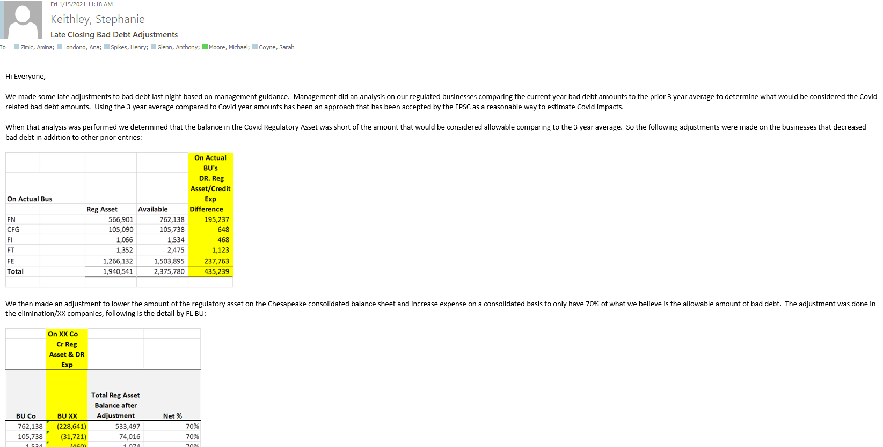

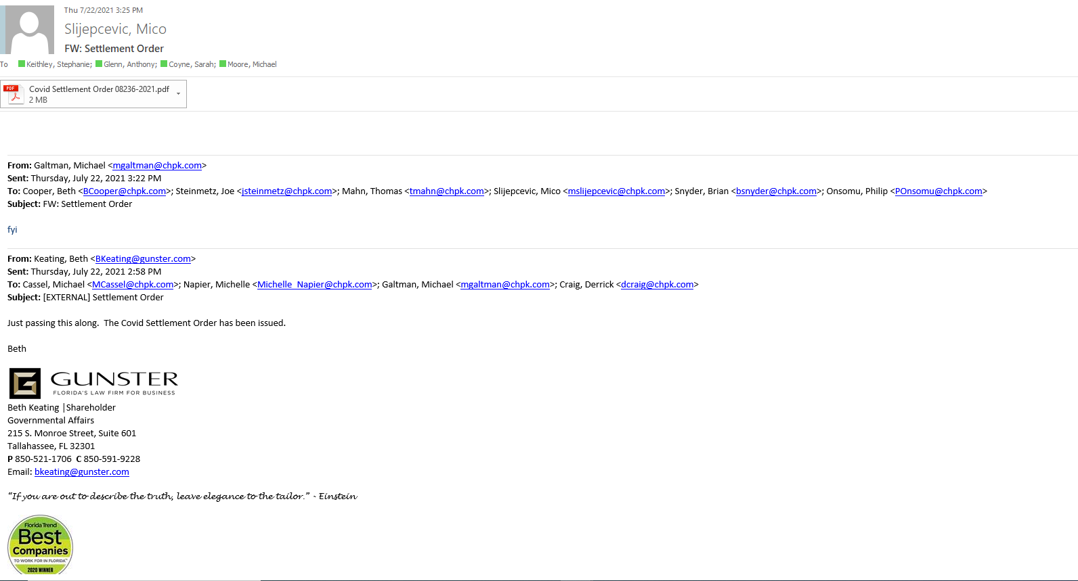
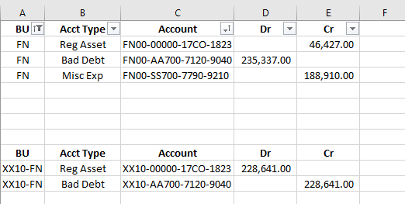
Chesapeake Utilities Corporation
FPU Natural Gas
Reconciliation of COVID19 asset
Account # FN__-00000-17CO-1823
Dcember 31 2021

NAME | JE # | Month effected |  | amount
Prelim Covid Bad Debt Regulatory Asset 1st 1/2 | JRNL00526238 | prior Nov-20 |  | 155,905.00
Prelim Covid Bad Debt Regulatory Asset | JRNL00526238 | Oct-20 |  | 12,542.00
Uncollectible Exp Accrual | JRNL00526430 | Nov-20 |  | 14,637.00
Prelim Covid Bad Debt Regulatory Asset 2nd 1/2 | JRNL00527406 | prior Nov-20 |  | 155,905.00
Bad Debt 4th Qtr 2020 | JRNL00527896 | Dec-20 |  | 227,912.00
Covid Reg Asset Adjustments | JRNL00528510 | Dec-20 FYE |  | 195,237.00
Uncollectible Exp Accrual | JRNL00530275 | Jan 2021 |  | 20,284.00
Uncollectible Exp Accrual | JRNL00531888 | Feb2021 |  | 17,672.00
Bad Debt 1st Qtr 2021 | JRNL00533542 | March 2021 |  | -139,705.00
Uncollectible Exp Accrual | JRNL00535407 | April 2021 |  | 18,909.00
Uncollectible Exp Accrual | JRNL00537184 | May 2021 |  | 16,419.00
Uncollectible Exp Accrual | JRNL00538767 | June 2021 |  | -72,137.00
COVID 19 Asset Settlement PSC20210266SPU | JRNL00540082 | July 2021 |  | -46,427.00
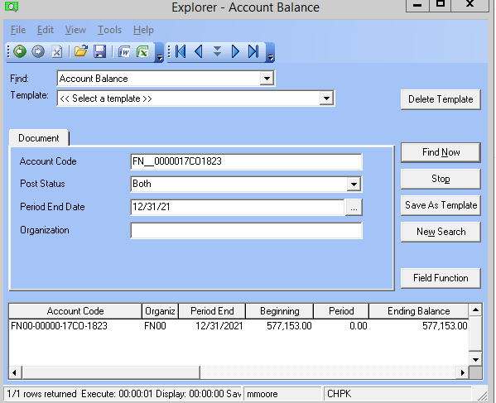
 |  |  |  | $577,153.00

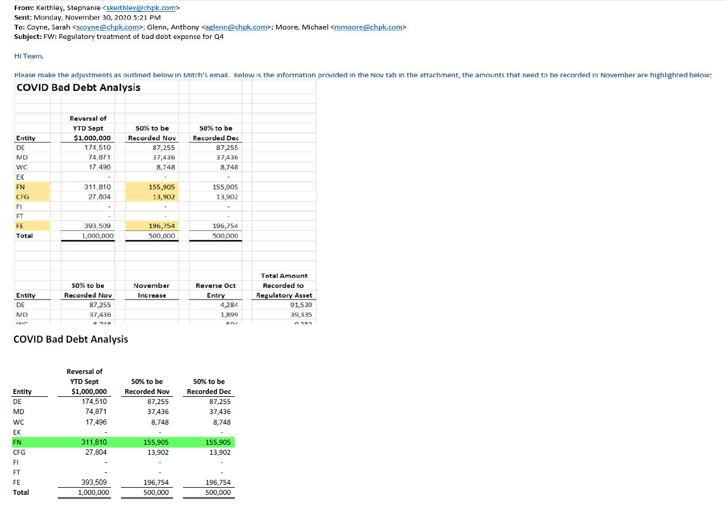

 |  | Initials | Date

 | Prepared By: | MGM | 2022-06-20 16:02:05

 | Approved By:

