DR No 6.a. 37600
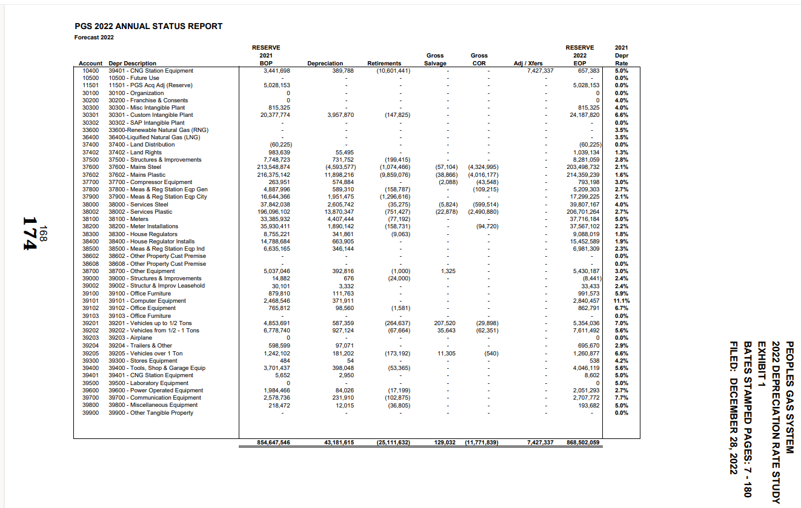
PGS
Depreciation Calculations
1st DR No. 6.a.

37600 - Mains Steel
Depreciation Rate | 2.1%

 | 2021 | 2022 | 2022 | 2022 | 2022 | 2022 | 2022 | 2022 | 2022 | 2022 | 2022 | 2022 | 2022 | 2022
 | Dec | Jan | Feb | Mar | Apr | May | June | July | August | September | October | November | December | Total
Plant Balances | 677,690,713 | 679,588,615 | 681,854,288 | 682,427,297 | 683,538,831 | 684,615,302 | 686,096,367 | 687,065,686 | 689,185,444 | 693,101,188 | 736,085,469 | 737,849,672 | 739,020,371

Depreciation Accrual |  | 1,185,959 | 1,189,280 | 1,193,245 | 1,194,248 | 1,196,193 | 1,198,077 | 1,200,669 | 1,202,365 | 1,206,075 | 1,212,927 | 1,288,150 | 1,291,237 | 14,558,423

Depreciation Credit |  | - | - | (4,800,000) | - | - | (4,784,000) | - | - | (4,784,000) | - | - | (4,784,000) | (19,152,000)

Total Depreciation Accrual |  | 1,185,959 | 1,189,280 | (3,606,755) | 1,194,248 | 1,196,193 | (3,585,923) | 1,200,669 | 1,202,365 | (3,577,925) | 1,212,927 | 1,288,150 | (3,492,763) | (4,593,577) | BSP 174

DR No 6.b. 33600
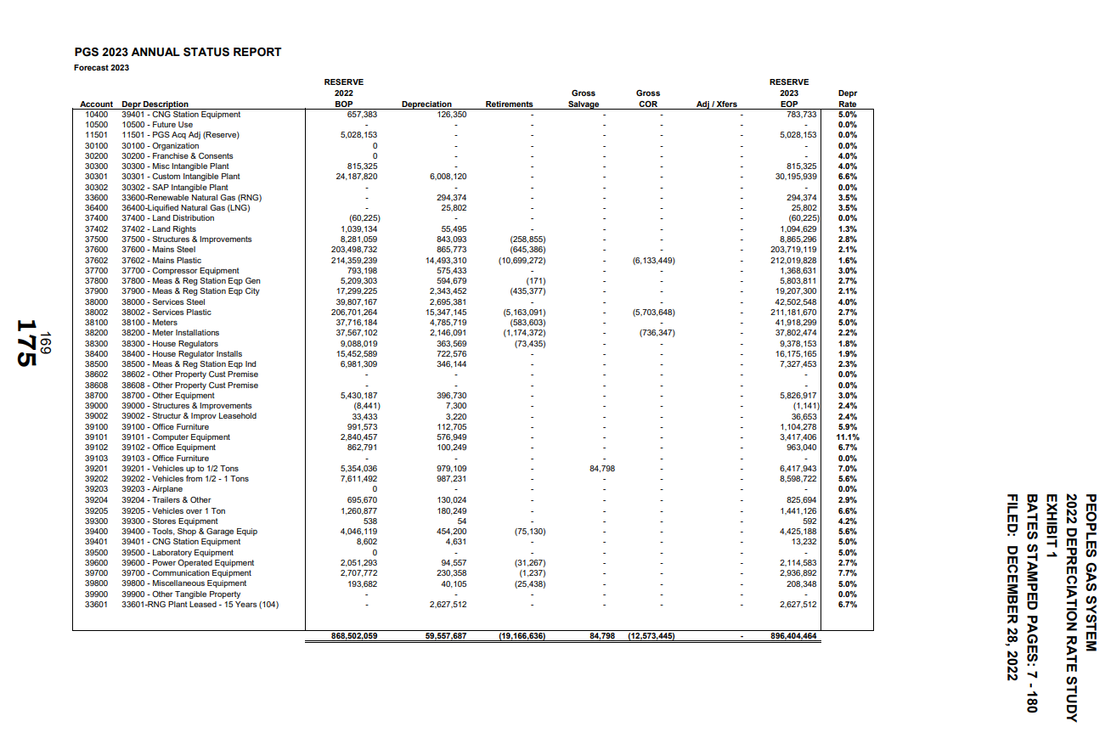
PGS
Depreciation Calculations
1st DR No. 6.b.

37600 - Mains Steel
Depreciation Rate | 3.5%

 | 2022 | 2023 | 2023 | 2023 | 2023 | 2023 | 2023 | 2023 | 2023 | 2023 | 2023 | 2023 | 2023 | 2023
 | Dec | Jan | Feb | Mar | Apr | May | June | July | August | September | October | November | December | Total
Plant Balances | 6,506,548 | 8,546,255 | 8,561,235 | 8,576,215 | 8,584,775 | 8,593,335 | 8,593,335 | 8,593,335 | 8,593,335 | 8,593,335 | 8,593,335 | 8,593,335 | 8,593,335

Depreciation Accrual |  | 18,977 | 24,927 | 24,970 | 25,014 | 25,039 | 25,064 | 25,064 | 25,064 | 25,064 | 25,064 | 25,064 | 25,064 | 294,374 | BSP 175

DR No 6.c. 37600
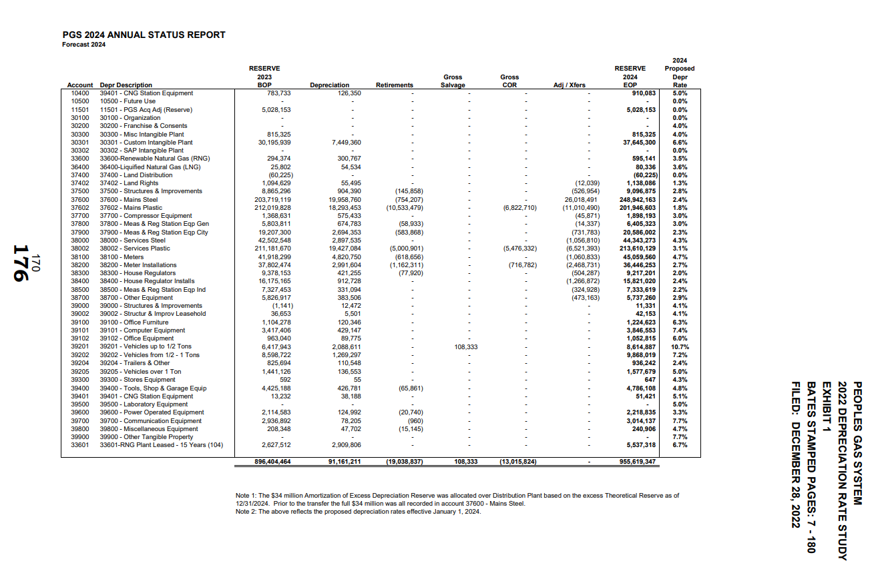
PGS
Depreciation Calculations
1st DR No. 6.c.

37600 - Mains Steel
Depreciation Rate | 2.4%

 | 2023 | 2024 | 2024 | 2024 | 2024 | 2024 | 2024 | 2024 | 2024 | 2024 | 2024 | 2024 | 2024 | 2024
 | Dec | Jan | Feb | Mar | Apr | May | June | July | August | September | October | November | December | Total
Plant Balances | 825,034,619 | 827,996,041 | 828,717,495 | 830,083,082 | 831,036,086 | 831,388,800 | 832,111,026 | 832,540,969 | 834,011,646 | 834,467,898 | 835,783,434 | 836,208,659 | 836,456,743

Depreciation Accrual |  | 1,650,069 | 1,655,992 | 1,657,435 | 1,660,166 | 1,662,072 | 1,662,778 | 1,664,222 | 1,665,082 | 1,668,023 | 1,668,936 | 1,671,567 | 1,672,417 | 19,958,760 | BSP 176

