DR No 6.a. 37600
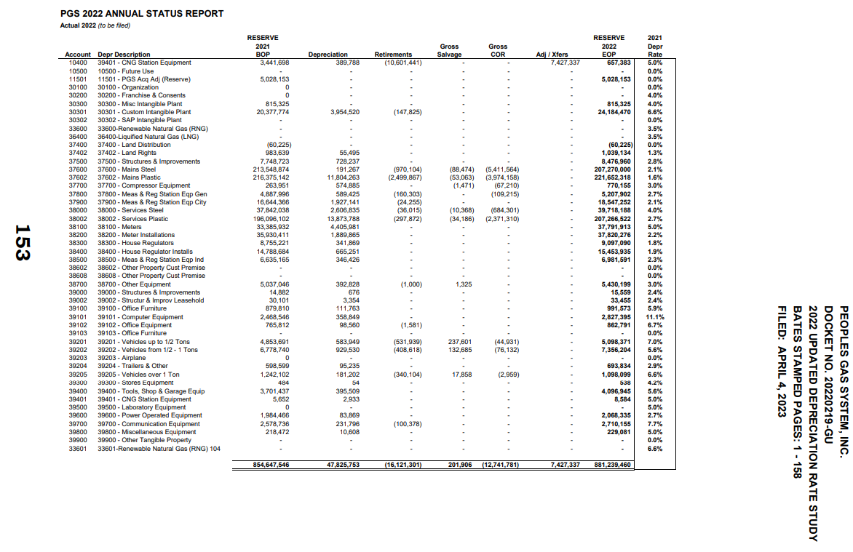
PGS
Depreciation Calculations
1st DR No. 6.a.

37600 - Mains Steel
Depreciation Rate | 2.1%

 | 2021 | 2022 | 2022 | 2022 | 2022 | 2022 | 2022 | 2022 | 2022 | 2022 | 2022 | 2022 | 2022 | 2022
 | Dec | Jan | Feb | Mar | Apr | May | June | July | August | September | October | November | December | Total
Plant Balances | 677,690,713 | 679,588,615 | 681,854,288 | 682,427,297 | 683,538,831 | 684,615,302 | 686,096,367 | 687,065,686 | 689,185,444 | 693,101,188 | 736,085,469 | 738,332,299 | 736,309,135

Depreciation Accrual |  | 1,185,959 | 1,189,280 | 1,193,245 | 1,194,248 | 1,196,193 | 1,198,077 | 1,200,669 | 1,202,365 | 1,206,075 | 1,212,927 | 1,288,150 | 1,292,081 | 14,559,267

Depreciation Credit |  | - | - | (4,800,000) | - | - | (4,784,000) | - | - | (4,784,000) | - | - | - | (14,368,000)

Total Depreciation Accrual |  | 1,185,959 | 1,189,280 | (3,606,755) | 1,194,248 | 1,196,193 | (3,585,923) | 1,200,669 | 1,202,365 | (3,577,925) | 1,212,927 | 1,288,150 | 1,292,081 | 191,267 | BSP 153

DR No 6.b. 37600
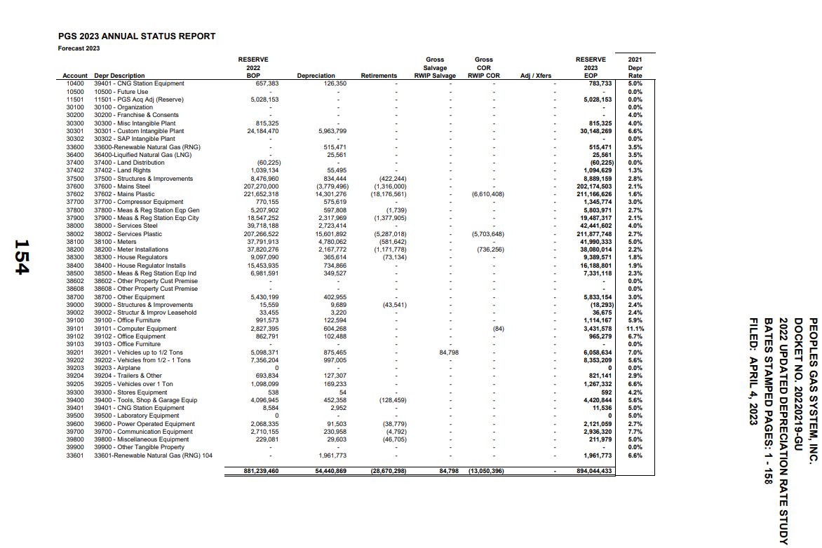
PGS
Depreciation Calculations
1st DR No. 6.b.

37600 - Mains Steel
Depreciation Rate | 2.1%

 | 2022 | 2023 | 2023 | 2023 | 2023 | 2023 | 2023 | 2023 | 2023 | 2023 | 2023 | 2023 | 2023 | 2023
 | Dec | Jan | Feb | Mar | Apr | May | June | July | August | September | October | November | December | Total
Plant Balances | 736,309,135 | 741,480,784 | 747,677,724 | 749,549,145 | 750,387,019 | 751,745,494 | 752,217,520 | 752,462,680 | 752,662,468 | 754,639,327 | 755,185,456 | 814,256,740 | 826,292,081

Depreciation Accrual |  | 1,288,541 | 1,297,591 | 1,308,436 | 1,311,711 | 1,313,177 | 1,315,555 | 1,316,381 | 1,316,810 | 1,317,159 | 1,320,619 | 1,321,575 | 1,424,949 | 15,852,504

Depreciation Credit |  | (5,240,000) |  |  |  |  | (4,000,000) |  |  | (2,392,000) |  | - | (8,000,000) | (19,632,000)

Total Depreciation Accrual |  | (3,951,459) | 1,297,591 | 1,308,436 | 1,311,711 | 1,313,177 | (2,684,445) | 1,316,381 | 1,316,810 | (1,074,841) | 1,320,619 | 1,321,575 | (6,575,051) | (3,779,496) | BSP 154

DR No 6.c. 37600
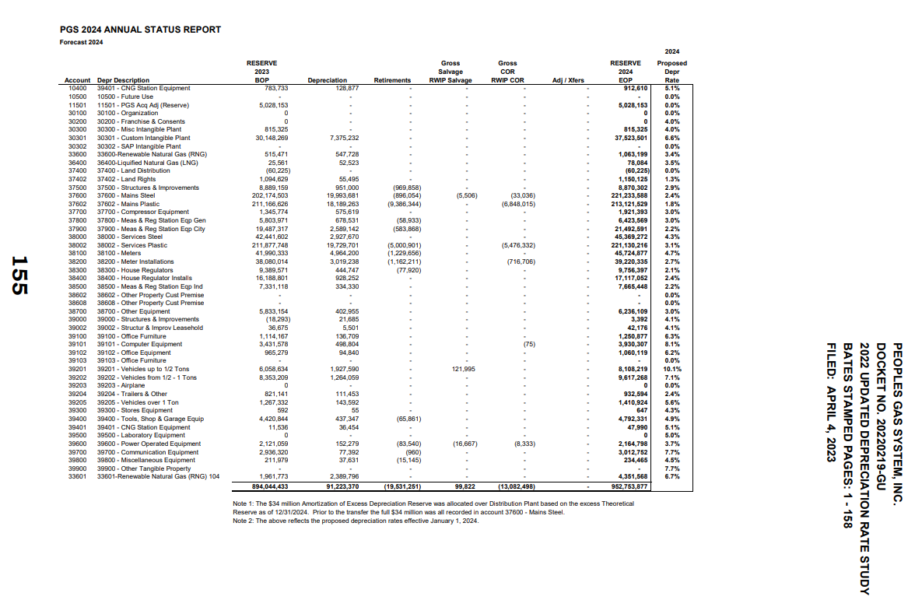
PGS
Depreciation Calculations
1st DR No. 6.c.

37600 - Mains Steel
Depreciation Rate | 2.4%

 | 2023 | 2024 | 2024 | 2024 | 2024 | 2024 | 2024 | 2024 | 2024 | 2024 | 2024 | 2024 | 2024 | 2024
 | Dec | Jan | Feb | Mar | Apr | May | June | July | August | September | October | November | December | Total
Plant Balances | 826,292,081 | 828,864,109 | 829,540,638 | 830,882,184 | 831,913,236 | 832,307,048 | 833,031,359 | 833,461,718 | 835,136,996 | 837,474,166 | 838,758,918 | 839,177,985 | 839,424,835

Depreciation Accrual |  | 1,652,584 | 1,657,728 | 1,659,081 | 1,661,764 | 1,663,826 | 1,664,614 | 1,666,063 | 1,666,923 | 1,670,274 | 1,674,948 | 1,677,518 | 1,678,356 | 19,993,681 | BSP 155

