LTD UST Rate
UST Forwards

10-YEAR

Run | Date | 2022 | 2023 | 2024 | 2025 | 2026 | 2027

2023-01-09 | 2023-01-09 |  | 3.56% | 3.56% | 3.61% | 3.70% | 3.81%

30-YEAR

Run | Date | 2022 | 2023 | 2024 | 2025 | 2026 | 2027

2023-01-09 | 2023-01-09 |  | 3.69% | 3.65% | 3.65% | 3.65% | 3.66%

 |  |  | 2023-06-30 | 2024-06-30 | 2025-06-30 | 2026-06-30 | 2027-06-30
 |  | 10 Yr | 3.56% | 3.56% | 3.61% | 3.70% | 3.81%
 |  | 30 Yr | 3.69% | 3.65% | 3.65% | 3.65% | 3.66%
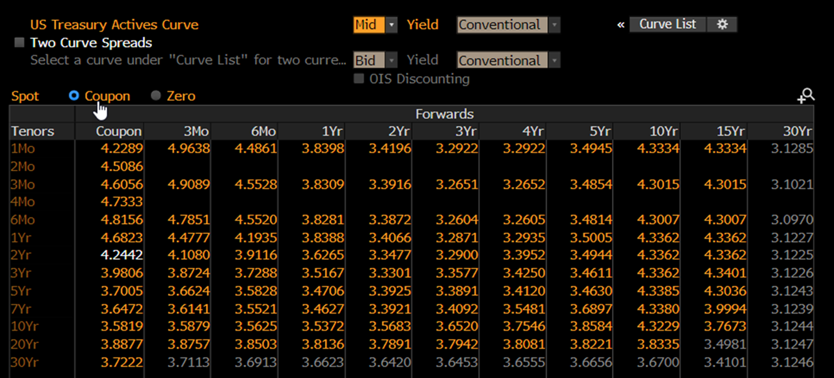

Source: Bloomberg (1/9/23)

1M LIBOR Rate
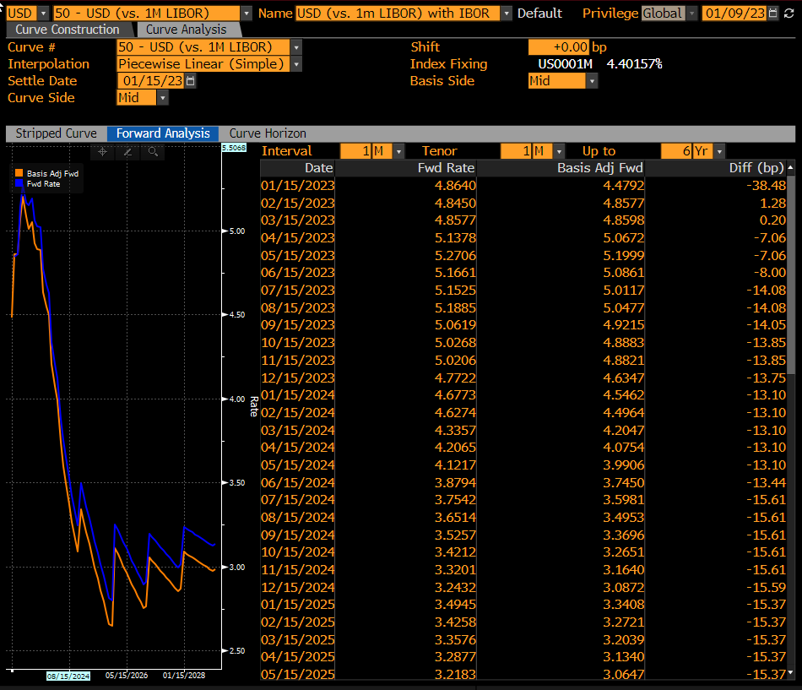
Source: Bloomberg (1/9/23)

 |  |  |  | Date of data pull | 2023-01-09
 |  |  |  | 1 month LIBOR
Concatenate | Half | Year | MONTH | Date | Basis Adj Fwd
1H2023 | 1H | 2023 | 1 | 2023-01-15 | 4.480 | Year | Date | AVG 1M LIBOR | Adjustment | Rounded up to nearest 5 bps
1H2023 | 1H | 2023 | 2 | 2023-02-15 | 4.860
1H2023 | 1H | 2023 | 3 | 2023-03-15 | 4.860 | 2023 | 1H2023 | 4.93% |  | 4.95%
1H2023 | 1H | 2023 | 4 | 2023-04-15 | 5.070 | 2023 | 2H2023 | 4.90% |  | 4.90%
1H2023 | 1H | 2023 | 5 | 2023-05-15 | 5.200 | 2024 | 2024 | 3.76% |  | 3.80%
1H2023 | 1H | 2023 | 6 | 2023-06-15 | 5.090 | 2025 | 2025 | 2.97% |  | 3.00%
2H2023 | 2H | 2023 | 7 | 2023-07-15 | 5.010 | 2026 | 2026 | 2.92% |  | 2.95%
2H2023 | 2H | 2023 | 8 | 2023-08-15 | 5.050 | 2027 | 2027 | 2.94% |  | 2.95%
2H2023 | 2H | 2023 | 9 | 2023-09-15 | 4.920
2H2023 | 2H | 2023 | 10 | 2023-10-15 | 4.890
2H2023 | 2H | 2023 | 11 | 2023-11-15 | 4.880
2H2023 | 2H | 2023 | 12 | 2023-12-15 | 4.630
1H2024 | 1H | 2024 | 1 | 2024-01-15 | 4.550
1H2024 | 1H | 2024 | 2 | 2024-02-15 | 4.500
1H2024 | 1H | 2024 | 3 | 2024-03-15 | 4.200
1H2024 | 1H | 2024 | 4 | 2024-04-15 | 4.080
1H2024 | 1H | 2024 | 5 | 2024-05-15 | 3.990
1H2024 | 1H | 2024 | 6 | 2024-06-15 | 3.750
2H2024 | 2H | 2024 | 7 | 2024-07-15 | 3.600
2H2024 | 2H | 2024 | 8 | 2024-08-15 | 3.500
2H2024 | 2H | 2024 | 9 | 2024-09-15 | 3.370
2H2024 | 2H | 2024 | 10 | 2024-10-15 | 3.270
2H2024 | 2H | 2024 | 11 | 2024-11-15 | 3.160
2H2024 | 2H | 2024 | 12 | 2024-12-15 | 3.090
1H2025 | 1H | 2025 | 1 | 2025-01-15 | 3.340
1H2025 | 1H | 2025 | 2 | 2025-02-18 | 3.270
1H2025 | 1H | 2025 | 3 | 2025-03-15 | 3.200
1H2025 | 1H | 2025 | 4 | 2025-04-15 | 3.130
1H2025 | 1H | 2025 | 5 | 2025-05-15 | 3.060
1H2025 | 1H | 2025 | 6 | 2025-06-15 | 3.000
2H2025 | 2H | 2025 | 7 | 2025-07-15 | 2.930
2H2025 | 2H | 2025 | 8 | 2025-08-15 | 2.860
2H2025 | 2H | 2025 | 9 | 2025-09-15 | 2.790
2H2025 | 2H | 2025 | 10 | 2025-10-15 | 2.720
2H2025 | 2H | 2025 | 11 | 2025-11-15 | 2.660
2H2025 | 2H | 2025 | 12 | 2025-12-15 | 2.650
1H2026 | 1H | 2026 | 1 | 2026-01-15 | 3.110
1H2026 | 1H | 2026 | 2 | 2026-02-15 | 3.070
1H2026 | 1H | 2026 | 3 | 2026-03-15 | 3.040
1H2026 | 1H | 2026 | 4 | 2026-04-15 | 3.000
1H2026 | 1H | 2026 | 5 | 2026-05-15 | 2.970
1H2026 | 1H | 2026 | 6 | 2026-06-15 | 2.930
2H2026 | 2H | 2026 | 7 | 2026-07-15 | 2.890
2H2026 | 2H | 2026 | 8 | 2026-08-15 | 2.860
2H2026 | 2H | 2026 | 9 | 2026-09-15 | 2.820
2H2026 | 2H | 2026 | 10 | 2026-10-15 | 2.790
2H2026 | 2H | 2026 | 11 | 2026-11-15 | 2.750
2H2026 | 2H | 2026 | 12 | 2026-12-15 | 2.760
1H2027 | 1H | 2027 | 1 | 2027-01-15 | 3.050
1H2027 | 1H | 2027 | 2 | 2027-02-15 | 3.030
1H2027 | 1H | 2027 | 3 | 2027-03-15 | 3.010
1H2027 | 1H | 2027 | 4 | 2027-04-15 | 2.990
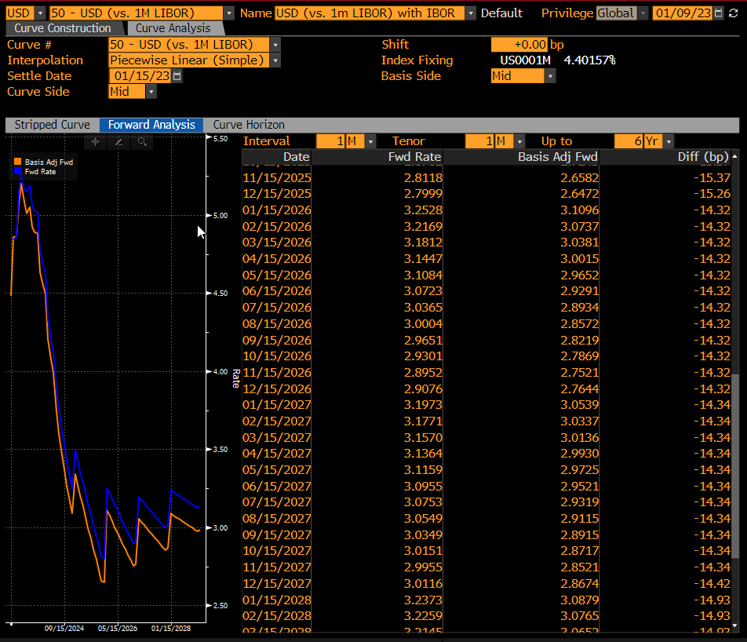
1H2027 | 1H | 2027 | 5 | 2027-05-15 | 2.970
1H2027 | 1H | 2027 | 6 | 2027-06-15 | 2.950
2H2027 | 2H | 2027 | 7 | 2027-07-15 | 2.930
2H2027 | 2H | 2027 | 8 | 2027-08-15 | 2.920
2H2027 | 2H | 2027 | 9 | 2027-09-15 | 2.890
2H2027 | 2H | 2027 | 10 | 2027-10-15 | 2.870
2H2027 | 2H | 2027 | 11 | 2027-11-15 | 2.850
2H2027 | 2H | 2027 | 12 | 2027-12-15 | 2.870

